Sheet1
Microstate List
Molecule | microstate ID | canonical isomeric SMILES | canonical SMILES
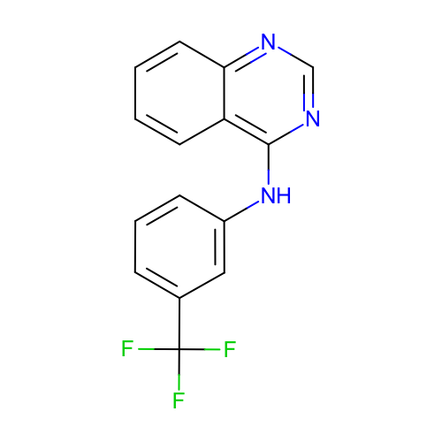 | SM02_micro002 | c1ccc2c(c1)c(ncn2)Nc3cccc(c3)C(F)(F)F | c1ccc2c(c1)c(ncn2)Nc3cccc(c3)C(F)(F)F
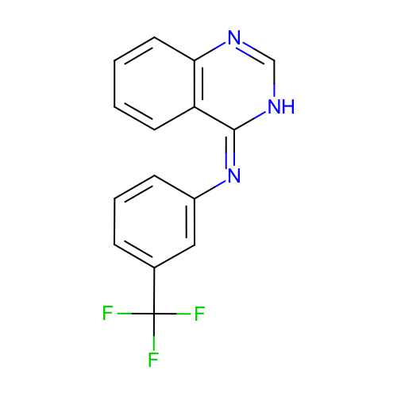 | SM02_micro003 | c1ccc2c(c1)/c(=N\c3cccc(c3)C(F)(F)F)/[nH]cn2 | c1ccc2c(c1)c(=Nc3cccc(c3)C(F)(F)F)[nH]cn2
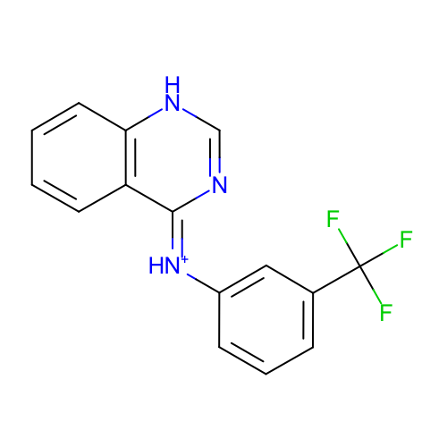 | SM02_micro004 | c1ccc2c(c1)/c(=[NH+]/c3cccc(c3)C(F)(F)F)/nc[nH]2 | c1ccc2c(c1)c(=[NH+]c3cccc(c3)C(F)(F)F)nc[nH]2
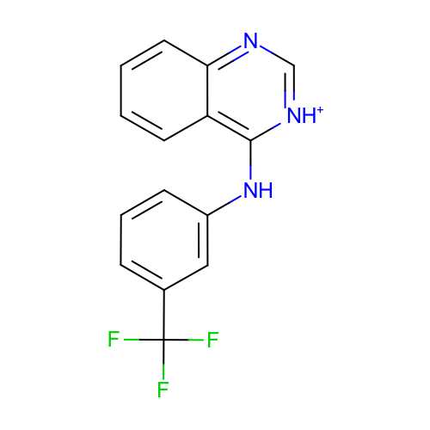 | SM02_micro005 | c1ccc2c(c1)c([nH+]cn2)Nc3cccc(c3)C(F)(F)F | c1ccc2c(c1)c([nH+]cn2)Nc3cccc(c3)C(F)(F)F
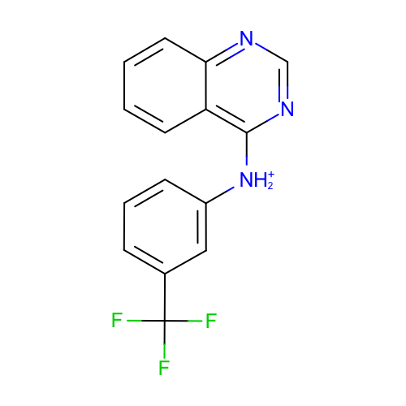 | SM02_micro006 | c1ccc2c(c1)c(ncn2)[NH2+]c3cccc(c3)C(F)(F)F | c1ccc2c(c1)c(ncn2)[NH2+]c3cccc(c3)C(F)(F)F
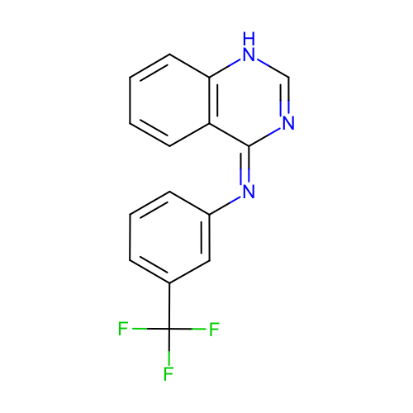 | SM02_micro007 | c1ccc2c(c1)/c(=N\c3cccc(c3)C(F)(F)F)/nc[nH]2 | c1ccc2c(c1)c(=Nc3cccc(c3)C(F)(F)F)nc[nH]2
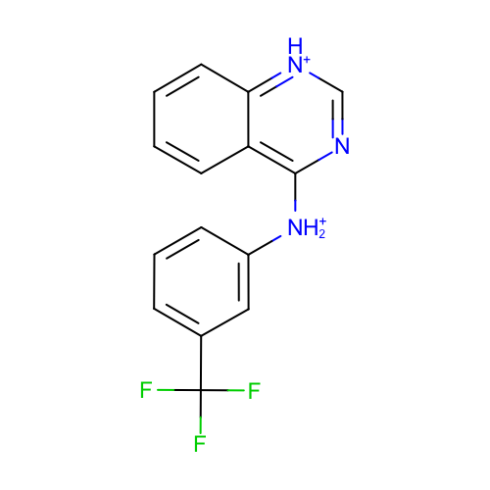 | SM02_micro008 | c1ccc2c(c1)c(nc[nH+]2)[NH2+]c3cccc(c3)C(F)(F)F | c1ccc2c(c1)c(nc[nH+]2)[NH2+]c3cccc(c3)C(F)(F)F
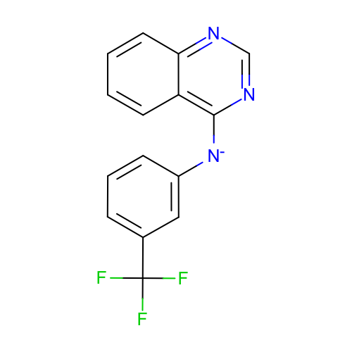 | SM02_micro011 | c1ccc2c(c1)c(ncn2)[N-]c3cccc(c3)C(F)(F)F | c1ccc2c(c1)c(ncn2)[N-]c3cccc(c3)C(F)(F)F
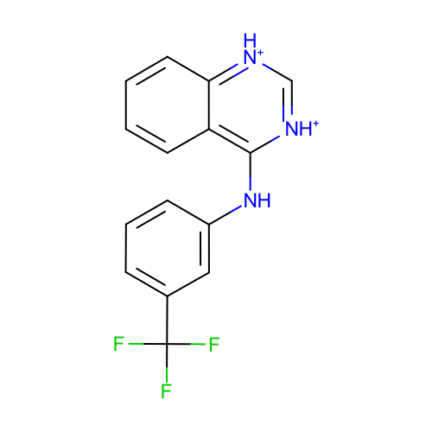 | SM02_micro012 | c1ccc2c(c1)c([nH+]c[nH+]2)Nc3cccc(c3)C(F)(F)F | c1ccc2c(c1)c([nH+]c[nH+]2)Nc3cccc(c3)C(F)(F)F
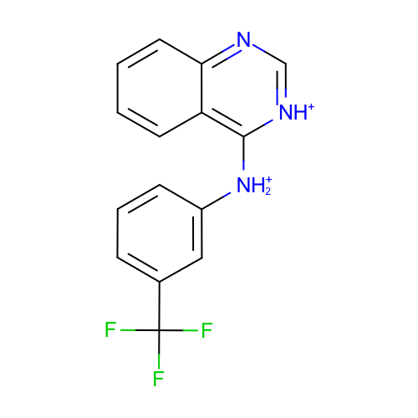 | SM02_micro013 | c1ccc2c(c1)c([nH+]cn2)[NH2+]c3cccc(c3)C(F)(F)F | c1ccc2c(c1)c([nH+]cn2)[NH2+]c3cccc(c3)C(F)(F)F
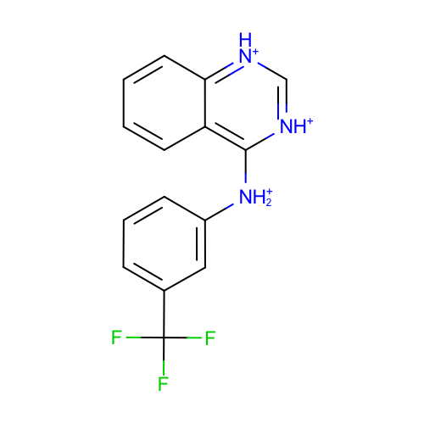 | SM02_micro014 | c1ccc2c(c1)c([nH+]c[nH+]2)[NH2+]c3cccc(c3)C(F)(F)F | c1ccc2c(c1)c([nH+]c[nH+]2)[NH2+]c3cccc(c3)C(F)(F)F

