Sheet1
Microstate List
Molecule | microstate ID | canonical isomeric SMILES | canonical SMILES
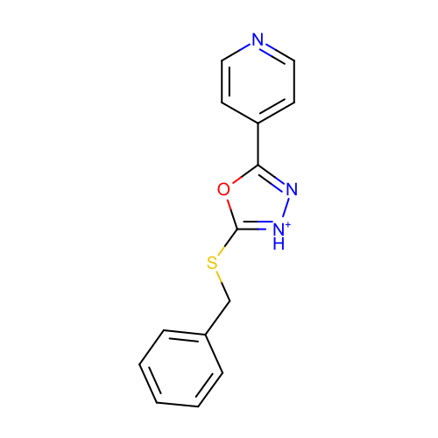 | SM17_micro004 | c1ccc(cc1)CSc2[nH+]nc(o2)c3ccncc3 | c1ccc(cc1)CSc2[nH+]nc(o2)c3ccncc3
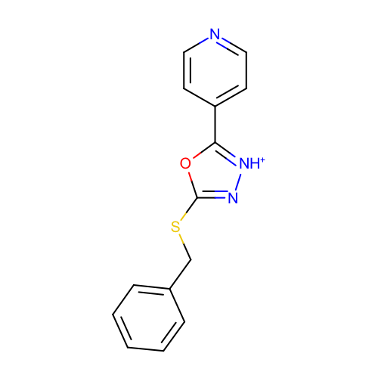 | SM17_micro005 | c1ccc(cc1)CSc2n[nH+]c(o2)c3ccncc3 | c1ccc(cc1)CSc2n[nH+]c(o2)c3ccncc3
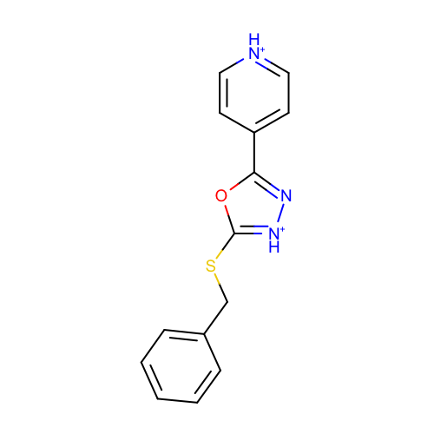 | SM17_micro006 | c1ccc(cc1)CSc2[nH+]nc(o2)c3cc[nH+]cc3 | c1ccc(cc1)CSc2[nH+]nc(o2)c3cc[nH+]cc3
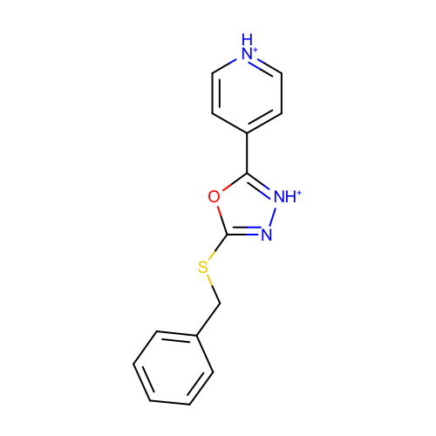 | SM17_micro007 | c1ccc(cc1)CSc2n[nH+]c(o2)c3cc[nH+]cc3 | c1ccc(cc1)CSc2n[nH+]c(o2)c3cc[nH+]cc3
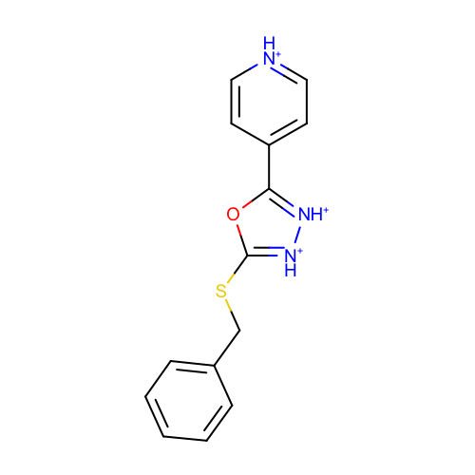 | SM17_micro008 | c1ccc(cc1)CSc2[nH+][nH+]c(o2)c3cc[nH+]cc3 | c1ccc(cc1)CSc2[nH+][nH+]c(o2)c3cc[nH+]cc3
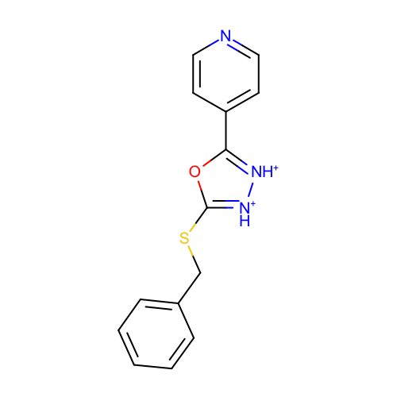 | SM17_micro009 | c1ccc(cc1)CSc2[nH+][nH+]c(o2)c3ccncc3 | c1ccc(cc1)CSc2[nH+][nH+]c(o2)c3ccncc3
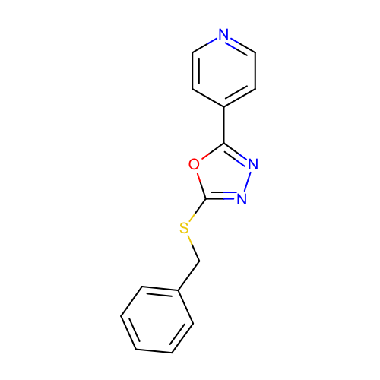 | SM17_micro010 | c1ccc(cc1)CSc2nnc(o2)c3ccncc3 | c1ccc(cc1)CSc2nnc(o2)c3ccncc3
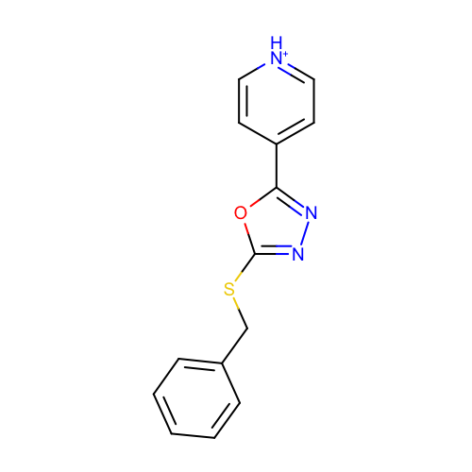 | SM17_micro011 | c1ccc(cc1)CSc2nnc(o2)c3cc[nH+]cc3 | c1ccc(cc1)CSc2nnc(o2)c3cc[nH+]cc3

