Sheet1
SM03_microstate_IDs_with_2D_depiction.csv
Molecule | microstate ID | canonical isomeric SMILES | correction
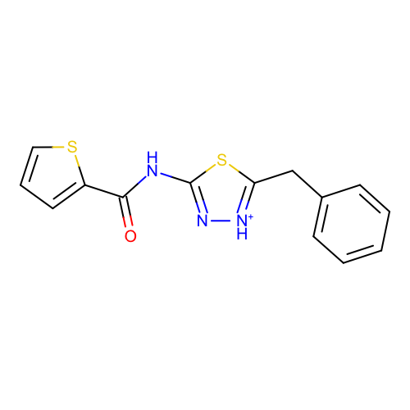 | SM03_micro001 | c1ccc(cc1)Cc2[nH+]nc(s2)NC(=O)c3cccs3
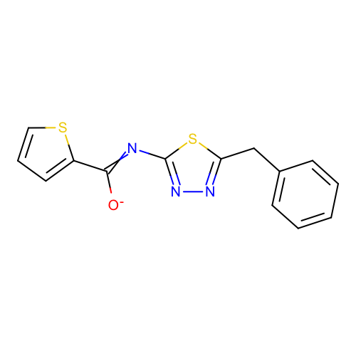 | SM03_micro002 | c1ccc(cc1)Cc2nnc(s2)N=C(c3cccs3)[O-]
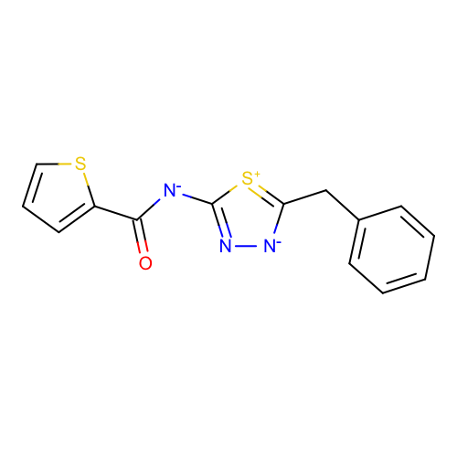 | SM03_micro003 | c1ccc(cc1)Cc2[n-]nc([s+]2)[N-]C(=O)c3cccs3 | deprecated
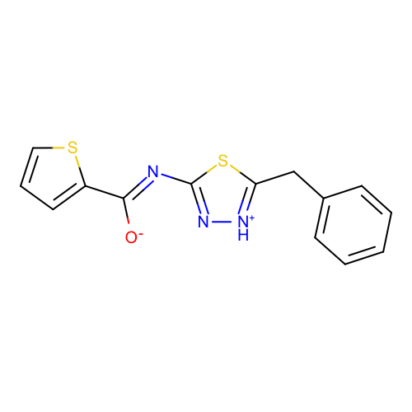 | SM03_micro004 | c1ccc(cc1)Cc2[nH+]nc(s2)/N=C(/c3cccs3)\[O-]
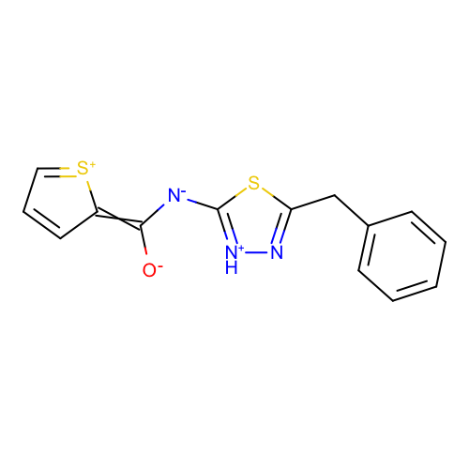 | SM03_micro005 | c1ccc(cc1)Cc2n[nH+]c(s2)[N-]C(=C3C=CC=[S+]3)[O-] | deprecated
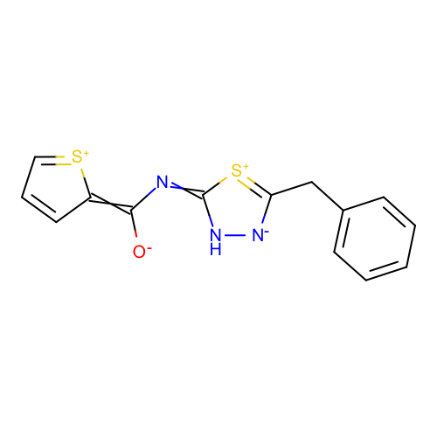 | SM03_micro006 | c1ccc(cc1)Cc2[n-][nH]c(=NC(=C3C=CC=[S+]3)[O-])[s+]2 | deprecated
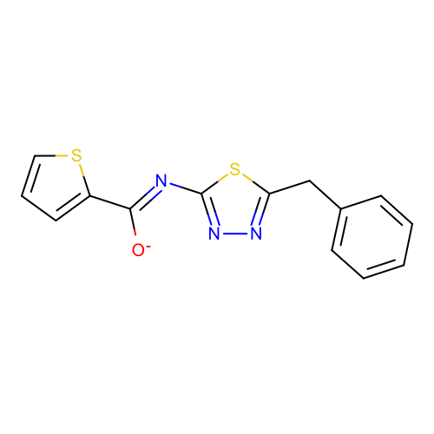 | SM03_micro007 | c1ccc(cc1)Cc2nnc(s2)/N=C(/c3cccs3)\[O-] | deprecated
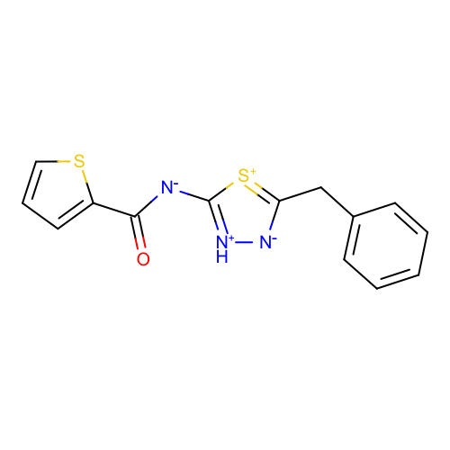 | SM03_micro008 | c1ccc(cc1)Cc2[n-][nH+]c([s+]2)[N-]C(=O)c3cccs3 | deprecated
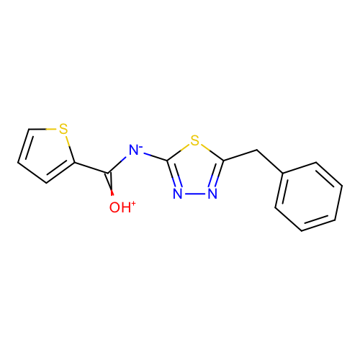 | SM03_micro009 | c1ccc(cc1)Cc2nnc(s2)[N-]C(=[OH+])c3cccs3
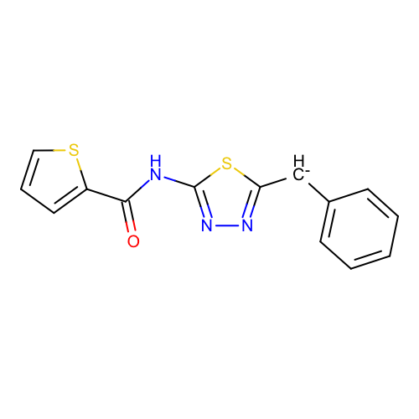 | SM03_micro010 | c1ccc(cc1)[CH-]c2nnc(s2)NC(=O)c3cccs3
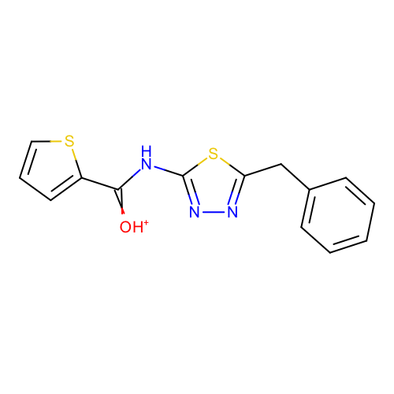 | SM03_micro011 | c1ccc(cc1)Cc2nnc(s2)NC(=[OH+])c3cccs3
 | SM03_micro012 | c1ccc(cc1)Cc2nnc(s2)NC(=O)c3cccs3
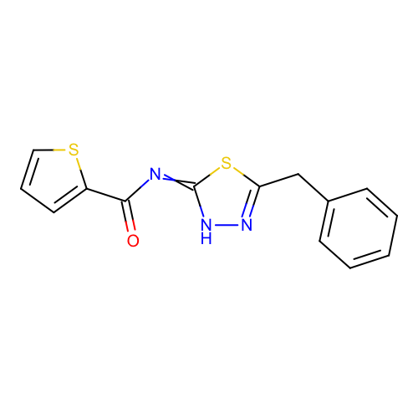 | SM03_micro013 | c1ccc(cc1)Cc2n[nH]c(=NC(=O)c3cccs3)s2
 | SM03_micro014 | c1ccc(cc1)[CH-]c2nnc(s2)/N=C(/c3cccs3)\[O-]
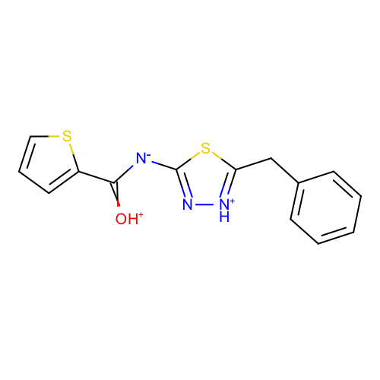 | SM03_micro015 | c1ccc(cc1)Cc2[nH+]nc(s2)[N-]C(=[OH+])c3cccs3
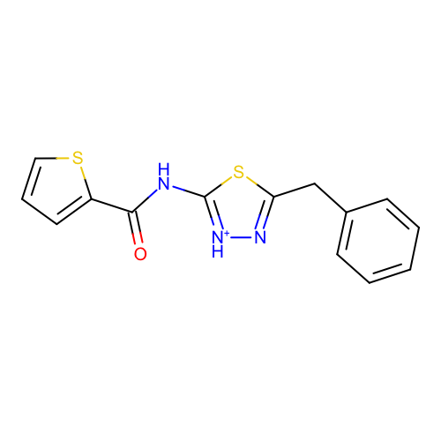 | SM03_micro016 | c1ccc(cc1)Cc2n[nH+]c(s2)NC(=O)c3cccs3
 | SM03_micro017 | c1ccc(cc1)Cc2n[nH]/c(=N\C(=O)c3cccs3)/s2 | deprecated
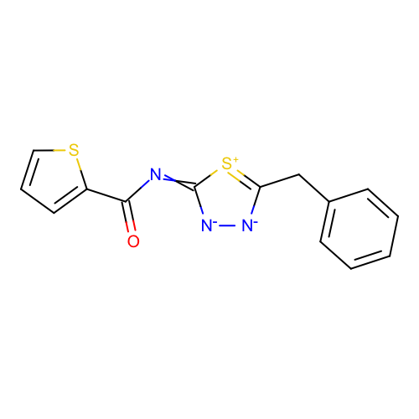 | SM03_micro018 | c1ccc(cc1)Cc2[n-][n-]c(=NC(=O)c3cccs3)[s+]2 | deprecated
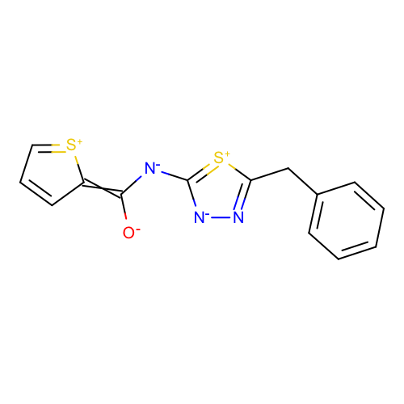 | SM03_micro019 | c1ccc(cc1)Cc2n[n-]c([s+]2)[N-]C(=C3C=CC=[S+]3)[O-] | deprecated
 | SM03_micro020 | c1ccc(cc1)CC2=N[NH2+]/C(=N\C(=O)c3cccs3)/S2
 | SM03_micro021 | c1ccc(cc1)CC2=[NH2+2]N=C(S2)NC(=O)c3cccs3
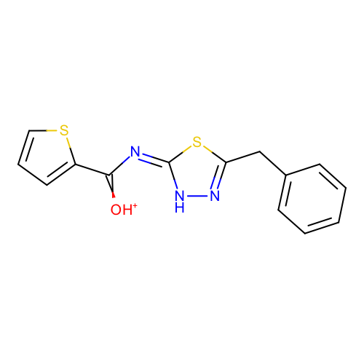 | SM03_micro022 | c1ccc(cc1)Cc2n[nH]/c(=N\C(=[OH+])c3cccs3)/s2
 | SM03_micro023 | O=C(c1sccc1)/N=C(S2)\N[NH+]=C2Cc3ccccc3 | added
 | SM03_micro024 | O=C(c1sccc1)NC(S2)=[NH+][NH+]=C2Cc3ccccc3 | added

