Sheet1
SM04_microstate_IDs_with_2D_depiction.csv
Molecule | microstate ID | canonical isomeric SMILES | correction
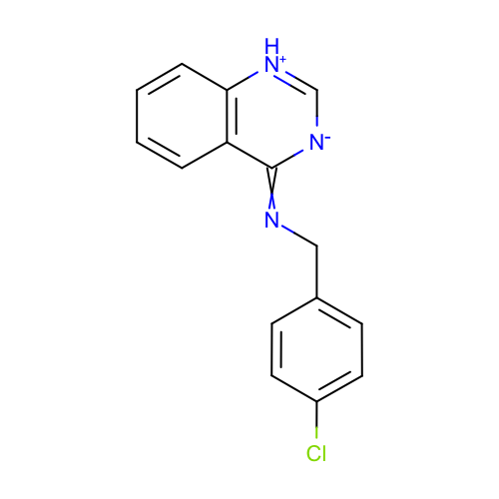 | SM04_micro001 | c1ccc2c(c1)c(=NCc3ccc(cc3)Cl)[n-]c[nH+]2 | deprecated
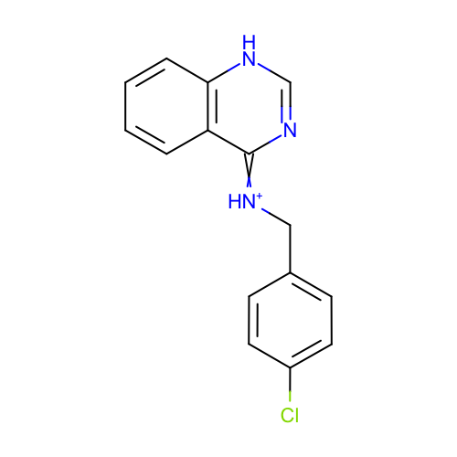 | SM04_micro002 | c1ccc2c(c1)c(=[NH+]Cc3ccc(cc3)Cl)nc[nH]2
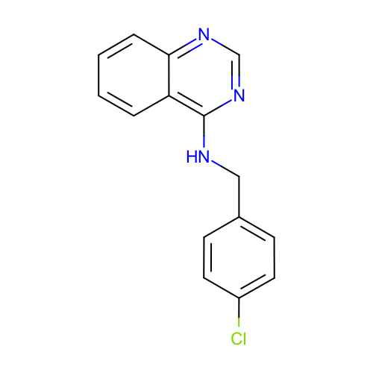 | SM04_micro003 | c1ccc2c(c1)c(ncn2)NCc3ccc(cc3)Cl
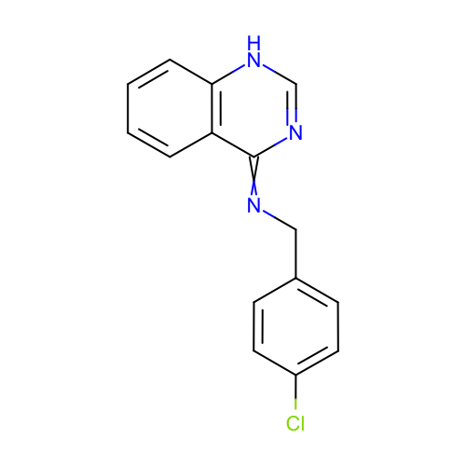 | SM04_micro004 | c1ccc2c(c1)c(=NCc3ccc(cc3)Cl)nc[nH]2
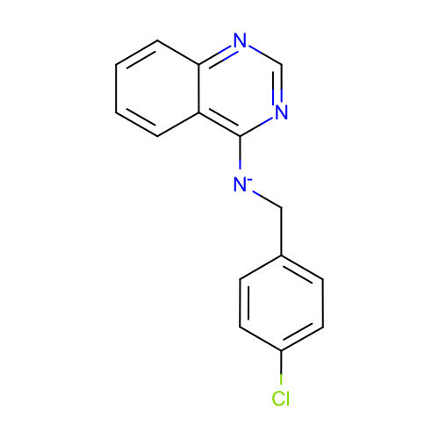 | SM04_micro005 | c1ccc2c(c1)c(ncn2)[N-]Cc3ccc(cc3)Cl
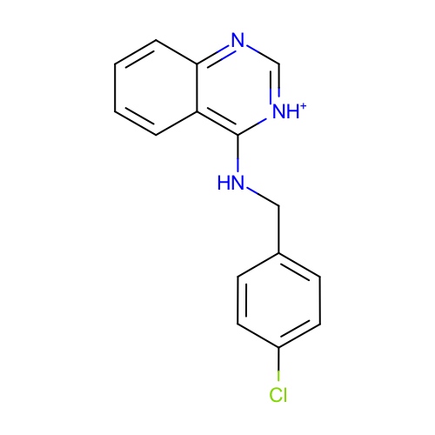 | SM04_micro006 | c1ccc2c(c1)c([nH+]cn2)NCc3ccc(cc3)Cl
 | SM04_micro007 | c1ccc2c(c1)/c(=N/Cc3ccc(cc3)Cl)/nc[nH]2 | deprecated
 | SM04_micro008 | c1ccc2c(c1)c(ncn2)[NH2+]Cc3ccc(cc3)Cl
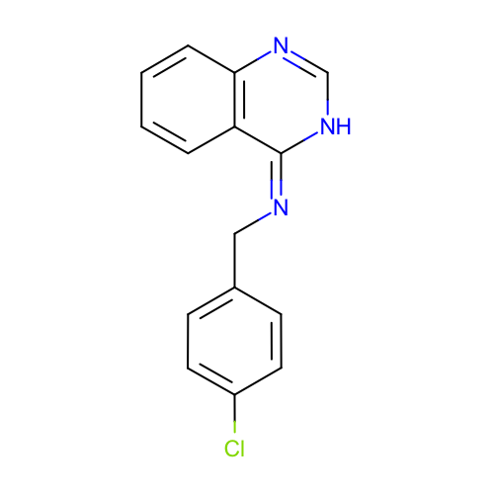 | SM04_micro009 | c1ccc2c(c1)/c(=N\Cc3ccc(cc3)Cl)/[nH]cn2
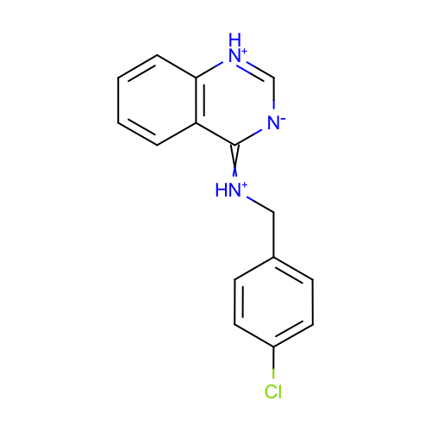 | SM04_micro010 | c1ccc2c(c1)c(=[NH+]Cc3ccc(cc3)Cl)[n-]c[nH+]2 | deprecated
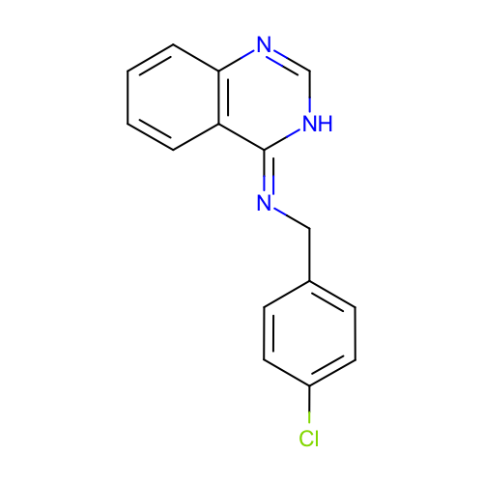 | SM04_micro011 | c1ccc2c(c1)/c(=N/Cc3ccc(cc3)Cl)/[nH]cn2 | deprecated
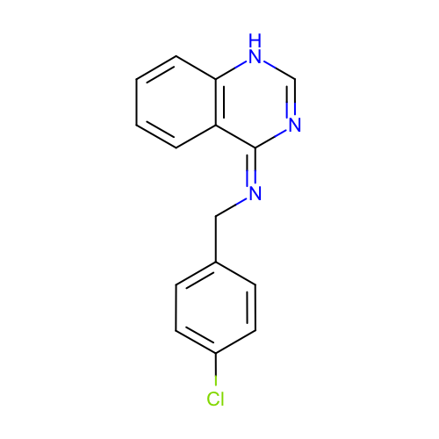 | SM04_micro012 | c1ccc2c(c1)/c(=N\Cc3ccc(cc3)Cl)/nc[nH]2 | deprecated
 | SM04_micro013 | Clc1ccc(C[NH2+]c2nc[nH+]c3c2cccc3)cc1 | added
 | SM04_micro014 | Clc1ccc(CNc2[nH+]c[nH+]c3c2cccc3)cc1 | added
 | SM04_micro015 | Clc1ccc(C[NH2+]c2[nH+]cnc3c2cccc3)cc1 | added
 | SM04_micro016 | Clc1ccc(C[NH2+]c2[nH+]c[nH+]c3c2cccc3)cc1 | added

