Sheet1
SM07_microstate_IDs_with_2D_depiction.csv
Molecule | microstate ID | canonical isomeric SMILES | correction
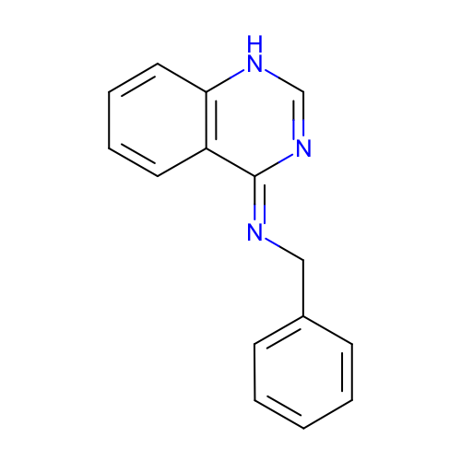 | SM07_micro001 | c1ccc(cc1)C/N=c\2/c3ccccc3[nH]cn2 | deprecated
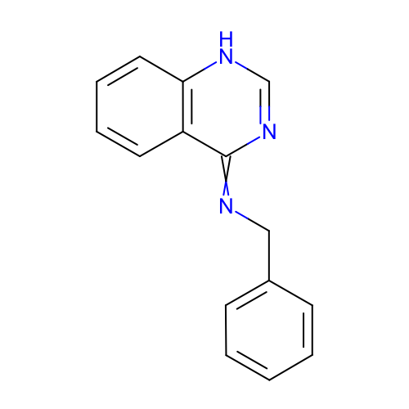 | SM07_micro002 | c1ccc(cc1)CN=c2c3ccccc3[nH]cn2
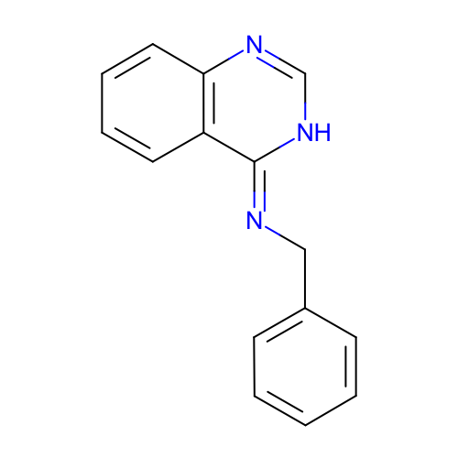 | SM07_micro003 | c1ccc(cc1)C/N=c\2/c3ccccc3nc[nH]2
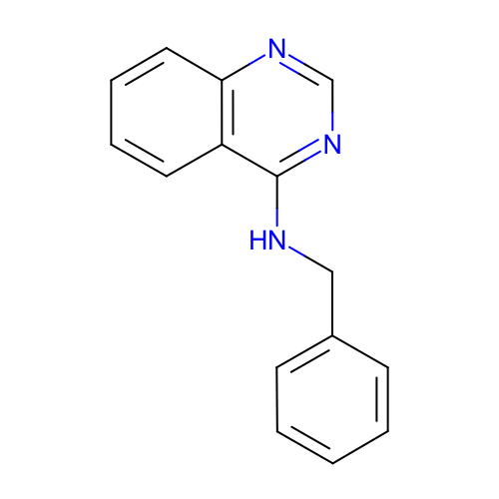 | SM07_micro004 | c1ccc(cc1)CNc2c3ccccc3ncn2
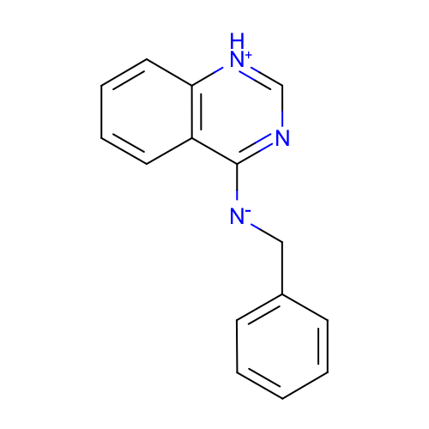 | SM07_micro005 | c1ccc(cc1)C[N-]c2c3ccccc3[nH+]cn2 | deprecated
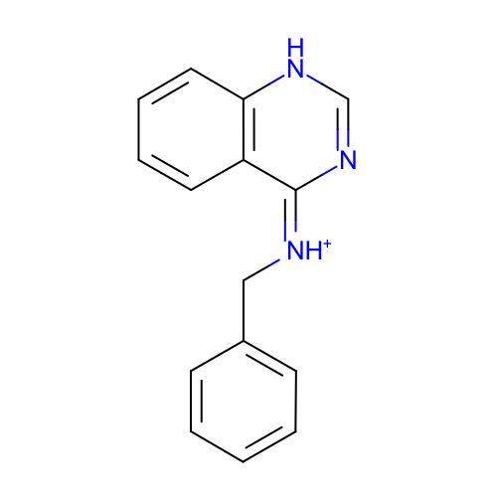 | SM07_micro006 | c1ccc(cc1)C/[NH+]=c/2\c3ccccc3[nH]cn2
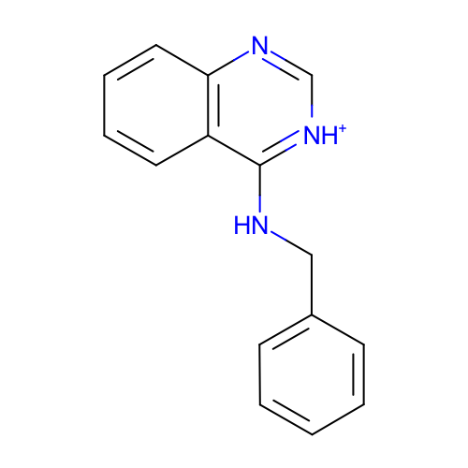 | SM07_micro007 | c1ccc(cc1)CNc2c3ccccc3nc[nH+]2
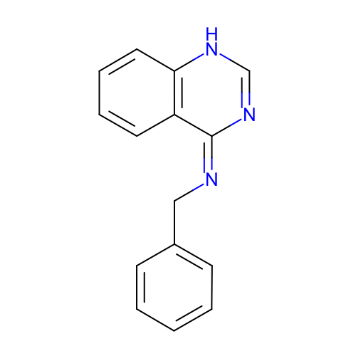 | SM07_micro008 | c1ccc(cc1)C/N=c/2\c3ccccc3[nH]cn2 | deprecated
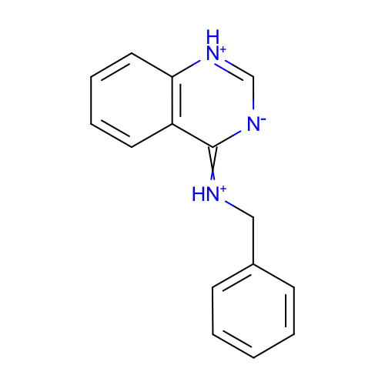 | SM07_micro009 | c1ccc(cc1)C[NH+]=c2c3ccccc3[nH+]c[n-]2 | deprecated
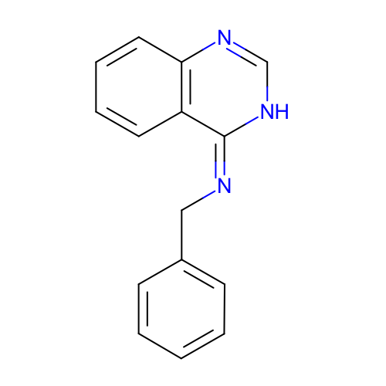 | SM07_micro010 | c1ccc(cc1)C/N=c/2\c3ccccc3nc[nH]2 | deprecated
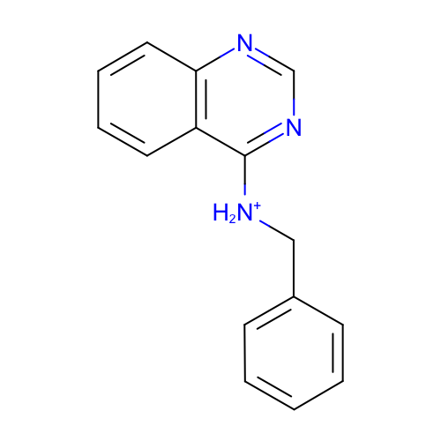 | SM07_micro011 | c1ccc(cc1)C[NH2+]c2c3ccccc3ncn2
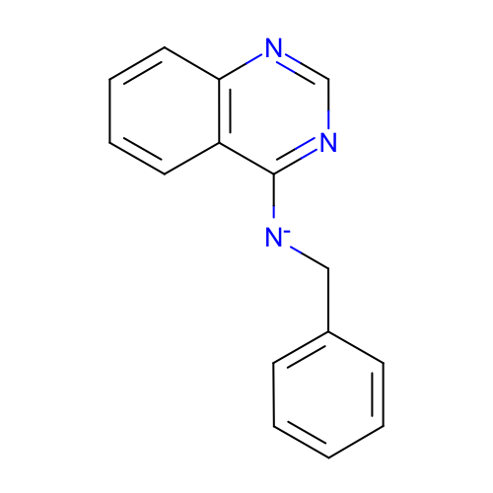 | SM07_micro012 | c1ccc(cc1)C[N-]c2c3ccccc3ncn2
 | SM07_micro013 | c1(C[NH2+]c2nc[nH+]c3c2cccc3)ccccc1 | added
 | SM07_micro014 | c1(CNc2[nH+]c[nH+]c3c2cccc3)ccccc1 | added
 | SM07_micro015 | c1(C[NH2+]c2[nH+]cnc3c2cccc3)ccccc1 | added
 | SM07_micro016 | c1(C[NH2+]c2[nH+]c[nH+]c3c2cccc3)ccccc1 | added

