Sheet1
SM08_microstate_IDs_with_2D_depiction.csv
Molecule | microstate ID | canonical isomeric SMILES | correction
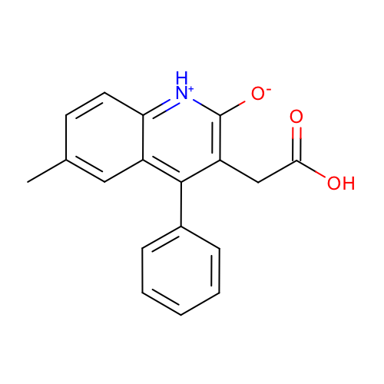 | SM08_micro001 | Cc1ccc2c(c1)c(c(c([nH+]2)[O-])CC(=O)O)c3ccccc3 | deprecated
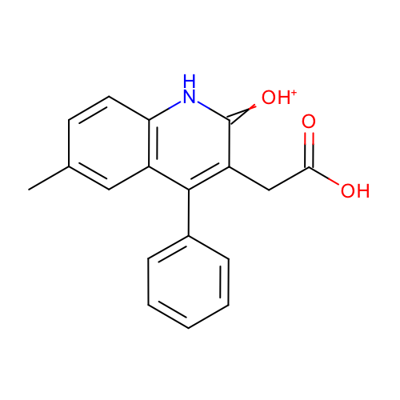 | SM08_micro002 | Cc1ccc2c(c1)c(c(c(=[OH+])[nH]2)CC(=O)O)c3ccccc3
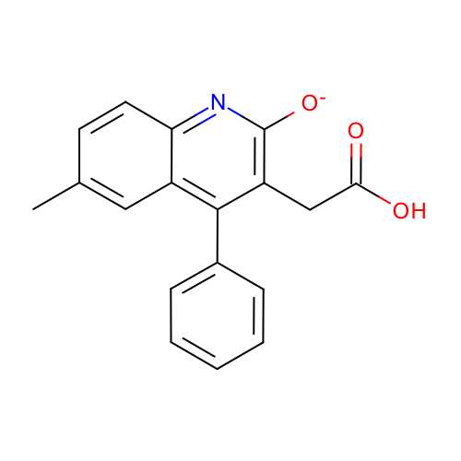 | SM08_micro003 | Cc1ccc2c(c1)c(c(c(n2)[O-])CC(=O)O)c3ccccc3
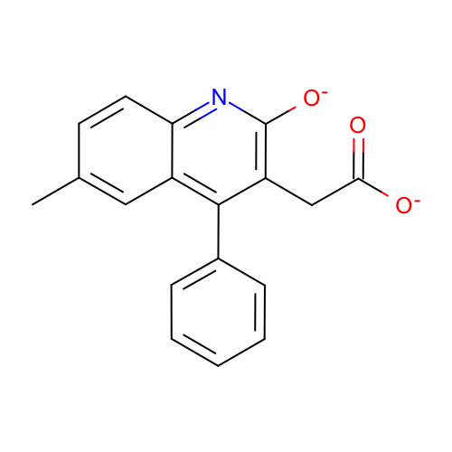 | SM08_micro004 | Cc1ccc2c(c1)c(c(c(n2)[O-])CC(=O)[O-])c3ccccc3
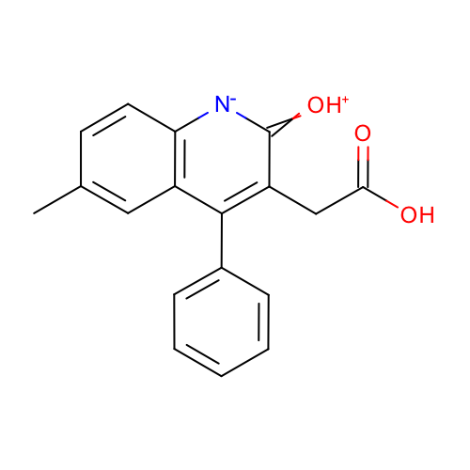 | SM08_micro005 | Cc1ccc2c(c1)c(c(c(=[OH+])[n-]2)CC(=O)O)c3ccccc3 | deprecated
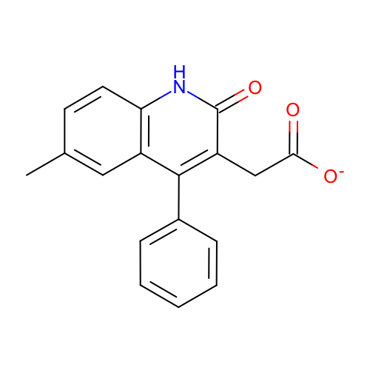 | SM08_micro006 | Cc1ccc2c(c1)c(c(c(=O)[nH]2)CC(=O)[O-])c3ccccc3
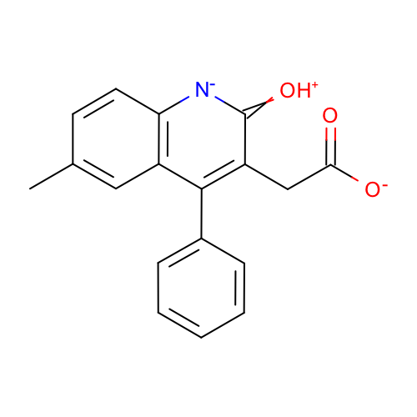 | SM08_micro007 | Cc1ccc2c(c1)c(c(c(=[OH+])[n-]2)CC(=O)[O-])c3ccccc3 | deprecated
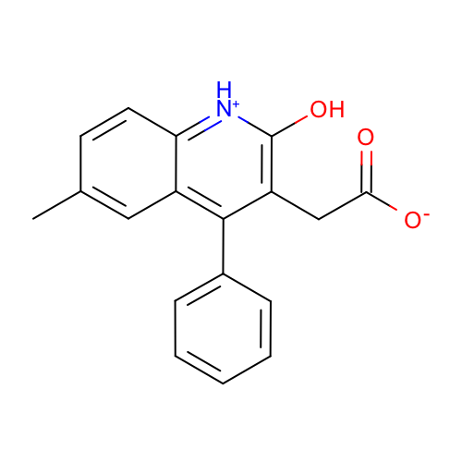 | SM08_micro008 | Cc1ccc2c(c1)c(c(c([nH+]2)O)CC(=O)[O-])c3ccccc3
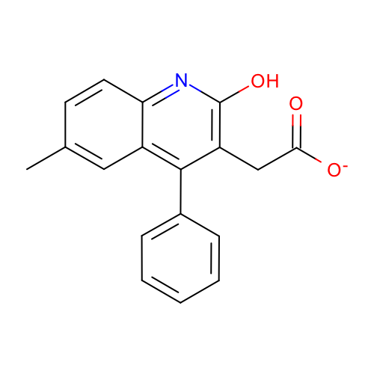 | SM08_micro009 | Cc1ccc2c(c1)c(c(c(n2)O)CC(=O)[O-])c3ccccc3
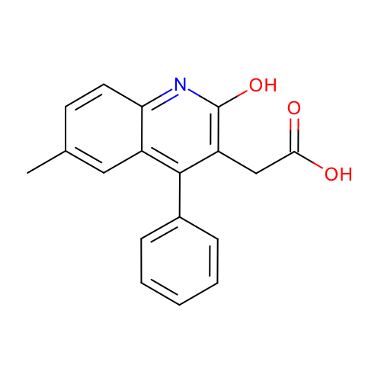 | SM08_micro010 | Cc1ccc2c(c1)c(c(c(n2)O)CC(=O)O)c3ccccc3
 | SM08_micro011 | Cc(ccc1[nH]2)cc1c(c3ccccc3)c(CC(O)=O)c2=O | added

