Sheet1
SM09_microstate_IDs_with_2D_depiction.csv
Molecule | microstate ID | canonical isomeric SMILES | correction
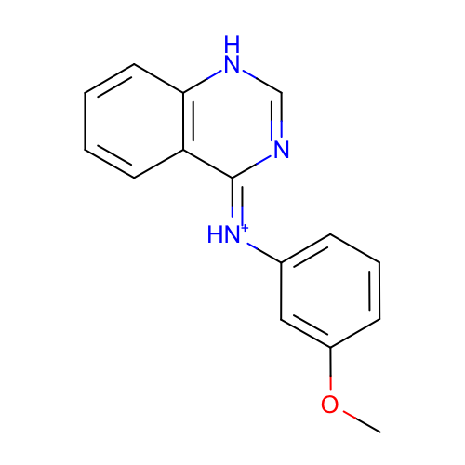 | SM09_micro001 | COc1cccc(c1)/[NH+]=c\2/c3ccccc3[nH]cn2
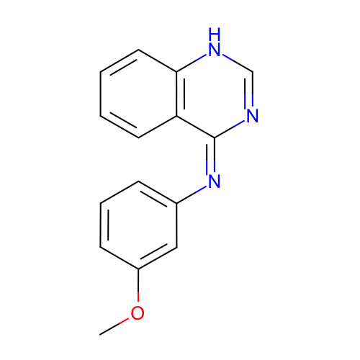 | SM09_micro002 | COc1cccc(c1)/N=c/2\c3ccccc3[nH]cn2
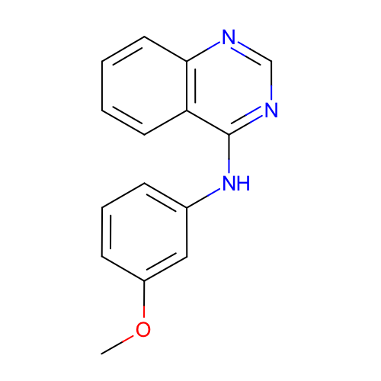 | SM09_micro003 | COc1cccc(c1)Nc2c3ccccc3ncn2
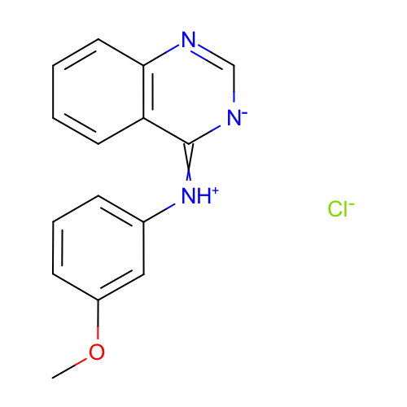 | SM09_micro004 | COc1cccc(c1)[NH+]=c2c3ccccc3nc[n-]2.[Cl-] | deprecated
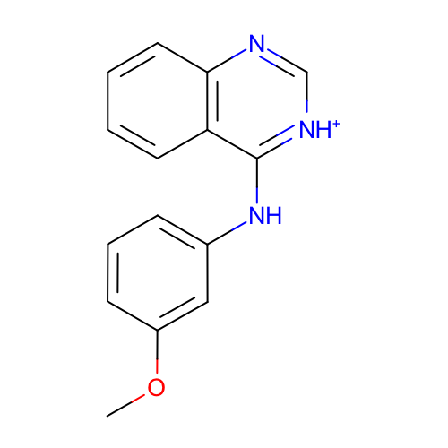 | SM09_micro005 | COc1cccc(c1)Nc2c3ccccc3nc[nH+]2
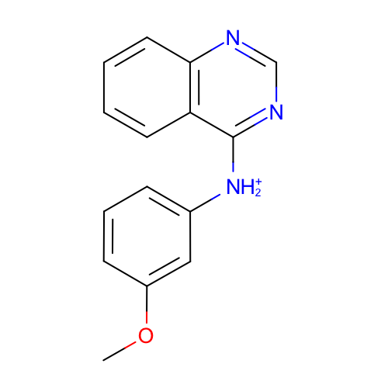 | SM09_micro006 | COc1cccc(c1)[NH2+]c2c3ccccc3ncn2
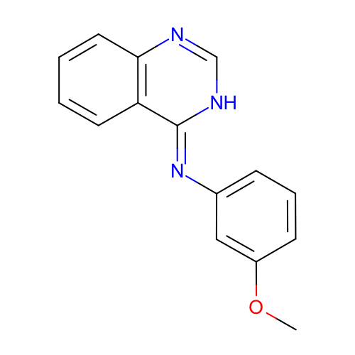 | SM09_micro007 | COc1cccc(c1)/N=c\2/c3ccccc3nc[nH]2 | deprecated
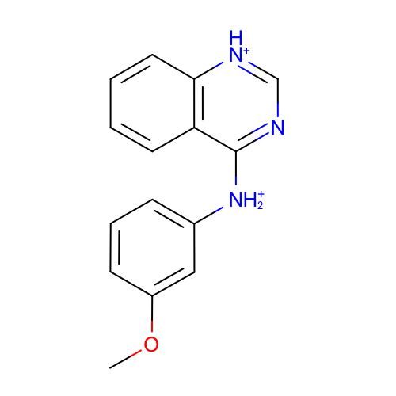 | SM09_micro008 | COc1cccc(c1)[NH2+]c2c3ccccc3[nH+]cn2
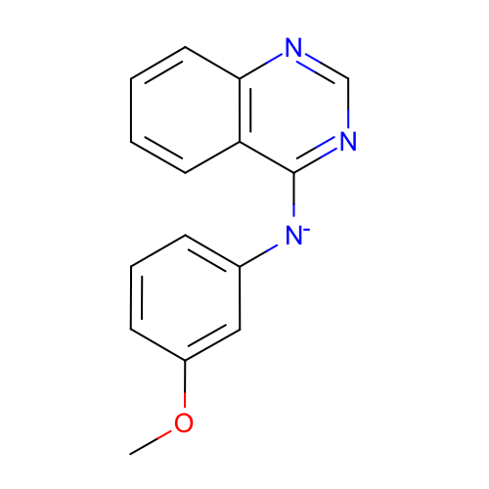 | SM09_micro009 | COc1cccc(c1)[N-]c2c3ccccc3ncn2
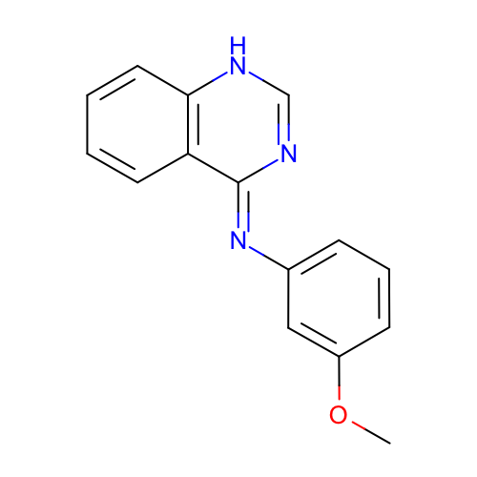 | SM09_micro010 | COc1cccc(c1)/N=c\2/c3ccccc3[nH]cn2 | deprecated
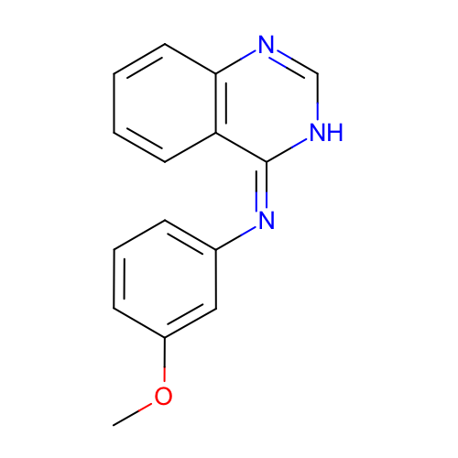 | SM09_micro011 | COc1cccc(c1)/N=c/2\c3ccccc3nc[nH]2
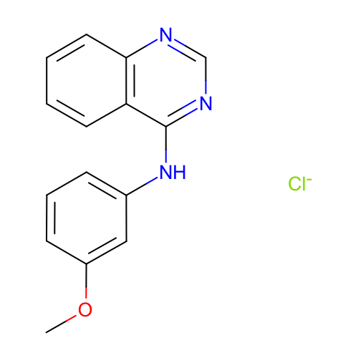 | SM09_micro012 | COc1cccc(c1)Nc2c3ccccc3ncn2.[Cl-] | deprecated
 | SM09_micro013 | COc1cc(Nc2[nH+]c[nH+]c3c2cccc3)ccc1 | added
 | SM09_micro014 | COc1cc([NH2+]c2[nH+]cnc3c2cccc3)ccc1 | added
 | SM09_micro015 | COc1cc([NH2+]c2[nH+]c[nH+]c3c2cccc3)ccc1 | added

