Sheet1
SM10_microstate_IDs_with_2D_depiction.csv
Molecule | microstate ID | canonical isomeric SMILES | correction
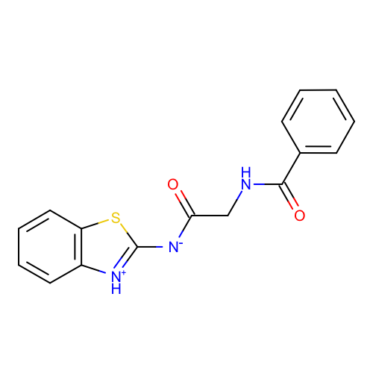 | SM10_micro001 | c1ccc(cc1)C(=O)NCC(=O)[N-]c2[nH+]c3ccccc3s2 | deprecated
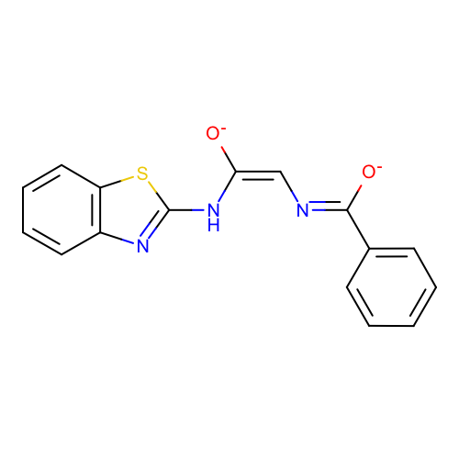 | SM10_micro002 | c1ccc(cc1)/C(=N/C=C(\Nc2nc3ccccc3s2)/[O-])/[O-]
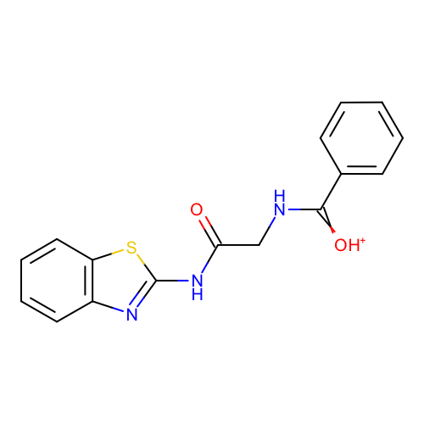 | SM10_micro003 | c1ccc(cc1)C(=[OH+])NCC(=O)Nc2nc3ccccc3s2
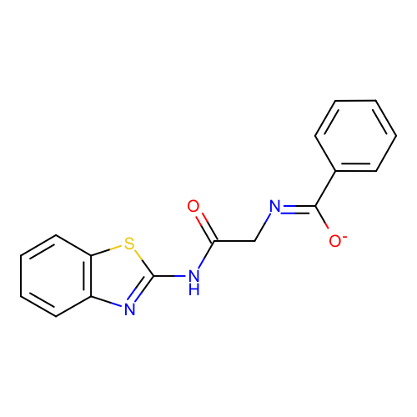 | SM10_micro004 | c1ccc(cc1)/C(=N/CC(=O)Nc2nc3ccccc3s2)/[O-]
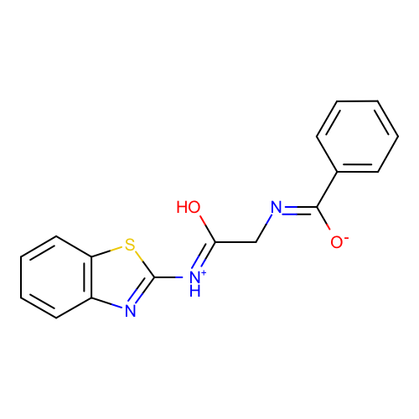 | SM10_micro005 | c1ccc(cc1)/C(=N/C/C(=[NH+]/c2nc3ccccc3s2)/O)/[O-]
 | SM10_micro006 | c1ccc(cc1)C(=O)NCC(=O)N=c2[nH]c3ccccc3s2
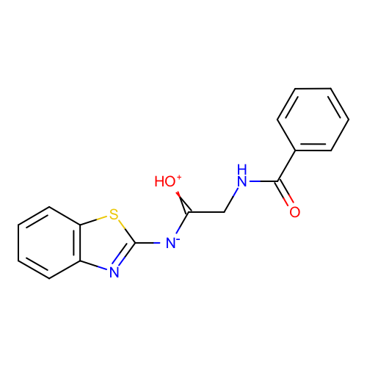 | SM10_micro007 | c1ccc(cc1)C(=O)NCC(=[OH+])[N-]c2nc3ccccc3s2
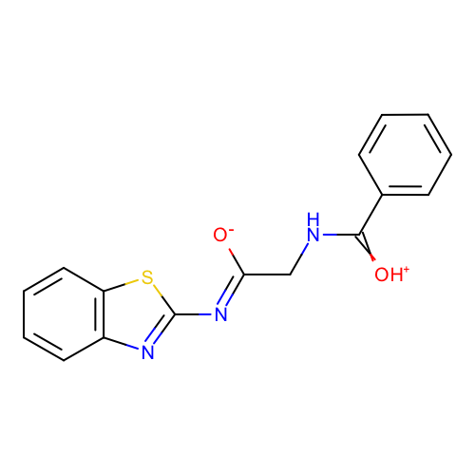 | SM10_micro008 | c1ccc(cc1)C(=[OH+])NC/C(=N/c2nc3ccccc3s2)/[O-]
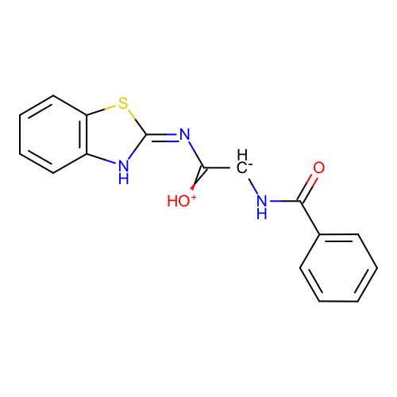 | SM10_micro009 | c1ccc(cc1)C(=O)N[CH-]C(=[OH+])/N=c/2\[nH]c3ccccc3s2
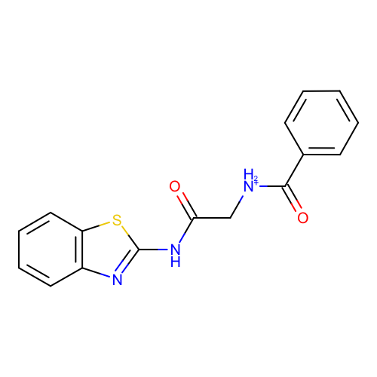 | SM10_micro010 | c1ccc(cc1)C(=O)[NH2+]CC(=O)Nc2nc3ccccc3s2
 | SM10_micro011 | c1ccc(cc1)C(=O)[NH2+]C/C(=N/c2nc3ccccc3s2)/[O-]
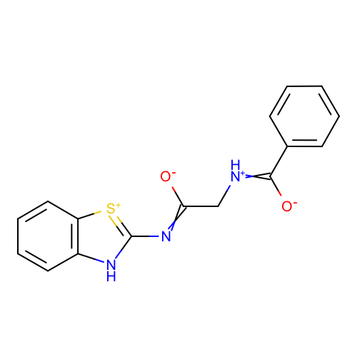 | SM10_micro012 | c1ccc(cc1)C(=[NH+]CC(=Nc2[nH]c3ccccc3[s+]2)[O-])[O-] | deprecated
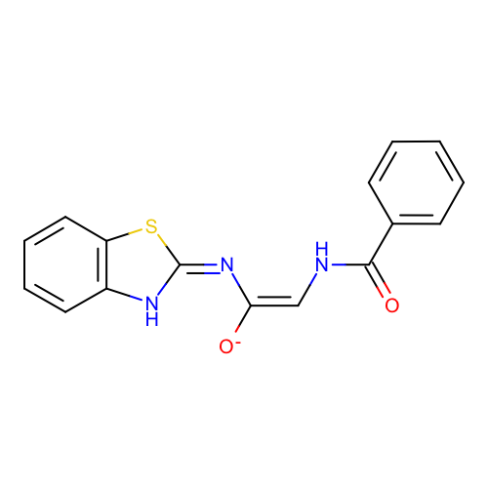 | SM10_micro013 | c1ccc(cc1)C(=O)N/C=C(\N=c\2/[nH]c3ccccc3s2)/[O-]
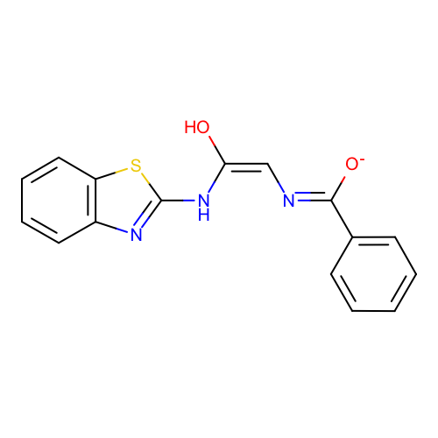 | SM10_micro014 | c1ccc(cc1)/C(=N/C=C(\Nc2nc3ccccc3s2)/O)/[O-]
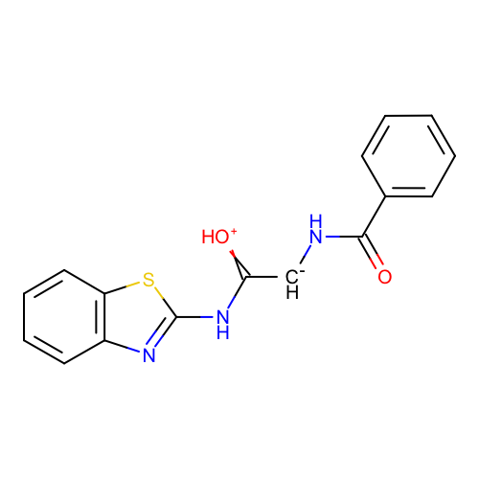 | SM10_micro015 | c1ccc(cc1)C(=O)N[CH-]C(=[OH+])Nc2nc3ccccc3s2
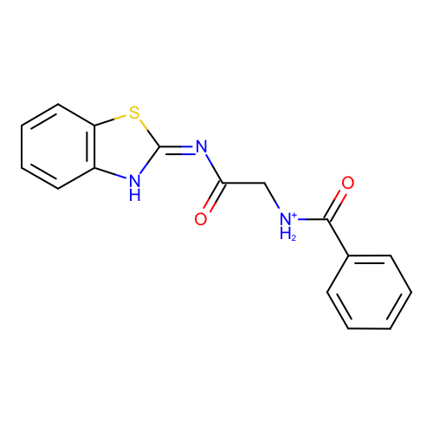 | SM10_micro016 | c1ccc(cc1)C(=O)[NH2+]CC(=O)/N=c/2\[nH]c3ccccc3s2
 | SM10_micro017 | c1ccc(cc1)C(=O)N/C=C(\Nc2nc3ccccc3s2)/[O-]
 | SM10_micro018 | c1ccc(cc1)/C(=N/C/C(=N/c2nc3ccccc3s2)/[O-])/[O-]
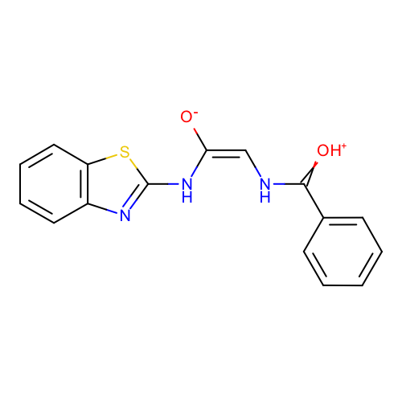 | SM10_micro019 | c1ccc(cc1)C(=[OH+])N/C=C(\Nc2nc3ccccc3s2)/[O-]
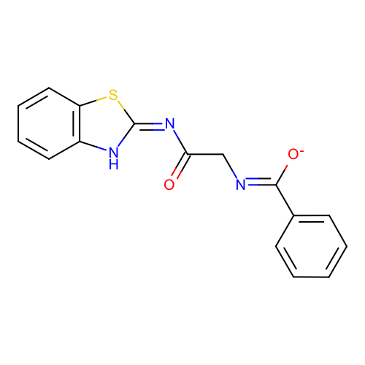 | SM10_micro020 | c1ccc(cc1)/C(=N/CC(=O)/N=c/2\[nH]c3ccccc3s2)/[O-]
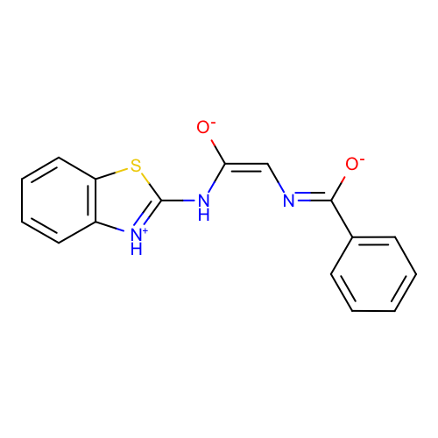 | SM10_micro021 | c1ccc(cc1)/C(=N/C=C(\Nc2[nH+]c3ccccc3s2)/[O-])/[O-]
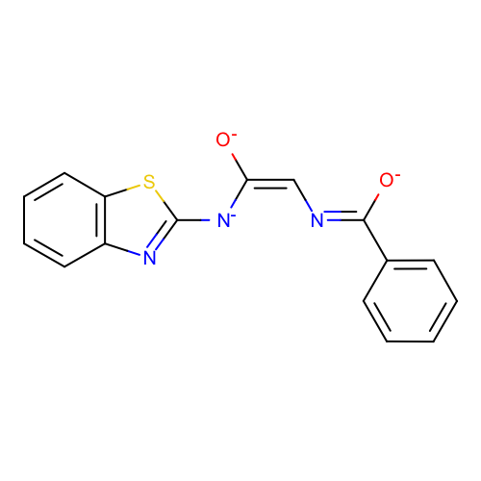 | SM10_micro022 | c1ccc(cc1)/C(=N/C=C(\[N-]c2nc3ccccc3s2)/[O-])/[O-]
 | SM10_micro023 | c1ccc(cc1)C(=O)NC/C(=N/c2nc3ccccc3s2)/[O-]
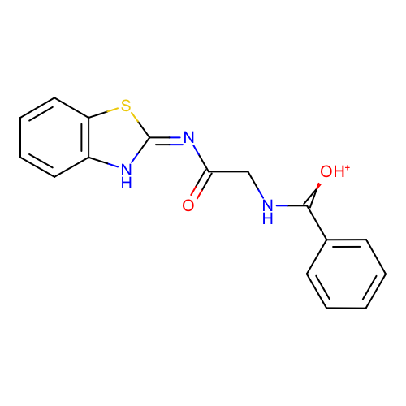 | SM10_micro024 | c1ccc(cc1)C(=[OH+])NCC(=O)/N=c/2\[nH]c3ccccc3s2
 | SM10_micro025 | c1ccc(cc1)C(=O)NCC(=[OH+])Nc2nc3ccccc3s2 | deprecated
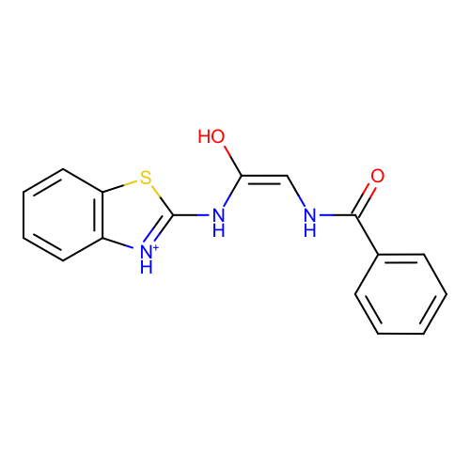 | SM10_micro026 | c1ccc(cc1)C(=O)N/C=C(\Nc2[nH+]c3ccccc3s2)/O
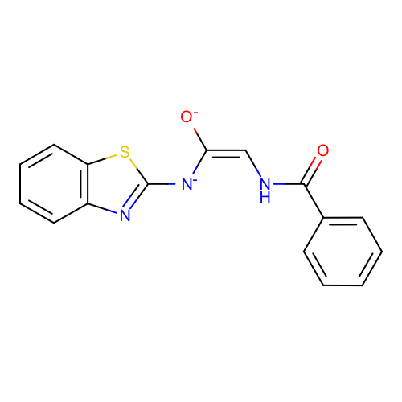 | SM10_micro027 | c1ccc(cc1)C(=O)N/C=C(\[N-]c2nc3ccccc3s2)/[O-]
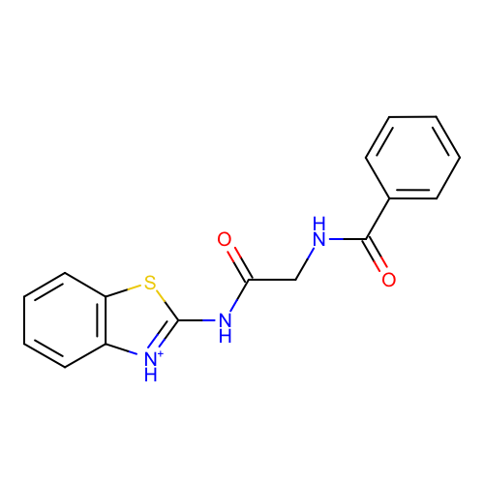 | SM10_micro028 | c1ccc(cc1)C(=O)NCC(=O)Nc2[nH+]c3ccccc3s2
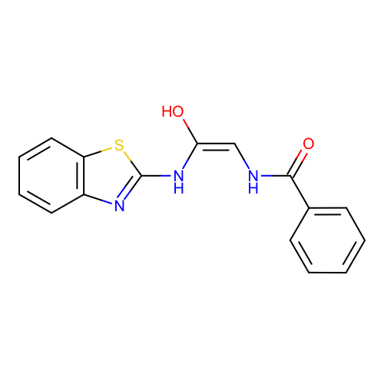 | SM10_micro029 | c1ccc(cc1)C(=O)N/C=C(\Nc2nc3ccccc3s2)/O
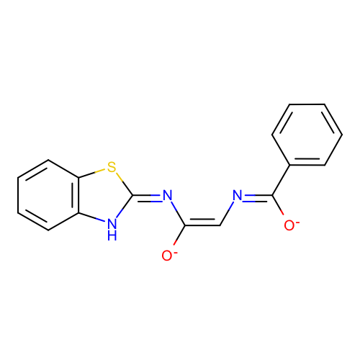 | SM10_micro030 | c1ccc(cc1)/C(=N/C=C(\N=c\2/[nH]c3ccccc3s2)/[O-])/[O-]
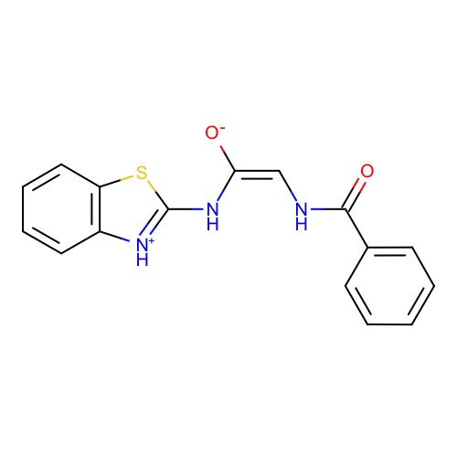 | SM10_micro031 | c1ccc(cc1)C(=O)N/C=C(\Nc2[nH+]c3ccccc3s2)/[O-]
 | SM10_micro032 | c1ccc(cc1)C(=O)NC/C(=[NH+]/c2nc3ccccc3s2)/O
 | SM10_micro033 | c1ccc(cc1)C(=O)NCC(=[OH+])/N=c/2\[nH]c3ccccc3s2
 | SM10_micro034 | c1ccc(cc1)C(=O)N[CH-]C(=[OH+])[N-]c2nc3ccccc3s2
 | SM10_micro035 | c1ccc(cc1)C(=O)NCC(=O)/N=c/2\[nH]c3ccccc3s2 | deprecated
 | SM10_micro036 | c1ccc(cc1)C(=O)NCC(=O)Nc2nc3ccccc3s2

