Sheet1
SM11_microstate_IDs_with_2D_depiction.csv
Molecule | microstate ID | canonical isomeric SMILES | correction
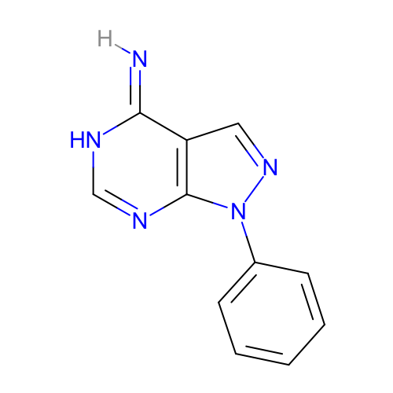 | SM11_micro001 | [H]/N=c\1/c2cnn(c2nc[nH]1)c3ccccc3 | deprecated
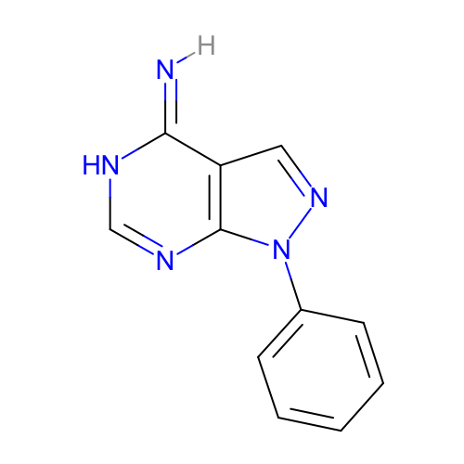 | SM11_micro002 | [H]/N=c/1\c2cnn(c2nc[nH]1)c3ccccc3 | deprecated
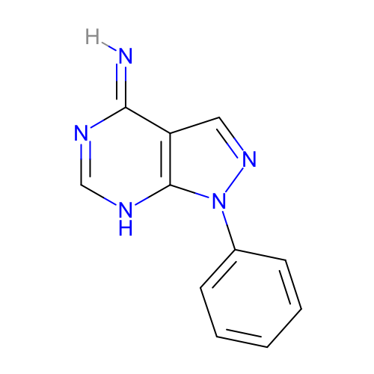 | SM11_micro003 | [H]/N=c\1/c2cnn(c2[nH]cn1)c3ccccc3 | deprecated
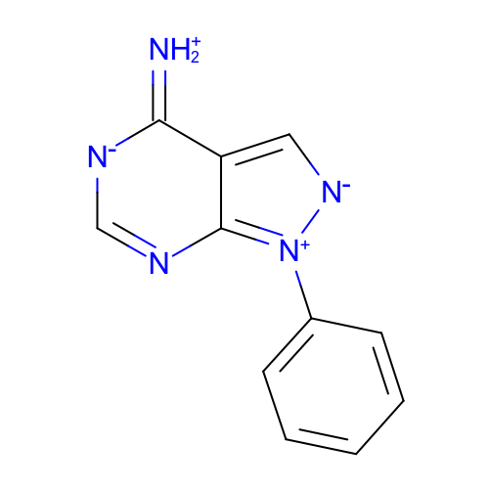 | SM11_micro004 | c1ccc(cc1)[n+]2c3c(c[n-]2)c(=[NH2+])[n-]cn3 | deprecated
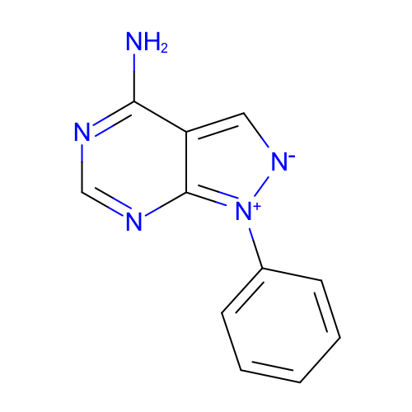 | SM11_micro005 | c1ccc(cc1)[n+]2c3c(c[n-]2)c(ncn3)N
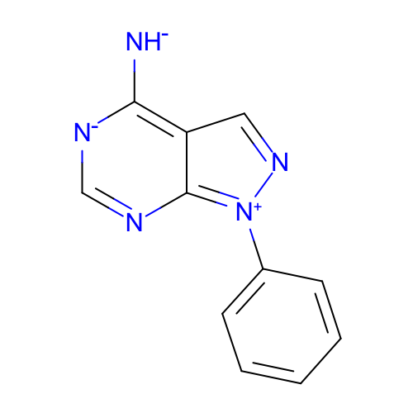 | SM11_micro006 | c1ccc(cc1)[n+]2c-3nc[n-]c(c3cn2)[NH-] | deprecated
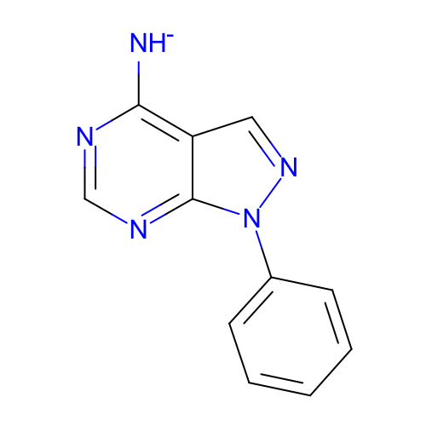 | SM11_micro007 | c1ccc(cc1)n2c3c(cn2)c(ncn3)[NH-]
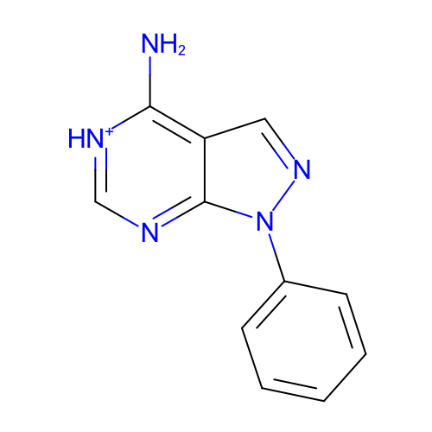 | SM11_micro008 | c1ccc(cc1)n2c3c(cn2)c([nH+]cn3)N
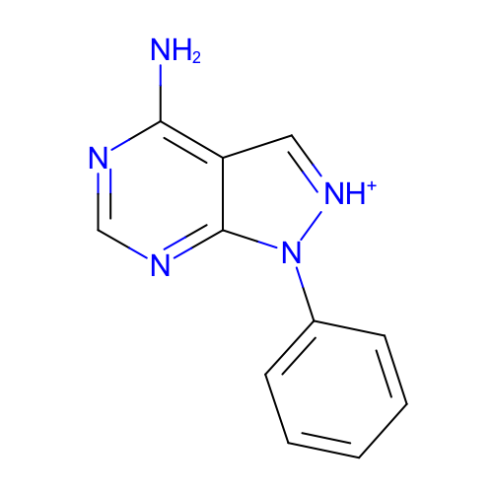 | SM11_micro009 | c1ccc(cc1)n2c3c(c[nH+]2)c(ncn3)N
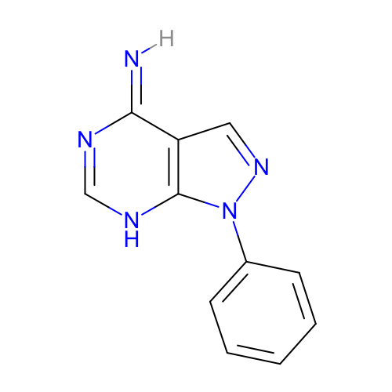 | SM11_micro010 | [H]/N=c/1\c2cnn(c2[nH]cn1)c3ccccc3 | deprecated
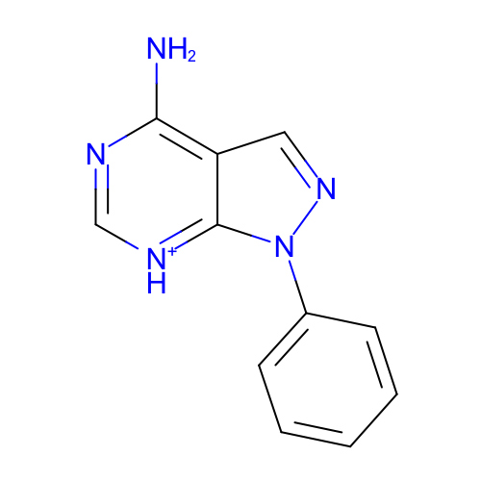 | SM11_micro011 | c1ccc(cc1)n2c3c(cn2)c(nc[nH+]3)N
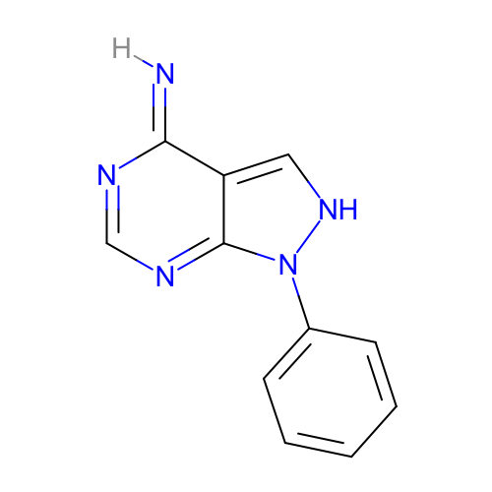 | SM11_micro012 | [H]/N=c\1/c-2c[nH]n(c2ncn1)c3ccccc3 | deprecated
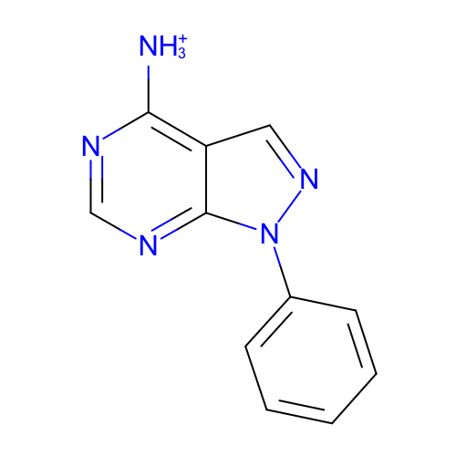 | SM11_micro013 | c1ccc(cc1)n2c3c(cn2)c(ncn3)[NH3+]
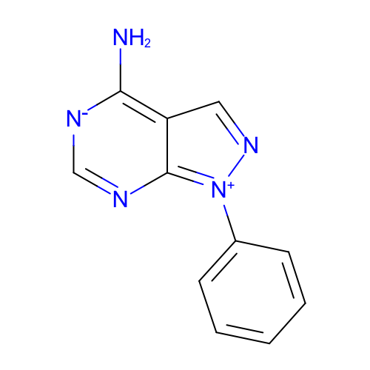 | SM11_micro014 | c1ccc(cc1)[n+]2c-3nc[n-]c(c3cn2)N | deprecated
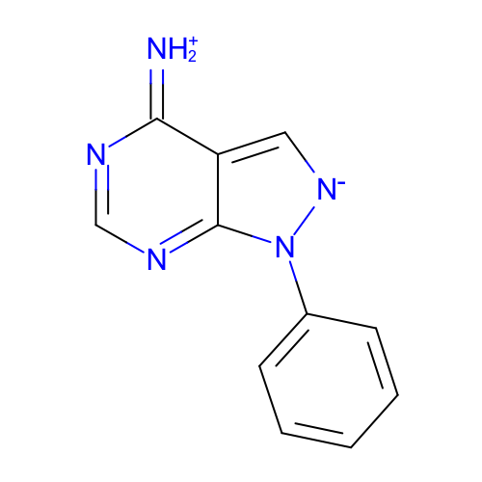 | SM11_micro015 | c1ccc(cc1)n2c-3ncnc(=[NH2+])c3c[n-]2 | deprecated
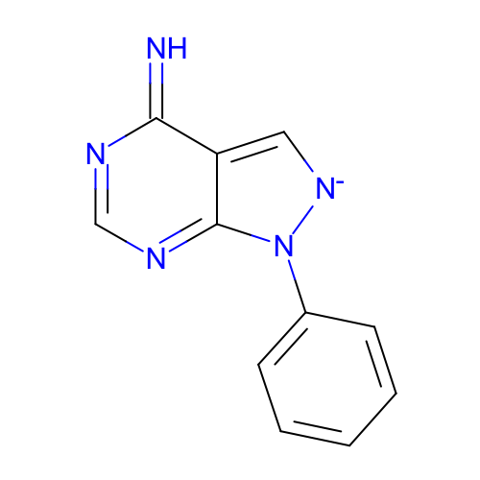 | SM11_micro016 | c1ccc(cc1)n2c-3ncnc(=N)c3c[n-]2 | deprecated
 | SM11_micro017 | [NH3+]C1=NC=[NH+]C2=C1C=NN2c3ccccc3 | added
 | SM11_micro018 | [H]NC1=[NH+]C=[NH+]C2=C1C=NN2c3ccccc3 | added
 | SM11_micro019 | [NH3+]C1=[NH+]C=NC2=C1C=NN2c3ccccc3 | added
 | SM11_micro020 | NC1=[NH+]C=[NH+]C2=C1C=NN2c3ccccc3 | added
 | SM11_micro021 | NC1=NC=[NH+]C2=C1C=[NH+]N2c3ccccc3 | added
 | SM11_micro022 | [NH3+]C1=NC=NC2=C1C=[NH+]N2c3ccccc3 | added
 | SM11_micro023 | [NH3+]C1=[NH+]C=NC2=C1C=[NH+]N2c3ccccc3 | added
 | SM11_micro024 | [NH3+]C1=NC=[NH+]C2=C1C=[NH+]N2c3ccccc3 | added
 | SM11_micro025 | NC1=[NH+]C=[NH+]C2=C1C=[NH+]N2c3ccccc3 | added
 | SM11_micro026 | [NH3+]C1=[NH+]C=[NH+]C2=C1C=NN2c3ccccc3 | added
 | SM11_micro027 | [NH3+]C1=[NH+]C=[NH+]C2=C1C=[NH+]N2c3ccccc3 | added
 | SM11_micro028 | N=c1[nH]cnc2c1C=NN2c3ccccc3 | added
 | SM11_micro029 | N=c1nc[nH]c2c1C=NN2c3ccccc3 | added
 | SM11_micro030 | N=C1C2=CNN(c3ccccc3)C2=NC=N1 | added

