Sheet1
SM12_microstate_IDs_with_2D_depiction.csv
Molecule | microstate ID | canonical isomeric SMILES | correction
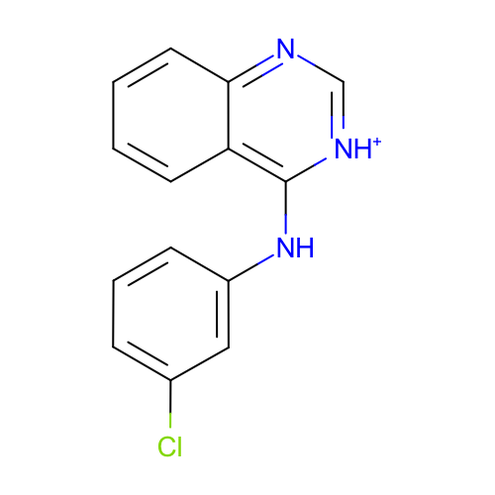 | SM12_micro001 | c1ccc2c(c1)c([nH+]cn2)Nc3cccc(c3)Cl
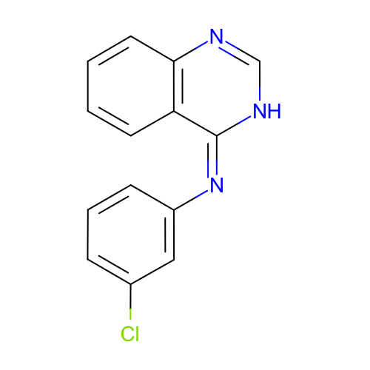 | SM12_micro002 | c1ccc2c(c1)/c(=N\c3cccc(c3)Cl)/[nH]cn2
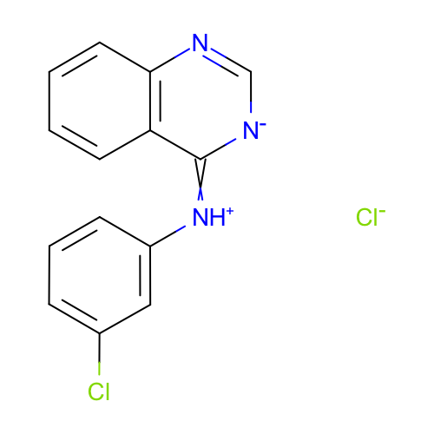 | SM12_micro003 | c1ccc2c(c1)c(=[NH+]c3cccc(c3)Cl)[n-]cn2.[Cl-] | deprecated
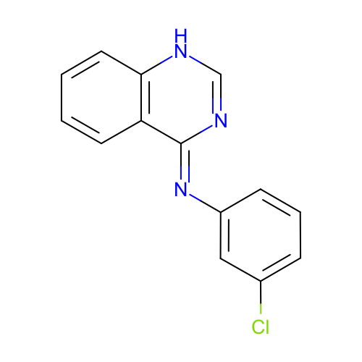 | SM12_micro004 | c1ccc2c(c1)/c(=N/c3cccc(c3)Cl)/nc[nH]2 | deprecated
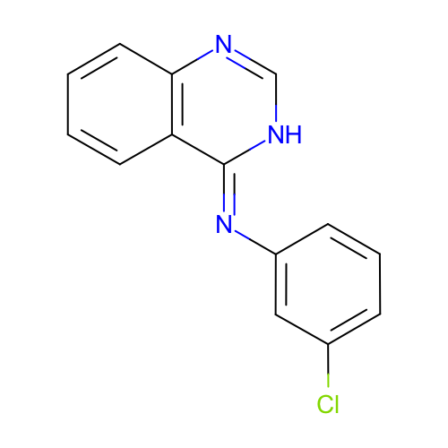 | SM12_micro005 | c1ccc2c(c1)/c(=N/c3cccc(c3)Cl)/[nH]cn2 | deprecated
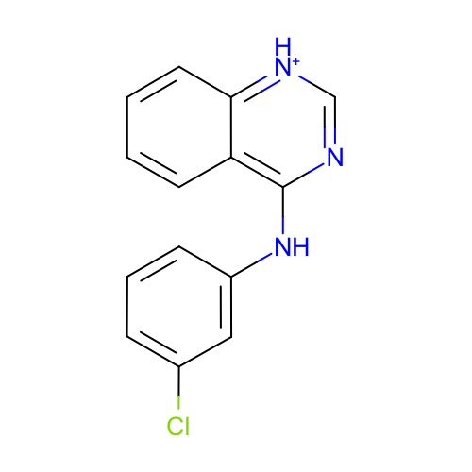 | SM12_micro006 | c1ccc2c(c1)c(nc[nH+]2)Nc3cccc(c3)Cl
 | SM12_micro007 | c1ccc2c(c1)c(ncn2)Nc3cccc(c3)Cl.[Cl-] | deprecated
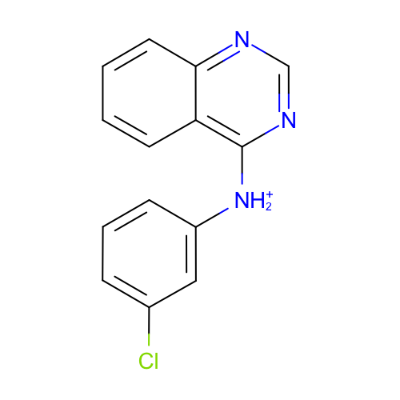 | SM12_micro008 | c1ccc2c(c1)c(ncn2)[NH2+]c3cccc(c3)Cl
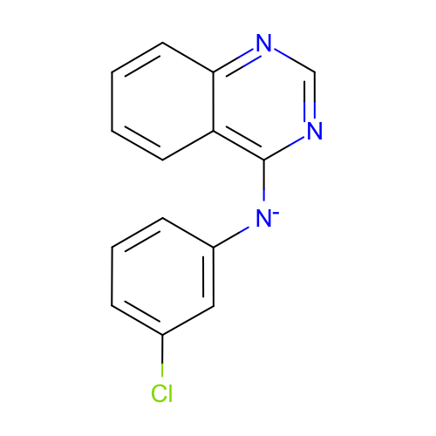 | SM12_micro009 | c1ccc2c(c1)c(ncn2)[N-]c3cccc(c3)Cl
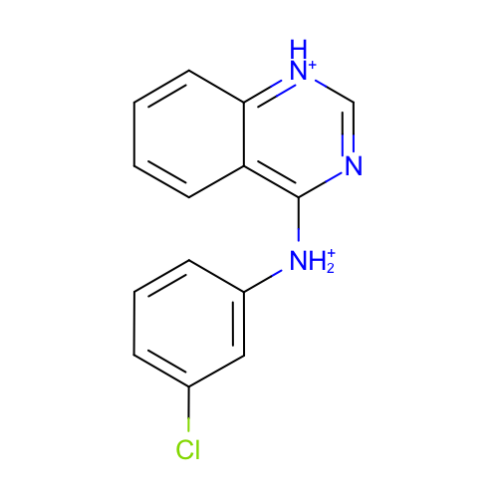 | SM12_micro010 | c1ccc2c(c1)c(nc[nH+]2)[NH2+]c3cccc(c3)Cl
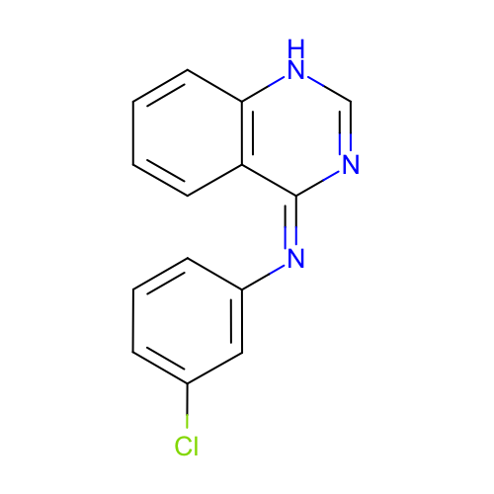 | SM12_micro011 | c1ccc2c(c1)/c(=N\c3cccc(c3)Cl)/nc[nH]2
 | SM12_micro012 | c1ccc2c(c1)c(ncn2)Nc3cccc(c3)Cl
 | SM12_micro013 | Clc1cc(Nc2[nH+]c[nH+]c3c2cccc3)ccc1 | added
 | SM12_micro014 | Clc1cc([NH2+]c2[nH+]cnc3c2cccc3)ccc1 | added
 | SM12_micro015 | Clc1cc([NH2+]c2[nH+]c[nH+]c3c2cccc3)ccc1 | added

