Sheet1
SM18_microstate_IDs_with_2D_depiction.csv
Molecule | microstate ID | canonical isomeric SMILES | correction
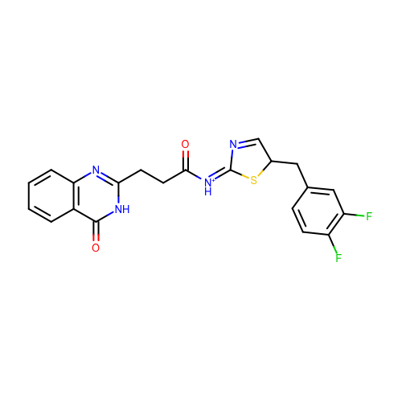 | SM18_micro001 | c1ccc2c(c1)c(=O)[nH]c(n2)CCC(=O)/[NH+]=C/3\N=CC(S3)Cc4ccc(c(c4)F)F
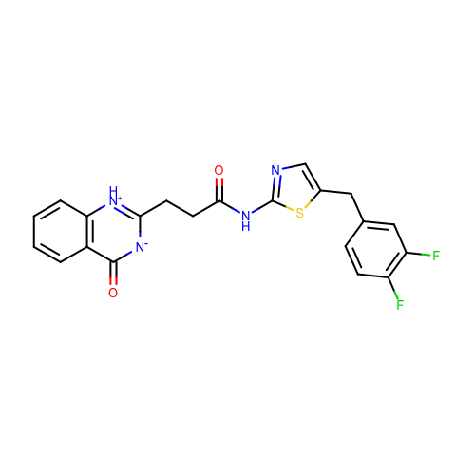 | SM18_micro002 | c1ccc2c(c1)c(=O)[n-]c([nH+]2)CCC(=O)Nc3ncc(s3)Cc4ccc(c(c4)F)F
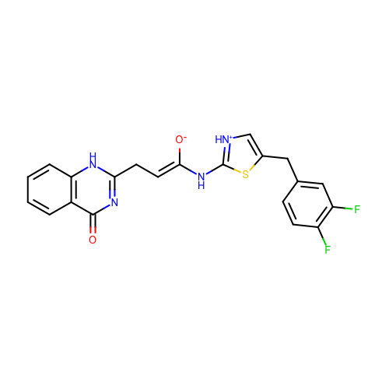 | SM18_micro003 | c1ccc2c(c1)c(=O)nc([nH]2)C/C=C(/Nc3[nH+]cc(s3)Cc4ccc(c(c4)F)F)\[O-]
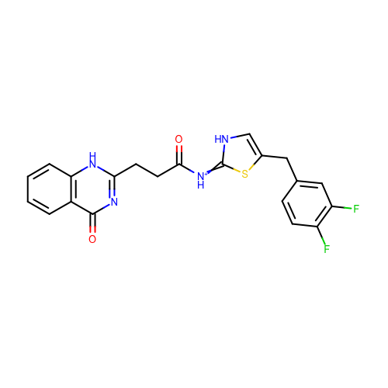 | SM18_micro004 | c1ccc2c(c1)c(=O)nc([nH]2)CCC(=O)[NH+]=c3[nH]cc(s3)Cc4ccc(c(c4)F)F
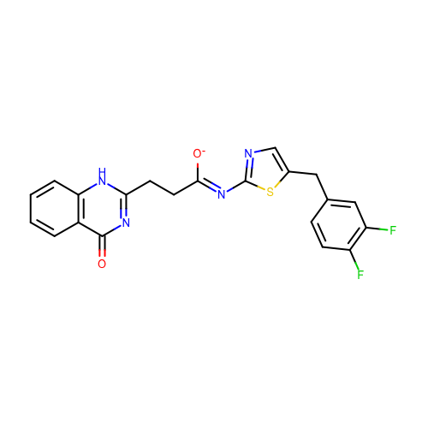 | SM18_micro005 | c1ccc2c(c1)c(=O)nc([nH]2)CC/C(=N/c3ncc(s3)Cc4ccc(c(c4)F)F)/[O-]
 | SM18_micro006 | c1ccc2c(c1)c(=O)[n-]c([nH+]2)CCC(=O)[NH+]=c3[nH]cc(s3)Cc4ccc(c(c4)F)F
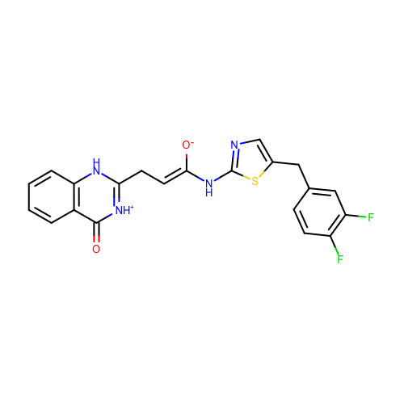 | SM18_micro007 | c1ccc2c(c1)c(=O)[nH+]c([nH]2)C/C=C(/Nc3ncc(s3)Cc4ccc(c(c4)F)F)\[O-]
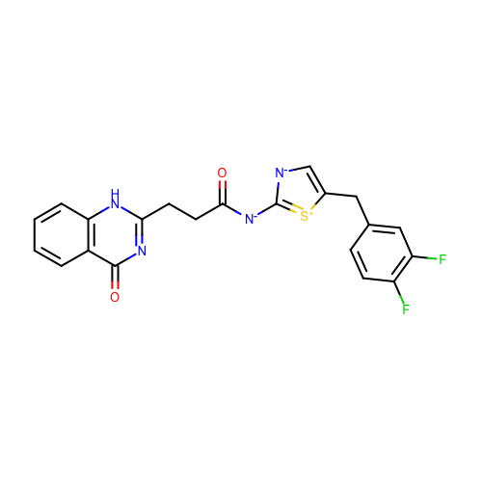 | SM18_micro008 | c1ccc2c(c1)c(=O)nc([nH]2)CCC(=O)[N-]c3[n-]cc([s+]3)Cc4ccc(c(c4)F)F
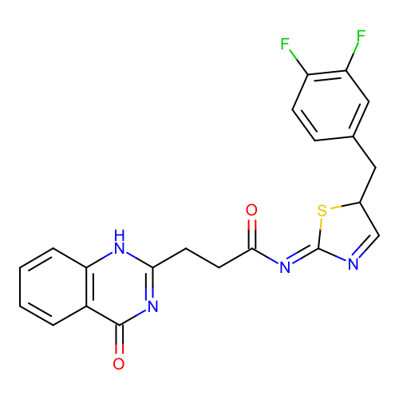 | SM18_micro009 | c1ccc2c(c1)c(=O)nc([nH]2)CCC(=O)/N=C\3/N=CC(S3)Cc4ccc(c(c4)F)F
 | SM18_micro010 | c1ccc2c(c1)c(=O)nc([nH]2)CCC(=O)/N=C/3\[NH+]=CC(S3)Cc4ccc(c(c4)F)F
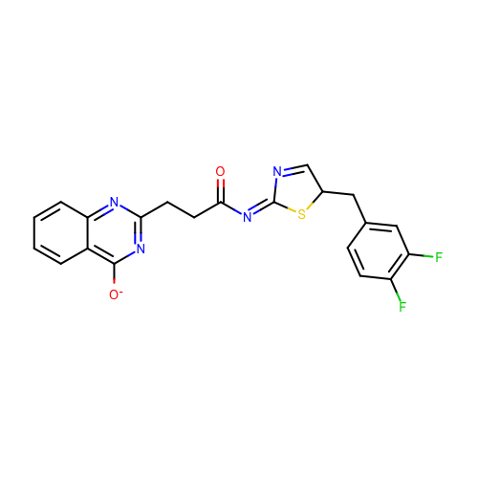 | SM18_micro011 | c1ccc2c(c1)c(nc(n2)CCC(=O)/N=C/3\N=CC(S3)Cc4ccc(c(c4)F)F)[O-]
 | SM18_micro012 | c1ccc2c(c1)c(nc([nH+]2)CCC(=O)Nc3ncc(s3)Cc4ccc(c(c4)F)F)[O-] | deprecated
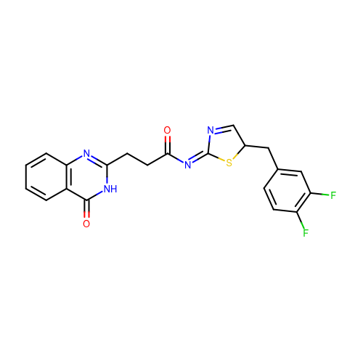 | SM18_micro013 | c1ccc2c(c1)c(=O)[nH]c(n2)CCC(=O)/N=C/3\N=CC(S3)Cc4ccc(c(c4)F)F
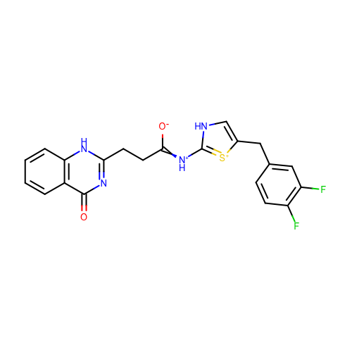 | SM18_micro014 | c1ccc2c(c1)c(=O)nc([nH]2)CCC(=[NH+]c3[nH]cc([s+]3)Cc4ccc(c(c4)F)F)[O-]
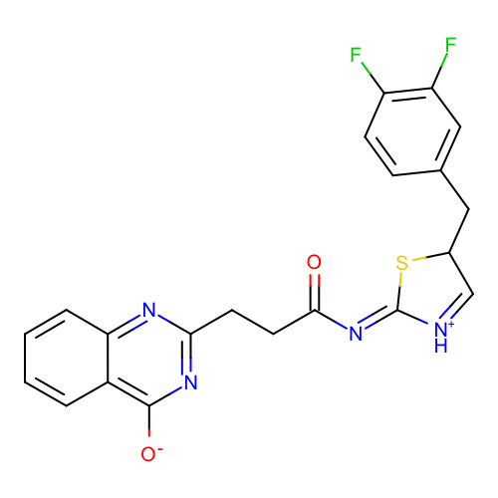 | SM18_micro015 | c1ccc2c(c1)c(nc(n2)CCC(=O)/N=C\3/[NH+]=CC(S3)Cc4ccc(c(c4)F)F)[O-]
 | SM18_micro016 | c1ccc2c(c1)c(=O)[nH]c(n2)CCC(=O)Nc3ncc(s3)Cc4ccc(c(c4)F)F
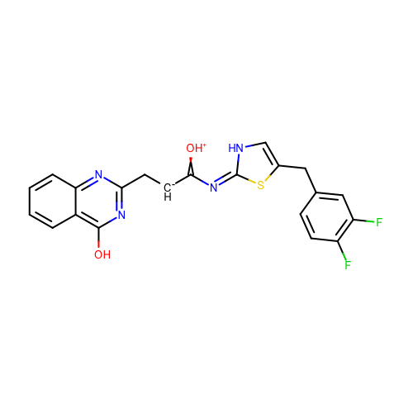 | SM18_micro017 | c1ccc2c(c1)c(nc(n2)C[CH-]C(=[OH+])/N=c/3\[nH]cc(s3)Cc4ccc(c(c4)F)F)O
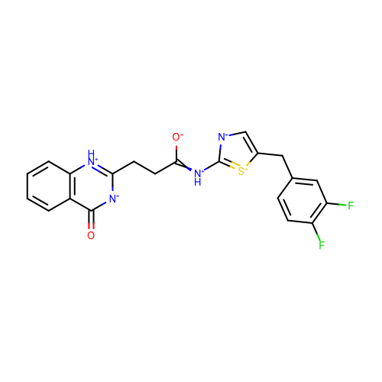 | SM18_micro018 | c1ccc2c(c1)c(=O)[n-]c([nH+]2)CCC(=[NH+]c3[n-]cc([s+]3)Cc4ccc(c(c4)F)F)[O-]
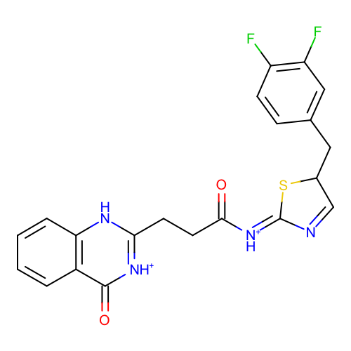 | SM18_micro019 | c1ccc2c(c1)c(=O)[nH+]c([nH]2)CCC(=O)/[NH+]=C\3/N=CC(S3)Cc4ccc(c(c4)F)F
 | SM18_micro020 | c1ccc2c(c1)c(=O)nc([nH]2)C/C=C(/Nc3ncc(s3)Cc4ccc(c(c4)F)F)\[O-]
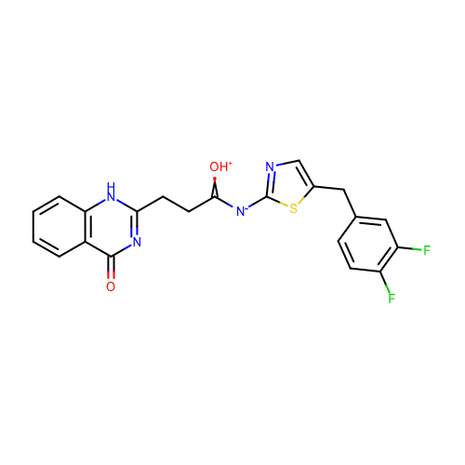 | SM18_micro021 | c1ccc2c(c1)c(=O)nc([nH]2)CCC(=[OH+])[N-]c3ncc(s3)Cc4ccc(c(c4)F)F
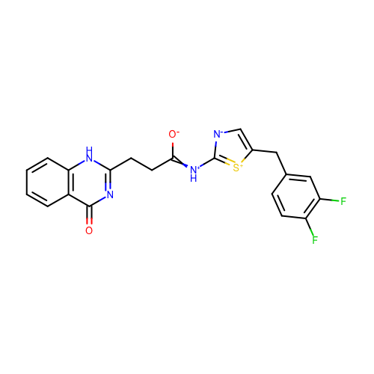 | SM18_micro022 | c1ccc2c(c1)c(=O)nc([nH]2)CCC(=[NH+]c3[n-]cc([s+]3)Cc4ccc(c(c4)F)F)[O-]
 | SM18_micro023 | c1ccc2c(c1)c(nc([nH+]2)CCC(=O)[N-]c3ncc(s3)Cc4ccc(c(c4)F)F)[O-]
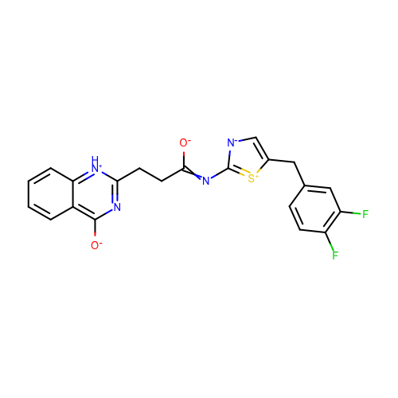 | SM18_micro024 | c1ccc2c(c1)c(nc([nH+]2)CCC(=Nc3[n-]cc([s+]3)Cc4ccc(c(c4)F)F)[O-])[O-]
 | SM18_micro025 | c1ccc2c(c1)c(=O)nc([nH]2)CCC(=O)/N=c/3\[nH]cc(s3)Cc4ccc(c(c4)F)F
 | SM18_micro026 | c1ccc2c(c1)c(=O)[nH+]c([nH]2)CCC(=O)Nc3[nH+]cc(s3)Cc4ccc(c(c4)F)F
 | SM18_micro027 | c1ccc2c(c1)c(=O)nc([nH]2)CCC(=O)/N=c\3/[nH]cc(s3)Cc4ccc(c(c4)F)F
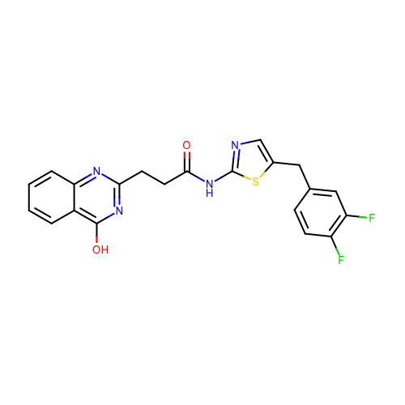 | SM18_micro028 | c1ccc2c(c1)c(nc(n2)CCC(=O)Nc3ncc(s3)Cc4ccc(c(c4)F)F)O
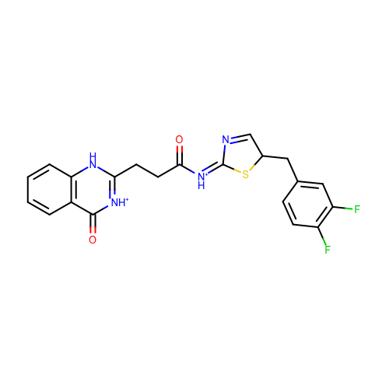 | SM18_micro029 | c1ccc2c(c1)c(=O)[nH+]c([nH]2)CCC(=O)/[NH+]=C/3\N=CC(S3)Cc4ccc(c(c4)F)F
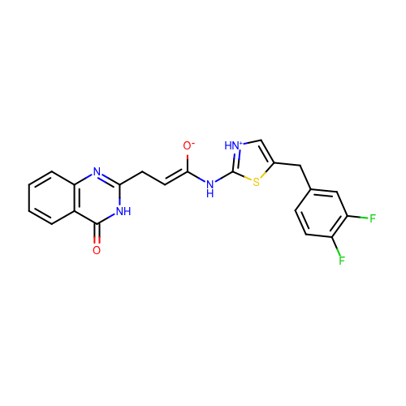 | SM18_micro030 | c1ccc2c(c1)c(=O)[nH]c(n2)C/C=C(/Nc3[nH+]cc(s3)Cc4ccc(c(c4)F)F)\[O-]
 | SM18_micro031 | c1ccc2c(c1)c(=[OH+])nc([nH]2)CCC(=O)Nc3ncc(s3)Cc4ccc(c(c4)F)F
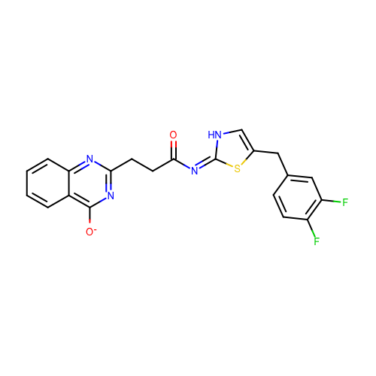 | SM18_micro032 | c1ccc2c(c1)c(nc(n2)CCC(=O)/N=c/3\[nH]cc(s3)Cc4ccc(c(c4)F)F)[O-]
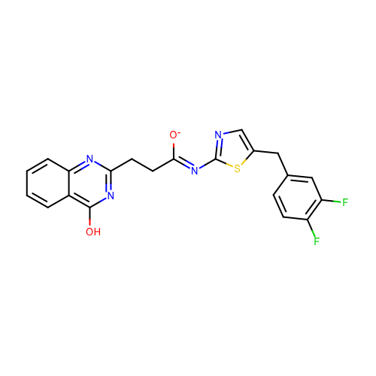 | SM18_micro033 | c1ccc2c(c1)c(nc(n2)CC/C(=N/c3ncc(s3)Cc4ccc(c(c4)F)F)/[O-])O
 | SM18_micro034 | c1ccc2c(c1)c(=O)[nH+]c([nH]2)CCC(=O)Nc3ncc(s3)Cc4ccc(c(c4)F)F
 | SM18_micro035 | c1ccc2c(c1)c(=O)nc([nH]2)CCC(=O)/N=C/3\N=CC(S3)Cc4ccc(c(c4)F)F
 | SM18_micro036 | c1ccc2c(c1)c(=O)nc([nH]2)CCC(=Nc3ncc(s3)Cc4ccc(c(c4)F)F)[O-]
 | SM18_micro037 | c1ccc2c(c1)c(=O)nc([nH]2)CCC(=O)/[NH+]=C/3\N=CC(S3)Cc4ccc(c(c4)F)F
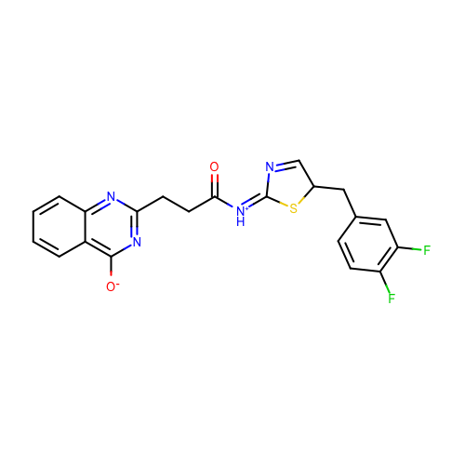 | SM18_micro038 | c1ccc2c(c1)c(nc(n2)CCC(=O)/[NH+]=C/3\N=CC(S3)Cc4ccc(c(c4)F)F)[O-]
 | SM18_micro039 | c1ccc2c(c1)c(nc(n2)CCC(=O)/N=C\3/N=CC(S3)Cc4ccc(c(c4)F)F)[O-]
 | SM18_micro040 | c1ccc2c(c1)c(nc(n2)CCC(=O)/N=c\3/[nH]cc(s3)Cc4ccc(c(c4)F)F)[O-]
 | SM18_micro041 | c1ccc2c(c1)c(=O)[nH]c(n2)CCC(=O)/[NH+]=C\3/N=CC(S3)Cc4ccc(c(c4)F)F
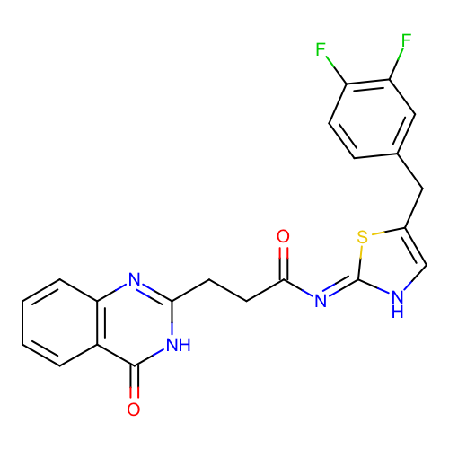 | SM18_micro042 | c1ccc2c(c1)c(=O)[nH]c(n2)CCC(=O)/N=c\3/[nH]cc(s3)Cc4ccc(c(c4)F)F
 | SM18_micro043 | c1ccc2c(c1)c(=O)[nH]c(n2)CCC(=O)/N=C\3/[NH+]=CC(S3)Cc4ccc(c(c4)F)F
 | SM18_micro044 | c1ccc2c(c1)c(=O)nc([nH]2)CCC(=O)/[NH+]=C\3/N=CC(S3)Cc4ccc(c(c4)F)F
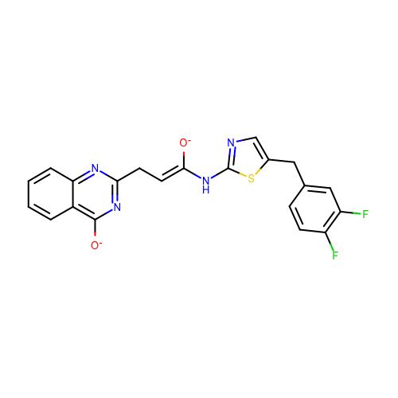 | SM18_micro045 | c1ccc2c(c1)c(nc(n2)C/C=C(/Nc3ncc(s3)Cc4ccc(c(c4)F)F)\[O-])[O-]
 | SM18_micro046 | c1ccc2c(c1)c(=O)[nH+]c([nH]2)CCC(=O)/N=c\3/[nH]cc(s3)Cc4ccc(c(c4)F)F
 | SM18_micro047 | c1ccc2c(c1)c(=O)[nH+]c([nH]2)CC/C(=N/c3ncc(s3)Cc4ccc(c(c4)F)F)/[O-]
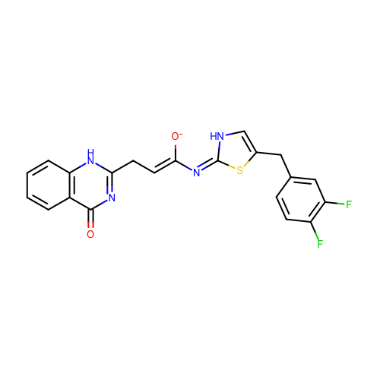 | SM18_micro048 | c1ccc2c(c1)c(=O)nc([nH]2)C/C=C(/N=c/3\[nH]cc(s3)Cc4ccc(c(c4)F)F)\[O-]
 | SM18_micro049 | c1ccc2c(c1)c(nc(n2)CC/C(=N/c3ncc(s3)Cc4ccc(c(c4)F)F)/[O-])[O-]
 | SM18_micro050 | c1ccc2c(c1)c(=O)[nH]c(n2)C/C=C(/Nc3ncc(s3)Cc4ccc(c(c4)F)F)\O
 | SM18_micro051 | c1ccc2c(c1)c(=O)[nH]c(n2)CCC(=O)/N=c/3\[nH]cc(s3)Cc4ccc(c(c4)F)F | deprecated
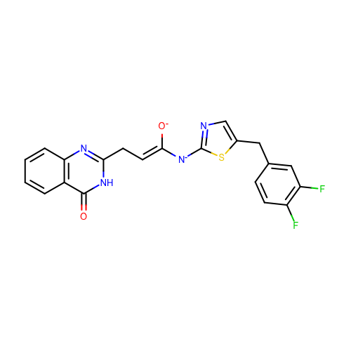 | SM18_micro052 | c1ccc2c(c1)c(=O)[nH]c(n2)C/C=C(/[N-]c3ncc(s3)Cc4ccc(c(c4)F)F)\[O-]
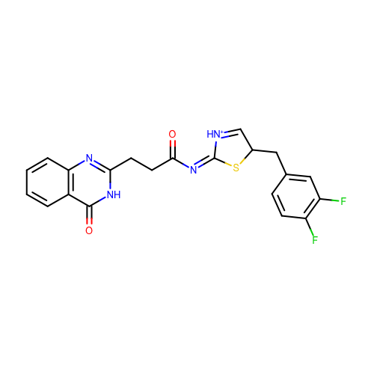 | SM18_micro053 | c1ccc2c(c1)c(=O)[nH]c(n2)CCC(=O)/N=C/3\[NH+]=CC(S3)Cc4ccc(c(c4)F)F
 | SM18_micro054 | c1ccc2c(c1)c(=O)nc([nH]2)CCC(=[OH+])Nc3ncc(s3)Cc4ccc(c(c4)F)F
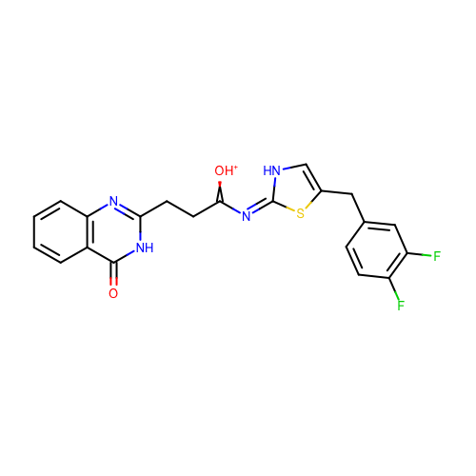 | SM18_micro055 | c1ccc2c(c1)c(=O)[nH]c(n2)CCC(=[OH+])/N=c/3\[nH]cc(s3)Cc4ccc(c(c4)F)F
 | SM18_micro056 | c1ccc2c(c1)c(=O)[nH]c(n2)CCC(=O)Nc3[nH+]cc(s3)Cc4ccc(c(c4)F)F
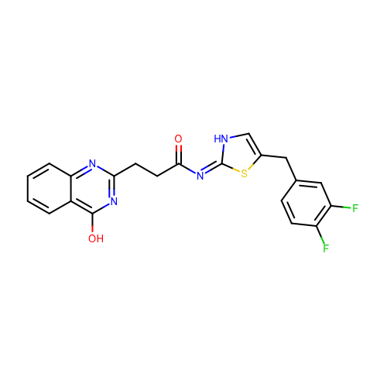 | SM18_micro057 | c1ccc2c(c1)c(nc(n2)CCC(=O)/N=c/3\[nH]cc(s3)Cc4ccc(c(c4)F)F)O
 | SM18_micro058 | c1ccc2c(c1)c(=O)[nH]c(n2)CCC(=[OH+])Nc3ncc(s3)Cc4ccc(c(c4)F)F
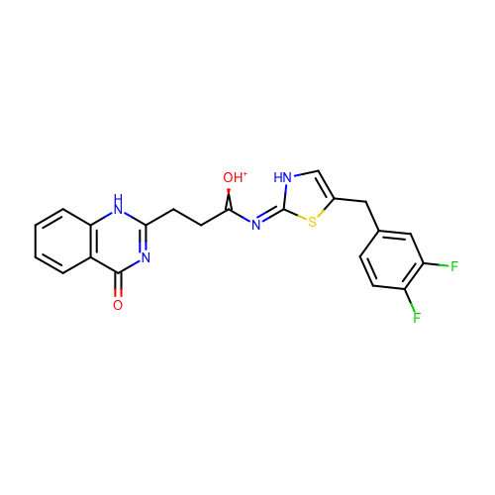 | SM18_micro059 | c1ccc2c(c1)c(=O)nc([nH]2)CCC(=[OH+])/N=c/3\[nH]cc(s3)Cc4ccc(c(c4)F)F
 | SM18_micro060 | c1ccc2c(c1)c(nc(n2)CCC(=[OH+])Nc3ncc(s3)Cc4ccc(c(c4)F)F)[O-]
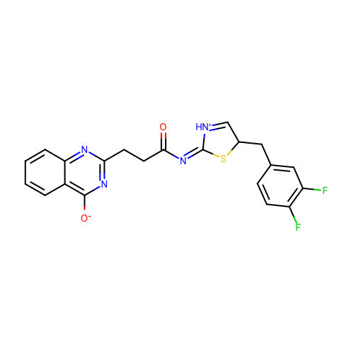 | SM18_micro061 | c1ccc2c(c1)c(nc(n2)CCC(=O)/N=C/3\[NH+]=CC(S3)Cc4ccc(c(c4)F)F)[O-]
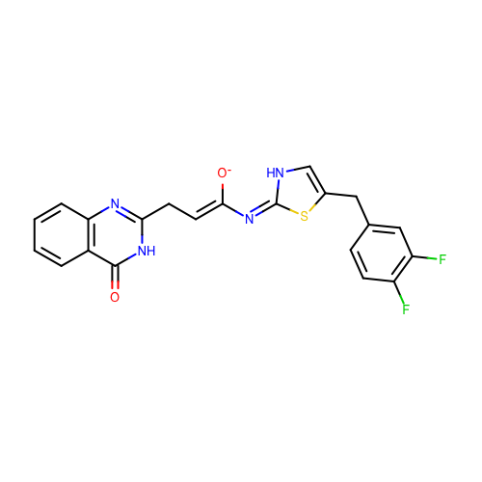 | SM18_micro062 | c1ccc2c(c1)c(=O)[nH]c(n2)C/C=C(/N=c/3\[nH]cc(s3)Cc4ccc(c(c4)F)F)\[O-]
 | SM18_micro063 | c1ccc2c(c1)c(=O)[nH+]c([nH]2)CCC(=O)/N=c/3\[nH]cc(s3)Cc4ccc(c(c4)F)F
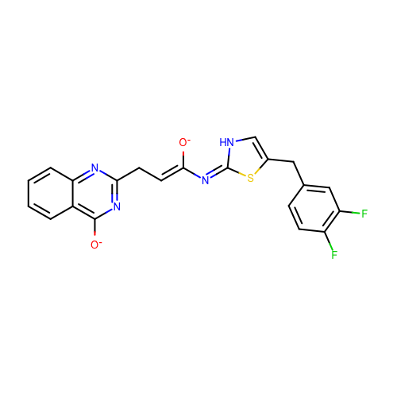 | SM18_micro064 | c1ccc2c(c1)c(nc(n2)C/C=C(/N=c/3\[nH]cc(s3)Cc4ccc(c(c4)F)F)\[O-])[O-]
 | SM18_micro065 | c1ccc2c(c1)c(=O)[nH]c(n2)CC/C(=N/c3ncc(s3)Cc4ccc(c(c4)F)F)/[O-]
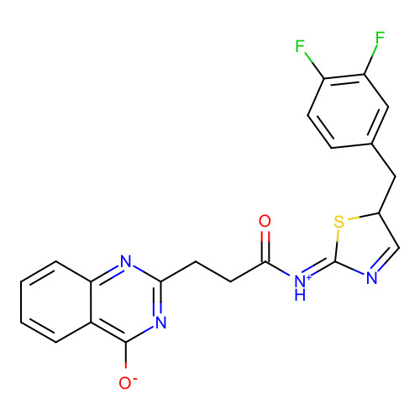 | SM18_micro066 | c1ccc2c(c1)c(nc(n2)CCC(=O)/[NH+]=C\3/N=CC(S3)Cc4ccc(c(c4)F)F)[O-]
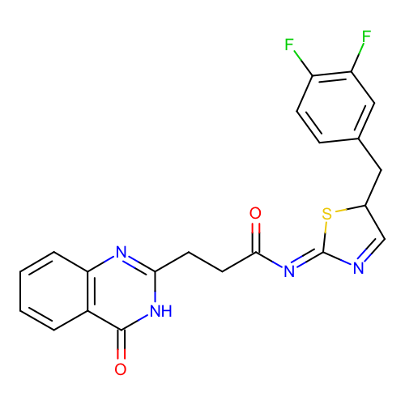 | SM18_micro067 | c1ccc2c(c1)c(=O)[nH]c(n2)CCC(=O)/N=C\3/N=CC(S3)Cc4ccc(c(c4)F)F
 | SM18_micro068 | c1ccc2c(c1)c(=O)[nH+]c([nH]2)C/C=C(/N=c/3\[nH]cc(s3)Cc4ccc(c(c4)F)F)\[O-]
 | SM18_micro069 | c1ccc2c(c1)c(nc(n2)CCC(=O)Nc3[nH+]cc(s3)Cc4ccc(c(c4)F)F)[O-]
 | SM18_micro070 | c1ccc2c(c1)c(=O)[nH]c(n2)C/C=C(/Nc3ncc(s3)Cc4ccc(c(c4)F)F)\[O-]
 | SM18_micro071 | c1ccc2c(c1)c(nc(n2)CCC(=O)Nc3ncc(s3)Cc4ccc(c(c4)F)F)[O-]
 | SM18_micro072 | c1ccc2c(c1)c(=O)[nH]c(n2)CCC(=[OH+])[N-]c3ncc(s3)Cc4ccc(c(c4)F)F
 | SM18_micro073 | c1ccc2c(c1)c(=O)nc([nH]2)CCC(=O)/N=C\3/[NH+]=CC(S3)Cc4ccc(c(c4)F)F
 | SM18_micro074 | c1ccc2c(c1)c(=[OH+])[nH]c(n2)CCC(=O)Nc3ncc(s3)Cc4ccc(c(c4)F)F

