Sheet1
SM19_microstate_IDs_with_2D_depiction.csv
Molecule | microstate ID | canonical isomeric SMILES | correction
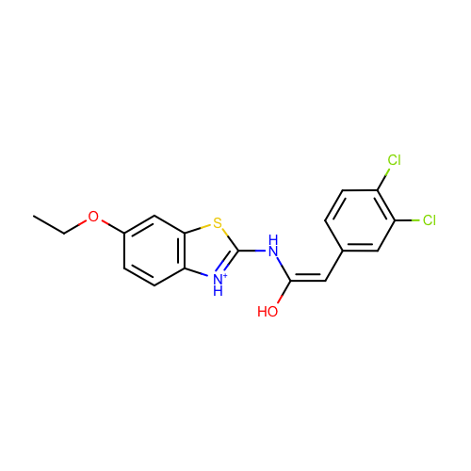 | SM19_micro001 | CCOc1ccc2c(c1)sc([nH+]2)N/C(=C\c3ccc(c(c3)Cl)Cl)/O
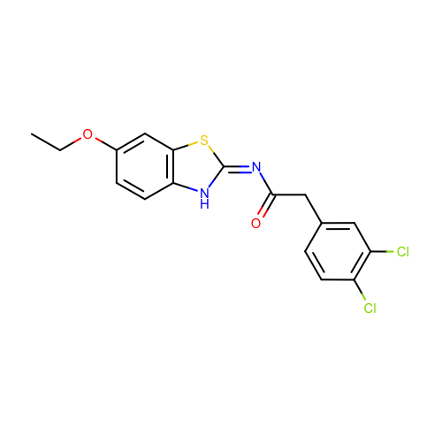 | SM19_micro002 | CCOc1ccc2c(c1)s/c(=N/C(=O)Cc3ccc(c(c3)Cl)Cl)/[nH]2
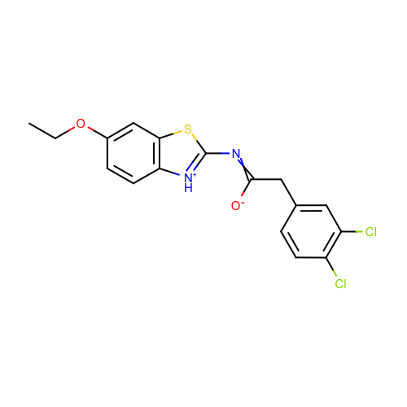 | SM19_micro003 | CCOc1ccc2c(c1)sc([nH+]2)N=C(Cc3ccc(c(c3)Cl)Cl)[O-] | deprecated
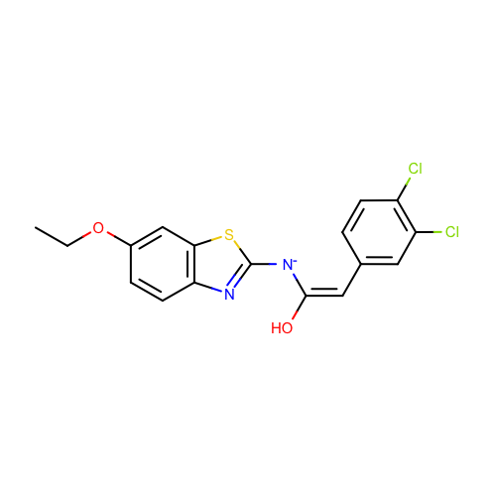 | SM19_micro004 | CCOc1ccc2c(c1)sc(n2)[N-]/C(=C\c3ccc(c(c3)Cl)Cl)/O
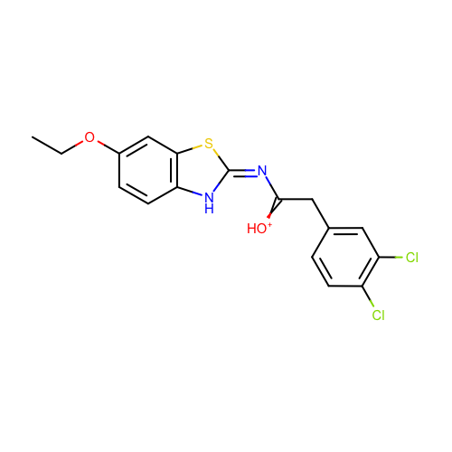 | SM19_micro005 | CCOc1ccc2c(c1)s/c(=N/C(=[OH+])Cc3ccc(c(c3)Cl)Cl)/[nH]2
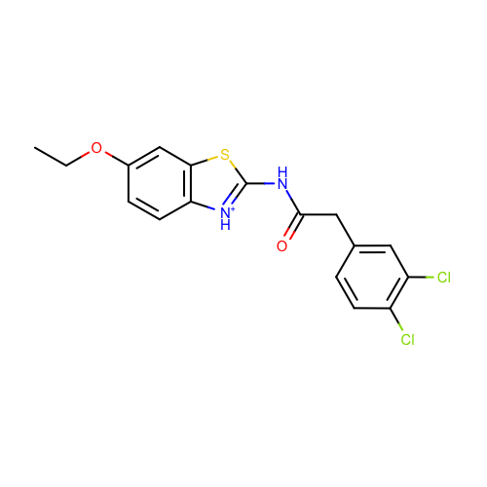 | SM19_micro006 | CCOc1ccc2c(c1)sc([nH+]2)NC(=O)Cc3ccc(c(c3)Cl)Cl
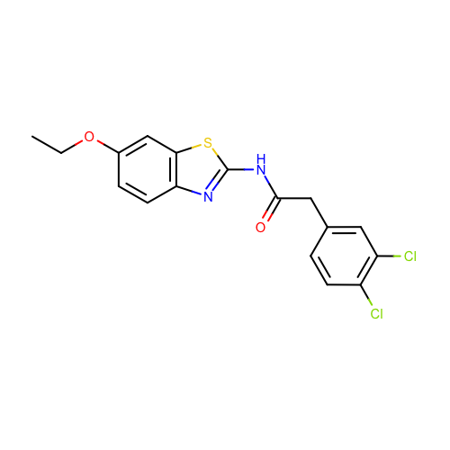 | SM19_micro007 | CCOc1ccc2c(c1)sc(n2)NC(=O)Cc3ccc(c(c3)Cl)Cl
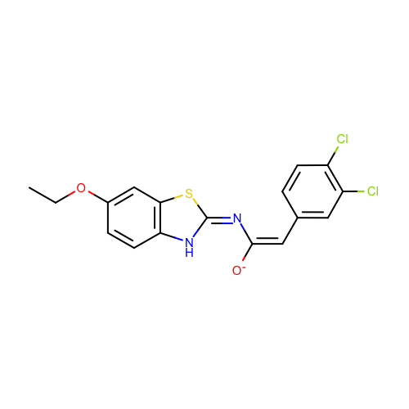 | SM19_micro008 | CCOc1ccc2c(c1)s/c(=N/C(=C\c3ccc(c(c3)Cl)Cl)/[O-])/[nH]2
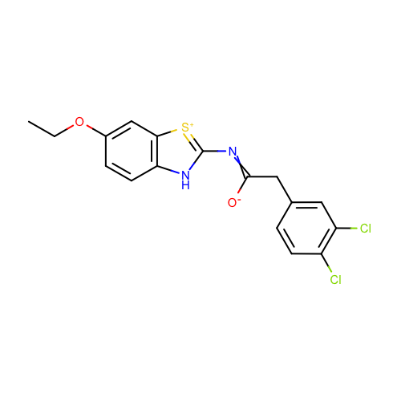 | SM19_micro009 | CCOc1ccc2c(c1)[s+]c([nH]2)N=C(Cc3ccc(c(c3)Cl)Cl)[O-] | deprecated
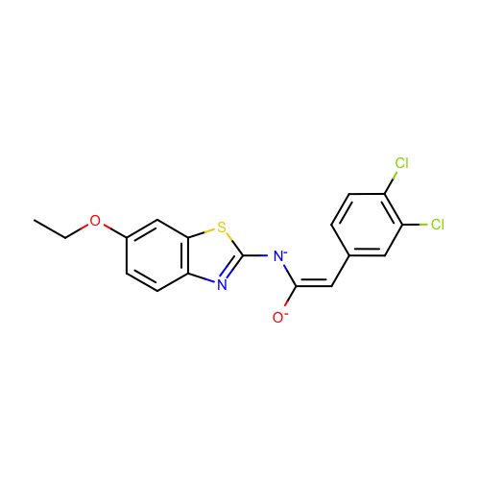 | SM19_micro010 | CCOc1ccc2c(c1)sc(n2)[N-]/C(=C\c3ccc(c(c3)Cl)Cl)/[O-]
 | SM19_micro011 | CCOc1ccc2c(c1)sc(n2)NC(=[OH+])[CH-]c3ccc(c(c3)Cl)Cl | deprecated
 | SM19_micro012 | CCOc1ccc2c(c1)sc(n2)/N=C(/Cc3ccc(c(c3)Cl)Cl)\[O-]
 | SM19_micro013 | CCOc1ccc2c(c1)sc(n2)N/C(=C\c3ccc(c(c3)Cl)Cl)/[O-]
 | SM19_micro014 | CCOc1ccc2c(c1)sc(n2)N/C(=C\c3ccc(c(c3)Cl)Cl)/O
 | SM19_micro015 | CCOc1ccc2c(c1)sc([nH+]2)N/C(=C\c3ccc(c(c3)Cl)Cl)/[O-]
 | SM19_micro016 | CCOc1ccc2c(c1)s/c(=N/C(=[OH+])[CH-]c3ccc(c(c3)Cl)Cl)/[nH]2
 | SM19_micro017 | CCOc1ccc2c(c1)sc(n2)[N-]C(=[OH+])[CH-]c3ccc(c(c3)Cl)Cl | deprecated
 | SM19_micro018 | CCOc1ccc2c(c1)sc(n2)[N-]C(=[OH+])Cc3ccc(c(c3)Cl)Cl
 | SM19_micro019 | CCOc1ccc2c(c1)sc(n2)NC(=[OH+])Cc3ccc(c(c3)Cl)Cl

