Sheet1
Microstate List
Molecule | microstate ID | canonical isomeric SMILES
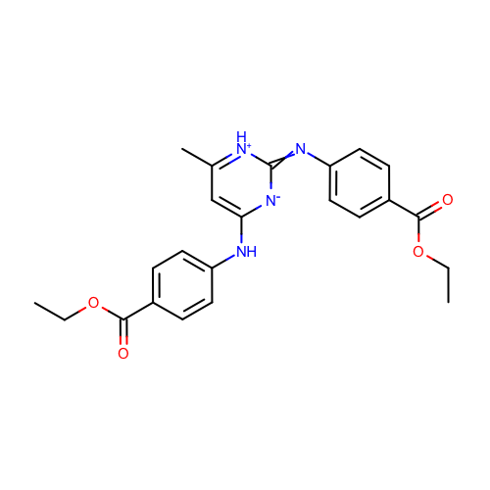 | SM23_micro001 | CCOC(=O)c1ccc(cc1)Nc2cc([nH+]c(=Nc3ccc(cc3)C(=O)OCC)[n-]2)C
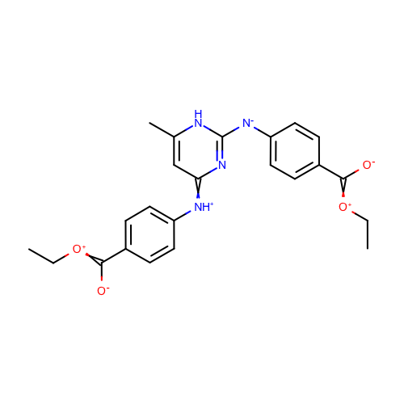 | SM23_micro003 | CC[O+]=C(c1ccc(cc1)[NH+]=c2cc([nH]c(n2)[N-]c3ccc(cc3)C(=[O+]CC)[O-])C)[O-]
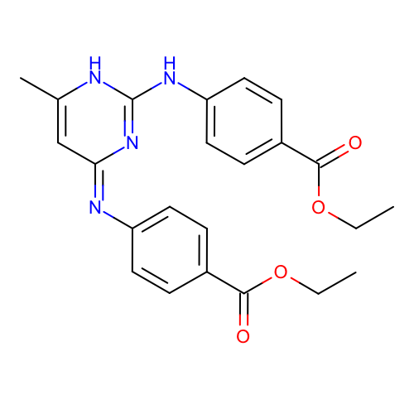 | SM23_micro004 | CCOC(=O)c1ccc(cc1)Nc2[nH]c(c/c(=N/c3ccc(cc3)C(=O)OCC)/n2)C
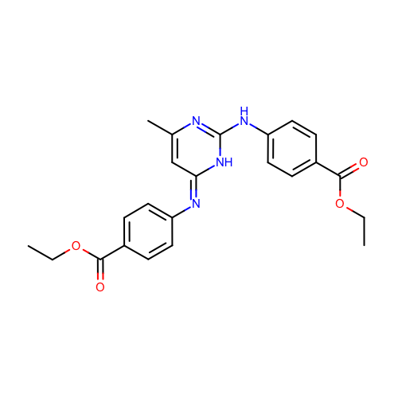 | SM23_micro005 | CCOC(=O)c1ccc(cc1)Nc2[nH]/c(=N/c3ccc(cc3)C(=O)OCC)/cc(n2)C
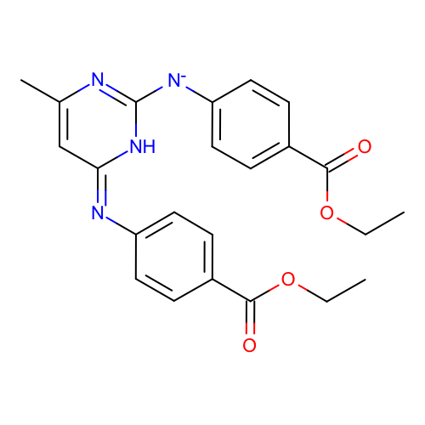 | SM23_micro006 | CCOC(=O)c1ccc(cc1)[N-]c2[nH]/c(=N\c3ccc(cc3)C(=O)OCC)/cc(n2)C
 | SM23_micro007 | CCOC(=O)c1ccc(cc1)Nc2[nH]c(cc(=[NH+]c3ccc(cc3)C(=O)OCC)n2)C
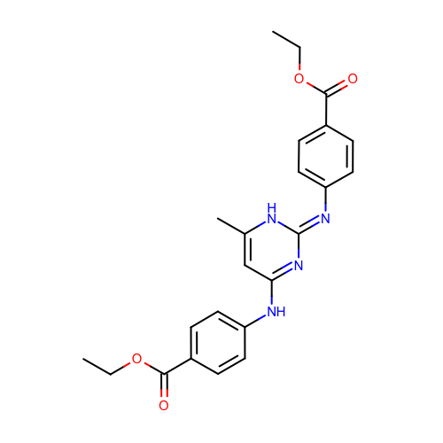 | SM23_micro008 | CCOC(=O)c1ccc(cc1)Nc2cc([nH]/c(=N\c3ccc(cc3)C(=O)OCC)/n2)C
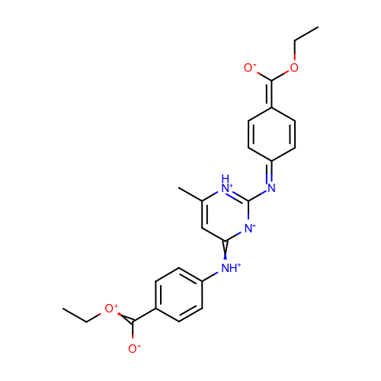 | SM23_micro009 | CCOC(=C1C=CC(=Nc2[nH+]c(cc(=[NH+]c3ccc(cc3)C(=[O+]CC)[O-])[n-]2)C)C=C1)[O-]
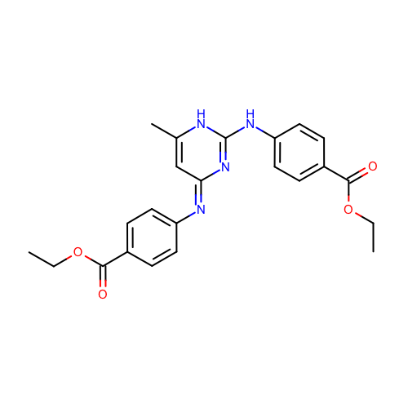 | SM23_micro011 | CCOC(=O)c1ccc(cc1)Nc2[nH]c(c/c(=N\c3ccc(cc3)C(=O)OCC)/n2)C
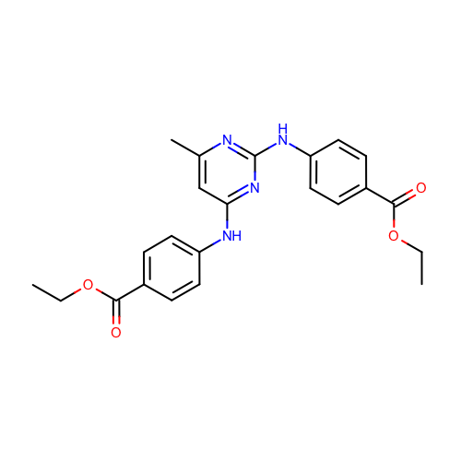 | SM23_micro012 | CCOC(=O)c1ccc(cc1)Nc2cc(nc(n2)Nc3ccc(cc3)C(=O)OCC)C
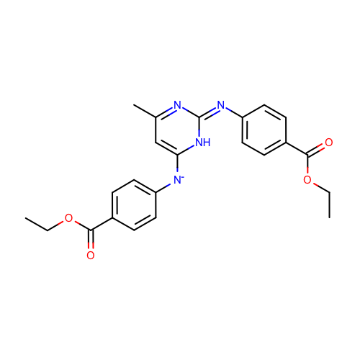 | SM23_micro014 | CCOC(=O)c1ccc(cc1)[N-]c2cc(n/c(=N/c3ccc(cc3)C(=O)OCC)/[nH]2)C
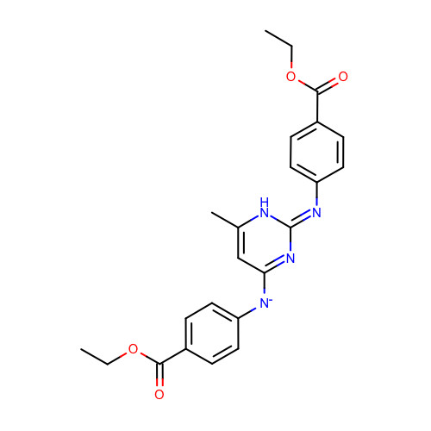 | SM23_micro015 | CCOC(=O)c1ccc(cc1)[N-]c2cc([nH]/c(=N\c3ccc(cc3)C(=O)OCC)/n2)C
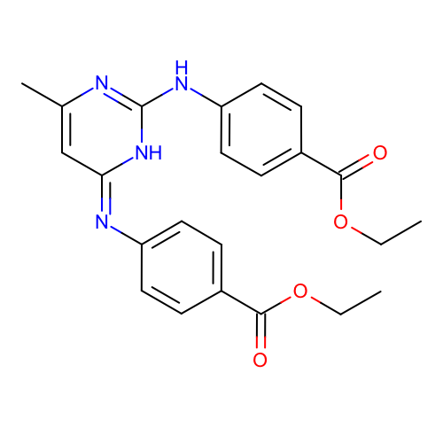 | SM23_micro016 | CCOC(=O)c1ccc(cc1)Nc2[nH]/c(=N\c3ccc(cc3)C(=O)OCC)/cc(n2)C
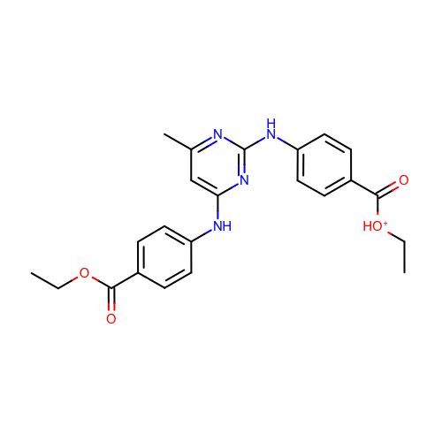 | SM23_micro019 | CC[OH+]C(=O)c1ccc(cc1)Nc2nc(cc(n2)Nc3ccc(cc3)C(=O)OCC)C
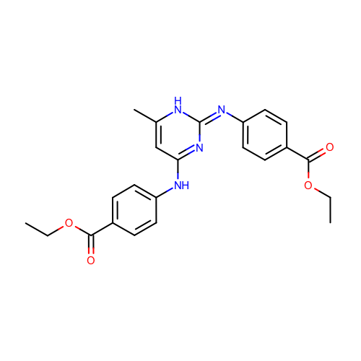 | SM23_micro020 | CCOC(=O)c1ccc(cc1)Nc2cc([nH]/c(=N/c3ccc(cc3)C(=O)OCC)/n2)C
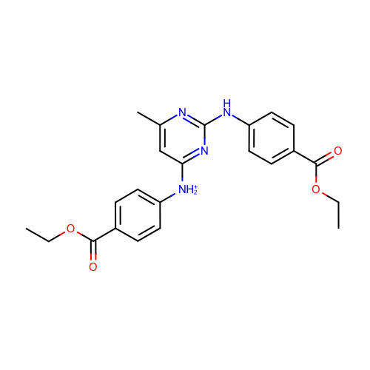 | SM23_micro021 | CCOC(=O)c1ccc(cc1)[NH2+]c2cc(nc(n2)Nc3ccc(cc3)C(=O)OCC)C
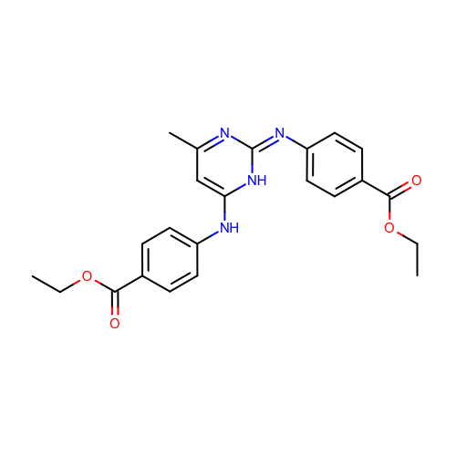 | SM23_micro022 | CCOC(=O)c1ccc(cc1)Nc2cc(n/c(=N/c3ccc(cc3)C(=O)OCC)/[nH]2)C
 | SM23_micro023 | CCOC(=O)c1ccc(cc1)Nc2cc([nH]c(=Nc3ccc(cc3)C(=O)OCC)n2)C
 | SM23_micro024 | CCOC(=O)c1ccc(cc1)[NH2+]c2nc(cc(n2)Nc3ccc(cc3)C(=O)OCC)C
 | SM23_micro025 | CCOC(=O)c1ccc(cc1)Nc2cc(nc([nH+]2)Nc3ccc(cc3)C(=O)OCC)C
 | SM23_micro026 | CCOC(=O)c1ccc(cc1)Nc2cc([nH+]c(n2)Nc3ccc(cc3)C(=O)OCC)[CH2-]
 | SM23_micro027 | CCOC(=O)c1ccc(cc1)[N-]c2cc([nH]/c(=N/c3ccc(cc3)C(=O)OCC)/n2)C
 | SM23_micro028 | CCOC(=O)c1ccc(cc1)[N-]c2[nH]/c(=N/c3ccc(cc3)C(=O)OCC)/cc(n2)C
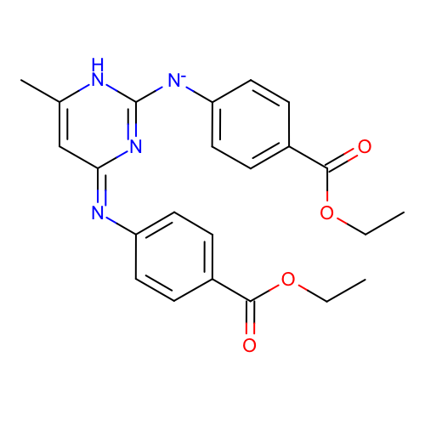 | SM23_micro029 | CCOC(=O)c1ccc(cc1)[N-]c2[nH]c(c/c(=N/c3ccc(cc3)C(=O)OCC)/n2)C
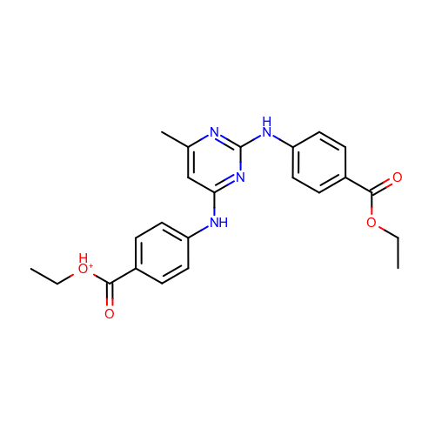 | SM23_micro030 | CC[OH+]C(=O)c1ccc(cc1)Nc2cc(nc(n2)Nc3ccc(cc3)C(=O)OCC)C
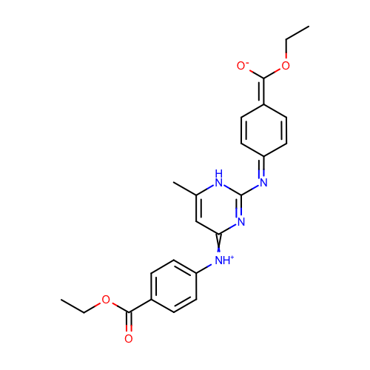 | SM23_micro031 | CCOC(=O)c1ccc(cc1)[NH+]=c2cc([nH]c(n2)N=C3C=CC(=C([O-])OCC)C=C3)C
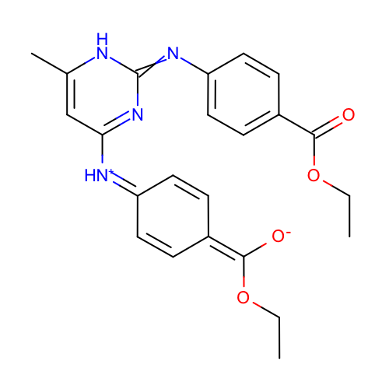 | SM23_micro032 | CCOC(=O)c1ccc(cc1)N=c2[nH]c(cc(n2)[NH+]=C3C=CC(=C([O-])OCC)C=C3)C
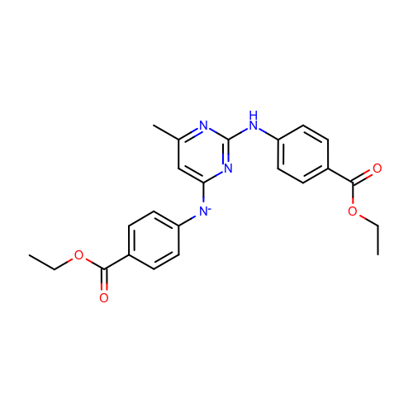 | SM23_micro034 | CCOC(=O)c1ccc(cc1)Nc2nc(cc(n2)[N-]c3ccc(cc3)C(=O)OCC)C
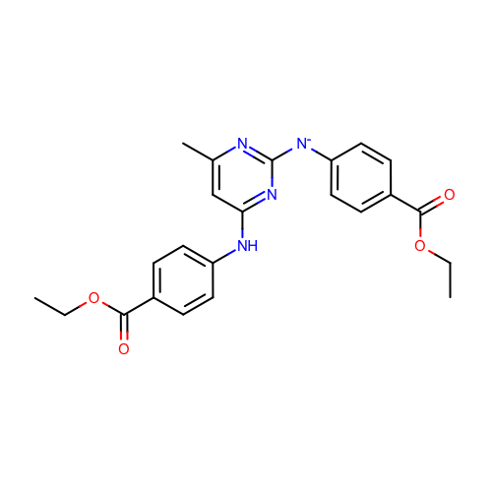 | SM23_micro035 | CCOC(=O)c1ccc(cc1)Nc2cc(nc(n2)[N-]c3ccc(cc3)C(=O)OCC)C
 | SM23_micro036 | CCOC(=O)c1ccc(cc1)[N-]c2[nH]c(c/c(=N\c3ccc(cc3)C(=O)OCC)/n2)C
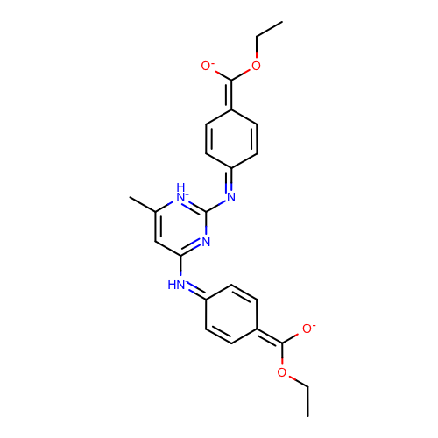 | SM23_micro037 | CCOC(=C1C=CC(=[NH+]c2cc([nH+]c(n2)N=C3C=CC(=C([O-])OCC)C=C3)C)C=C1)[O-]
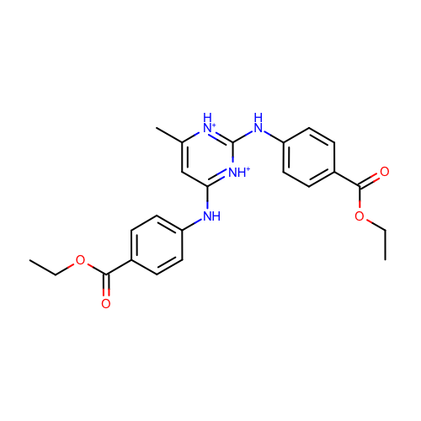 | SM23_micro038 | CCOC(=O)c1ccc(cc1)Nc2cc([nH+]c([nH+]2)Nc3ccc(cc3)C(=O)OCC)C
 | SM23_micro039 | CCOC(=O)c1ccc(cc1)[NH2+]c2cc([nH+]c(n2)Nc3ccc(cc3)C(=O)OCC)C
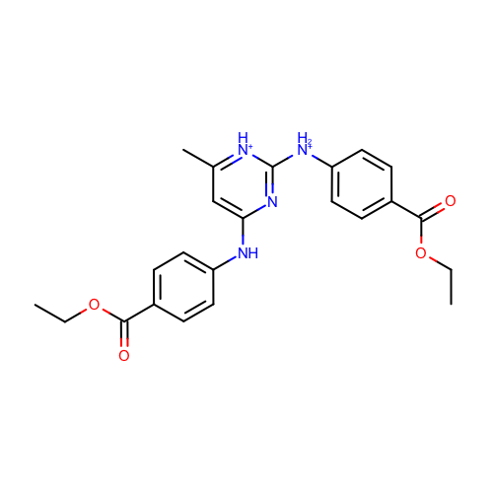 | SM23_micro040 | CCOC(=O)c1ccc(cc1)[NH2+]c2[nH+]c(cc(n2)Nc3ccc(cc3)C(=O)OCC)C
 | SM23_micro041 | CCOC(=O)c1ccc(cc1)[NH2+]c2cc(nc([nH+]2)Nc3ccc(cc3)C(=O)OCC)C
 | SM23_micro042 | CCOC(=O)c1ccc(cc1)[NH2+]c2[nH+]c(cc(n2)C)Nc3ccc(cc3)C(=O)OCC
 | SM23_micro043 | CCOC(=O)c1ccc(cc1)[NH2+]c2cc(nc(n2)[NH2+]c3ccc(cc3)C(=O)OCC)C
 | SM23_micro044 | CCOC(=O)c1ccc(cc1)[NH2+]c2cc([nH+]c([nH+]2)Nc3ccc(cc3)C(=O)OCC)C
 | SM23_micro045 | CCOC(=O)c1ccc(cc1)[NH2+]c2cc([nH+]c(n2)[NH2+]c3ccc(cc3)C(=O)OCC)C
 | SM23_micro046 | CCOC(=O)c1ccc(cc1)[NH2+]c2[nH+]c(cc([nH+]2)Nc3ccc(cc3)C(=O)OCC)C
 | SM23_micro047 | CCOC(=O)c1ccc(cc1)[NH2+]c2cc(nc([nH+]2)[NH2+]c3ccc(cc3)C(=O)OCC)C
 | SM23_micro048 | CCOC(=O)c1ccc(cc1)[NH2+]c2cc([nH+]c([nH+]2)[NH2+]c3ccc(cc3)C(=O)OCC)C

