Sheet1
df_drug_final_supplier_oe.csv
Molecule | eMolecules SMILES | pKas in [3,11] | XlogP | MolWt | Availability (mg) | Price | group | N_Rot | N_UV_chrom | Selection | Bin index | Priority | Final list | Supplier Name | Catalog Number | canonical isomeric SMILES | eMolecules ID
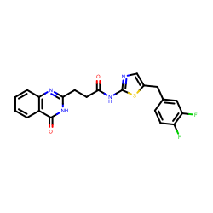 | O=C(Nc1ncc(s1)Cc1ccc(c(c1)F)F)CCc1nc2ccccc2c(=O)[nH]1 | [9.381, 10.773] | 3.3410000801086426 | 426.439 | 247.7 | 223.0 | drug-like | 7 | 37 | picked | 0.0 | 2 | True | Enamine Screening Compounds | Z278071350 | c1ccc2c(c1)c(=O)[nH]c(n2)CCC(=O)Nc3ncc(s3)Cc4ccc(c(c4)F)F | 18897105
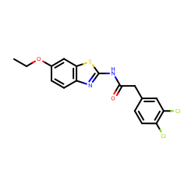 | CCOc1ccc2c(c1)sc(n2)NC(=O)Cc1ccc(c(c1)Cl)Cl | [9.167] | 5.171000480651856 | 381.276 | 489.9 | 148.0 | drug-like | 6 | 28 | picked | 3.0 | 1 | True | Enamine Screening Compounds | Z30206127 | CCOc1ccc2c(c1)sc(n2)NC(=O)Cc3ccc(c(c3)Cl)Cl | 3365457
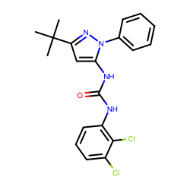 | O=C(Nc1cccc(c1Cl)Cl)Nc1cc(nn1c1ccccc1)C(C)(C)C | [4.113] | 5.7840003967285165 | 403.305 | 324.5 | 148.0 | drug-like | 6 | 35 | picked | 4.0 | 1 | True | Enamine Screening Compounds | Z2216889245 | CC(C)(C)c1cc(n(n1)c2ccccc2)NC(=O)Nc3cccc(c3Cl)Cl | 10794751
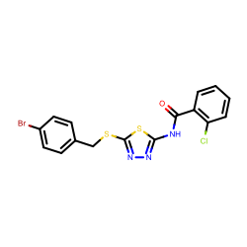 | Brc1ccc(cc1)CSc1nnc(s1)NC(=O)c1ccccc1Cl | [6.525] | 5.9000000953674325 | 440.765 | 239.5 | 400.0 | drug-like | 6 | 24 | picked | 4.0 | 2 | True | Life Chemicals | F0417-1895 | c1ccc(c(c1)C(=O)Nc2nnc(s2)SCc3ccc(cc3)Br)Cl | 5428718
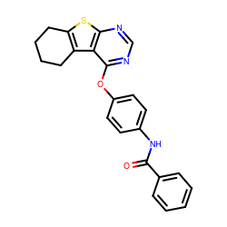 | O=C(c1ccccc1)Nc1ccc(cc1)Oc1ncnc2c1c1CCCCc1s2 | [3.199] | 4.7179999351501465 | 401.481 | 636.9 | 249.0 | drug-like | 5 | 34 | picked | 3.0 | 3 | True | UORSY | PB31167343 | c1ccc(cc1)C(=O)Nc2ccc(cc2)Oc3c4c5c(sc4ncn3)CCCC5 | 3064762
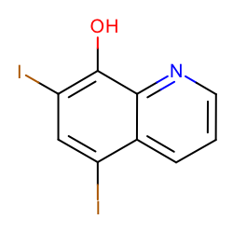 | Ic1cc(I)c2c(c1O)nccc2 | [3.511, 6.794] | 3.370999813079834 | 396.951 | 239.0 | 168.0 | drug-like | 0 | 29 | picked | 0.0 | 1 | True | Vitas M Labs | STK070581 | c1cc2c(cc(c(c2nc1)O)I)I | 536848
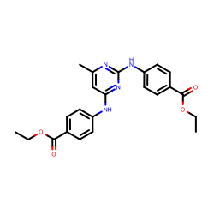 | CCOC(=O)c1ccc(cc1)Nc1cc(C)nc(n1)Nc1ccc(cc1)C(=O)OCC | [6.336] | 2.9370000362396236 | 420.461 | 319.0 | 168.0 | drug-like | 10 | 28 | picked | 0.0 | 3 | True | Vitas M Labs | STK097966 | CCOC(=O)c1ccc(cc1)Nc2cc(nc(n2)Nc3ccc(cc3)C(=O)OCC)C | 4375254
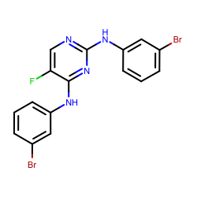 | Brc1cccc(c1)Nc1ncc(c(n1)Nc1cccc(c1)Br)F | [3.892] | 4.140000343322754 | 438.092 | 222.0 | 168.0 | drug-like | 4 | 28 | picked | 2.0 | 1 | True | Vitas M Labs | STL368658 | c1cc(cc(c1)Br)Nc2c(cnc(n2)Nc3cccc(c3)Br)F | 1574612
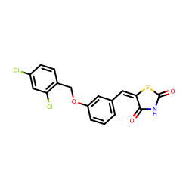 | O=C1NC(=O)/C(=C\c2cccc(c2)OCc2ccc(cc2Cl)Cl)/S1 | [8.05] | 5.238000392913818 | 380.245 | 154.0 | 219.0 | drug-like | 4 | 24 | picked | 3.0 | 2 | True | Vitas M Labs | STL282831 | c1cc(cc(c1)OCc2ccc(cc2Cl)Cl)/C=C/3\C(=O)NC(=O)S3 | 46568819
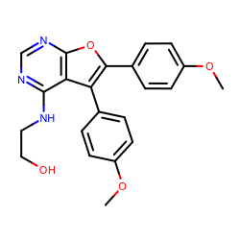 | OCCNc1ncnc2c1c(c1ccc(cc1)OC)c(o2)c1ccc(cc1)OC | [4.829] | 2.7940003871917725 | 391.42 | 398.0 | 168.0 | drug-like | 7 | 71 | picked |  | 1 | True | Vitas M Labs | STK090644 | COc1ccc(cc1)c2c3c(ncnc3oc2c4ccc(cc4)OC)NCCO | 1415746

