Sheet1
df_frag_final_supplier_oe.csv
Molecule | eMolecules SMILES | pKas in [3,11] | XlogP | MolWt | Availability (mg) | Price | group | N_Rot | N_UV_chrom | Selection | Bin index | Priority | Final list | Supplier Name | Catalog Number | canonical isomeric SMILES | eMolecules ID
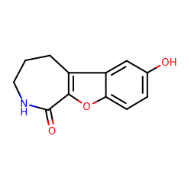 | Oc1cc2c3CCCNC(=O)c3oc2cc1 | [9.119] | 0.7199999690055847 | 217.221 | 184.0 | 533.0 | fragment-like | 0 | 27 | picked | 4 | 1 | True | ChemDiv | 5816-0042 | c1cc2c(cc1O)c3c(o2)C(=O)NCCC3 | 6679830
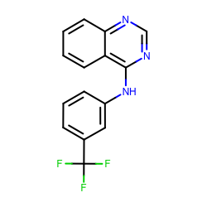 | FC(c1cccc(c1)Nc1ncnc2c1cccc2)(F)F | [4.05] | 3.2689995765686035 | 289.255 | 101.0 | 355.0 | fragment-like | 3 | 36 | picked | 17 | 2 | True | ChemDiv | 3232-0333 | c1ccc2c(c1)c(ncn2)Nc3cccc(c3)C(F)(F)F | 1327907
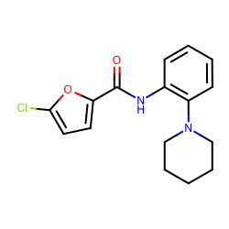 | Clc1ccc(o1)C(=O)Nc1ccccc1N1CCCCC1 | [5.346] | 3.794999837875366 | 304.771 | 424.3 | 148.0 | fragment-like | 4 | 18 | picked | 19 | 1 | True | Enamine Screening Compounds | Z119335440 | c1ccc(c(c1)NC(=O)c2ccc(o2)Cl)N3CCCCC3 | 18908671
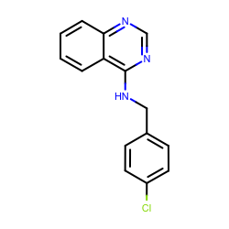 | Clc1ccc(cc1)CNc1ncnc2c1cccc2 | [5.564] | 3.523000240325928 | 269.72900000000004 | 415.5 | 148.0 | fragment-like | 3 | 36 | picked | 18 | 2 | True | Enamine Screening Compounds | Z126957826 | c1ccc2c(c1)c(ncn2)NCc3ccc(cc3)Cl | 30719859
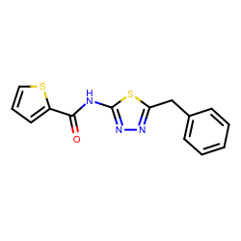 | O=C(c1cccs1)Nc1nnc(s1)Cc1ccccc1 | [7.12] | 3.6050002574920654 | 301.387 | 379.0 | 148.0 | fragment-like | 5 | 14 | picked | 18 | 1 | True | Enamine Screening Compounds | Z27474679 | c1ccc(cc1)Cc2nnc(s2)NC(=O)c3cccs3 | 1228629
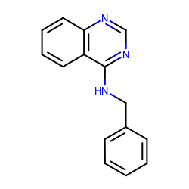 | c1ccc(cc1)CNc1ncnc2c1cccc2 | [5.564] | 2.9070003032684326 | 235.284 | 208.7 | 223.0 | fragment-like | 3 | 36 | picked | 15 | 2 | True | Enamine Screening Compounds | Z57161635 | c1ccc(cc1)CNc2c3ccccc3ncn2 | 1327878
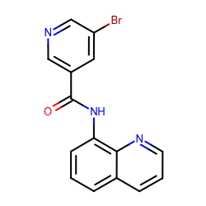 | Brc1cncc(c1)C(=O)Nc1cccc2c1nccc2 | [4.001, 10.328] | 2.922999620437622 | 328.163 | 406.0 | 148.0 | fragment-like | 3 | 37 | picked | 15 | 1 | True | Enamine Screening Compounds | Z28487401 | c1cc2cccnc2c(c1)NC(=O)c3cc(cnc3)Br | 18893169
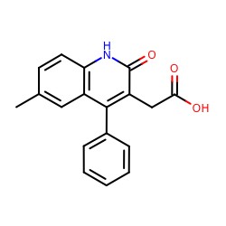 | OC(=O)Cc1c(=O)[nH]c2c(c1c1ccccc1)cc(cc2)C | [4.109] | 2.8030002117156982 | 293.317 | 232.1 | 223.0 | fragment-like | 3 | 59 | picked | 14 | 2 | True | Enamine Screening Compounds | Z57157353 | Cc1ccc2c(c1)c(c(c(=O)[nH]2)CC(=O)O)c3ccccc3 | 1367649
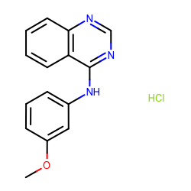 | COc1cccc(c1)Nc1ncnc2c1cccc2.Cl | [4.05] | 3.138999938964844 | 287.744 | 119.7 | 148.0 | fragment-like | 3 | 36 | picked | 16 | 1 | True | Enamine Screening Compounds | Z220564816 | COc1cccc(c1)Nc2c3ccccc3ncn2.Cl | 1865544
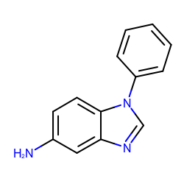 | Nc1ccc2c(c1)ncn2c1ccccc1 | [6.348] | 2.3329999446868896 | 209.247 | 50213.0 | 148.0 | fragment-like | 1 | 40 | picked | 12 | 1 | True | Enamine Screening Compounds | Z57290870 | c1ccc(cc1)n2cnc3c2ccc(c3)N | 31653344
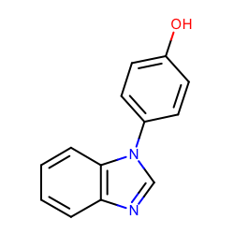 | Oc1ccc(cc1)n1cnc2c1cccc2 | [5.82, 8.709] | 2.2190003395080566 | 210.231 | 21650.2 | 148.0 | fragment-like | 1 | 40 | picked | 11 | 1 | True | Enamine Screening Compounds | Z1318268952 | c1ccc2c(c1)ncn2c3ccc(cc3)O | 37095168
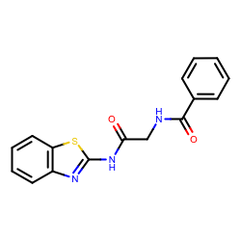 | O=C(Nc1nc2c(s1)cccc2)CNC(=O)c1ccccc1 | [8.672] | 2.7179999351501465 | 311.358 | 149.1 | 148.0 | fragment-like | 6 | 28 | picked | 14 | 1 | True | Enamine Screening Compounds | Z69130143 | c1ccc(cc1)C(=O)NCC(=O)Nc2nc3ccccc3s2 | 23354217
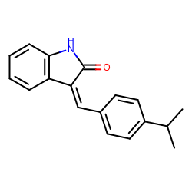 | O=C1Nc2c(/C/1=C/c1ccc(cc1)C(C)C)cccc2 | [3.158] | 4.2330002784728995 | 263.334 | 283.7 | 400.0 | fragment-like | 2 | 24 | picked | 22 | 1 | True | Life Chemicals | F0807-0563 | CC(C)c1ccc(cc1)/C=C\2/c3ccccc3NC2=O | 45809595
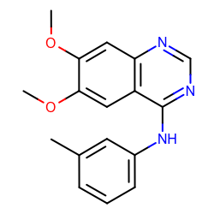 | COc1cc2c(ncnc2cc1OC)Nc1cccc(c1)C | [4.267] | 2.5950002670288086 | 295.336 | 1864.0 | 414.0 | fragment-like | 4 | 36 | picked | 13 | 2 | True | Maybridge | GK03474 | Cc1cccc(c1)Nc2c3cc(c(cc3ncn2)OC)OC | 5828805
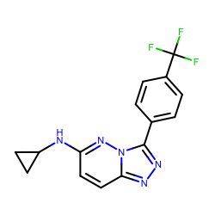 | FC(c1ccc(cc1)c1nnc2n1nc(cc2)NC1CC1)(F)F | [4.394] | 4.128999710083009 | 319.284 | 3175.0 | 414.0 | fragment-like | 4 | 32 | picked | 21 | 2 | True | Maybridge | RH00113 | c1cc(ccc1c2nnc3n2nc(cc3)NC4CC4)C(F)(F)F | 5784088
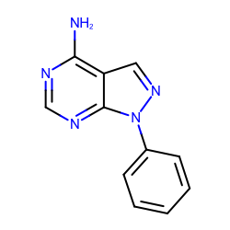 | Nc1ncnc2c1cnn2c1ccccc1 | [3.869] | 1.4990001916885376 | 211.223 | 3430.0 | 414.0 | fragment-like | 1 | 31 | picked | 8 | 1 | True | Maybridge | RJC00689 | c1ccc(cc1)n2c3c(cn2)c(ncn3)N | 719540
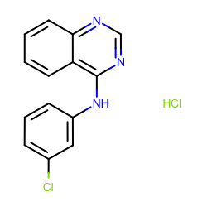 | Clc1cccc(c1)Nc1ncnc2c1cccc2.Cl | [4.05] | 3.89900016784668 | 292.163 | 7366.0 | 414.0 | fragment-like | 2 | 36 | picked | 20 | 2 | True | Maybridge | DP00818 | c1ccc2c(c1)c(ncn2)Nc3cccc(c3)Cl.Cl | 1859493
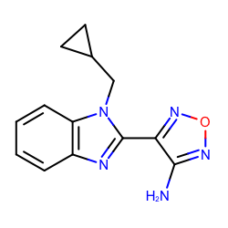 | Nc1nonc1c1nc2c(n1CC1CC1)cccc2 | [4.082] | 2.43999981880188 | 255.275 | 300.0 | 168.0 | fragment-like | 3 | 28 | picked | 12 | 2 | True | Vitas M Labs | STL482461 | c1ccc2c(c1)nc(n2CC3CC3)c4c(non4)N | 8332960
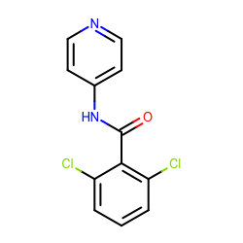 | O=C(c1c(Cl)cccc1Cl)Nc1ccncc1 | [4.714, 9.847] | 2.9270000457763667 | 267.111 | 385.0 | 275.0 | fragment-like | 3 | 20 | picked | 15 | 3 | True | Vitas M Labs | STK098832 | c1cc(c(c(c1)Cl)C(=O)Nc2ccncc2)Cl | 1284691
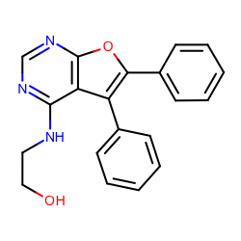 | OCCNc1ncnc2c1c(c1ccccc1)c(o2)c1ccccc1 | [4.294] | 3.0820000171661377 | 331.36800000000005 | 159.0 | 168.0 | fragment-like | 5 | 71 | picked | 16 | 2 | True | Vitas M Labs | STK012643 | c1ccc(cc1)c2c3c(ncnc3oc2c4ccccc4)NCCO | 1415762
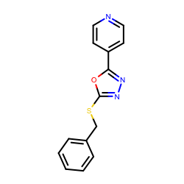 | c1ccc(cc1)CSc1nnc(o1)c1ccncc1 | [4.902] | 3.3059999942779537 | 269.322 | 170.0 | 168.0 | fragment-like | 4 | 30 | picked | 17 | 1 | True | Vitas M Labs | STK032731 | c1ccc(cc1)CSc2nnc(o2)c3ccncc3 | 1444229
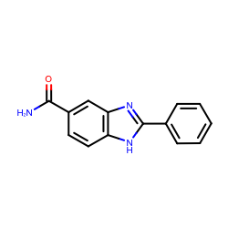 | NC(=O)c1ccc2c(c1)nc([nH]2)c1ccccc1 | [6.342] | 2.1920003890991206 | 237.257 | 2000.0 | 168.0 | fragment-like | 2 | 42 | picked | 11 | 2 | True | Vitas M Labs | STL497402 | c1ccc(cc1)c2[nH]c3ccc(cc3n2)C(=O)N | 37053191
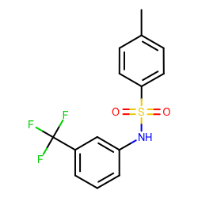 | Cc1ccc(cc1)S(=O)(=O)Nc1cccc(c1)C(F)(F)F | [7.903] | 3.747999668121338 | 315.311 | 527.0 | 168.0 | fragment-like | 4 | 24 | picked | 19 | 2 | True | Vitas M Labs | STK053880 | Cc1ccc(cc1)S(=O)(=O)Nc2cccc(c2)C(F)(F)F | 1377874
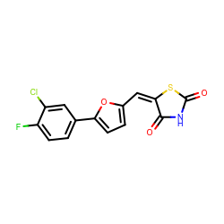 | O=C1S/C(=C/c2ccc(o2)c2ccc(c(c2)Cl)F)/C(=O)N1 | [8.052] | 3.9079997539520255 | 323.7270000000001 | 125.0 | 168.0 | fragment-like | 2 | 31 | picked | 20 | 1 | True | Vitas M Labs | STL282834 | c1cc(c(cc1c2ccc(o2)/C=C/3\C(=O)NC(=O)S3)Cl)F | 25775231
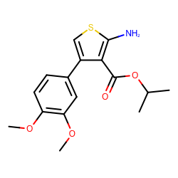 | COc1cc(ccc1OC)c1csc(c1C(=O)OC(C)C)N | [10.184] | 4.079999923706056 | 321.391 | 10117.0 | 168.0 | fragment-like | 6 | 28 | picked | 21 | 1 | True | Vitas M Labs | STK348738 | CC(C)OC(=O)c1c(csc1N)c2ccc(c(c2)OC)OC | 837243

