Sheet1
Microstate List
Molecule | microstate ID | canonical isomeric SMILES | canonical SMILES
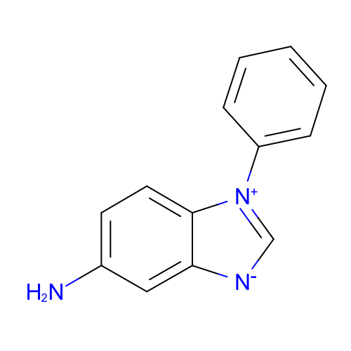 | SM14_micro001 | c1ccc(cc1)[n+]2c[n-]c3c2ccc(c3)N | c1ccc(cc1)[n+]2c[n-]c3c2ccc(c3)N
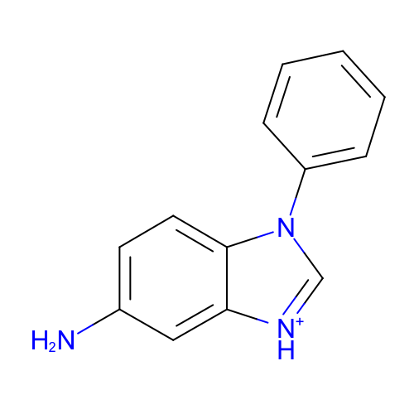 | SM14_micro002 | c1ccc(cc1)n2c[nH+]c3c2ccc(c3)N | c1ccc(cc1)n2c[nH+]c3c2ccc(c3)N
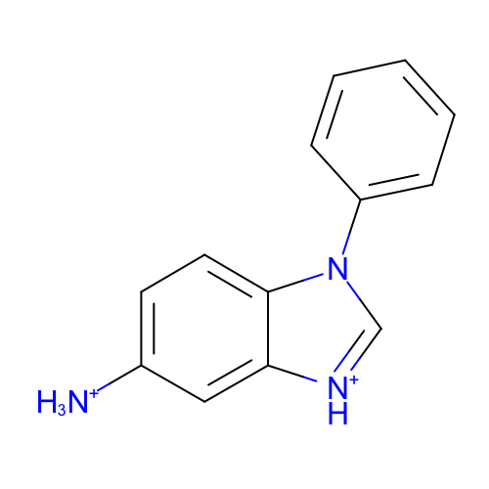 | SM14_micro003 | c1ccc(cc1)n2c[nH+]c3c2ccc(c3)[NH3+] | c1ccc(cc1)n2c[nH+]c3c2ccc(c3)[NH3+]
 | SM14_micro004 | c1ccc(cc1)[n+]2c[n-]c3c2ccc(c3)[NH3+] | c1ccc(cc1)[n+]2c[n-]c3c2ccc(c3)[NH3+]
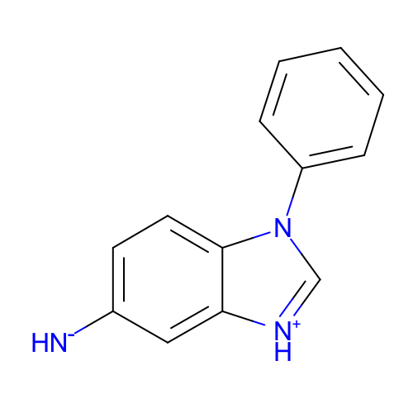 | SM14_micro005 | c1ccc(cc1)n2c[nH+]c3c2ccc(c3)[NH-] | c1ccc(cc1)n2c[nH+]c3c2ccc(c3)[NH-]
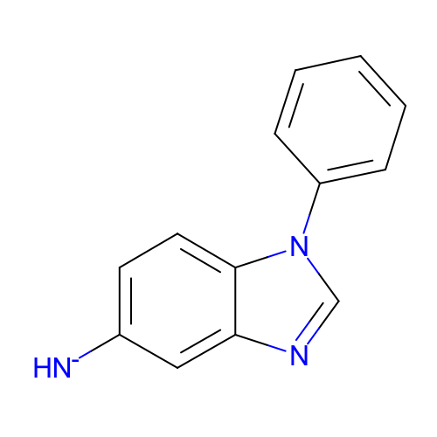 | SM14_micro006 | c1ccc(cc1)n2cnc3c2ccc(c3)[NH-] | c1ccc(cc1)n2cnc3c2ccc(c3)[NH-]

