Sheet1
SM01_microstate_IDs_with_2D_depiction.csv
Molecule | microstate ID | canonical isomeric SMILES
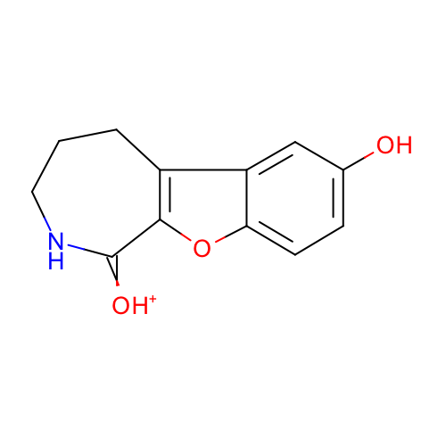 | SM01_micro001 | c1cc2c(cc1O)c3c(o2)C(=[OH+])NCCC3
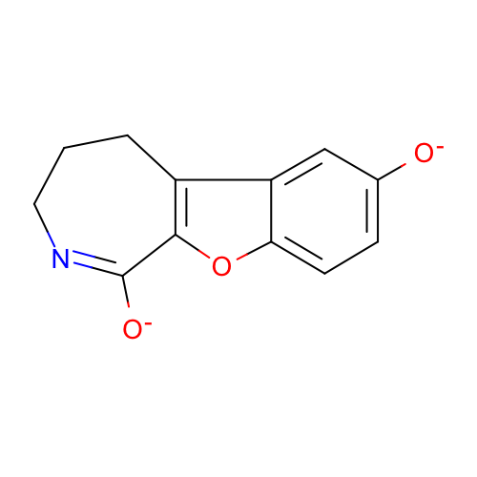 | SM01_micro002 | c1cc2c(cc1[O-])c3c(o2)C(=NCCC3)[O-]
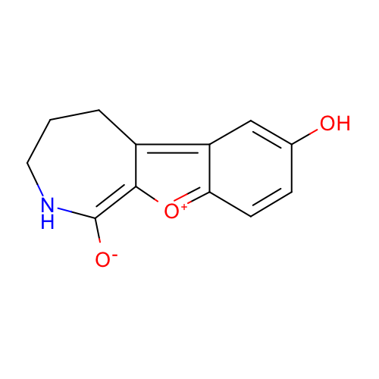 | SM01_micro003 | c1cc2=[O+]C3=C(NCCCC3=c2cc1O)[O-]
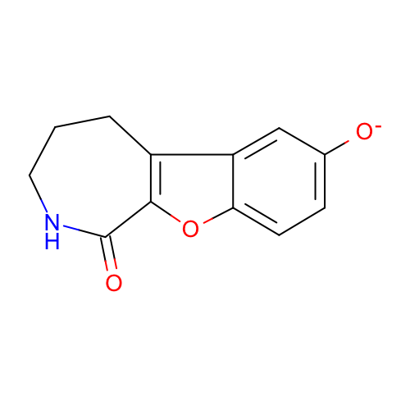 | SM01_micro004 | c1cc2c(cc1[O-])c3c(o2)C(=O)NCCC3
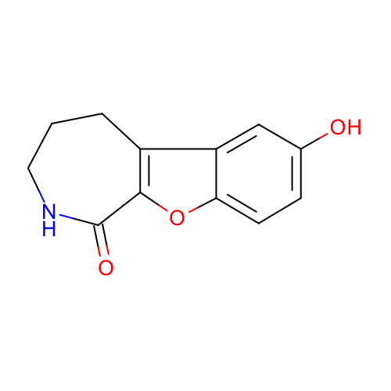 | SM01_micro005 | c1cc2c(cc1O)c3c(o2)C(=O)NCCC3
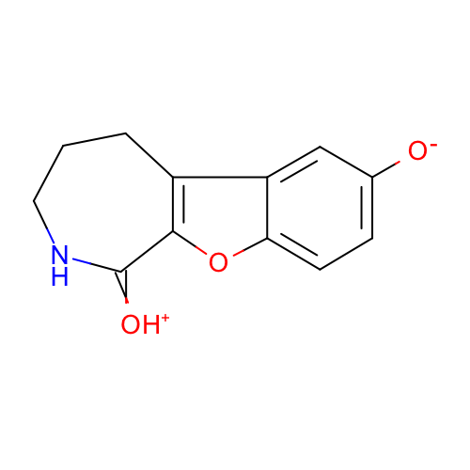 | SM01_micro006 | c1cc2c(cc1[O-])c3c(o2)C(=[OH+])NCCC3
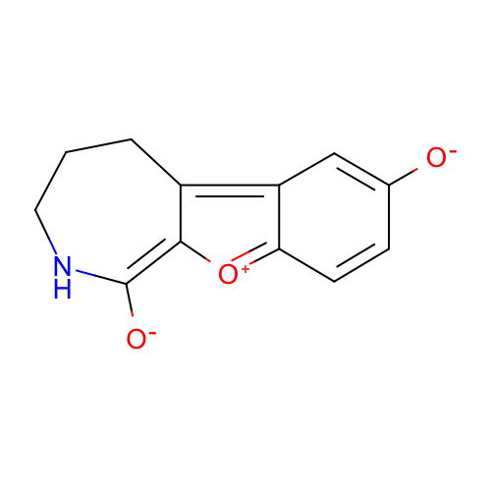 | SM01_micro007 | c1cc2=[O+]C3=C(NCCCC3=c2cc1[O-])[O-]
 | SM01_micro008 | c1cc2c(cc1[O-])c3c(o2)C(=O)[NH2+]CCC3
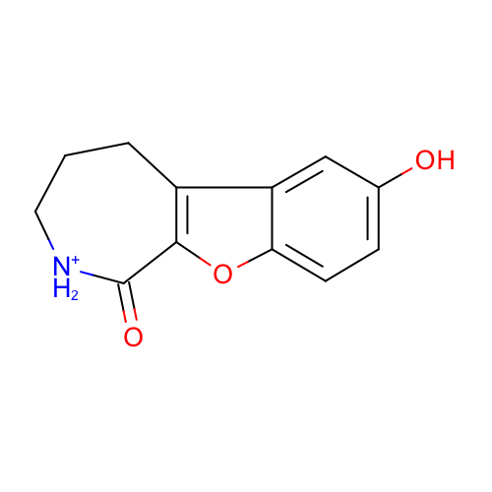 | SM01_micro009 | c1cc2c(cc1O)c3c(o2)C(=O)[NH2+]CCC3
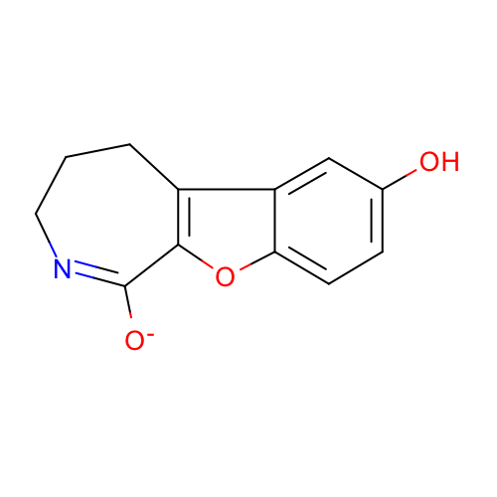 | SM01_micro010 | c1cc2c(cc1O)c3c(o2)C(=NCCC3)[O-]

