Sheet1
SM17_microstate_IDs_with_2D_depiction.csv
Molecule | microstate ID | canonical isomeric SMILES
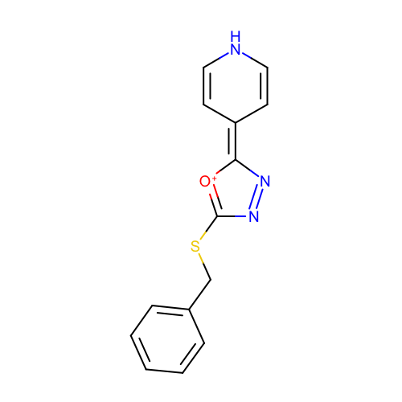 | SM17_micro001 | c1ccc(cc1)CSC2=[O+]C(=C3C=CNC=C3)N=N2
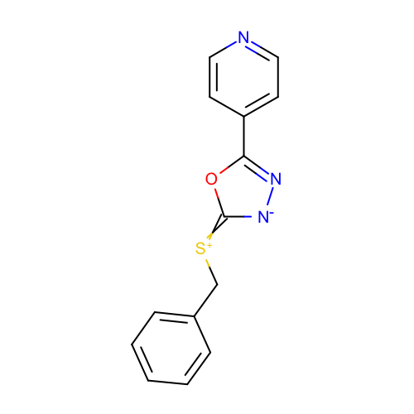 | SM17_micro002 | c1ccc(cc1)C[S+]=c2[n-]nc(o2)c3ccncc3
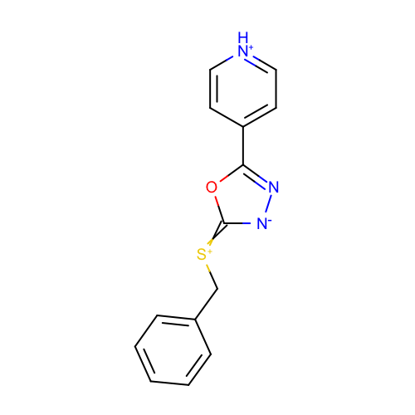 | SM17_micro003 | c1ccc(cc1)C[S+]=c2[n-]nc(o2)c3cc[nH+]cc3
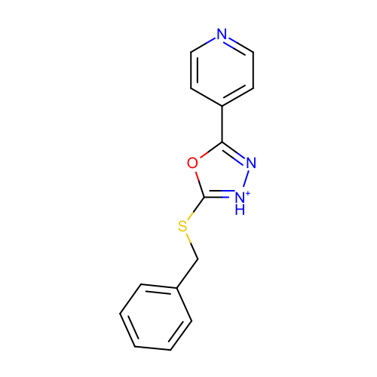 | SM17_micro004 | c1ccc(cc1)CSc2[nH+]nc(o2)c3ccncc3
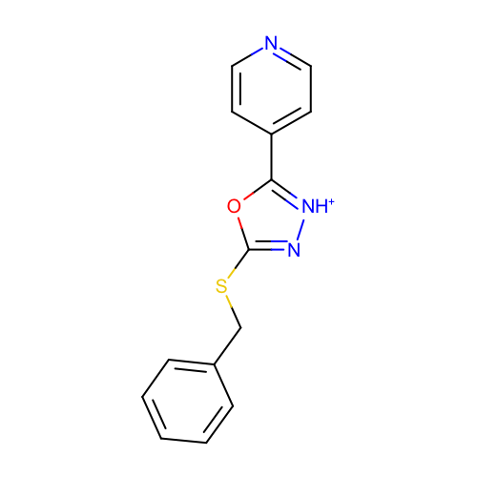 | SM17_micro005 | c1ccc(cc1)CSc2n[nH+]c(o2)c3ccncc3

