Sheet1
SM05_microstate_IDs_with_2D_depiction.csv
Molecule | microstate ID | canonical isomeric SMILES | correction
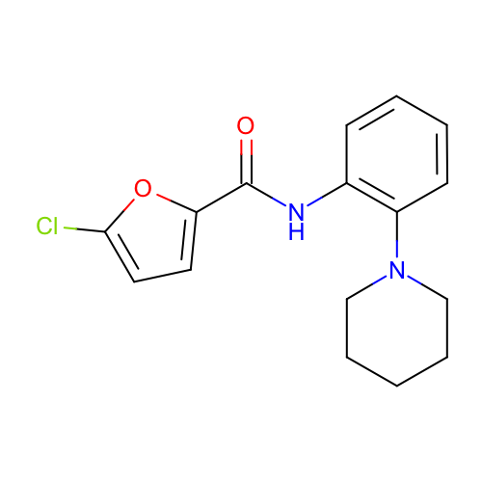 | SM05_micro001 | c1ccc(c(c1)NC(=O)c2ccc(o2)Cl)N3CCCCC3
 | SM05_micro002 | c1ccc(c(c1)/N=C(/c2ccc(o2)Cl)\[O-])N3CCCCC3
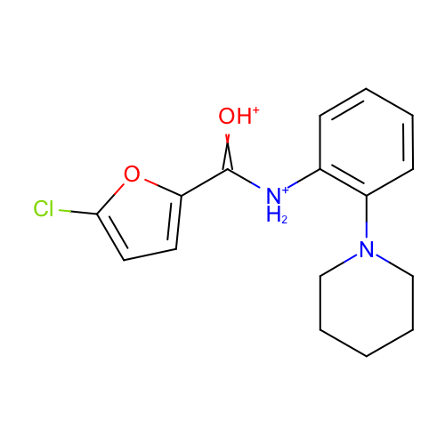 | SM05_micro003 | c1ccc(c(c1)[NH2+]C(=[OH+])c2ccc(o2)Cl)N3CCCCC3
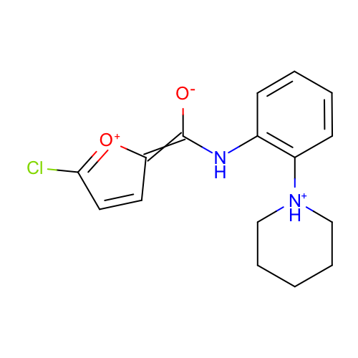 | SM05_micro004 | c1ccc(c(c1)NC(=C2C=CC(=[O+]2)Cl)[O-])[NH+]3CCCCC3 | deprecated
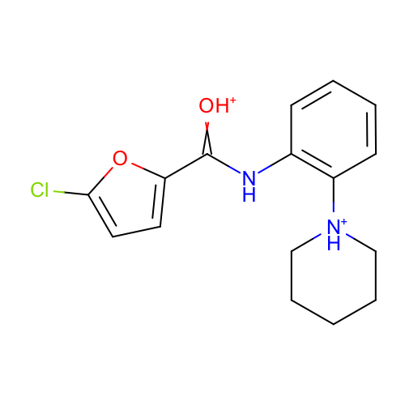 | SM05_micro005 | c1ccc(c(c1)NC(=[OH+])c2ccc(o2)Cl)[NH+]3CCCCC3
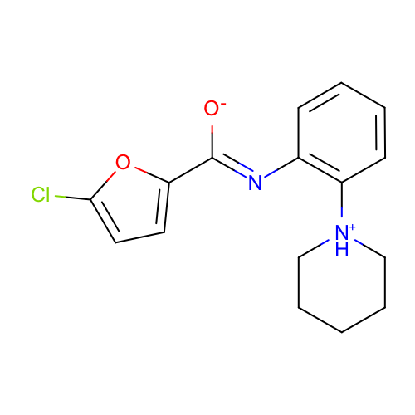 | SM05_micro006 | c1ccc(c(c1)/N=C(/c2ccc(o2)Cl)\[O-])[NH+]3CCCCC3
 | SM05_micro007 | c1ccc(c(c1)NC(=C2C=CC(=[O+]2)Cl)[O-])N3CCCCC3 | deprecated
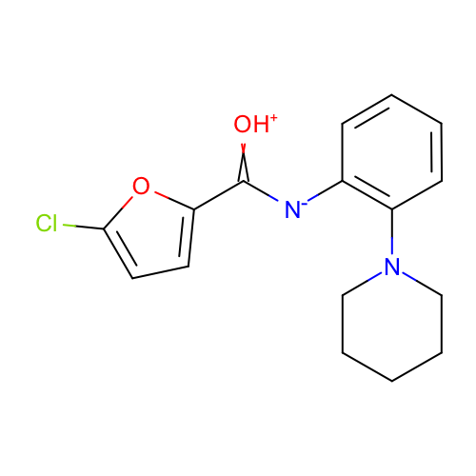 | SM05_micro008 | c1ccc(c(c1)[N-]C(=[OH+])c2ccc(o2)Cl)N3CCCCC3
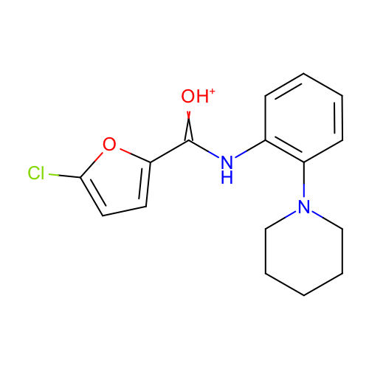 | SM05_micro009 | c1ccc(c(c1)NC(=[OH+])c2ccc(o2)Cl)N3CCCCC3
 | SM05_micro010 | c1ccc(c(c1)NC(=O)c2ccc(o2)Cl)[NH+]3CCCCC3
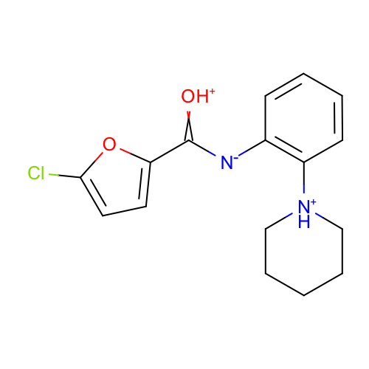 | SM05_micro011 | c1ccc(c(c1)[N-]C(=[OH+])c2ccc(o2)Cl)[NH+]3CCCCC3

