Sheet1
SM13_microstate_IDs_with_2D_depiction.csv
Molecule | microstate ID | canonical isomeric SMILES | correction
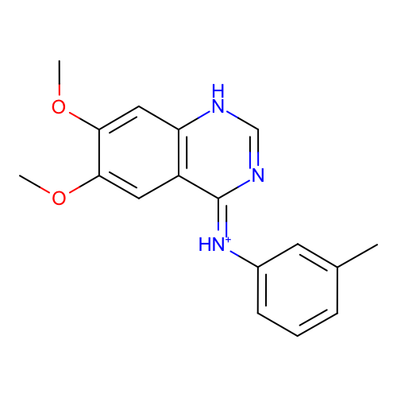 | SM13_micro001 | Cc1cccc(c1)/[NH+]=c\2/c3cc(c(cc3[nH]cn2)OC)OC
 | SM13_micro002 | Cc1cccc(c1)/N=c\2/c3cc(c(cc3[nH]cn2)OC)OC | deprecated
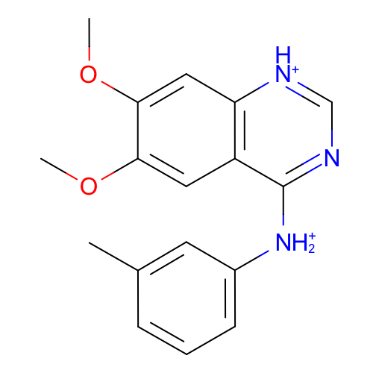 | SM13_micro003 | Cc1cccc(c1)[NH2+]c2c3cc(c(cc3[nH+]cn2)OC)OC
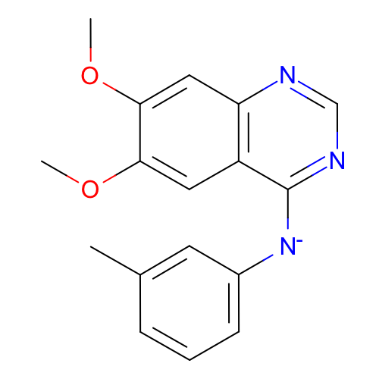 | SM13_micro004 | Cc1cccc(c1)[N-]c2c3cc(c(cc3ncn2)OC)OC
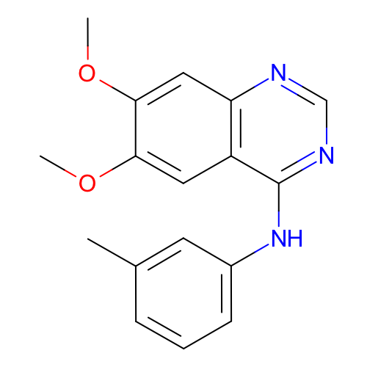 | SM13_micro005 | Cc1cccc(c1)Nc2c3cc(c(cc3ncn2)OC)OC
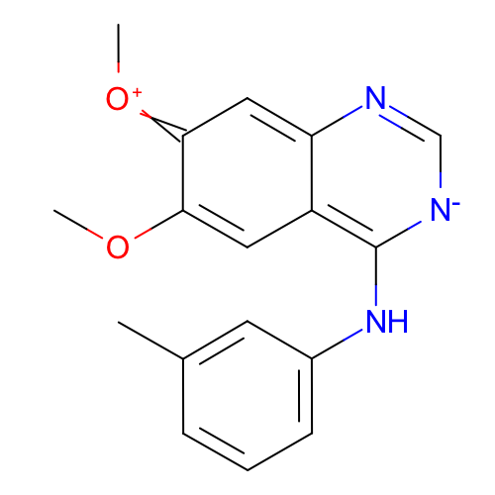 | SM13_micro006 | Cc1cccc(c1)Nc2c-3cc(c(=[O+]C)cc3nc[n-]2)OC | deprecated
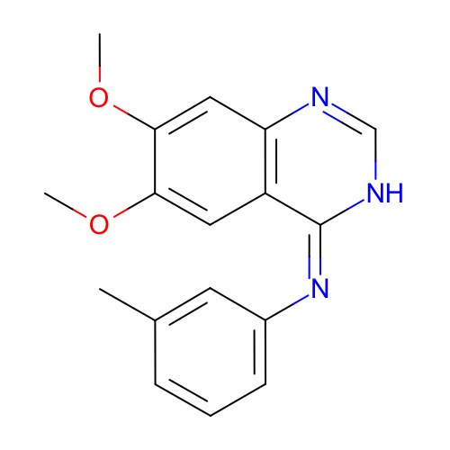 | SM13_micro007 | Cc1cccc(c1)/N=c/2\c3cc(c(cc3nc[nH]2)OC)OC
 | SM13_micro008 | Cc1cccc(c1)[NH2+]c2c3cc(c(cc3ncn2)OC)OC
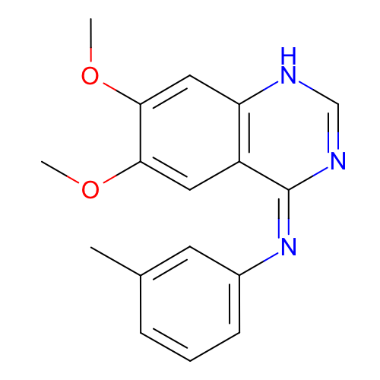 | SM13_micro009 | Cc1cccc(c1)/N=c/2\c3cc(c(cc3[nH]cn2)OC)OC
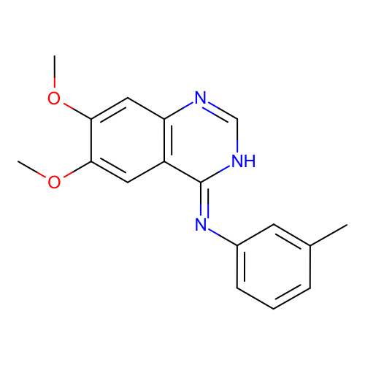 | SM13_micro010 | Cc1cccc(c1)/N=c\2/c3cc(c(cc3nc[nH]2)OC)OC | deprecated
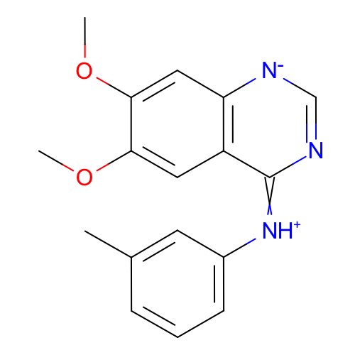 | SM13_micro011 | Cc1cccc(c1)[NH+]=c2c3cc(c(cc3[n-]cn2)OC)OC | deprecated
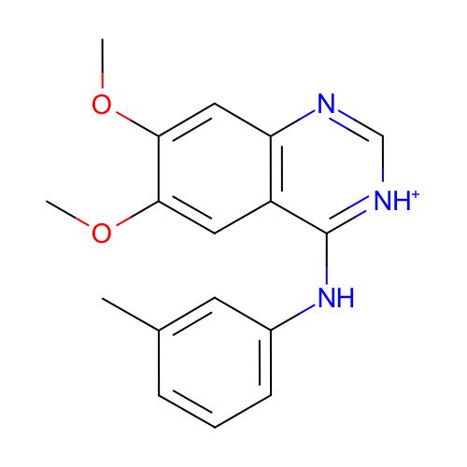 | SM13_micro012 | Cc1cccc(c1)Nc2c3cc(c(cc3nc[nH+]2)OC)OC
 | SM13_micro013 | Cc1cc(Nc2[nH+]c[nH+]c3c2cc(OC)c(OC)c3)ccc1 | added
 | SM13_micro014 | Cc1cc([NH2+]c2[nH+]cnc3c2cc(OC)c(OC)c3)ccc1 | added
 | SM13_micro015 | Cc1cc([NH2+]c2[nH+]c[nH+]c3c2cc(OC)c(OC)c3)ccc1 | added

