Sheet1
SM17_microstate_IDs_with_2D_depiction.csv
Molecule | microstate ID | canonical isomeric SMILES | correction
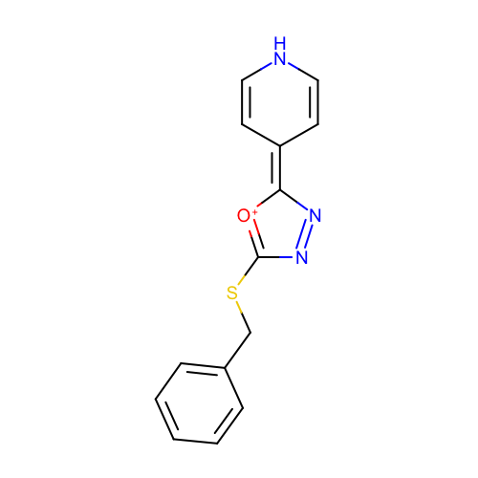 | SM17_micro001 | c1ccc(cc1)CSC2=[O+]C(=C3C=CNC=C3)N=N2 | deprecated
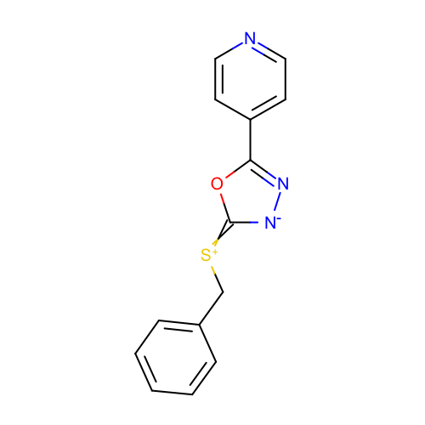 | SM17_micro002 | c1ccc(cc1)C[S+]=c2[n-]nc(o2)c3ccncc3 | deprecated
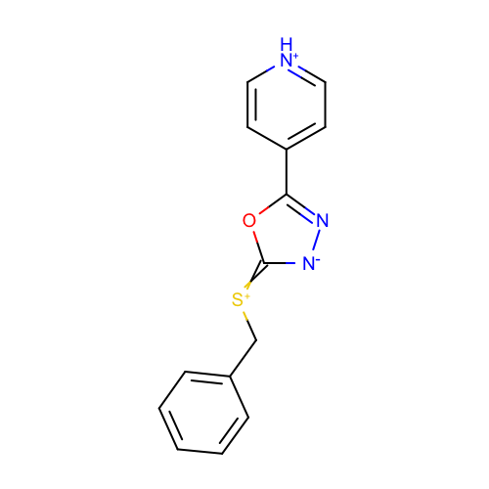 | SM17_micro003 | c1ccc(cc1)C[S+]=c2[n-]nc(o2)c3cc[nH+]cc3 | deprecated
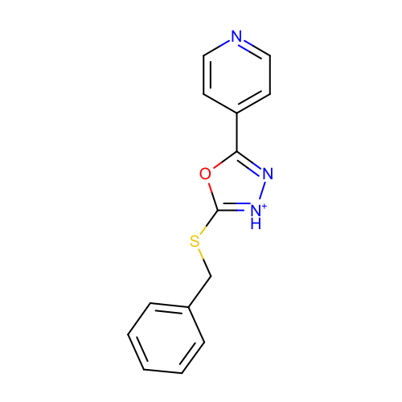 | SM17_micro004 | c1ccc(cc1)CSc2[nH+]nc(o2)c3ccncc3
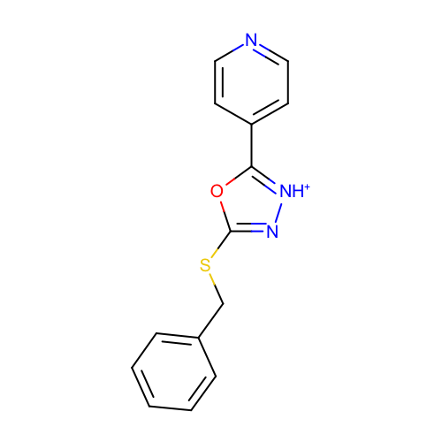 | SM17_micro005 | c1ccc(cc1)CSc2n[nH+]c(o2)c3ccncc3
 | SM17_micro006 | c1(CSC2=[NH+]N=C(C3=CC=[NH+]C=C3)O2)ccccc1 | added
 | SM17_micro007 | c1(CSC2=N[NH+]=C(C3=CC=[NH+]C=C3)O2)ccccc1 | added
 | SM17_micro008 | c1(CSC2=[NH+][NH+]=C(C3=CC=[NH+]C=C3)O2)ccccc1 | added
 | SM17_micro009 | c1(CSC2=[NH+][NH+]=C(C3=CC=NC=C3)O2)ccccc1 | added
 | SM17_micro010 | c1(CSC2=NN=C(C3=CC=NC=C3)O2)ccccc1 | added
 | SM17_micro011 | c1(CSC2=NN=C(C3=CC=[NH+]C=C3)O2)ccccc1 | added

