Sheet1
SM20_microstate_IDs_with_2D_depiction.csv
Molecule | microstate ID | canonical isomeric SMILES | correction
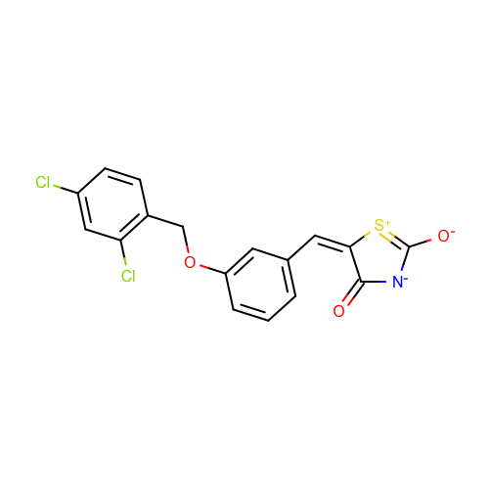 | SM20_micro001 | c1cc(cc(c1)OCc2ccc(cc2Cl)Cl)/C=C/3\C(=O)[N-]C(=[S+]3)[O-] | deprecated
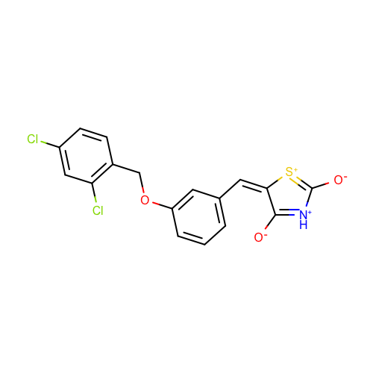 | SM20_micro002 | c1cc(cc(c1)OCc2ccc(cc2Cl)Cl)/C=C/3\C(=[NH+]C(=[S+]3)[O-])[O-] | deprecated
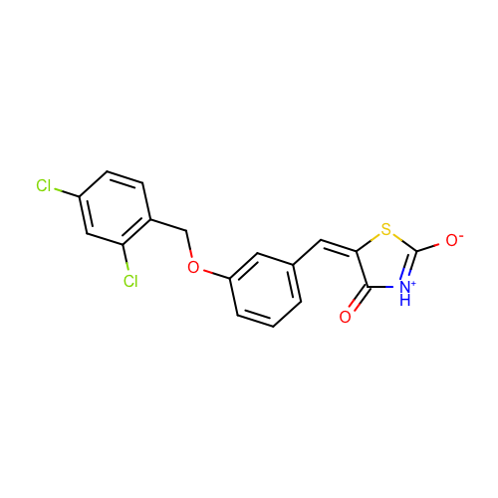 | SM20_micro003 | c1cc(cc(c1)OCc2ccc(cc2Cl)Cl)/C=C/3\C(=O)[NH+]=C(S3)[O-]
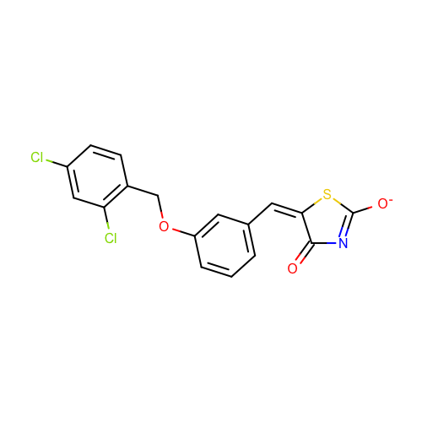 | SM20_micro004 | c1cc(cc(c1)OCc2ccc(cc2Cl)Cl)/C=C/3\C(=O)N=C(S3)[O-]

