Sheet1
SM21_microstate_IDs_with_2D_depiction.csv
Molecule | microstate ID | canonical isomeric SMILES | correction
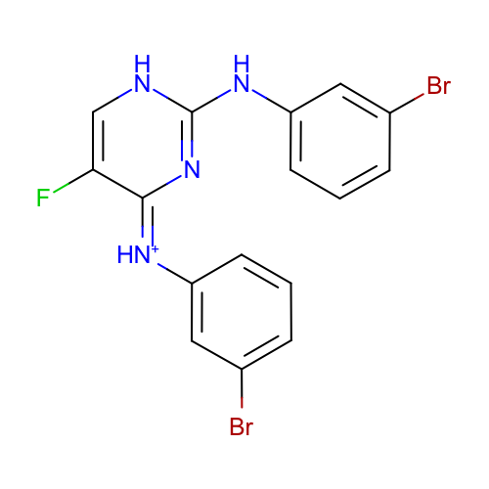 | SM21_micro001 | c1cc(cc(c1)Br)Nc2[nH]cc(/c(=[NH+]/c3cccc(c3)Br)/n2)F
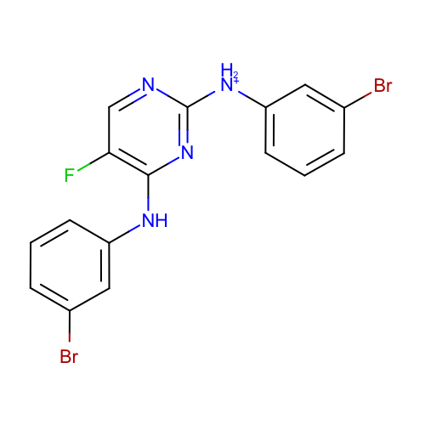 | SM21_micro002 | c1cc(cc(c1)Br)[NH2+]c2ncc(c(n2)Nc3cccc(c3)Br)F
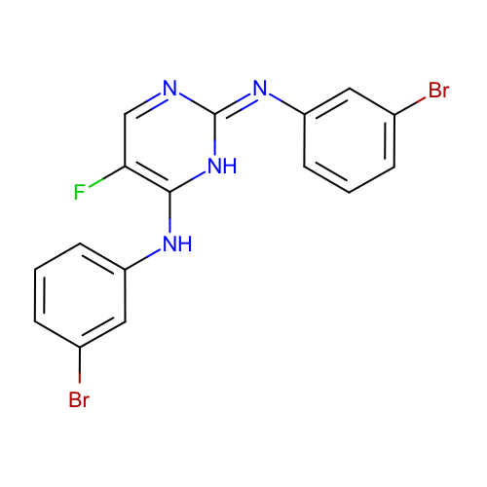 | SM21_micro003 | c1cc(cc(c1)Br)Nc2c(cn/c(=N/c3cccc(c3)Br)/[nH]2)F
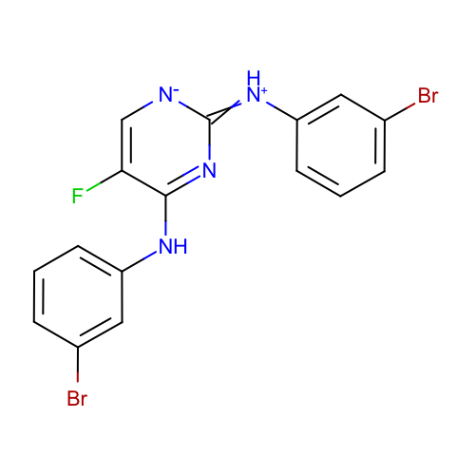 | SM21_micro004 | c1cc(cc(c1)Br)Nc2c(c[n-]c(=[NH+]c3cccc(c3)Br)n2)F | deprecated
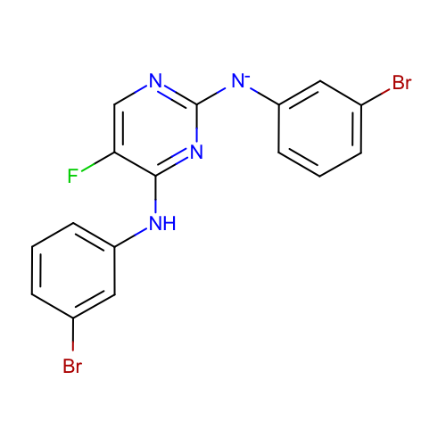 | SM21_micro005 | c1cc(cc(c1)Br)Nc2c(cnc(n2)[N-]c3cccc(c3)Br)F
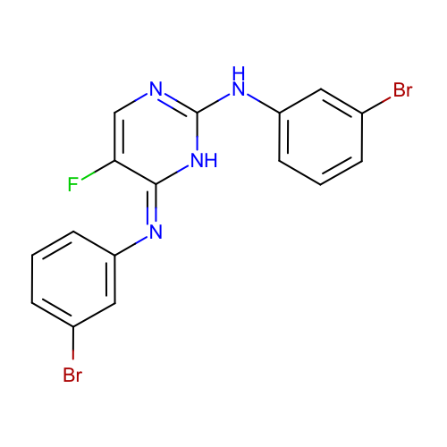 | SM21_micro006 | c1cc(cc(c1)Br)Nc2[nH]/c(=N/c3cccc(c3)Br)/c(cn2)F
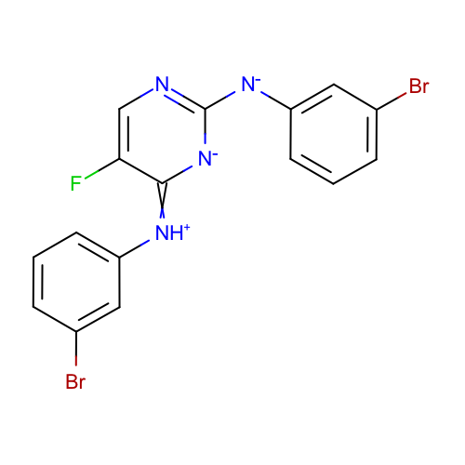 | SM21_micro007 | c1cc(cc(c1)Br)[NH+]=c2c(cnc([n-]2)[N-]c3cccc(c3)Br)F | deprecated
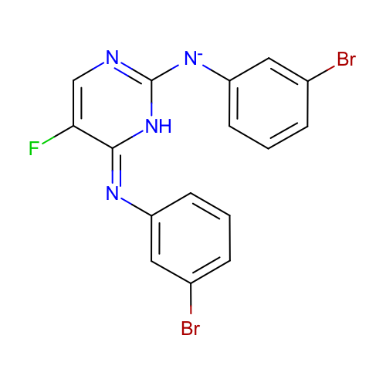 | SM21_micro008 | c1cc(cc(c1)Br)[N-]c2[nH]/c(=N\c3cccc(c3)Br)/c(cn2)F | deprecated
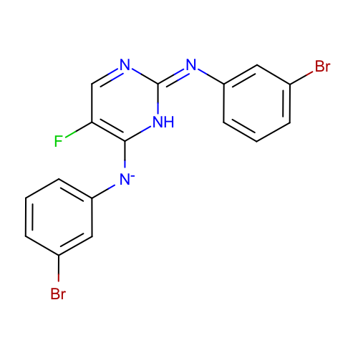 | SM21_micro009 | c1cc(cc(c1)Br)[N-]c2c(cn/c(=N/c3cccc(c3)Br)/[nH]2)F | deprecated
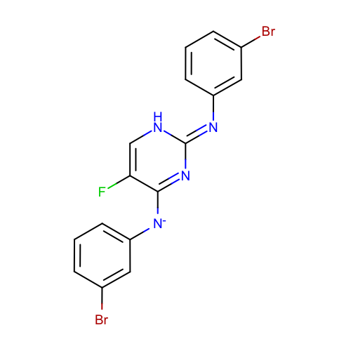 | SM21_micro010 | c1cc(cc(c1)Br)[N-]c2c(c[nH]/c(=N\c3cccc(c3)Br)/n2)F | deprecated
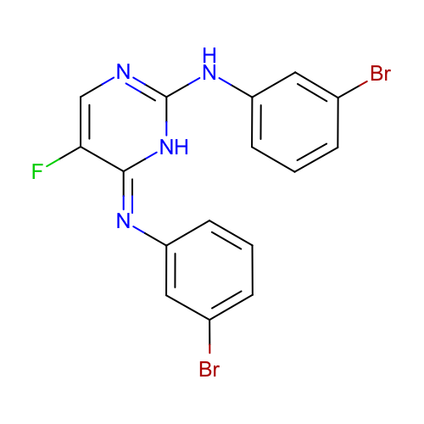 | SM21_micro011 | c1cc(cc(c1)Br)Nc2[nH]/c(=N\c3cccc(c3)Br)/c(cn2)F | deprecated
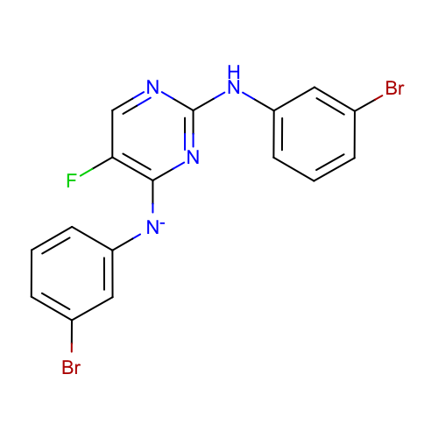 | SM21_micro012 | c1cc(cc(c1)Br)Nc2ncc(c(n2)[N-]c3cccc(c3)Br)F
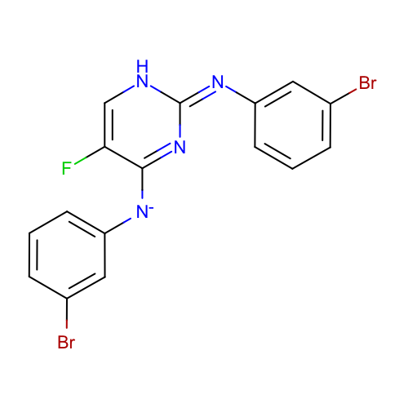 | SM21_micro013 | c1cc(cc(c1)Br)[N-]c2c(c[nH]/c(=N/c3cccc(c3)Br)/n2)F | deprecated
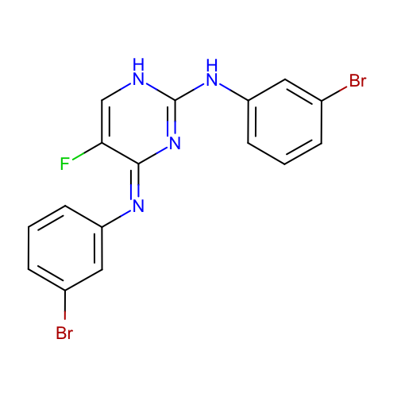 | SM21_micro014 | c1cc(cc(c1)Br)Nc2[nH]cc(/c(=N\c3cccc(c3)Br)/n2)F
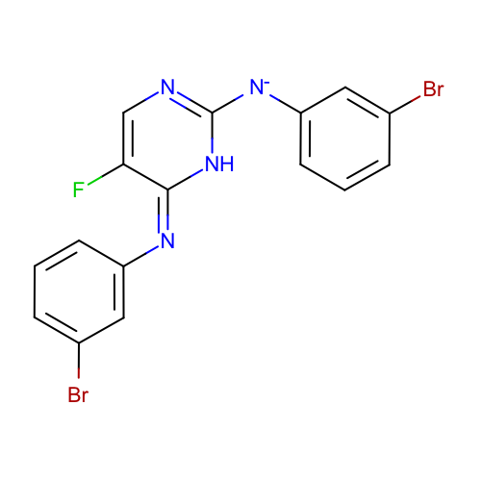 | SM21_micro015 | c1cc(cc(c1)Br)[N-]c2[nH]/c(=N/c3cccc(c3)Br)/c(cn2)F
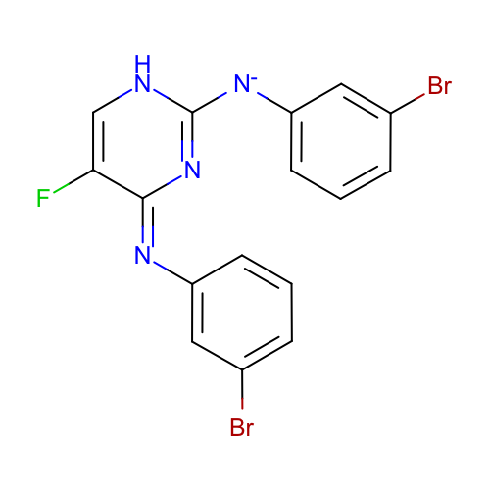 | SM21_micro016 | c1cc(cc(c1)Br)[N-]c2[nH]cc(/c(=N/c3cccc(c3)Br)/n2)F
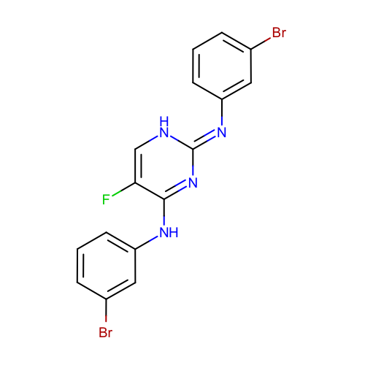 | SM21_micro017 | c1cc(cc(c1)Br)Nc2c(c[nH]/c(=N\c3cccc(c3)Br)/n2)F | deprecated
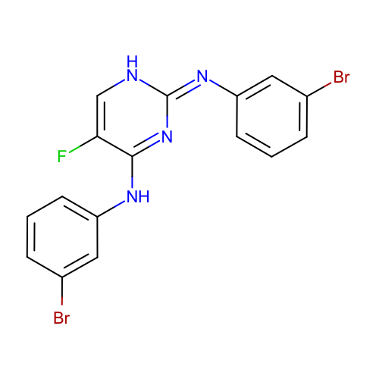 | SM21_micro018 | c1cc(cc(c1)Br)Nc2c(c[nH]/c(=N/c3cccc(c3)Br)/n2)F
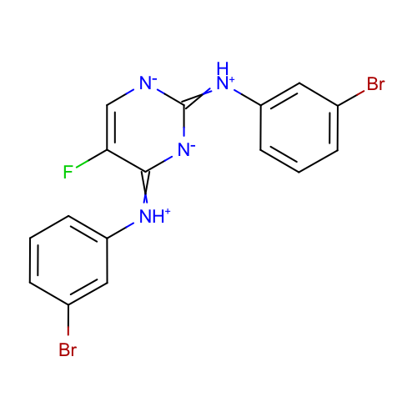 | SM21_micro019 | c1cc(cc(c1)Br)[NH+]=c2c(c[n-]c(=[NH+]c3cccc(c3)Br)[n-]2)F | deprecated
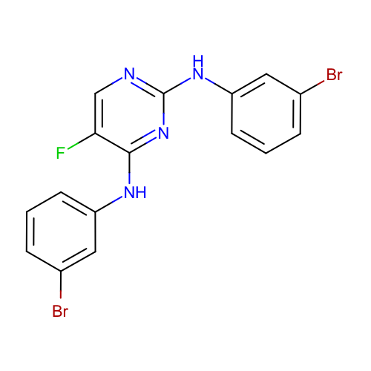 | SM21_micro020 | c1cc(cc(c1)Br)Nc2c(cnc(n2)Nc3cccc(c3)Br)F | deprecated
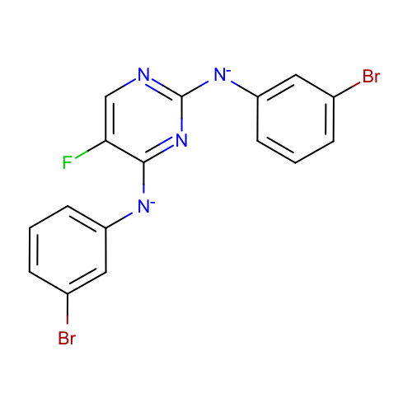 | SM21_micro021 | c1cc(cc(c1)Br)[N-]c2c(cnc(n2)[N-]c3cccc(c3)Br)F
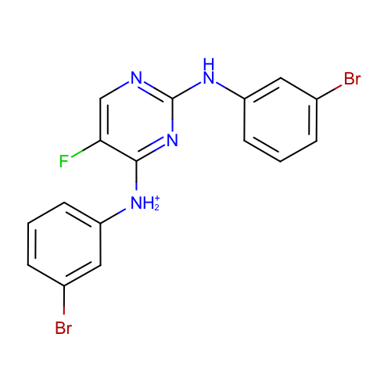 | SM21_micro022 | c1cc(cc(c1)Br)[NH2+]c2c(cnc(n2)Nc3cccc(c3)Br)F
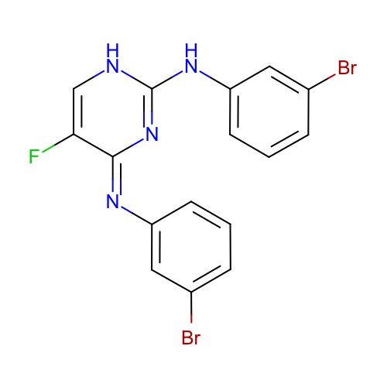 | SM21_micro023 | c1cc(cc(c1)Br)Nc2[nH]cc(/c(=N/c3cccc(c3)Br)/n2)F | deprecated
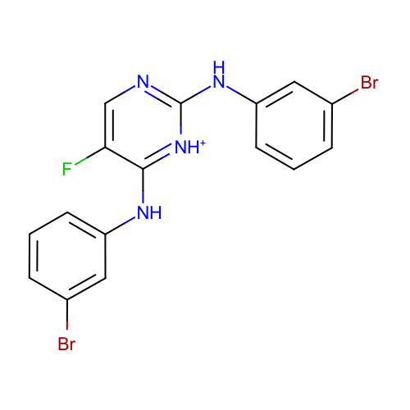 | SM21_micro024 | c1cc(cc(c1)Br)Nc2c(cnc([nH+]2)Nc3cccc(c3)Br)F
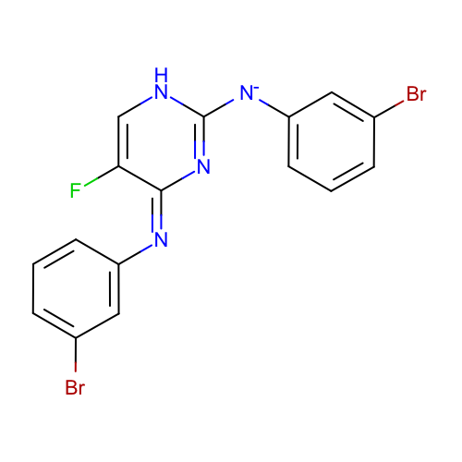 | SM21_micro025 | c1cc(cc(c1)Br)[N-]c2[nH]cc(/c(=N\c3cccc(c3)Br)/n2)F
 | SM21_micro026 | Brc1cccc(NC(C(F)=CN/2)=[NH+]C2=[NH+]/c3cc(Br)ccc3)c1 | added
 | SM21_micro027 | Brc1cccc([NH2+]C(C(F)=CN/2)=NC2=[NH+]/c3cc(Br)ccc3)c1 | added
 | SM21_micro028 | Brc1cccc([NH2+]C2=[NH+]C(Nc3cc(Br)ccc3)=NC=C2F)c1 | added
 | SM21_micro029 | Brc1cccc(NC2=[NH+]C([NH2+]c3cc(Br)ccc3)=NC=C2F)c1 | added
 | SM21_micro030 | Brc1cccc(NC2=NC([NH2+]c3cc(Br)ccc3)=[NH+]C=C2F)c1 | added
 | SM21_micro031 | Brc1cccc([NH2+]C2=NC([NH2+]c3cc(Br)ccc3)=NC=C2F)c1 | added
 | SM21_micro032 | Brc1cccc([NH2+]C2=[NH+]C(Nc3cc(Br)ccc3)=[NH+]C=C2F)c1 | added
 | SM21_micro033 | Brc1cccc([NH2+]C2=[NH+]C([NH2+]c3cc(Br)ccc3)=NC=C2F)c1 | added
 | SM21_micro034 | Brc1cccc(NC2=[NH+]C([NH2+]c3cc(Br)ccc3)=[NH+]C=C2F)c1 | added
 | SM21_micro035 | Brc1cccc([NH2+]C2=NC([NH2+]c3cc(Br)ccc3)=[NH+]C=C2F)c1 | added
 | SM21_micro036 | Brc1cccc([NH2+]C2=[NH+]C([NH2+]c3cc(Br)ccc3)=[NH+]C=C2F)c1 | added

