Sheet1
df_frag_final_oe.csv
Molecule | pKas in [3,11] | XlogP | MolWt | Availability (mg) | Price ($/100 mg) | N_Rot | eMolecules ID | eMolecules SMILES
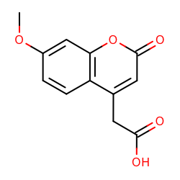 | [3.621] | 0.67 | 234.21 | 3439.8 | 223.0 | 3 | 490595 | COc1ccc2c(c1)oc(=O)cc2CC(=O)O
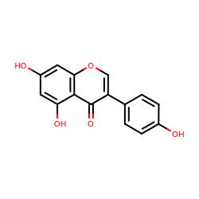 | [8.584, 9.84, 10.869] | 0.89 | 270.24 | 1015.0 | 168.0 | 1 | 532754 | Oc1ccc(cc1)c1coc2c(c1=O)c(O)cc(c2)O
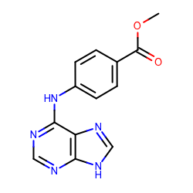 | [3.923, 9.999] | 0.85 | 269.26 | 108.0 | 275.0 | 4 | 4934119 | COC(=O)c1ccc(cc1)Nc1ncnc2c1nc[nH]2
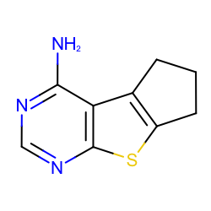 | [4.048] | 1.04 | 191.25 | 1026.0 | 168.0 | 0 | 2867544 | Nc1ncnc2c1c1CCCc1s2
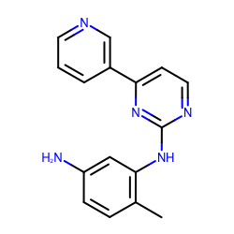 | [3.887, 4.98] | 1.30 | 277.32 | 101.1 | 400.0 | 3 | 2727697 | Nc1ccc(c(c1)Nc1nccc(n1)c1cccnc1)C
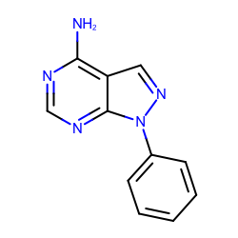 | [3.869] | 1.50 | 211.22 | 3430.0 | 414.0 | 1 | 719540 | Nc1ncnc2c1cnn2c1ccccc1
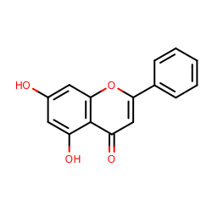 | [8.416, 10.823] | 1.71 | 254.24 | 1056.0 | 168.0 | 1 | 493608 | Oc1cc(O)c2c(c1)oc(cc2=O)c1ccccc1
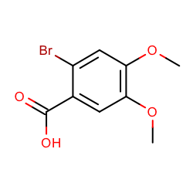 | [3.005] | 1.70 | 261.07 | 10134.0 | 168.0 | 3 | 508324 | COc1cc(C(=O)O)c(cc1OC)Br
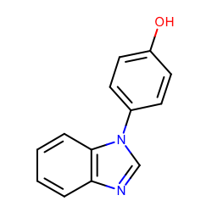 | [5.82, 8.709] | 2.22 | 210.23 | 21650.2 | 148.0 | 1 | 37095168 | Oc1ccc(cc1)n1cnc2c1cccc2
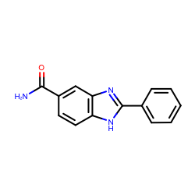 | [6.342] | 2.19 | 237.26 | 2000.0 | 168.0 | 2 | 37053191 | NC(=O)c1ccc2c(c1)nc([nH]2)c1ccccc1
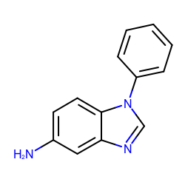 | [6.348] | 2.33 | 209.25 | 50213.0 | 148.0 | 1 | 31653344 | Nc1ccc2c(c1)ncn2c1ccccc1
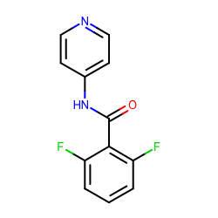 | [4.714, 10.538] | 2.30 | 234.20 | 100.0 | 168.0 | 3 | 2042282 | O=C(c1c(F)cccc1F)Nc1ccncc1
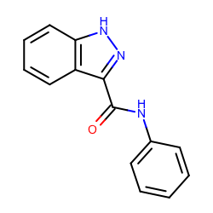 | [8.398] | 2.64 | 237.26 | 762.8 | 223.0 | 3 | 13419113 | O=C(c1n[nH]c2c1cccc2)Nc1ccccc1
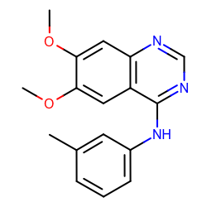 | [4.267] | 2.60 | 295.34 | 1864.0 | 414.0 | 4 | 5828805 | COc1cc2c(ncnc2cc1OC)Nc1cccc(c1)C
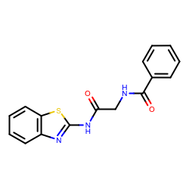 | [8.672] | 2.72 | 311.36 | 149.1 | 148.0 | 6 | 23354217 | O=C(Nc1nc2c(s1)cccc2)CNC(=O)c1ccccc1
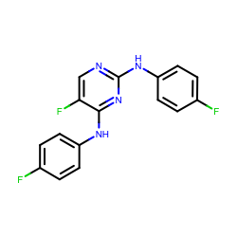 | [3.892] | 2.81 | 316.28 | 105.0 | 168.0 | 4 | 1698122 | Fc1ccc(cc1)Nc1ncc(c(n1)Nc1ccc(cc1)F)F
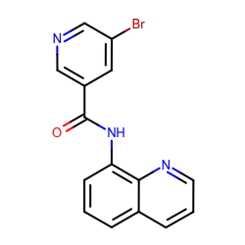 | [4.001, 10.328] | 2.92 | 328.16 | 406.0 | 148.0 | 3 | 18893169 | Brc1cncc(c1)C(=O)Nc1cccc2c1nccc2
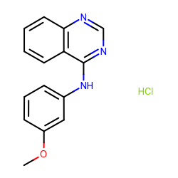 | [4.05] | 3.14 | 287.74 | 119.7 | 148.0 | 3 | 1865544 | COc1cccc(c1)Nc1ncnc2c1cccc2.Cl
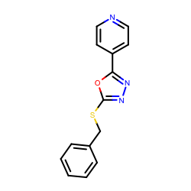 | [4.902] | 3.31 | 269.32 | 170.0 | 168.0 | 4 | 1444229 | c1ccc(cc1)CSc1nnc(o1)c1ccncc1
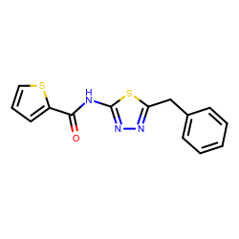 | [7.12] | 3.61 | 301.39 | 379.0 | 148.0 | 5 | 1228629 | O=C(c1cccs1)Nc1nnc(s1)Cc1ccccc1
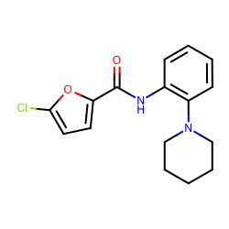 | [5.346] | 3.79 | 304.77 | 424.3 | 148.0 | 4 | 18908671 | Clc1ccc(o1)C(=O)Nc1ccccc1N1CCCCC1
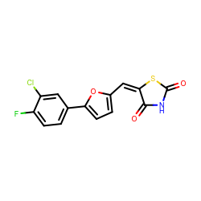 | [8.052] | 3.91 | 323.73 | 125.0 | 168.0 | 2 | 25775231 | O=C1S/C(=C/c2ccc(o2)c2ccc(c(c2)Cl)F)/C(=O)N1
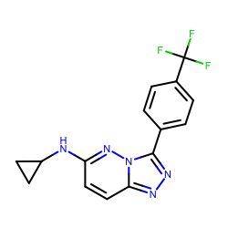 | [4.394] | 4.13 | 319.28 | 3175.0 | 414.0 | 4 | 5784088 | FC(c1ccc(cc1)c1nnc2n1nc(cc2)NC1CC1)(F)F
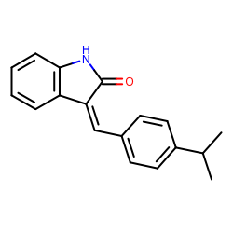 | [3.158] | 4.23 | 263.33 | 283.7 | 400.0 | 2 | 45809595 | O=C1Nc2c(/C/1=C/c1ccc(cc1)C(C)C)cccc2
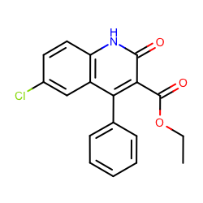 | [8.549] | 4.52 | 327.76 | 1059.0 | 168.0 | 4 | 703997 | CCOC(=O)c1c(=O)[nH]c2c(c1c1ccccc1)cc(cc2)Cl

