All
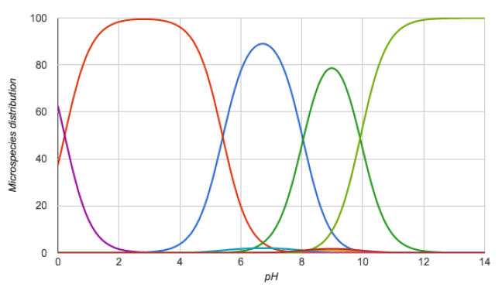
Molecule ID | Chemicalize-1 | Closest Exp Match | Chemicalize-2 | Closest Exp Match | Difference between versions
SM01 | 9.44 |  | 9.44 |  | 0
SM01 | 14.71 |  | 14.71 |  | 0
SM02 | 4.01 |  | 4.01 |  | 0
SM02 | 15.64 |  | 15.64 |  | 0
SM03 | -0.31 |  | -0.31 |  | 0
SM03 | 7.68 |  | 7.68 |  | 0
SM04 | -1.61 |  | -1.61 |  | 0
SM04 | 4.83 |  | 4.83 |  | 0
SM05 | 4.19 |  | 4.19 |  | 0
SM05 | 13.53 |  | 13.53 |  | 0
SM06 | 1.83 |  | 1.83 |  | 0
SM06 | 3.42 |  | 3.42 |  | 0
SM06 | 13.85 |  | 13.85 |  | 0
SM07 | -1.61 |  | -1.61 |  | 0
SM07 | 4.83 |  | 4.83 |  | 0
SM08 | -1.64 |  | -1.64 |  | 0
SM08 | 4.2 |  | 4.2 |  | 0
SM08 | 13.72 |  | 13.72 |  | 0
SM09 | 4 |  | 4 |  | 0
SM09 | 15.62 |  | 15.62 |  | 0
SM10 | -1.37 |  | -1.37 |  | 0
SM10 | -0.57 |  | -0.57 |  | 0
SM10 | 7.77 |  | 7.77 |  | 0
SM10 | 15.06 |  | 15.06 |  | 0
SM11 | -0.54 |  | -0.54 |  | 0
SM11 | 3.42 |  | 3.42 |  | 0
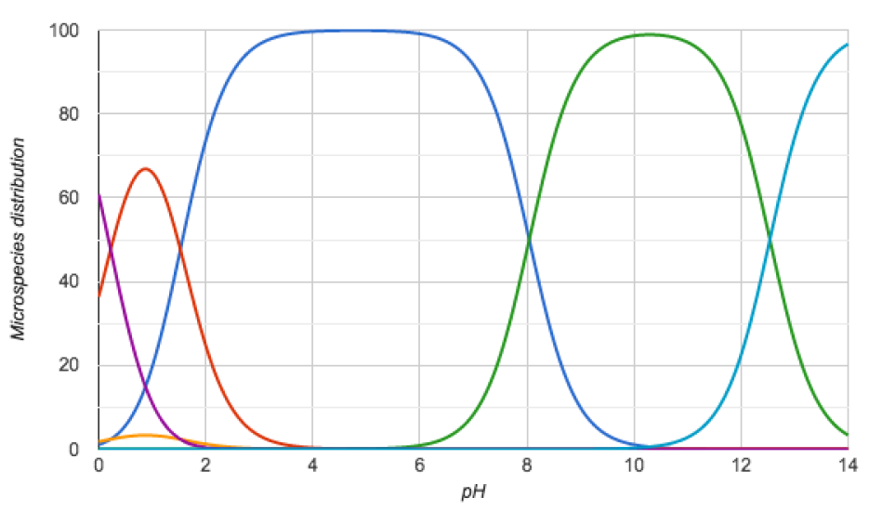
SM12 | 4.01 |  | 4.01 |  | 0
SM12 | 15.6 |  | 15.6 |  | 0
SM13 | -1.4 |  | -1.4 |  | 0
SM13 | 4.68 |  | 4.68 |  | 0
SM14 | 0.93 |  | 0.93 |  | 0
SM14 | 6.4 |  | 6.4 |  | 0
SM15 | 4.91 |  | 4.91 |  | 0
SM15 | 10.64 |  | 10.64 |  | 0
SM16 | 5.61 |  | 5.61 |  | 0
SM16 | 13.98 |  | 13.98 |  | 0
SM17 | 2.48 |  | 2.48 |  | 0
SM18 | 0.22 |  | 0.2 |  | -0.02
SM18 | 5.4 |  | 1.55 |  | -3.85 | 2.15
SM18 | 8.04 |  | 8.04 |  | 0 | 9.58
SM18 | 9.93 |  | 12.54 |  | 2.61 | 11.02
SM19 | -0.42 |  | -0.42 |  | 0
SM19 | 7.89 |  | 7.89 |  | 0
SM20 | 7.2 |  | 7.2 |  | 0
SM21 | 1.95 |  | 1.95 |  | 0
SM21 | 13.32 |  | 13.32 |  | 0
SM21 | 14.72 |  | 14.72 |  | 0
SM22 | 3.34 |  | 3.34 |  | 0
SM22 | 7.39 |  | 7.39 |  | 0
SM23 | 5.02 |  | 5.02 |  | 0
SM23 | 12.45 |  | 12.45 |  | 0
SM23 | 15.88 |  | 15.88 |  | 0
SM24 | 3.09 |  | 3.09 |  | 0
SM24 | 15.59 |  | 15.59 |  | 0

