Sheet1
df_frag_final_oe.csv
Molecule | eMolecules SMILES | pKas in [3,11] | XlogP | MolWt | Availability (mg) | Price | group | N_Rot | N_UV_chrom | Selection | Bin index | Priority | Final list | canonical isomeric SMILES | eMolecules ID
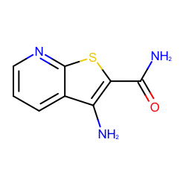 | NC(=O)c1sc2c(c1N)cccn2 | [3.454, 10.685] | 0.25700002908706665 | 193.226 | 970.0 | 168.0 | fragment-like | 1 | 15 | picked | 1 | 1 | True | c1cc2c(c(sc2nc1)C(=O)N)N | 7616001
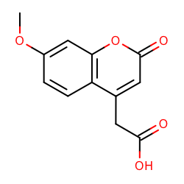 | COc1ccc2c(c1)oc(=O)cc2CC(=O)O | [3.621] | 0.6690000891685486 | 234.205 | 3439.8 | 223.0 | fragment-like | 3 | 29 | picked | 3 | 1 | True | COc1ccc2c(cc(=O)oc2c1)CC(=O)O | 490595
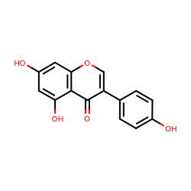 | Oc1ccc(cc1)c1coc2c(c1=O)c(O)cc(c2)O | [8.584, 9.84, 10.869] | 0.8870003223419191 | 270.237 | 1015.0 | 168.0 | fragment-like | 1 | 56 | picked | 4 | 1 | True | c1cc(ccc1c2coc3cc(cc(c3c2=O)O)O)O | 532754
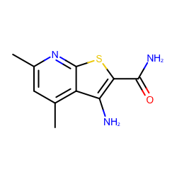 | Cc1cc(C)c2c(n1)sc(c2N)C(=O)N | [4.423, 10.789] | 0.7890000343322754 | 221.279 | 1070.0 | 168.0 | fragment-like | 1 | 15 | picked | 4 | 2 | True | Cc1cc(nc2c1c(c(s2)C(=O)N)N)C | 827004
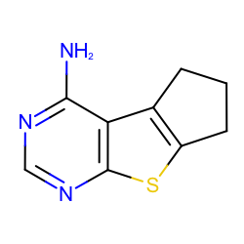 | Nc1ncnc2c1c1CCCc1s2 | [4.048] | 1.0429999828338623 | 191.253 | 1026.0 | 168.0 | fragment-like | 0 | 10 | picked | 5 | 1 | True | c1nc(c2c3c(sc2n1)CCC3)N | 2867544
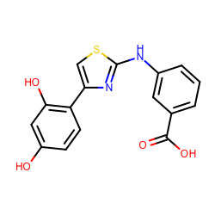 | Oc1ccc(c(c1)O)c1csc(n1)Nc1cccc(c1)C(=O)O | [4.157, 9.093] | 1.421000361442566 | 328.342 | 177.0 | 168.0 | fragment-like | 4 | 36 | picked | 7 | 1 | True | c1cc(cc(c1)Nc2nc(cs2)c3ccc(cc3O)O)C(=O)O | 1457396
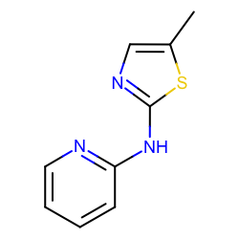 | Cc1cnc(s1)Nc1ccccn1 | [3.718, 6.011] | 1.4719998836517334 | 191.253 | 1015.0 | 168.0 | fragment-like | 2 | 9 | picked | 7 | 2 | True | Cc1cnc(s1)Nc2ccccn2 | 44750813
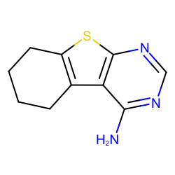 | Nc1ncnc2c1c1CCCCc1s2 | [4.062] | 1.537000060081482 | 205.279 | 3114.0 | 275.0 | fragment-like | 0 | 10 | picked | 8 | 1 | True | c1nc(c2c3c(sc2n1)CCCC3)N | 827097
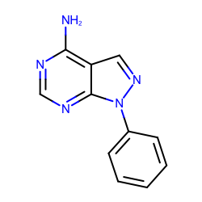 | Nc1ncnc2c1cnn2c1ccccc1 | [3.869] | 1.4990001916885376 | 211.223 | 3430.0 | 414.0 | fragment-like | 1 | 31 | picked | 8 | 2 | True | c1ccc(cc1)n2c3c(cn2)c(ncn3)N | 719540
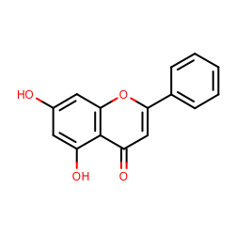 | Oc1cc(O)c2c(c1)oc(cc2=O)c1ccccc1 | [8.416, 10.823] | 1.7130001783370972 | 254.238 | 1056.0 | 168.0 | fragment-like | 1 | 54 | picked | 9 | 1 | True | c1ccc(cc1)c2cc(=O)c3c(cc(cc3o2)O)O | 493608
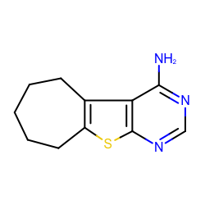 | Nc1ncnc2c1c1CCCCCc1s2 | [4.064] | 2.0309998989105225 | 219.306 | 4273.0 | 414.0 | fragment-like | 0 | 10 | picked | 10 | 1 | True | c1nc(c2c3c(sc2n1)CCCCC3)N | 1339083
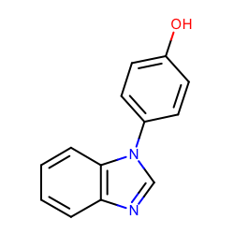 | Oc1ccc(cc1)n1cnc2c1cccc2 | [5.82, 8.709] | 2.2190003395080566 | 210.231 | 21650.2 | 148.0 | fragment-like | 1 | 40 | picked | 11 | 1 | True | c1ccc2c(c1)ncn2c3ccc(cc3)O | 37095168
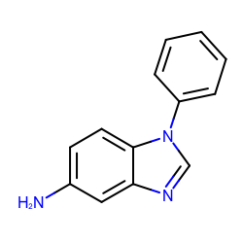 | Nc1ccc2c(c1)ncn2c1ccccc1 | [6.348] | 2.3329999446868896 | 209.247 | 50213.0 | 148.0 | fragment-like | 1 | 40 | picked | 12 | 1 | True | c1ccc(cc1)n2cnc3c2ccc(c3)N | 31653344
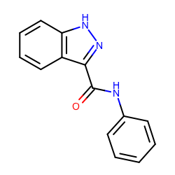 | O=C(c1n[nH]c2c1cccc2)Nc1ccccc1 | [8.398] | 2.6429998874664307 | 237.257 | 762.8 | 223.0 | fragment-like | 3 | 36 | picked | 13 | 1 | True | c1ccc(cc1)NC(=O)c2c3ccccc3[nH]n2 | 13419113
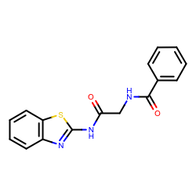 | O=C(Nc1nc2c(s1)cccc2)CNC(=O)c1ccccc1 | [8.672] | 2.7179999351501465 | 311.358 | 149.1 | 148.0 | fragment-like | 6 | 28 | picked | 14 | 1 | True | c1ccc(cc1)C(=O)NCC(=O)Nc2nc3ccccc3s2 | 23354217
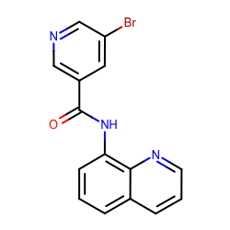 | Brc1cncc(c1)C(=O)Nc1cccc2c1nccc2 | [4.001, 10.328] | 2.922999620437622 | 328.163 | 406.0 | 148.0 | fragment-like | 3 | 37 | picked | 15 | 1 | True | c1cc2cccnc2c(c1)NC(=O)c3cc(cnc3)Br | 18893169
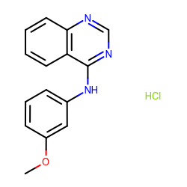 | COc1cccc(c1)Nc1ncnc2c1cccc2.Cl | [4.05] | 3.138999938964844 | 287.744 | 119.7 | 148.0 | fragment-like | 3 | 36 | picked | 16 | 1 | True | COc1cccc(c1)Nc2c3ccccc3ncn2.Cl | 1865544
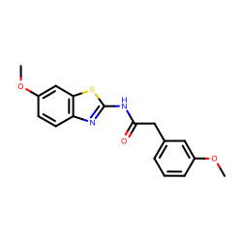 | COc1cccc(c1)CC(=O)Nc1nc2c(s1)cc(cc2)OC | [9.2] | 3.3970003128051762 | 328.386 | 436.5 | 148.0 | fragment-like | 6 | 28 | picked | 17 | 1 | True | COc1cccc(c1)CC(=O)Nc2nc3ccc(cc3s2)OC | 12272961
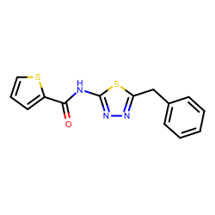 | O=C(c1cccs1)Nc1nnc(s1)Cc1ccccc1 | [7.12] | 3.6050002574920654 | 301.387 | 379.0 | 148.0 | fragment-like | 5 | 14 | picked | 18 | 1 | True | c1ccc(cc1)Cc2nnc(s2)NC(=O)c3cccs3 | 1228629
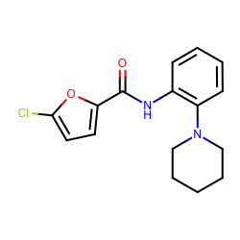 | Clc1ccc(o1)C(=O)Nc1ccccc1N1CCCCC1 | [5.346] | 3.794999837875366 | 304.771 | 424.3 | 148.0 | fragment-like | 4 | 18 | picked | 19 | 1 | True | c1ccc(c(c1)NC(=O)c2ccc(o2)Cl)N3CCCCC3 | 18908671
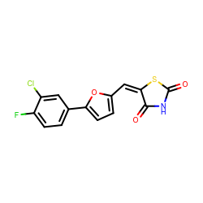 | O=C1S/C(=C/c2ccc(o2)c2ccc(c(c2)Cl)F)/C(=O)N1 | [8.052] | 3.9079997539520255 | 323.7270000000001 | 125.0 | 168.0 | fragment-like | 2 | 31 | picked | 20 | 1 | True | c1cc(c(cc1c2ccc(o2)/C=C/3\C(=O)NC(=O)S3)Cl)F | 25775231
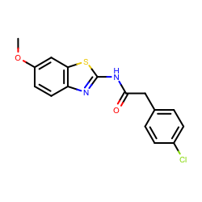 | COc1ccc2c(c1)sc(n2)NC(=O)Cc1ccc(cc1)Cl | [9.2] | 4.1570000648498535 | 332.805 | 427.0 | 168.0 | fragment-like | 5 | 28 | picked | 21 | 1 | True | COc1ccc2c(c1)sc(n2)NC(=O)Cc3ccc(cc3)Cl | 2393398
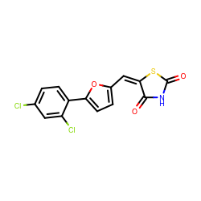 | O=C1S/C(=C/c2ccc(o2)c2ccc(cc2Cl)Cl)/C(=O)N1 | [8.052] | 4.389000415802002 | 340.181 | 647.0 | 168.0 | fragment-like | 2 | 31 | picked | 22 | 1 | True | c1cc(c(cc1Cl)Cl)c2ccc(o2)/C=C/3\C(=O)NC(=O)S3 | 25775229
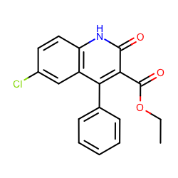 | CCOC(=O)c1c(=O)[nH]c2c(c1c1ccccc1)cc(cc2)Cl | [8.549] | 4.517000198364258 | 327.76199999999994 | 1059.0 | 168.0 | fragment-like | 4 | 59 | picked | 23 | 1 | True | CCOC(=O)c1c(c2cc(ccc2[nH]c1=O)Cl)c3ccccc3 | 703997
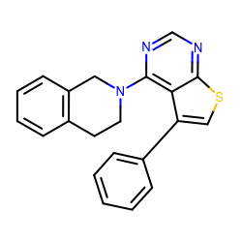 | c1ccc(cc1)c1csc2c1c(ncn2)N1CCc2c(C1)cccc2 | [3.271] | 4.7850003242492685 | 343.445 | 142.0 | 533.0 | fragment-like | 2 | 50 | picked | 24 | 1 | True | c1ccc(cc1)c2csc3c2c(ncn3)N4CCc5ccccc5C4 | 688047

