Sheet1
Microstate List
Molecule | microstate ID | canonical isomeric SMILES | remarks
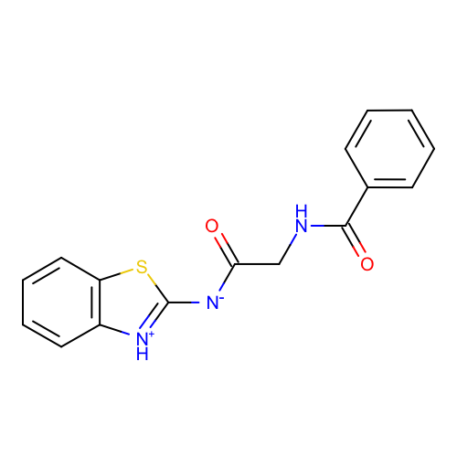 | SM10_micro001 | c1ccc(cc1)C(=O)NCC(=O)[N-]c2[nH+]c3ccccc3s2 | deprecated
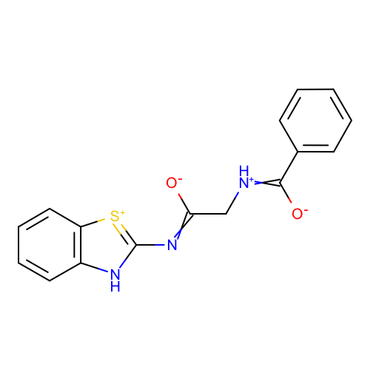 | SM10_micro012 | c1ccc(cc1)C(=[NH+]CC(=Nc2[nH]c3ccccc3[s+]2)[O-])[O-] | deprecated
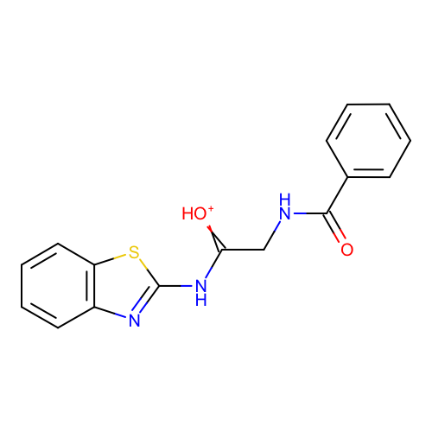 | SM10_micro025 | c1ccc(cc1)C(=O)NCC(=[OH+])Nc2nc3ccccc3s2 | deprecated
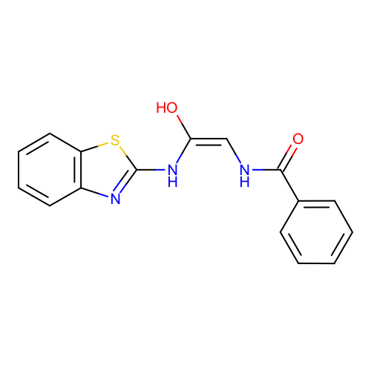 | SM10_micro029 | c1ccc(cc1)C(=O)N/C=C(\Nc2nc3ccccc3s2)/O | deprecated
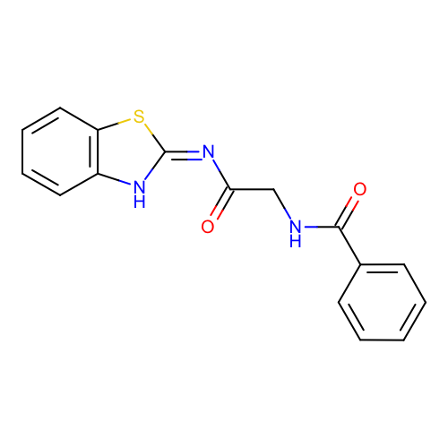 | SM10_micro035 | c1ccc(cc1)C(=O)NCC(=O)/N=c/2\[nH]c3ccccc3s2 | deprecated

