Sheet1
Microstate List
Molecule | microstate ID | canonical isomeric SMILES | canonical SMILES
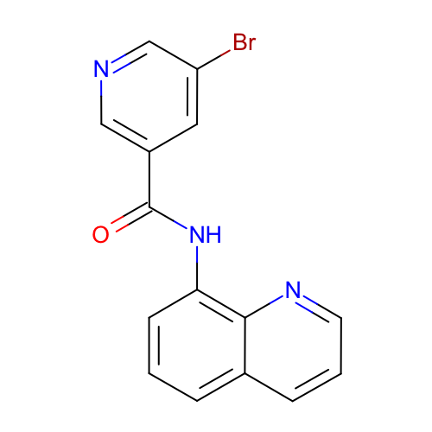 | SM06_micro001 | c1cc2cccnc2c(c1)NC(=O)c3cc(cnc3)Br | c1cc2cccnc2c(c1)NC(=O)c3cc(cnc3)Br
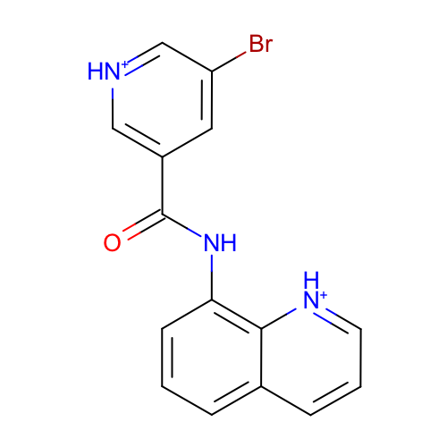 | SM06_micro002 | c1cc2ccc[nH+]c2c(c1)NC(=O)c3cc(c[nH+]c3)Br | c1cc2ccc[nH+]c2c(c1)NC(=O)c3cc(c[nH+]c3)Br
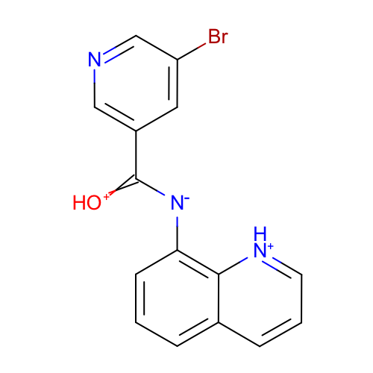 | SM06_micro003 | c1cc2ccc[nH+]c2c(c1)[N-]C(=[OH+])c3cc(cnc3)Br | c1cc2ccc[nH+]c2c(c1)[N-]C(=[OH+])c3cc(cnc3)Br
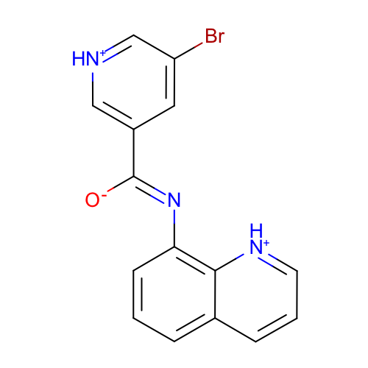 | SM06_micro004 | c1cc2ccc[nH+]c2c(c1)/N=C(/c3cc(c[nH+]c3)Br)\[O-] | c1cc2ccc[nH+]c2c(c1)N=C(c3cc(c[nH+]c3)Br)[O-]
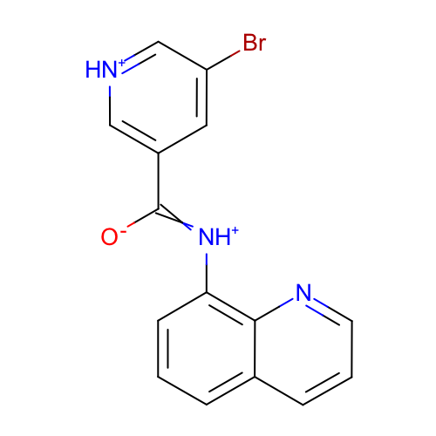 | SM06_micro005 | c1cc2cccnc2c(c1)[NH+]=C(c3cc(c[nH+]c3)Br)[O-] | c1cc2cccnc2c(c1)[NH+]=C(c3cc(c[nH+]c3)Br)[O-]
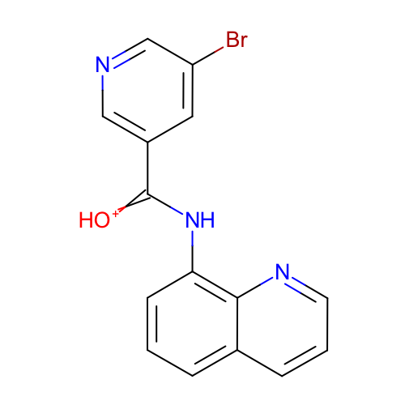 | SM06_micro006 | c1cc2cccnc2c(c1)NC(=[OH+])c3cc(cnc3)Br | c1cc2cccnc2c(c1)NC(=[OH+])c3cc(cnc3)Br
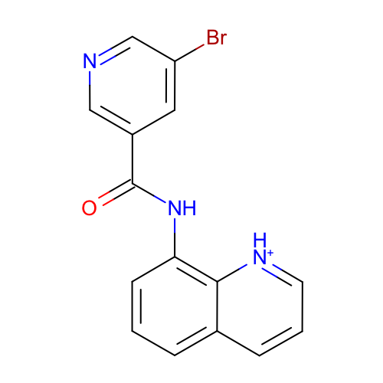 | SM06_micro007 | c1cc2ccc[nH+]c2c(c1)NC(=O)c3cc(cnc3)Br | c1cc2ccc[nH+]c2c(c1)NC(=O)c3cc(cnc3)Br
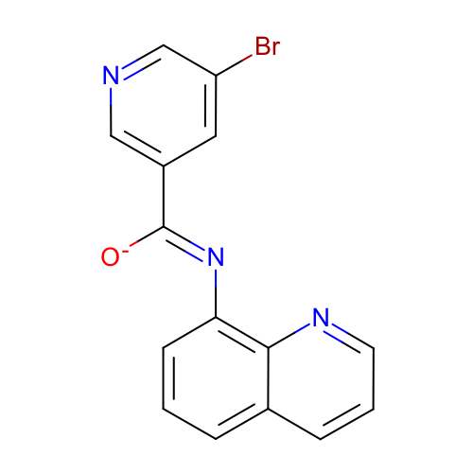 | SM06_micro008 | c1cc2cccnc2c(c1)/N=C(/c3cc(cnc3)Br)\[O-] | c1cc2cccnc2c(c1)N=C(c3cc(cnc3)Br)[O-]
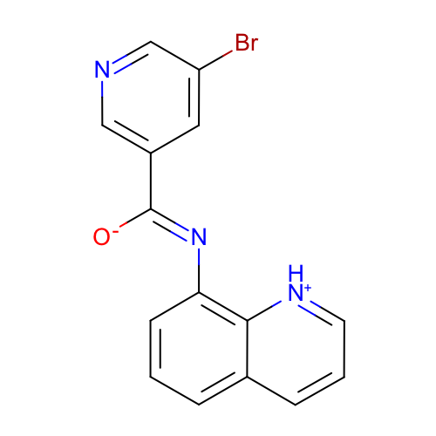 | SM06_micro009 | c1cc2ccc[nH+]c2c(c1)/N=C(/c3cc(cnc3)Br)\[O-] | c1cc2ccc[nH+]c2c(c1)N=C(c3cc(cnc3)Br)[O-]
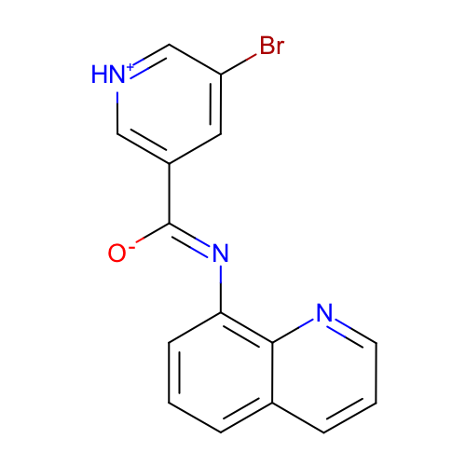 | SM06_micro010 | c1cc2cccnc2c(c1)/N=C(/c3cc(c[nH+]c3)Br)\[O-] | c1cc2cccnc2c(c1)N=C(c3cc(c[nH+]c3)Br)[O-]
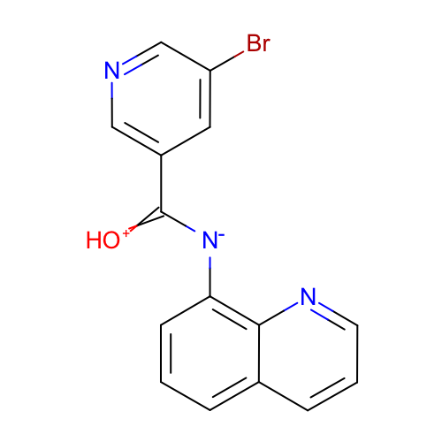 | SM06_micro011 | c1cc2cccnc2c(c1)[N-]C(=[OH+])c3cc(cnc3)Br | c1cc2cccnc2c(c1)[N-]C(=[OH+])c3cc(cnc3)Br
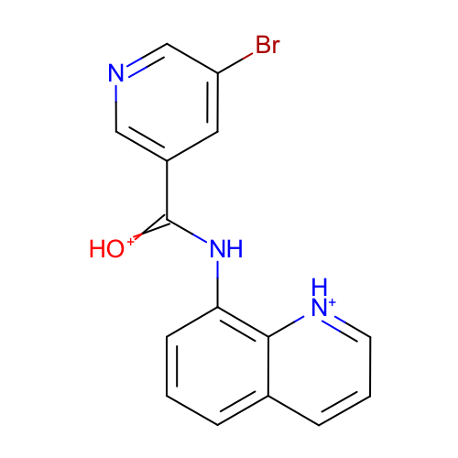 | SM06_micro012 | c1cc2ccc[nH+]c2c(c1)NC(=[OH+])c3cc(cnc3)Br | c1cc2ccc[nH+]c2c(c1)NC(=[OH+])c3cc(cnc3)Br

