Sheet1
Microstate List
Molecule | microstate ID | canonical isomeric SMILES | canonical SMILES
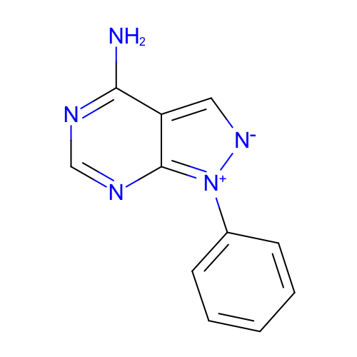 | SM11_micro005 | c1ccc(cc1)[n+]2c3c(c[n-]2)c(ncn3)N | c1ccc(cc1)[n+]2c3c(c[n-]2)c(ncn3)N
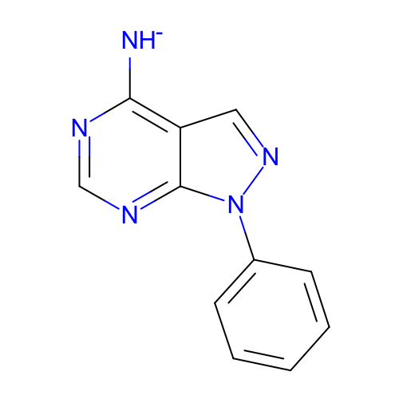 | SM11_micro007 | c1ccc(cc1)n2c3c(cn2)c(ncn3)[NH-] | c1ccc(cc1)n2c3c(cn2)c(ncn3)[NH-]
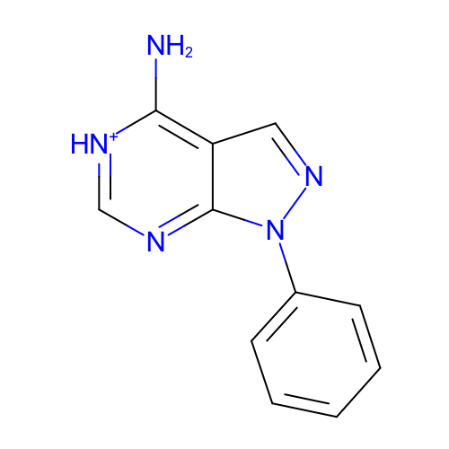 | SM11_micro008 | c1ccc(cc1)n2c3c(cn2)c([nH+]cn3)N | c1ccc(cc1)n2c3c(cn2)c([nH+]cn3)N
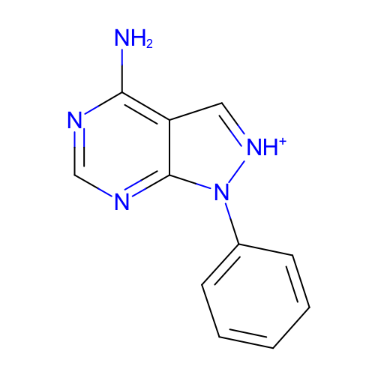 | SM11_micro009 | c1ccc(cc1)n2c3c(c[nH+]2)c(ncn3)N | c1ccc(cc1)n2c3c(c[nH+]2)c(ncn3)N
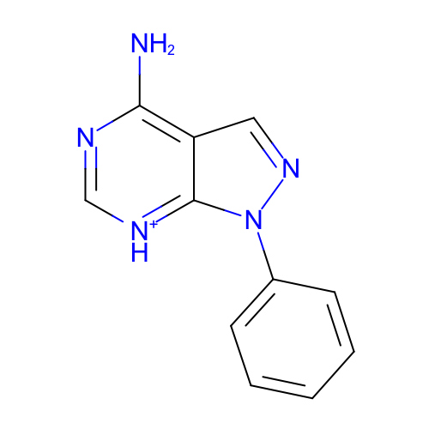 | SM11_micro011 | c1ccc(cc1)n2c3c(cn2)c(nc[nH+]3)N | c1ccc(cc1)n2c3c(cn2)c(nc[nH+]3)N
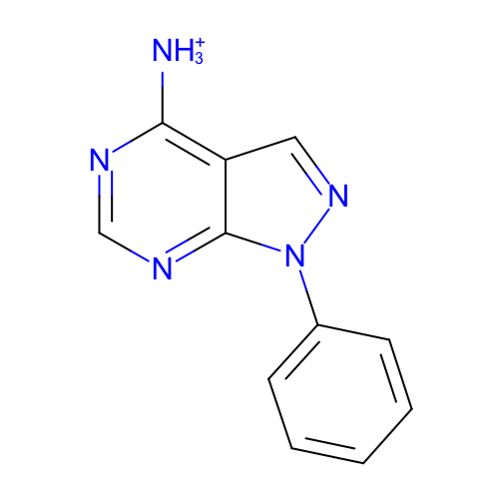 | SM11_micro013 | c1ccc(cc1)n2c3c(cn2)c(ncn3)[NH3+] | c1ccc(cc1)n2c3c(cn2)c(ncn3)[NH3+]
 | SM11_micro017 | c1ccc(cc1)n2c3c(cn2)c(nc[nH+]3)[NH3+] | c1ccc(cc1)n2c3c(cn2)c(nc[nH+]3)[NH3+]
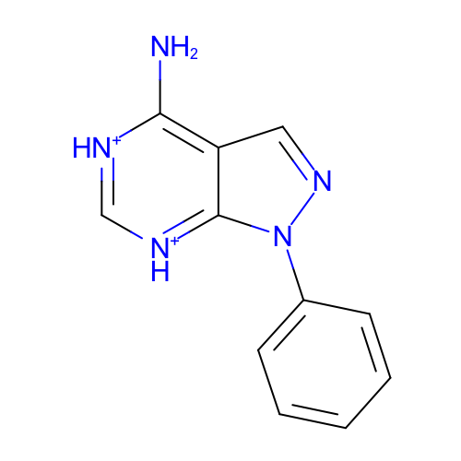 | SM11_micro018 | c1ccc(cc1)n2c3c(cn2)c([nH+]c[nH+]3)N | c1ccc(cc1)n2c3c(cn2)c([nH+]c[nH+]3)N
 | SM11_micro019 | c1ccc(cc1)n2c3c(cn2)c([nH+]cn3)[NH3+] | c1ccc(cc1)n2c3c(cn2)c([nH+]cn3)[NH3+]
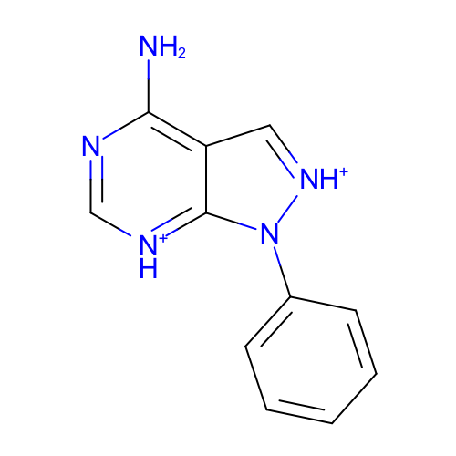 | SM11_micro021 | c1ccc(cc1)n2c3c(c[nH+]2)c(nc[nH+]3)N | c1ccc(cc1)n2c3c(c[nH+]2)c(nc[nH+]3)N
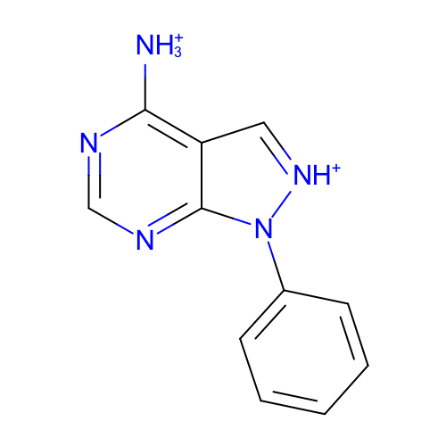 | SM11_micro022 | c1ccc(cc1)n2c3c(c[nH+]2)c(ncn3)[NH3+] | c1ccc(cc1)n2c3c(c[nH+]2)c(ncn3)[NH3+]
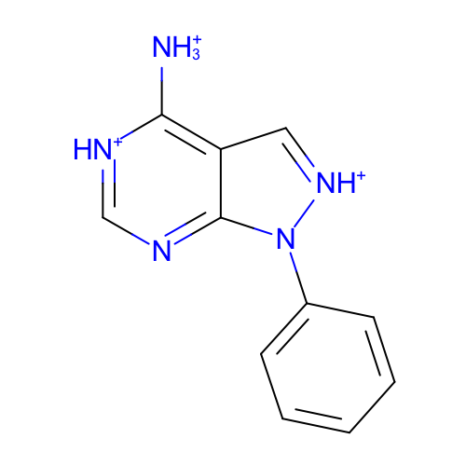 | SM11_micro023 | c1ccc(cc1)n2c3c(c[nH+]2)c([nH+]cn3)[NH3+] | c1ccc(cc1)n2c3c(c[nH+]2)c([nH+]cn3)[NH3+]
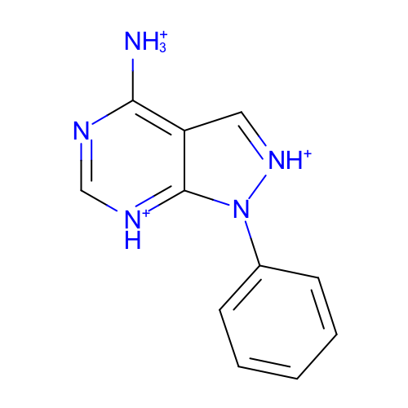 | SM11_micro024 | c1ccc(cc1)n2c3c(c[nH+]2)c(nc[nH+]3)[NH3+] | c1ccc(cc1)n2c3c(c[nH+]2)c(nc[nH+]3)[NH3+]
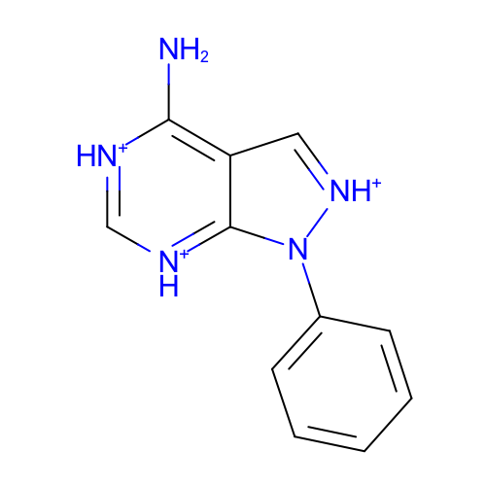 | SM11_micro025 | c1ccc(cc1)n2c3c(c[nH+]2)c([nH+]c[nH+]3)N | c1ccc(cc1)n2c3c(c[nH+]2)c([nH+]c[nH+]3)N
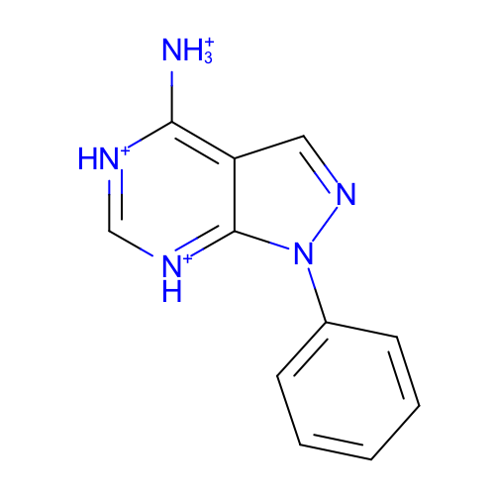 | SM11_micro026 | c1ccc(cc1)n2c3c(cn2)c([nH+]c[nH+]3)[NH3+] | c1ccc(cc1)n2c3c(cn2)c([nH+]c[nH+]3)[NH3+]
 | SM11_micro027 | c1ccc(cc1)n2c3c(c[nH+]2)c([nH+]c[nH+]3)[NH3+] | c1ccc(cc1)n2c3c(c[nH+]2)c([nH+]c[nH+]3)[NH3+]
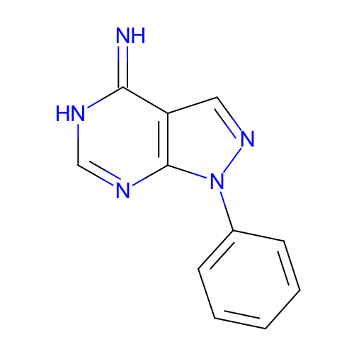 | SM11_micro028 | c1ccc(cc1)n2c3c(cn2)c(=N)[nH]cn3 | c1ccc(cc1)n2c3c(cn2)c(=N)[nH]cn3
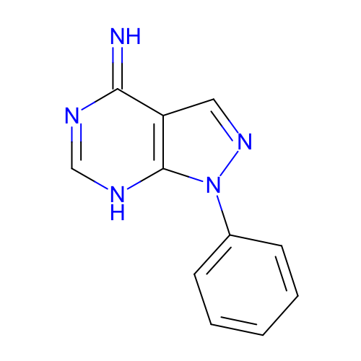 | SM11_micro029 | c1ccc(cc1)n2c3c(cn2)c(=N)nc[nH]3 | c1ccc(cc1)n2c3c(cn2)c(=N)nc[nH]3
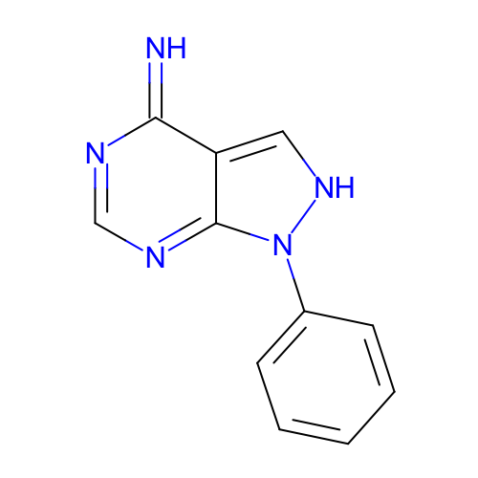 | SM11_micro030 | c1ccc(cc1)n2c-3ncnc(=N)c3c[nH]2 | c1ccc(cc1)n2c-3ncnc(=N)c3c[nH]2
 | SM11_micro031 | c1ccc(cc1)n2c3c(c[nH+]2)c([nH+]cn3)N | c1ccc(cc1)n2c3c(c[nH+]2)c([nH+]cn3)N

