Sheet1
Microstate List
Molecule | microstate ID | canonical isomeric SMILES | canonical SMILES
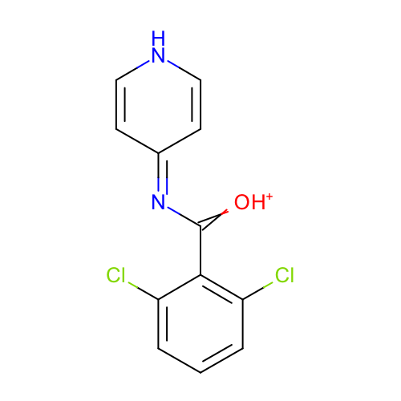 | SM16_micro001 | c1cc(c(c(c1)Cl)C(=[OH+])N=c2cc[nH]cc2)Cl | c1cc(c(c(c1)Cl)C(=[OH+])N=c2cc[nH]cc2)Cl
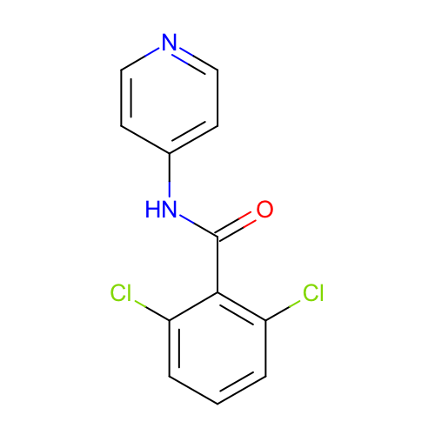 | SM16_micro002 | c1cc(c(c(c1)Cl)C(=O)Nc2ccncc2)Cl | c1cc(c(c(c1)Cl)C(=O)Nc2ccncc2)Cl
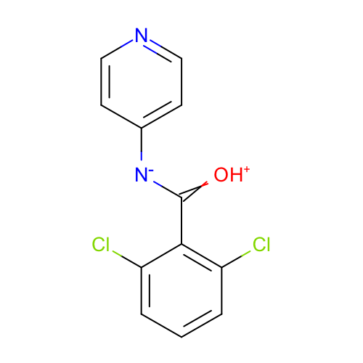 | SM16_micro003 | c1cc(c(c(c1)Cl)C(=[OH+])[N-]c2ccncc2)Cl | c1cc(c(c(c1)Cl)C(=[OH+])[N-]c2ccncc2)Cl
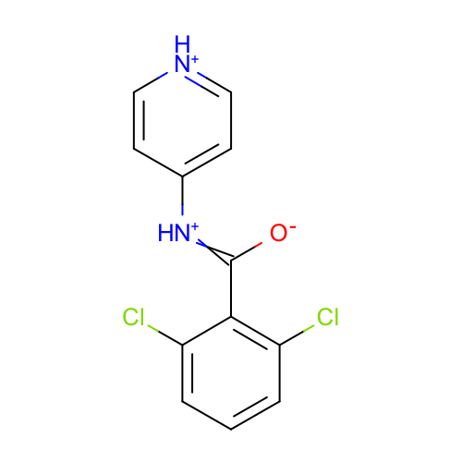 | SM16_micro004 | c1cc(c(c(c1)Cl)C(=[NH+]c2cc[nH+]cc2)[O-])Cl | c1cc(c(c(c1)Cl)C(=[NH+]c2cc[nH+]cc2)[O-])Cl
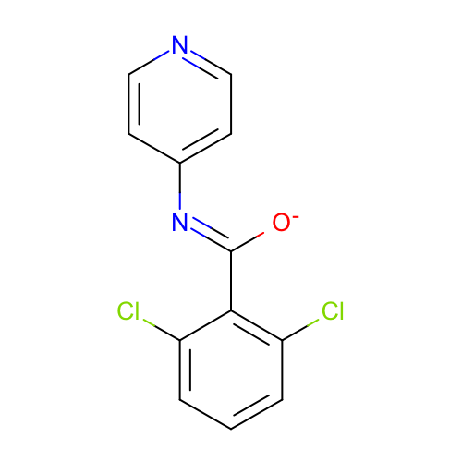 | SM16_micro005 | c1cc(c(c(c1)Cl)/C(=N/c2ccncc2)/[O-])Cl | c1cc(c(c(c1)Cl)C(=Nc2ccncc2)[O-])Cl
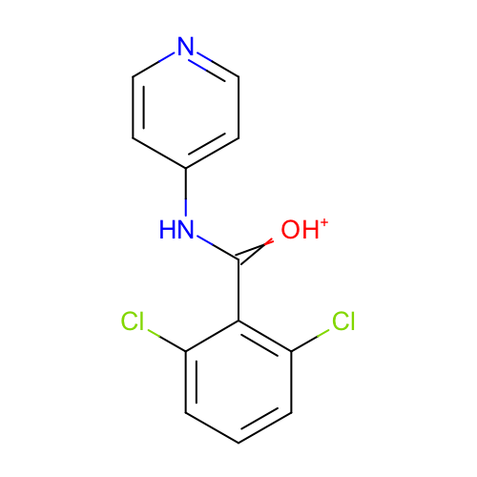 | SM16_micro006 | c1cc(c(c(c1)Cl)C(=[OH+])Nc2ccncc2)Cl | c1cc(c(c(c1)Cl)C(=[OH+])Nc2ccncc2)Cl
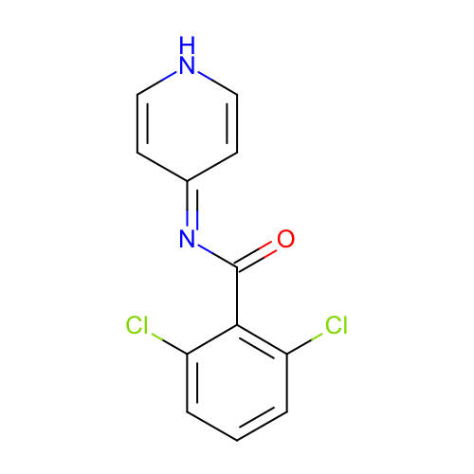 | SM16_micro007 | c1cc(c(c(c1)Cl)C(=O)N=c2cc[nH]cc2)Cl | c1cc(c(c(c1)Cl)C(=O)N=c2cc[nH]cc2)Cl
 | SM16_micro008 | c1cc(c(c(c1)Cl)C(=[OH+])Nc2cc[nH+]cc2)Cl | c1cc(c(c(c1)Cl)C(=[OH+])Nc2cc[nH+]cc2)Cl

