Sheet1
Microstate List
Molecule | microstate ID | canonical isomeric SMILES | canonical SMILES
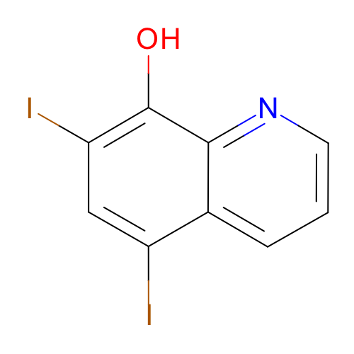 | SM22_micro001 | c1cc2c(cc(c(c2nc1)O)I)I | c1cc2c(cc(c(c2nc1)O)I)I
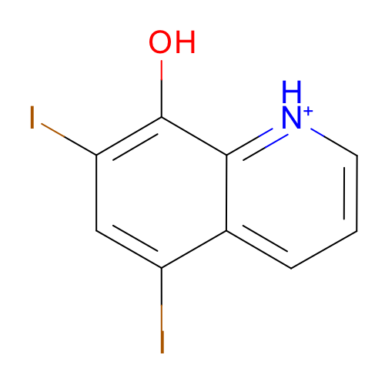 | SM22_micro002 | c1cc2c(cc(c(c2[nH+]c1)O)I)I | c1cc2c(cc(c(c2[nH+]c1)O)I)I
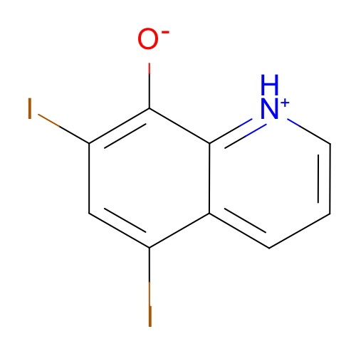 | SM22_micro003 | c1cc2c(cc(c(c2[nH+]c1)[O-])I)I | c1cc2c(cc(c(c2[nH+]c1)[O-])I)I
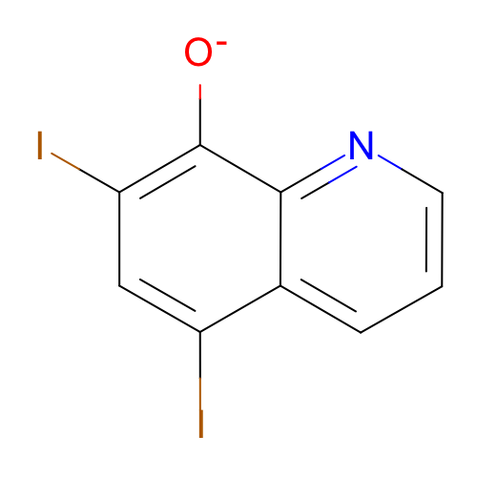 | SM22_micro004 | c1cc2c(cc(c(c2nc1)[O-])I)I | c1cc2c(cc(c(c2nc1)[O-])I)I

