Sheet1
Microstate List
Molecule | microstate ID | canonical isomeric SMILES
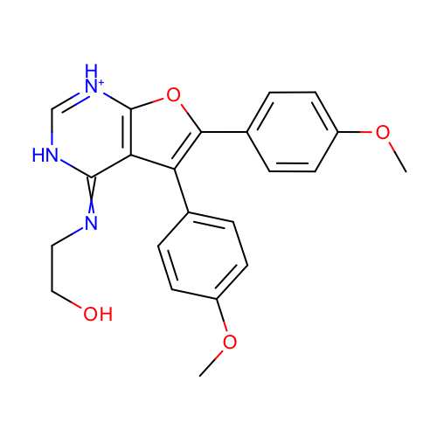 | SM24_micro001 | COc1ccc(cc1)c2c3c(=NCCO)[nH]c[nH+]c3oc2c4ccc(cc4)OC
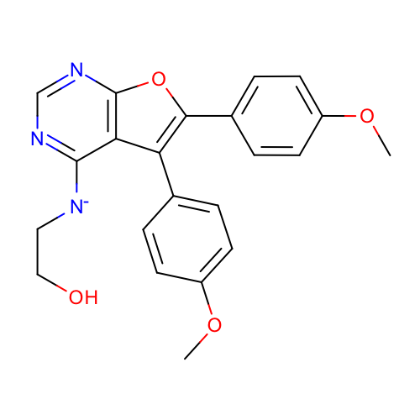 | SM24_micro002 | COc1ccc(cc1)c2c3c(ncnc3oc2c4ccc(cc4)OC)[N-]CCO
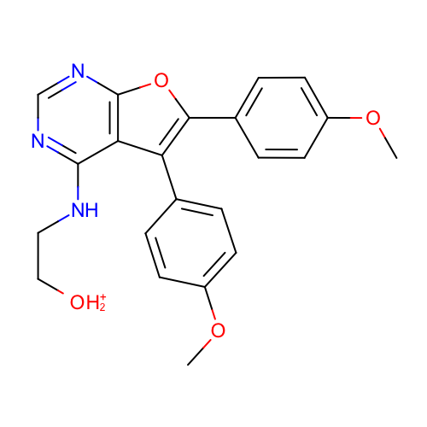 | SM24_micro004 | COc1ccc(cc1)c2c3c(ncnc3oc2c4ccc(cc4)OC)NCC[OH2+]
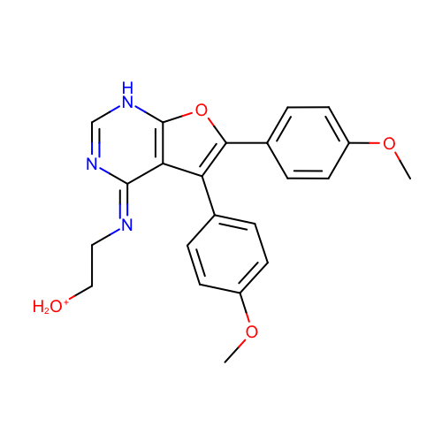 | SM24_micro005 | COc1ccc(cc1)c2c\3c([nH]cn/c3=N\CC[OH2+])oc2c4ccc(cc4)OC
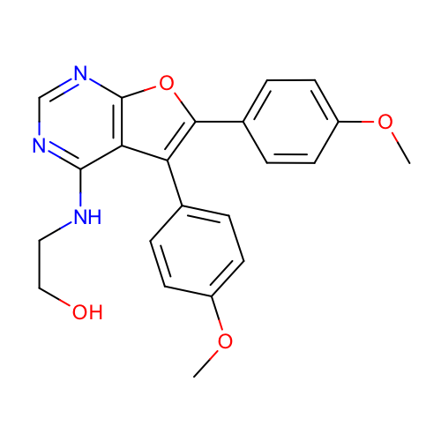 | SM24_micro006 | COc1ccc(cc1)c2c3c(ncnc3oc2c4ccc(cc4)OC)NCCO
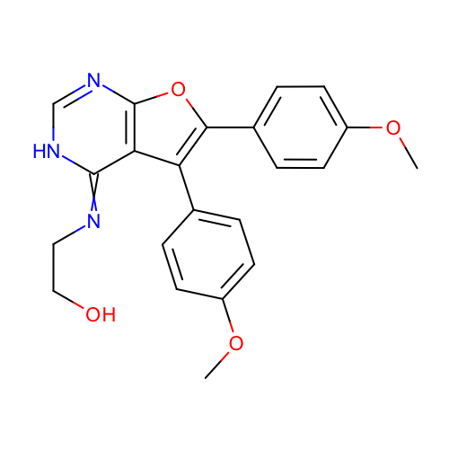 | SM24_micro007 | COc1ccc(cc1)c2c3c(=NCCO)[nH]cnc3oc2c4ccc(cc4)OC
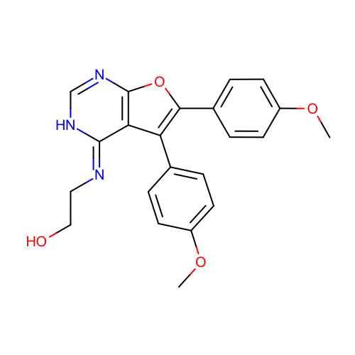 | SM24_micro008 | COc1ccc(cc1)c2c3/c(=N/CCO)/[nH]cnc3oc2c4ccc(cc4)OC
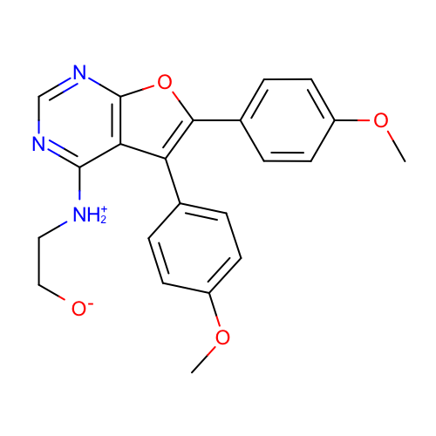 | SM24_micro009 | COc1ccc(cc1)c2c3c(ncnc3oc2c4ccc(cc4)OC)[NH2+]CC[O-]
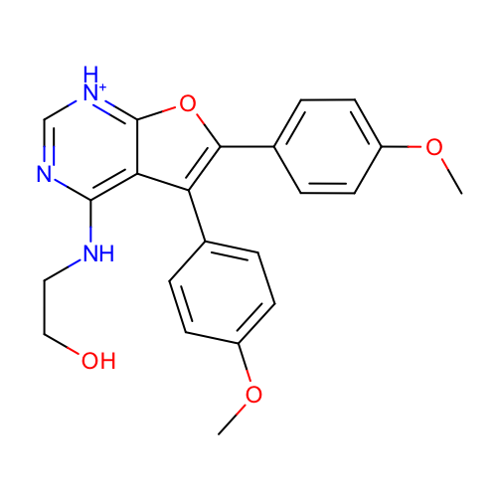 | SM24_micro010 | COc1ccc(cc1)c2c3c([nH+]cnc3NCCO)oc2c4ccc(cc4)OC
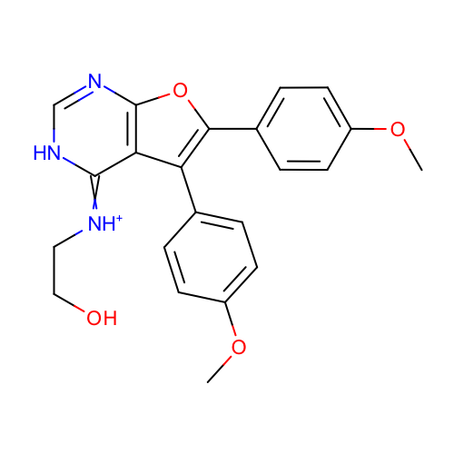 | SM24_micro011 | COc1ccc(cc1)c2c3c(=[NH+]CCO)[nH]cnc3oc2c4ccc(cc4)OC
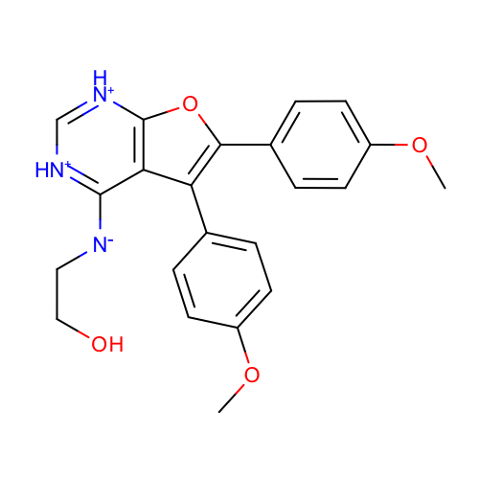 | SM24_micro012 | COc1ccc(cc1)c2c3c([nH+]c[nH+]c3oc2c4ccc(cc4)OC)[N-]CCO
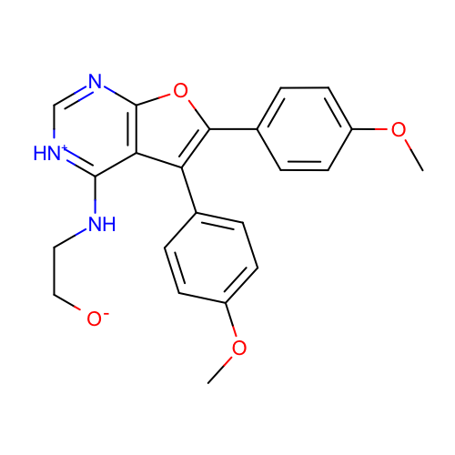 | SM24_micro013 | COc1ccc(cc1)c2c3c([nH+]cnc3oc2c4ccc(cc4)OC)NCC[O-]
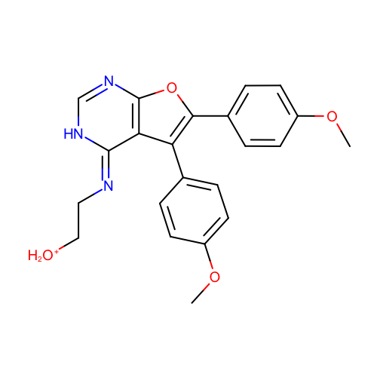 | SM24_micro014 | COc1ccc(cc1)c2c3/c(=N/CC[OH2+])/[nH]cnc3oc2c4ccc(cc4)OC
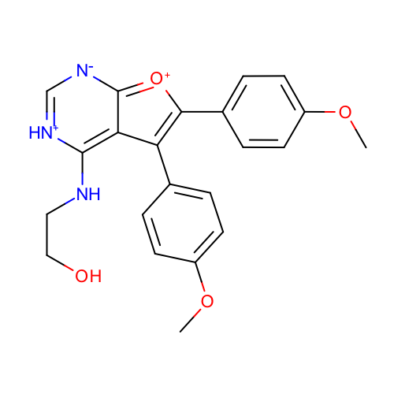 | SM24_micro015 | COc1ccc(cc1)c2c-3c([nH+]c[n-]c3[o+]c2c4ccc(cc4)OC)NCCO
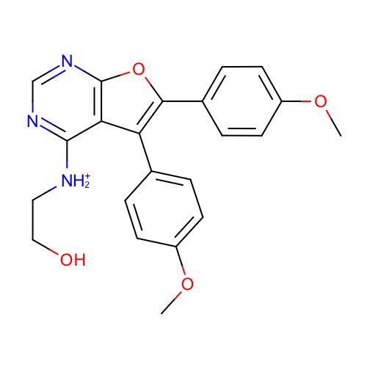 | SM24_micro017 | COc1ccc(cc1)c2c3c(ncnc3oc2c4ccc(cc4)OC)[NH2+]CCO
 | SM24_micro018 | COc1ccc(cc1)c2c-3c([nH]c[nH+]c3[o+]c2c4ccc(cc4)OC)[N-]CCO
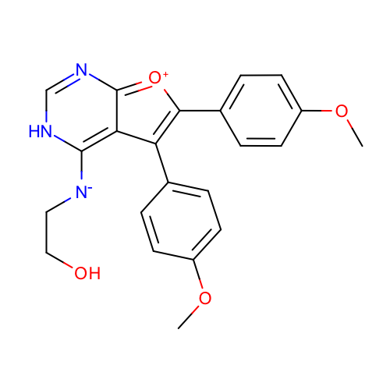 | SM24_micro019 | COc1ccc(cc1)c2c-3c([nH]cnc3[o+]c2c4ccc(cc4)OC)[N-]CCO
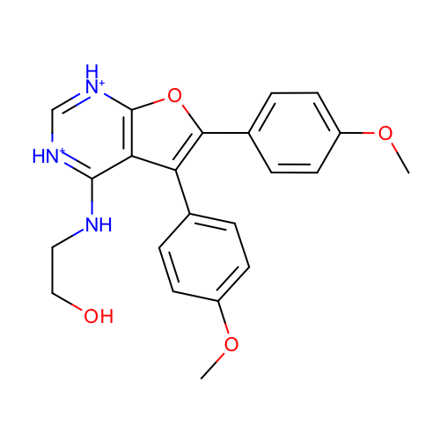 | SM24_micro020 | COc1ccc(cc1)c2c3c([nH+]c[nH+]c3oc2c4ccc(cc4)OC)NCCO
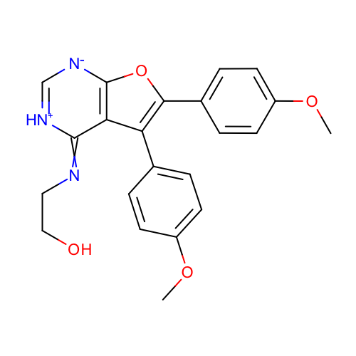 | SM24_micro021 | COc1ccc(cc1)c2c3c(=NCCO)[nH+]c[n-]c3oc2c4ccc(cc4)OC
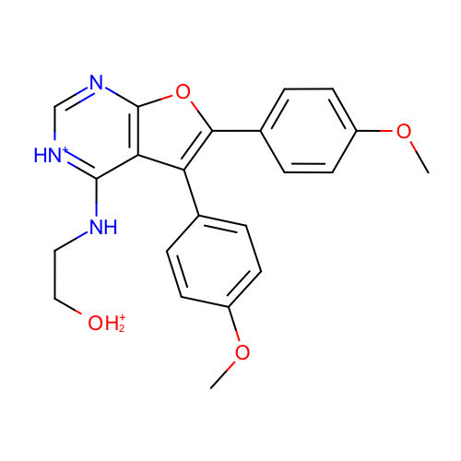 | SM24_micro022 | COc1ccc(cc1)c2c3c([nH+]cnc3oc2c4ccc(cc4)OC)NCC[OH2+]
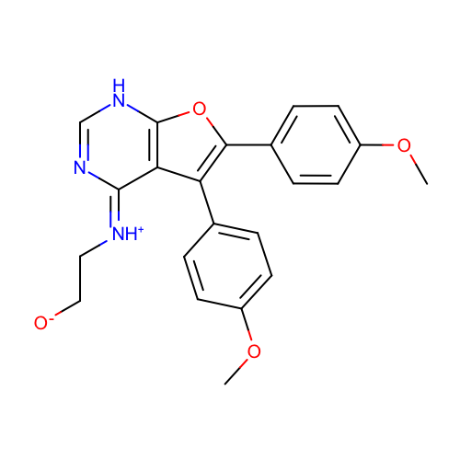 | SM24_micro023 | COc1ccc(cc1)c2c\3c([nH]cn/c3=[NH+]\CC[O-])oc2c4ccc(cc4)OC
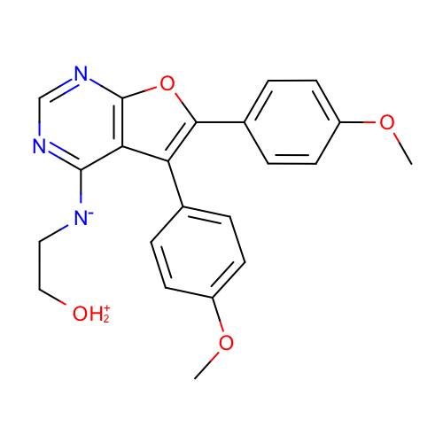 | SM24_micro024 | COc1ccc(cc1)c2c3c(ncnc3oc2c4ccc(cc4)OC)[N-]CC[OH2+]
 | SM24_micro025 | COc1ccc(cc1)c2c\3c([nH]cn/c3=[NH+]\CC[OH2+])oc2c4ccc(cc4)OC
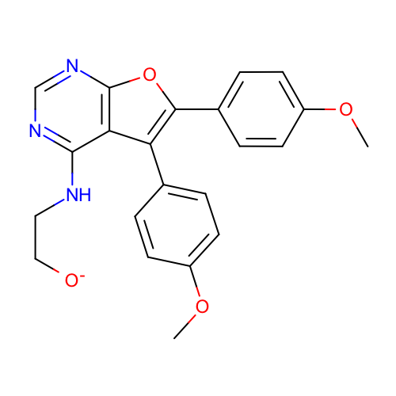 | SM24_micro027 | COc1ccc(cc1)c2c3c(ncnc3oc2c4ccc(cc4)OC)NCC[O-]
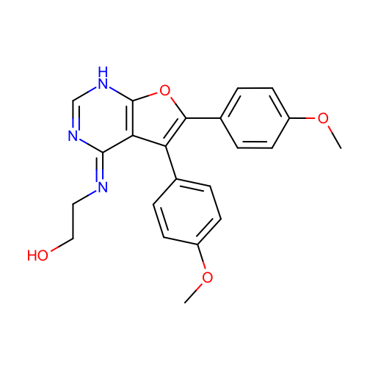 | SM24_micro028 | COc1ccc(cc1)c2c\3c([nH]cn/c3=N\CCO)oc2c4ccc(cc4)OC
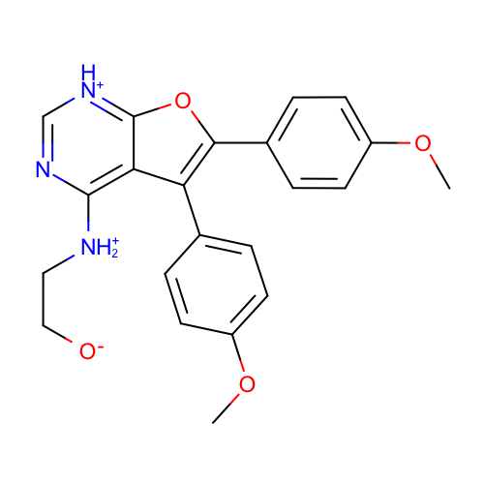 | SM24_micro029 | COc1ccc(cc1)c2c3c([nH+]cnc3[NH2+]CC[O-])oc2c4ccc(cc4)OC
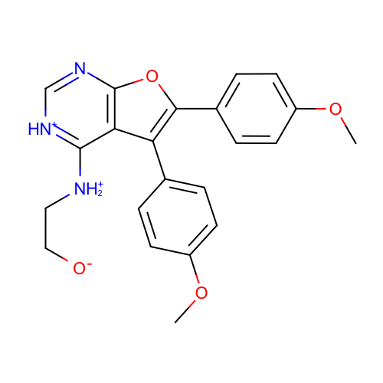 | SM24_micro030 | COc1ccc(cc1)c2c3c([nH+]cnc3oc2c4ccc(cc4)OC)[NH2+]CC[O-]
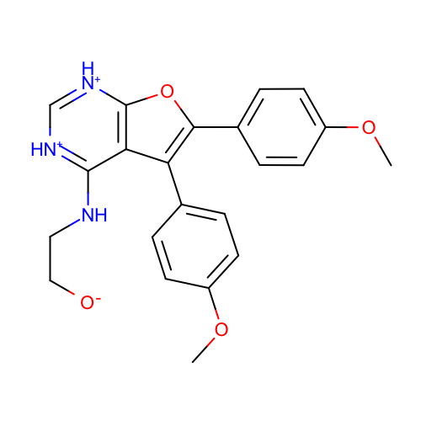 | SM24_micro031 | COc1ccc(cc1)c2c3c([nH+]c[nH+]c3oc2c4ccc(cc4)OC)NCC[O-]
 | SM24_micro032 | COc1ccc(cc1)c2c3c([nH+]cnc3[NH2+]CCO)oc2c4ccc(cc4)OC
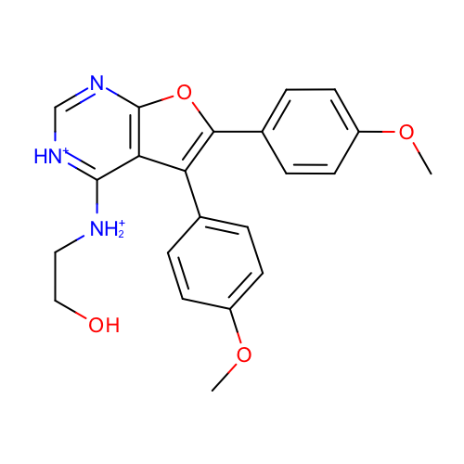 | SM24_micro033 | COc1ccc(cc1)c2c3c([nH+]cnc3oc2c4ccc(cc4)OC)[NH2+]CCO
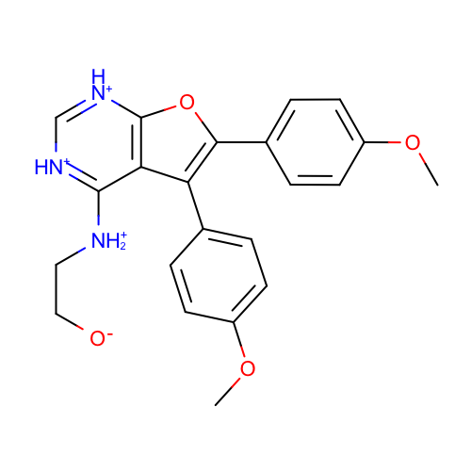 | SM24_micro034 | COc1ccc(cc1)c2c3c([nH+]c[nH+]c3oc2c4ccc(cc4)OC)[NH2+]CC[O-]
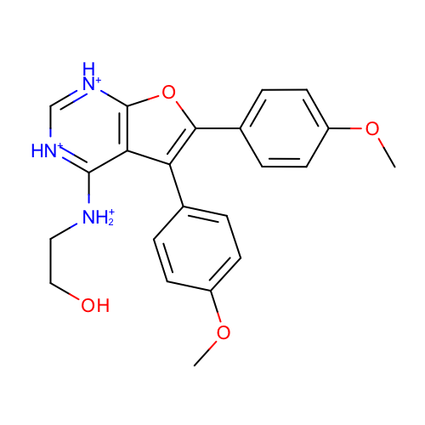 | SM24_micro035 | COc1ccc(cc1)c2c3c([nH+]c[nH+]c3oc2c4ccc(cc4)OC)[NH2+]CCO

