Sheet1
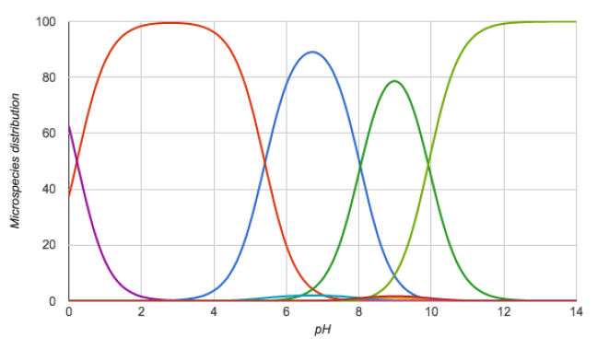
Molecule ID | Chemicalize-1 | Chemicalize-2 | Difference | Experimental pKa
SM01 | 9.44 | 9.44 | 0
SM01 | 14.71 | 14.71 | 0
SM02 | 4.01 | 4.01 | 0
SM02 | 15.64 | 15.64 | 0
SM03 | -0.31 | -0.31 | 0
SM03 | 7.68 | 7.68 | 0
SM04 | -1.61 | -1.61 | 0
SM04 | 4.83 | 4.83 | 0
SM05 | 4.19 | 4.19 | 0
SM05 | 13.53 | 13.53 | 0
SM06 | 1.83 | 1.83 | 0
SM06 | 3.42 | 3.42 | 0
SM06 | 13.85 | 13.85 | 0
SM07 | -1.61 | -1.61 | 0
SM07 | 4.83 | 4.83 | 0
SM08 | -1.64 | -1.64 | 0
SM08 | 4.2 | 4.2 | 0
SM08 | 13.72 | 13.72 | 0
SM09 | 4 | 4 | 0
SM09 | 15.62 | 15.62 | 0
SM10 | -1.37 | -1.37 | 0
SM10 | -0.57 | -0.57 | 0
SM10 | 7.77 | 7.77 | 0
SM10 | 15.06 | 15.06 | 0
SM11 | -0.54 | -0.54 | 0
SM11 | 3.42 | 3.42 | 0
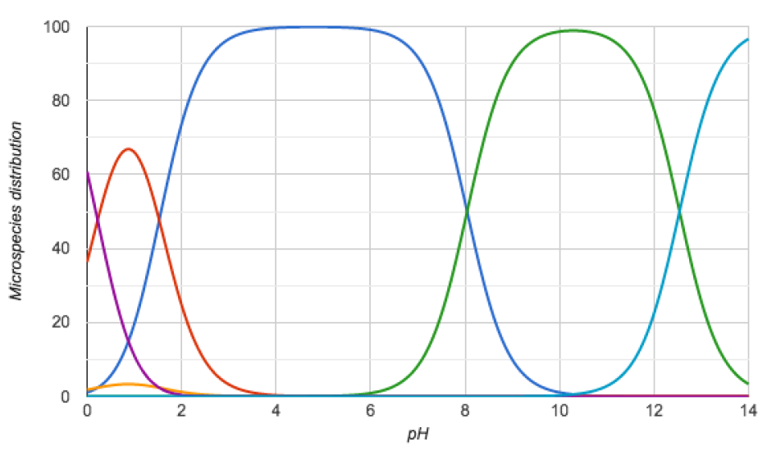
SM12 | 4.01 | 4.01 | 0
SM12 | 15.6 | 15.6 | 0
SM13 | -1.4 | -1.4 | 0
SM13 | 4.68 | 4.68 | 0
SM14 | 0.93 | 0.93 | 0
SM14 | 6.4 | 6.4 | 0
SM15 | 4.91 | 4.91 | 0
SM15 | 10.64 | 10.64 | 0
SM16 | 5.61 | 5.61 | 0
SM16 | 13.98 | 13.98 | 0
SM17 | 2.48 | 2.48 | 0
SM18 | 0.22 | 0.2 | -0.02
SM18 | 5.4 | 1.55 | -3.85 | 2.15
SM18 | 8.04 | 8.04 | 0 | 9.58
SM18 | 9.93 | 12.54 | 2.61 | 11.02
SM19 | -0.42 | -0.42 | 0
SM19 | 7.89 | 7.89 | 0
SM20 | 7.2 | 7.2 | 0
SM21 | 1.95 | 1.95 | 0
SM21 | 13.32 | 13.32 | 0
SM21 | 14.72 | 14.72 | 0
SM22 | 3.34 | 3.34 | 0
SM22 | 7.39 | 7.39 | 0
SM23 | 5.02 | 5.02 | 0
SM23 | 12.45 | 12.45 | 0
SM23 | 15.88 | 15.88 | 0
SM24 | 3.09 | 3.09 | 0
SM24 | 15.59 | 15.59 | 0

