Sheet1
Microstate List
Molecule | microstate ID | canonical isomeric SMILES | canonical SMILES
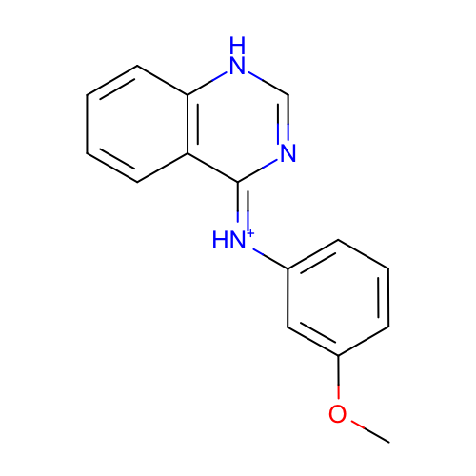 | SM09_micro001 | COc1cccc(c1)/[NH+]=c\2/c3ccccc3[nH]cn2 | COc1cccc(c1)[NH+]=c2c3ccccc3[nH]cn2
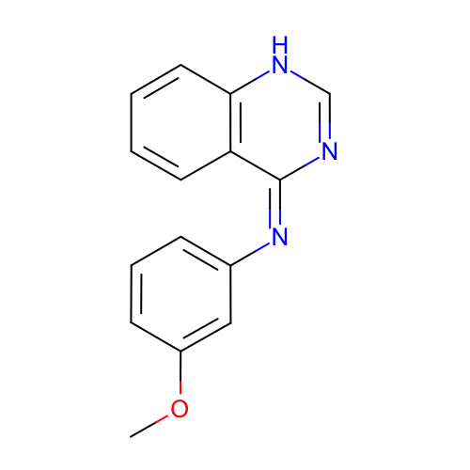 | SM09_micro002 | COc1cccc(c1)/N=c/2\c3ccccc3[nH]cn2 | COc1cccc(c1)N=c2c3ccccc3[nH]cn2
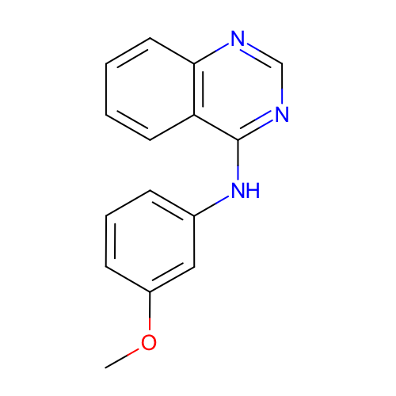 | SM09_micro003 | COc1cccc(c1)Nc2c3ccccc3ncn2 | COc1cccc(c1)Nc2c3ccccc3ncn2
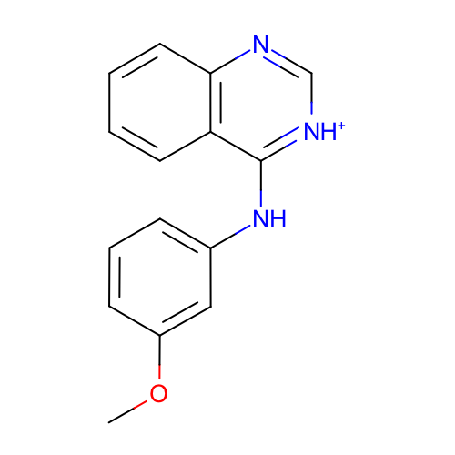 | SM09_micro005 | COc1cccc(c1)Nc2c3ccccc3nc[nH+]2 | COc1cccc(c1)Nc2c3ccccc3nc[nH+]2
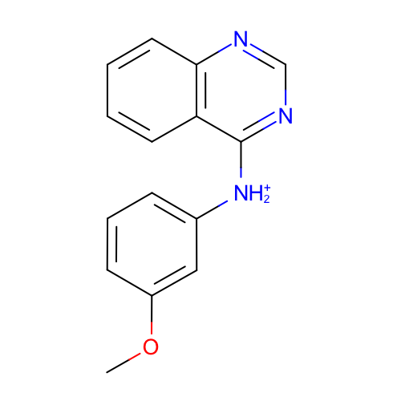 | SM09_micro006 | COc1cccc(c1)[NH2+]c2c3ccccc3ncn2 | COc1cccc(c1)[NH2+]c2c3ccccc3ncn2
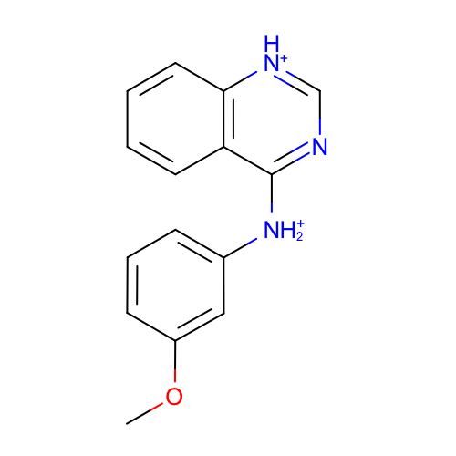 | SM09_micro008 | COc1cccc(c1)[NH2+]c2c3ccccc3[nH+]cn2 | COc1cccc(c1)[NH2+]c2c3ccccc3[nH+]cn2
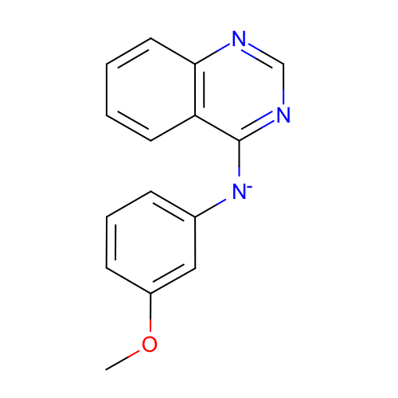 | SM09_micro009 | COc1cccc(c1)[N-]c2c3ccccc3ncn2 | COc1cccc(c1)[N-]c2c3ccccc3ncn2
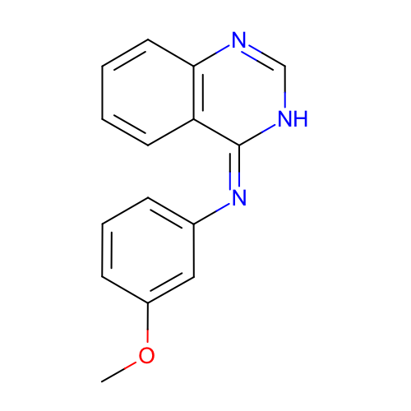 | SM09_micro011 | COc1cccc(c1)/N=c/2\c3ccccc3nc[nH]2 | COc1cccc(c1)N=c2c3ccccc3nc[nH]2
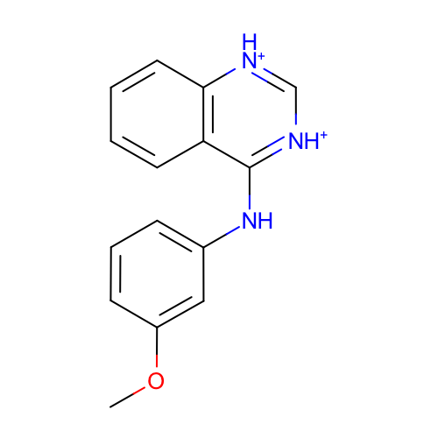 | SM09_micro013 | COc1cccc(c1)Nc2c3ccccc3[nH+]c[nH+]2 | COc1cccc(c1)Nc2c3ccccc3[nH+]c[nH+]2
 | SM09_micro014 | COc1cccc(c1)[NH2+]c2c3ccccc3nc[nH+]2 | COc1cccc(c1)[NH2+]c2c3ccccc3nc[nH+]2
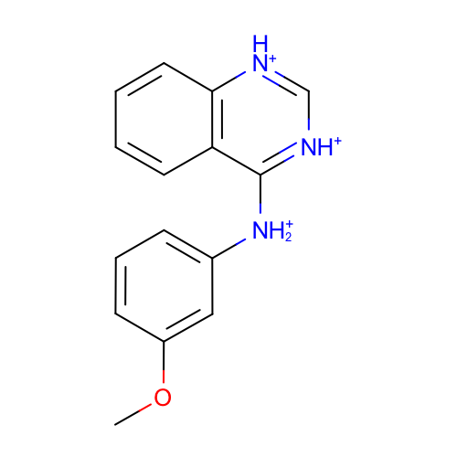 | SM09_micro015 | COc1cccc(c1)[NH2+]c2c3ccccc3[nH+]c[nH+]2 | COc1cccc(c1)[NH2+]c2c3ccccc3[nH+]c[nH+]2

