Sheet1
Microstate List
Molecule | microstate ID | canonical isomeric SMILES | canonical SMILES
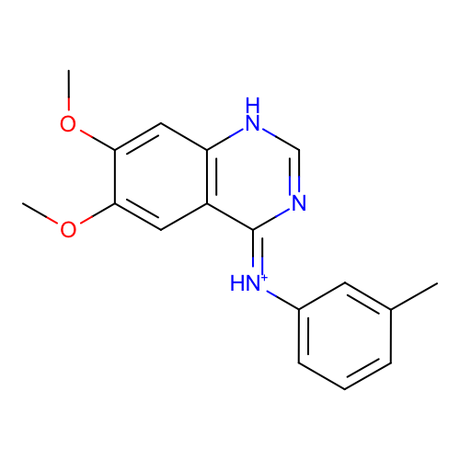 | SM13_micro001 | Cc1cccc(c1)/[NH+]=c\2/c3cc(c(cc3[nH]cn2)OC)OC | Cc1cccc(c1)[NH+]=c2c3cc(c(cc3[nH]cn2)OC)OC
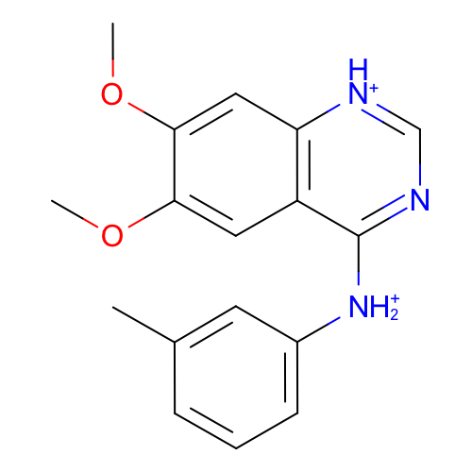 | SM13_micro003 | Cc1cccc(c1)[NH2+]c2c3cc(c(cc3[nH+]cn2)OC)OC | Cc1cccc(c1)[NH2+]c2c3cc(c(cc3[nH+]cn2)OC)OC
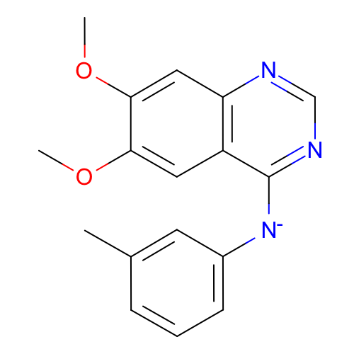 | SM13_micro004 | Cc1cccc(c1)[N-]c2c3cc(c(cc3ncn2)OC)OC | Cc1cccc(c1)[N-]c2c3cc(c(cc3ncn2)OC)OC
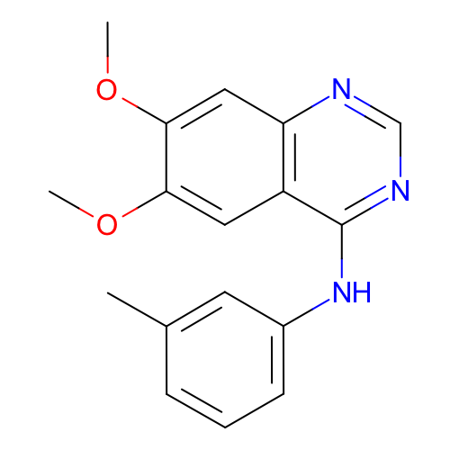 | SM13_micro005 | Cc1cccc(c1)Nc2c3cc(c(cc3ncn2)OC)OC | Cc1cccc(c1)Nc2c3cc(c(cc3ncn2)OC)OC
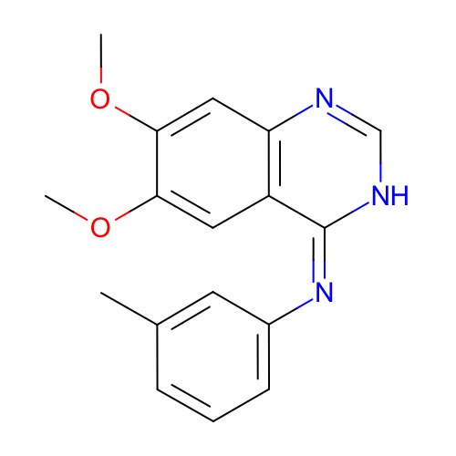 | SM13_micro007 | Cc1cccc(c1)/N=c/2\c3cc(c(cc3nc[nH]2)OC)OC | Cc1cccc(c1)N=c2c3cc(c(cc3nc[nH]2)OC)OC
 | SM13_micro008 | Cc1cccc(c1)[NH2+]c2c3cc(c(cc3ncn2)OC)OC | Cc1cccc(c1)[NH2+]c2c3cc(c(cc3ncn2)OC)OC
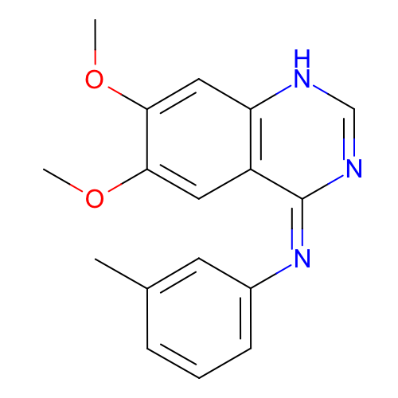 | SM13_micro009 | Cc1cccc(c1)/N=c/2\c3cc(c(cc3[nH]cn2)OC)OC | Cc1cccc(c1)N=c2c3cc(c(cc3[nH]cn2)OC)OC
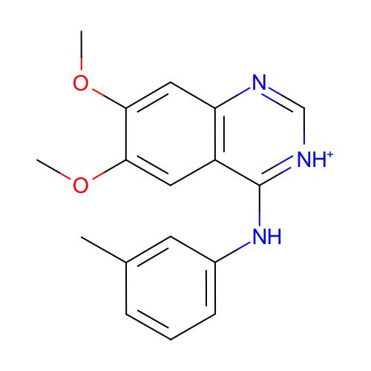 | SM13_micro012 | Cc1cccc(c1)Nc2c3cc(c(cc3nc[nH+]2)OC)OC | Cc1cccc(c1)Nc2c3cc(c(cc3nc[nH+]2)OC)OC
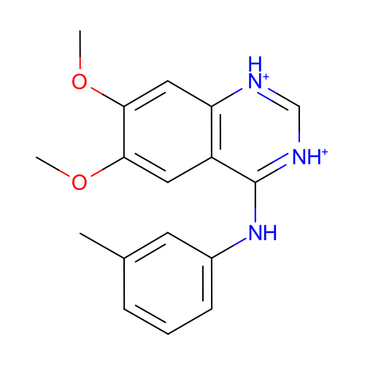 | SM13_micro013 | Cc1cccc(c1)Nc2c3cc(c(cc3[nH+]c[nH+]2)OC)OC | Cc1cccc(c1)Nc2c3cc(c(cc3[nH+]c[nH+]2)OC)OC
 | SM13_micro014 | Cc1cccc(c1)[NH2+]c2c3cc(c(cc3nc[nH+]2)OC)OC | Cc1cccc(c1)[NH2+]c2c3cc(c(cc3nc[nH+]2)OC)OC
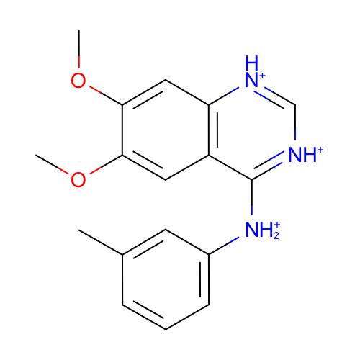 | SM13_micro015 | Cc1cccc(c1)[NH2+]c2c3cc(c(cc3[nH+]c[nH+]2)OC)OC | Cc1cccc(c1)[NH2+]c2c3cc(c(cc3[nH+]c[nH+]2)OC)OC

