Sheet1
Microstate List
Molecule | microstate ID | canonical isomeric SMILES | canonical SMILES
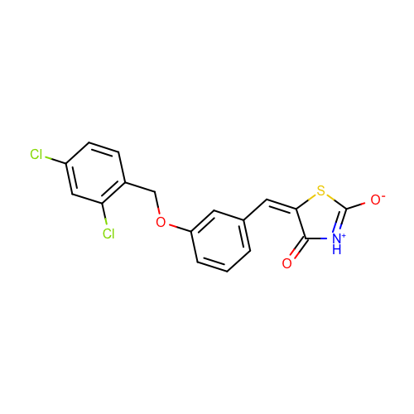 | SM20_micro003 | c1cc(cc(c1)OCc2ccc(cc2Cl)Cl)/C=C/3\C(=O)[NH+]=C(S3)[O-] | c1cc(cc(c1)OCc2ccc(cc2Cl)Cl)C=C3C(=O)[NH+]=C(S3)[O-]
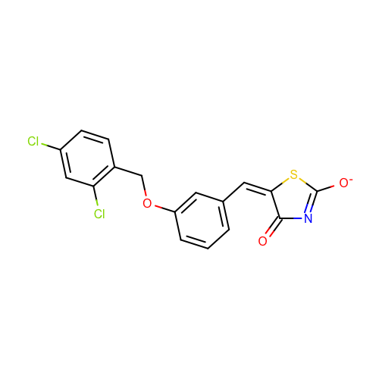 | SM20_micro004 | c1cc(cc(c1)OCc2ccc(cc2Cl)Cl)/C=C/3\C(=O)N=C(S3)[O-] | c1cc(cc(c1)OCc2ccc(cc2Cl)Cl)C=C3C(=O)N=C(S3)[O-]
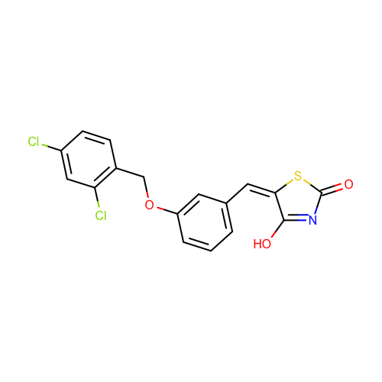 | SM20_micro005 | c1cc(cc(c1)OCc2ccc(cc2Cl)Cl)/C=C/3\C(=NC(=O)S3)O | c1cc(cc(c1)OCc2ccc(cc2Cl)Cl)C=C3C(=NC(=O)S3)O
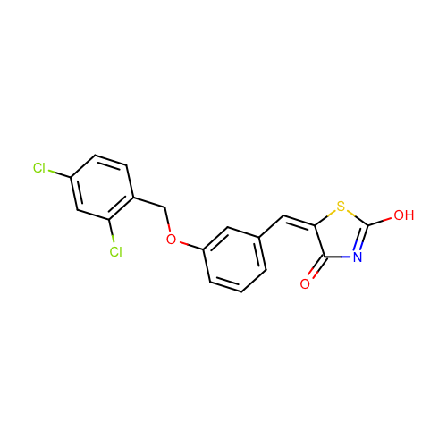 | SM20_micro006 | c1cc(cc(c1)OCc2ccc(cc2Cl)Cl)/C=C/3\C(=O)N=C(S3)O | c1cc(cc(c1)OCc2ccc(cc2Cl)Cl)C=C3C(=O)N=C(S3)O

