Sheet1
df_frag_final_oe.csv
Molecule | eMolecules SMILES | pKas in [3,11] | XlogP | MolWt | Availability (mg) | Price | group | N_Rot | N_UV_chrom | Selection | Bin index | Priority | Final list | canonical isomeric SMILES | eMolecules ID | Chemspider
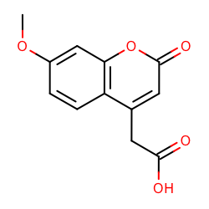 | COc1ccc2c(c1)oc(=O)cc2CC(=O)O | [3.621] | 0.6690000891685486 | 234.205 | 3439.8 | 223.0 | fragment-like | 3 | 29 | picked | 3 | 1 | True | COc1ccc2c(cc(=O)oc2c1)CC(=O)O | 490595 | 1.679 Life Chemicals F1083-0011
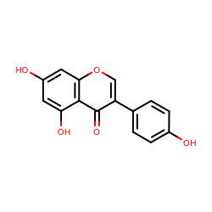 | Oc1ccc(cc1)c1coc2c(c1=O)c(O)cc(c2)O | [8.584, 9.84, 10.869] | 0.8870003223419191 | 270.237 | 1015.0 | 168.0 | fragment-like | 1 | 56 | picked | 4 | 1 | True | c1cc(ccc1c2coc3cc(cc(c3c2=O)O)O)O | 532754 | 2.958 Vitas-M STK801619
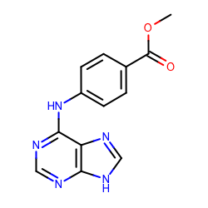 | COC(=O)c1ccc(cc1)Nc1ncnc2c1nc[nH]2 | [3.923, 9.999] | 0.8499998450279236 | 269.259 | 108.0 | 275.0 | fragment-like | 4 | 20 | picked | 4 | 2 | True | COC(=O)c1ccc(cc1)Nc2c3c([nH]cn3)ncn2 | 4934119 | 2.291 Vitas-M STK944571
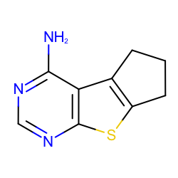 | Nc1ncnc2c1c1CCCc1s2 | [4.048] | 1.0429999828338623 | 191.253 | 1026.0 | 168.0 | fragment-like | 0 | 10 | picked | 5 | 1 | True | c1nc(c2c3c(sc2n1)CCC3)N | 2867544 | 2.367 Vitas-M STK894648
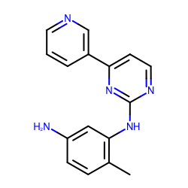 | Nc1ccc(c(c1)Nc1nccc(n1)c1cccnc1)C | [3.887, 4.98] | 1.2969999313354492 | 277.324 | 101.1 | 400.0 | fragment-like | 3 | 36 | picked | 7 | 1 | True | Cc1ccc(cc1Nc2nccc(n2)c3cccnc3)N | 2727697 | 1.628 Life Chemicals F9995-0188
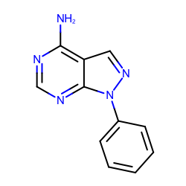 | Nc1ncnc2c1cnn2c1ccccc1 | [3.869] | 1.4990001916885376 | 211.223 | 3430.0 | 414.0 | fragment-like | 1 | 31 | picked | 8 | 1 | True | c1ccc(cc1)n2c3c(cn2)c(ncn3)N | 719540 | None
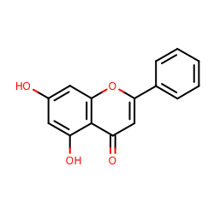 | Oc1cc(O)c2c(c1)oc(cc2=O)c1ccccc1 | [8.416, 10.823] | 1.7130001783370972 | 254.238 | 1056.0 | 168.0 | fragment-like | 1 | 54 | picked | 9 | 1 | True | c1ccc(cc1)c2cc(=O)c3c(cc(cc3o2)O)O | 493608 | 2.879 Vitas-M STK801609
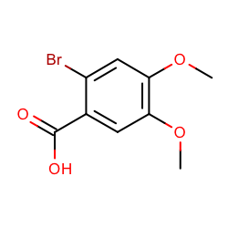 | COc1cc(C(=O)O)c(cc1OC)Br | [3.005] | 1.7000000476837158 | 261.069 | 10134.0 | 168.0 | fragment-like | 3 | 12 | picked | 9 | 2 | True | COc1cc(c(cc1OC)Br)C(=O)O | 508324 | 2.626 Vitas-M STK505709
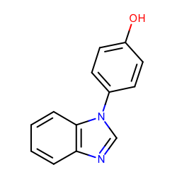 | Oc1ccc(cc1)n1cnc2c1cccc2 | [5.82, 8.709] | 2.2190003395080566 | 210.231 | 21650.2 | 148.0 | fragment-like | 1 | 40 | picked | 11 | 1 | True | c1ccc2c(c1)ncn2c3ccc(cc3)O | 37095168 | None
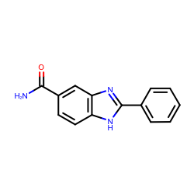 | NC(=O)c1ccc2c(c1)nc([nH]2)c1ccccc1 | [6.342] | 2.1920003890991206 | 237.257 | 2000.0 | 168.0 | fragment-like | 2 | 42 | picked | 11 | 2 | True | c1ccc(cc1)c2[nH]c3ccc(cc3n2)C(=O)N | 37053191 | None
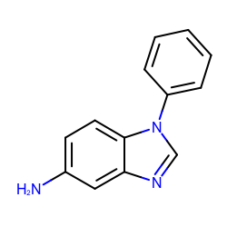 | Nc1ccc2c(c1)ncn2c1ccccc1 | [6.348] | 2.3329999446868896 | 209.247 | 50213.0 | 148.0 | fragment-like | 1 | 40 | picked | 12 | 1 | True | c1ccc(cc1)n2cnc3c2ccc(c3)N | 31653344 | None
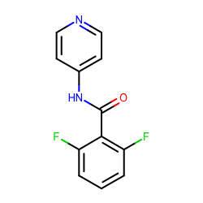 | O=C(c1c(F)cccc1F)Nc1ccncc1 | [4.714, 10.538] | 2.304999828338623 | 234.202 | 100.0 | 168.0 | fragment-like | 3 | 20 | picked | 12 | 2 | True | c1cc(c(c(c1)F)C(=O)Nc2ccncc2)F | 2042282 | 1.406 Vitas-M STK462431
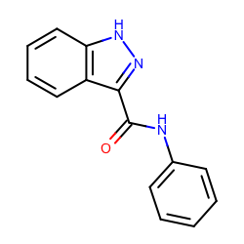 | O=C(c1n[nH]c2c1cccc2)Nc1ccccc1 | [8.398] | 2.6429998874664307 | 237.257 | 762.8 | 223.0 | fragment-like | 3 | 36 | picked | 13 | 1 | True | c1ccc(cc1)NC(=O)c2c3ccccc3[nH]n2 | 13419113 | None
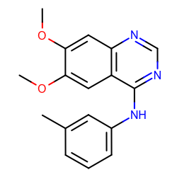 | COc1cc2c(ncnc2cc1OC)Nc1cccc(c1)C | [4.267] | 2.5950002670288086 | 295.336 | 1864.0 | 414.0 | fragment-like | 4 | 36 | picked | 13 | 2 | True | Cc1cccc(c1)Nc2c3cc(c(cc3ncn2)OC)OC | 5828805 | None
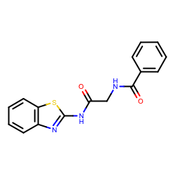 | O=C(Nc1nc2c(s1)cccc2)CNC(=O)c1ccccc1 | [8.672] | 2.7179999351501465 | 311.358 | 149.1 | 148.0 | fragment-like | 6 | 28 | picked | 14 | 1 | True | c1ccc(cc1)C(=O)NCC(=O)Nc2nc3ccccc3s2 | 23354217 | None
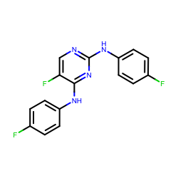 | Fc1ccc(cc1)Nc1ncc(c(n1)Nc1ccc(cc1)F)F | [3.892] | 2.813999652862549 | 316.281 | 105.0 | 168.0 | fragment-like | 4 | 28 | picked | 14 | 2 | True | c1cc(ccc1Nc2c(cnc(n2)Nc3ccc(cc3)F)F)F | 1698122 | 4.293 Vitas-M STK699264
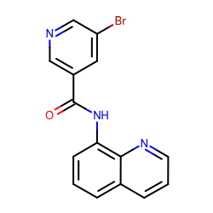 | Brc1cncc(c1)C(=O)Nc1cccc2c1nccc2 | [4.001, 10.328] | 2.922999620437622 | 328.163 | 406.0 | 148.0 | fragment-like | 3 | 37 | picked | 15 | 1 | True | c1cc2cccnc2c(c1)NC(=O)c3cc(cnc3)Br | 18893169 | None
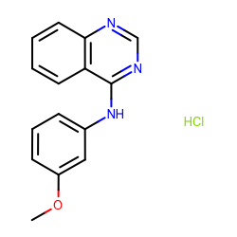 | COc1cccc(c1)Nc1ncnc2c1cccc2.Cl | [4.05] | 3.138999938964844 | 287.744 | 119.7 | 148.0 | fragment-like | 3 | 36 | picked | 16 | 1 | True | COc1cccc(c1)Nc2c3ccccc3ncn2.Cl | 1865544 | None
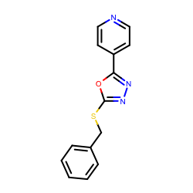 | c1ccc(cc1)CSc1nnc(o1)c1ccncc1 | [4.902] | 3.3059999942779537 | 269.322 | 170.0 | 168.0 | fragment-like | 4 | 30 | picked | 17 | 1 | True | c1ccc(cc1)CSc2nnc(o2)c3ccncc3 | 1444229 | None
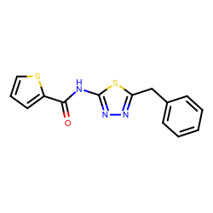 | O=C(c1cccs1)Nc1nnc(s1)Cc1ccccc1 | [7.12] | 3.6050002574920654 | 301.387 | 379.0 | 148.0 | fragment-like | 5 | 14 | picked | 18 | 1 | True | c1ccc(cc1)Cc2nnc(s2)NC(=O)c3cccs3 | 1228629 | None
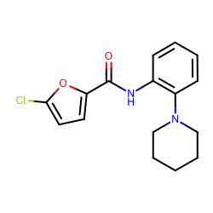 | Clc1ccc(o1)C(=O)Nc1ccccc1N1CCCCC1 | [5.346] | 3.794999837875366 | 304.771 | 424.3 | 148.0 | fragment-like | 4 | 18 | picked | 19 | 1 | True | c1ccc(c(c1)NC(=O)c2ccc(o2)Cl)N3CCCCC3 | 18908671 | None
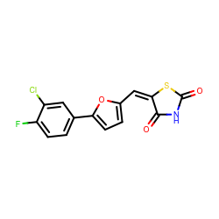 | O=C1S/C(=C/c2ccc(o2)c2ccc(c(c2)Cl)F)/C(=O)N1 | [8.052] | 3.9079997539520255 | 323.7270000000001 | 125.0 | 168.0 | fragment-like | 2 | 31 | picked | 20 | 1 | True | c1cc(c(cc1c2ccc(o2)/C=C/3\C(=O)NC(=O)S3)Cl)F | 25775231 | None
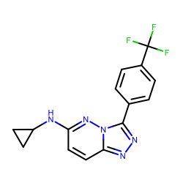 | FC(c1ccc(cc1)c1nnc2n1nc(cc2)NC1CC1)(F)F | [4.394] | 4.128999710083009 | 319.284 | 3175.0 | 414.0 | fragment-like | 4 | 32 | picked | 21 | 1 | True | c1cc(ccc1c2nnc3n2nc(cc3)NC4CC4)C(F)(F)F | 5784088 | None
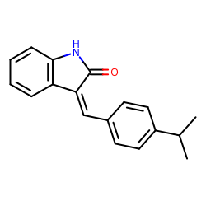 | O=C1Nc2c(/C/1=C/c1ccc(cc1)C(C)C)cccc2 | [3.158] | 4.2330002784728995 | 263.334 | 283.7 | 400.0 | fragment-like | 2 | 24 | picked | 22 | 1 | True | CC(C)c1ccc(cc1)/C=C\2/c3ccccc3NC2=O | 45809595 | None
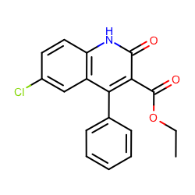 | CCOC(=O)c1c(=O)[nH]c2c(c1c1ccccc1)cc(cc2)Cl | [8.549] | 4.517000198364258 | 327.76199999999994 | 1059.0 | 168.0 | fragment-like | 4 | 59 | picked | 23 | 1 | True | CCOC(=O)c1c(c2cc(ccc2[nH]c1=O)Cl)c3ccccc3 | 703997 | 5.582 Vitas-M STL054189

