Sheet1
Microstate List
Molecule | SAMPL6 Molecule ID | canonical isomeric SMILES
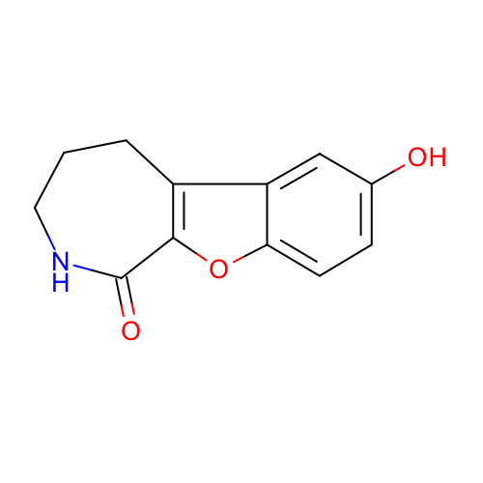 | SM01 | c1cc2c(cc1O)c3c(o2)C(=O)NCCC3
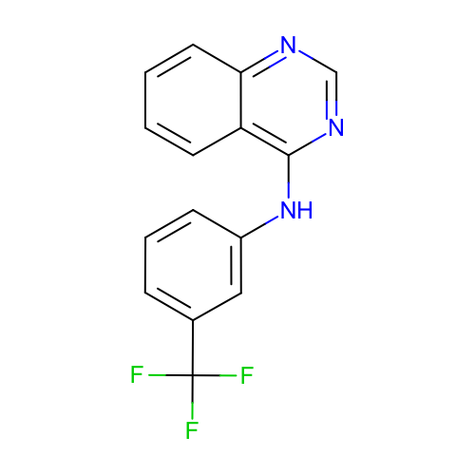 | SM02 | c1ccc2c(c1)c(ncn2)Nc3cccc(c3)C(F)(F)F
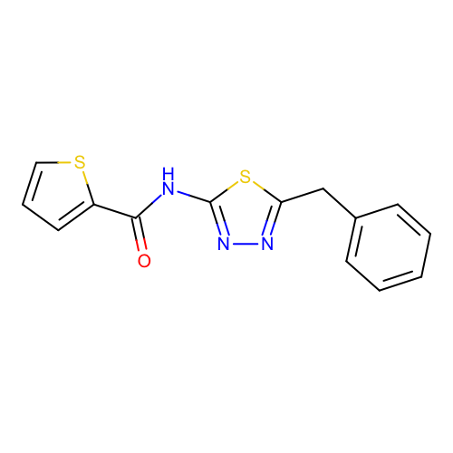 | SM03 | c1ccc(cc1)Cc2nnc(s2)NC(=O)c3cccs3
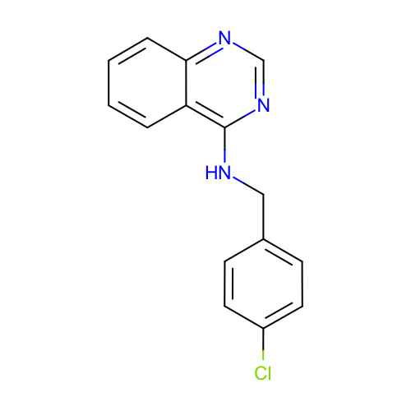 | SM04 | c1ccc2c(c1)c(ncn2)NCc3ccc(cc3)Cl
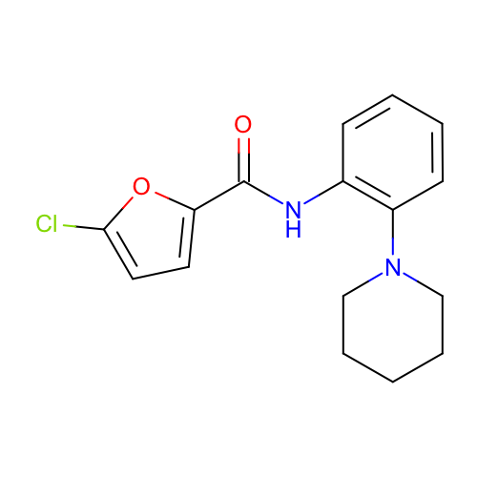 | SM05 | c1ccc(c(c1)NC(=O)c2ccc(o2)Cl)N3CCCCC3
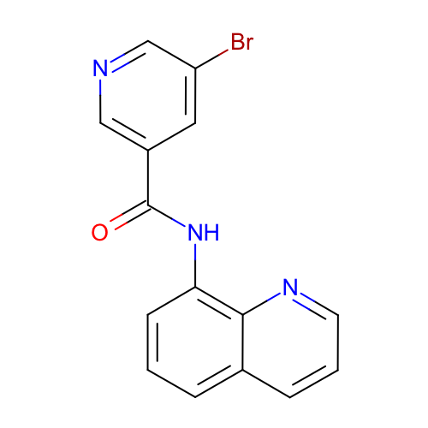 | SM06 | c1cc2cccnc2c(c1)NC(=O)c3cc(cnc3)Br
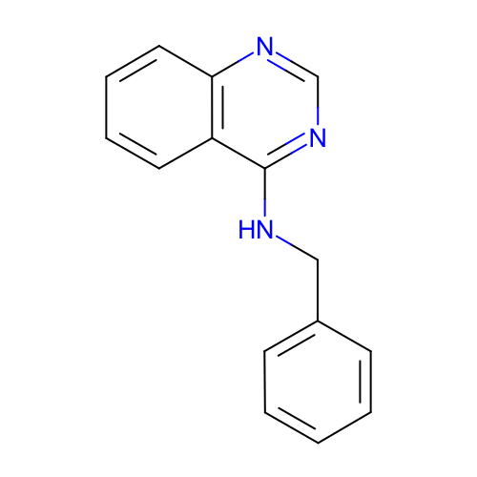 | SM07 | c1ccc(cc1)CNc2c3ccccc3ncn2
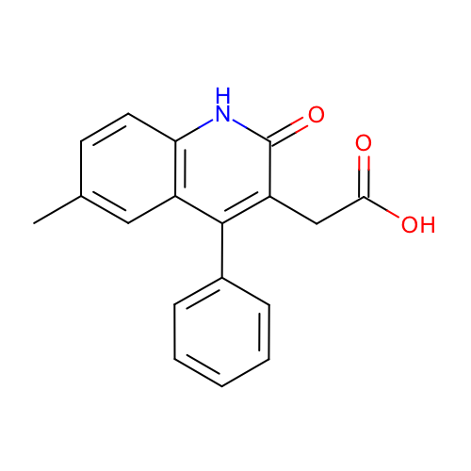 | SM08 | Cc1ccc2c(c1)c(c(c(=O)[nH]2)CC(=O)O)c3ccccc3
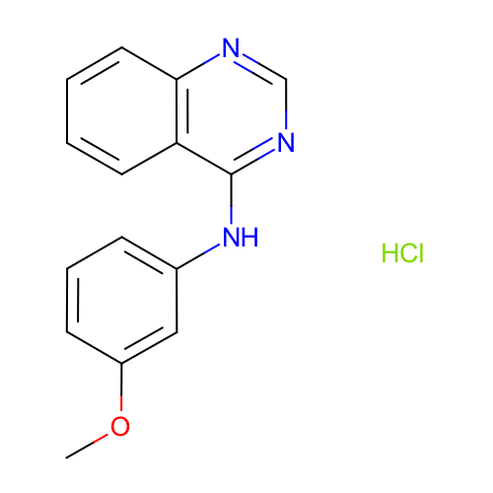 | SM09 | COc1cccc(c1)Nc2c3ccccc3ncn2.Cl
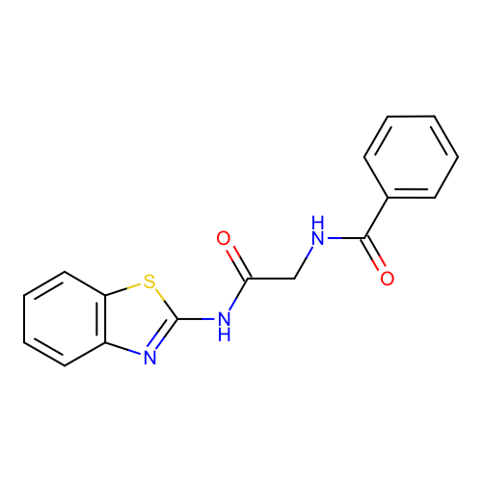 | SM10 | c1ccc(cc1)C(=O)NCC(=O)Nc2nc3ccccc3s2
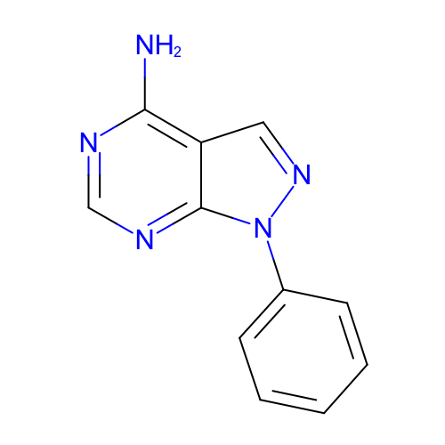 | SM11 | c1ccc(cc1)n2c3c(cn2)c(ncn3)N
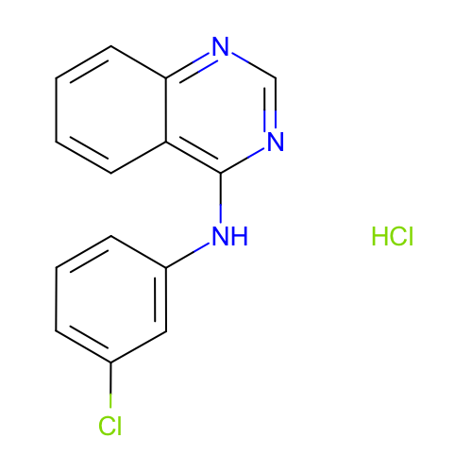 | SM12 | c1ccc2c(c1)c(ncn2)Nc3cccc(c3)Cl.Cl
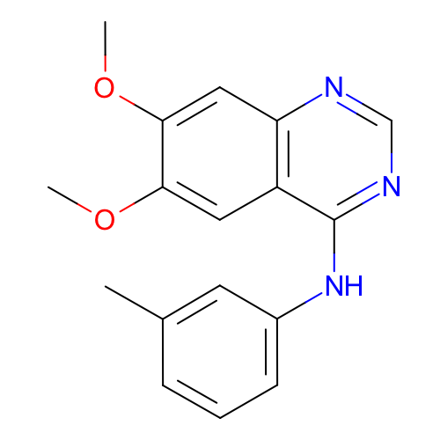 | SM13 | Cc1cccc(c1)Nc2c3cc(c(cc3ncn2)OC)OC
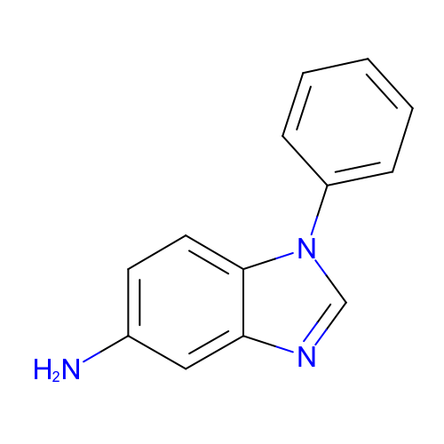 | SM14 | c1ccc(cc1)n2cnc3c2ccc(c3)N
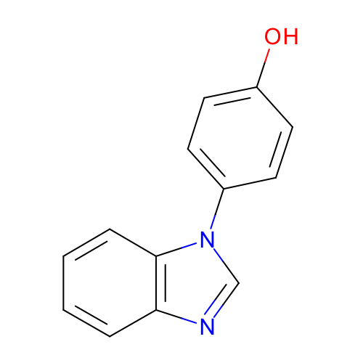 | SM15 | c1ccc2c(c1)ncn2c3ccc(cc3)O
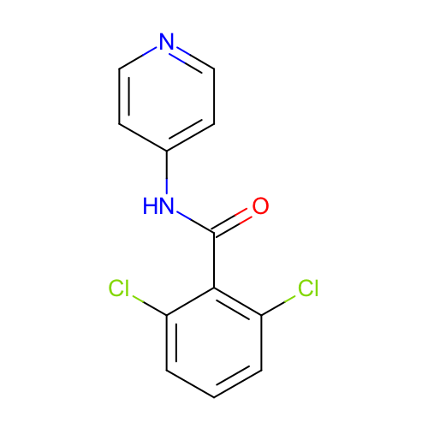 | SM16 | c1cc(c(c(c1)Cl)C(=O)Nc2ccncc2)Cl
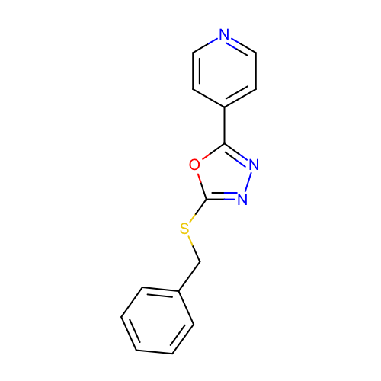 | SM17 | c1ccc(cc1)CSc2nnc(o2)c3ccncc3
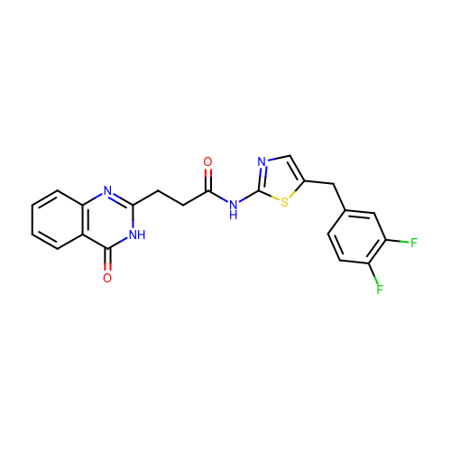 | SM18 | c1ccc2c(c1)c(=O)[nH]c(n2)CCC(=O)Nc3ncc(s3)Cc4ccc(c(c4)F)F
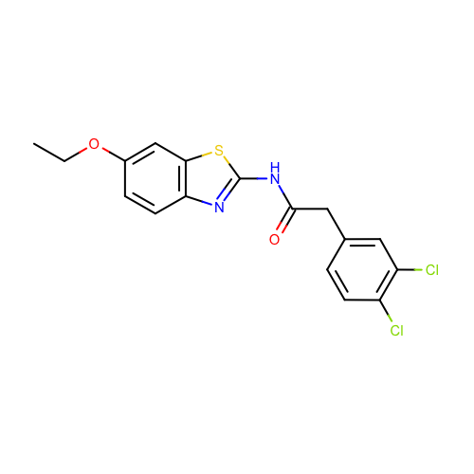 | SM19 | CCOc1ccc2c(c1)sc(n2)NC(=O)Cc3ccc(c(c3)Cl)Cl
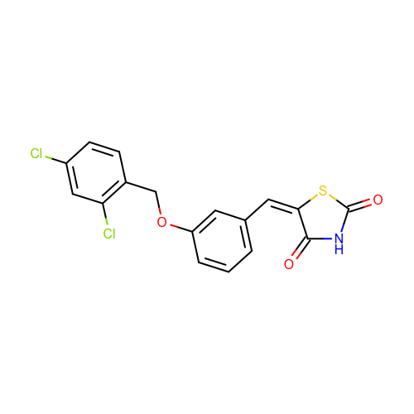 | SM20 | c1cc(cc(c1)OCc2ccc(cc2Cl)Cl)/C=C/3\C(=O)NC(=O)S3
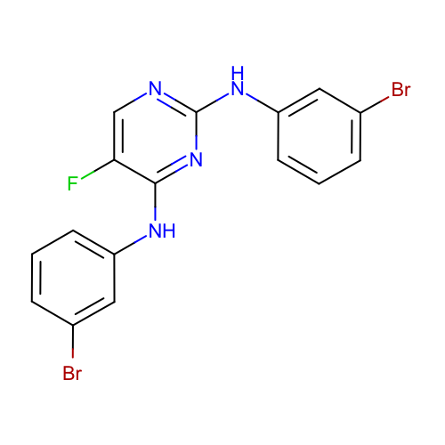 | SM21 | c1cc(cc(c1)Br)Nc2c(cnc(n2)Nc3cccc(c3)Br)F
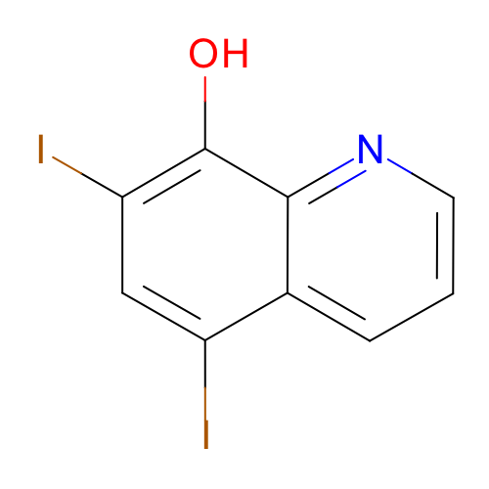 | SM22 | c1cc2c(cc(c(c2nc1)O)I)I
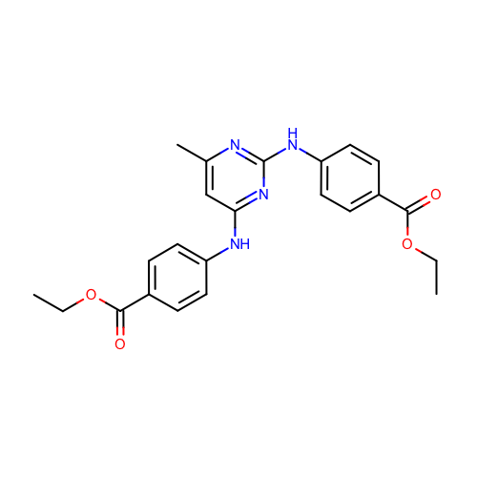 | SM23 | CCOC(=O)c1ccc(cc1)Nc2cc(nc(n2)Nc3ccc(cc3)C(=O)OCC)C
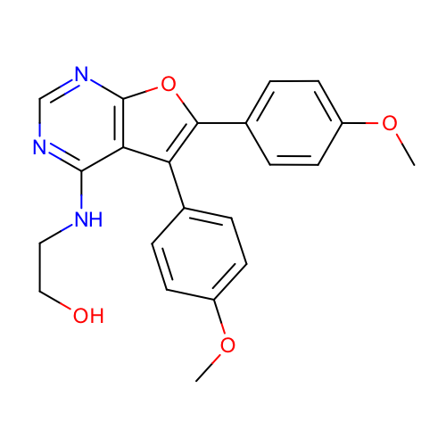 | SM24 | COc1ccc(cc1)c2c3c(ncnc3oc2c4ccc(cc4)OC)NCCO

