AndroidManifest.xml
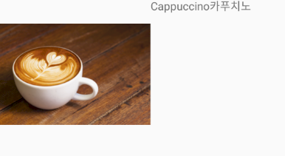
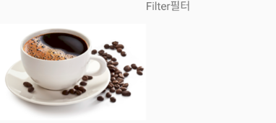
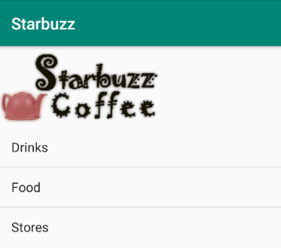
<?xml version="1.0" encoding="utf-8"?>
<manifest xmlns:android="http://schemas.android.com/apk/res/android" | 1)JSON | :웹이나 자바에서만 사용가능
package="com.example.coffee"> | 2)SQLite | :DB연동, 시간, 방법 다름
<application | 3)자바 자료구조,배열 | :빠르고 쉽겠는걸?
android:allowBackup="true"
android:icon="@mipmap/ic_launcher" | 리스너를 이용해 리스트 뷰 클릭에 응답하기
android:label="@string/app_name"
android:roundIcon="@mipmap/ic_launcher_round"
android:supportsRtl="true"
android:theme="@style/AppTheme">
<activity android:name=".DrinkActivity"></activity>
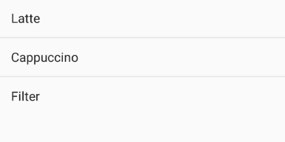
<activity android:name=".DrinkCategoryActivity" />
<activity android:name=".MainActivity">
<intent-filter>
<action android:name="android.intent.action.MAIN" />
<category android:name="android.intent.category.LAUNCHER" />
</intent-filter>

</activity>
</application>

MainActivity -> TopActivity
DrinkCategoryActivity -> CategoryActivity
DrinkActivity -> EditActivity

