Sheet1
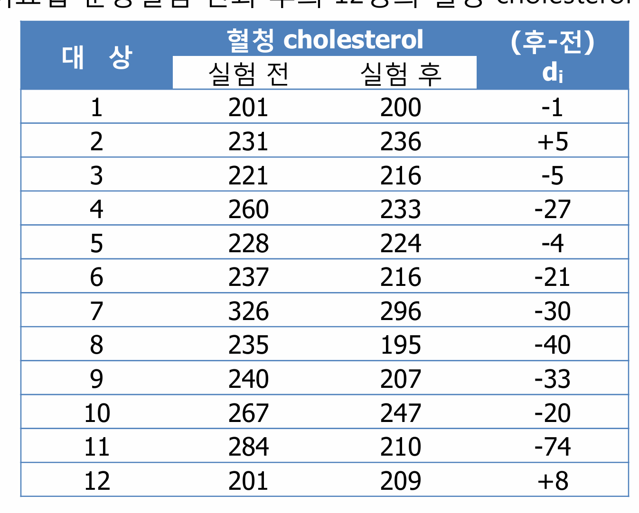
20초 | 25초 |  |  |  |  |  | t- test 평균 검정 (One-sample t test / Two-sample independent t test / paired t test) with Python : 네이버 블로그
1.16 | 1.24 | 14 | 15 | 35 | 0.18877362557 | 1072.7078792 | https://angeloyeo.github.io/2021/10/29/paired_t_test.html
1.18 | 1.22 | 15 | 17 | 37 | 0.37041021812 | 1132.289999 | 25.8 | B | G | 실험전 | 실험후 | 플라시보 | 투약시
1.15 | 1.18 | 15 | 14 | 34 | 0.47640065528 | 1 | 24.6 | 8.8 | 9.9 | 201 | 200 | 788 | 849
1.17 | 1.23 | 16 | 17 | 37 | 0.30278008458 | 1110.6120564 | 26.1 | 8.4 | 9 | 231 | 236 | 859 | 879
1.14 | 1.19 | 13 | 14 | 34 | 0.638803137 | 1218.1437006 | 22.9 | 7.9 | 11.1 | 221 | 216 | 928 | 910
 |  | 8 | 8 | 28 | 0.61411163075 | 5 | 25.1 | 8.7 | 9.6 | 260 | 233 | 957 | 1019
 |  | 14 | 12 | 32 | 0.48964511285 | 1166.2034975 | 27.3 | 9.1 | 8.7 | 228 | 224 | 994 | 1145
 |  | 17 | 19 | 39 | 0.81078698851 | 1282.4903543 | 24 | 9.6 | 10.4 | 237 | 216 | 1034 | 1003
 |  | 16 | 19 | 39 | 0.23718806831 | 1091.8575097 | 24.5 |  | 9.5 | 326 | 296 | 1049 | 1114
 |  | 14 | 14 | 34 | 0.013663020837 | 1018.1045091 | 23.9 |  |  | 235 | 195 | 1078 | 1162
 |  | 19 | 17 | 37 | 0.58382575591 | 10 | 26.2 |  |  | 240 | 207 | 1110 | 1201
 |  | 20 | 22 | 42 | 0.71302558479 | 1251.5223461 | 24.3 |  |  | 267 | 247 | 1147 | 1184
 |  | 21 | 24 | 44 | 0.29763014092 | 1115.9729185 | 24.6 |  |  | 284 | 210
 |  | 15 | 16 | 36 | 0.48967383077 | 20 | 23.3 |  |  | 201 | 209
 |  | 15 | 13 | 33 | 0.79525908594 | 1271.0537875 | 25.5
 |  | 16 | 16 | 36 | 0.39722184188 | 1139.962784 | 28.1
 |  | 16 | 13 | 33 | 0.051664670909 | 1028.5796163 | 24.8
 |  | 13 | 18 | 38 | 0.34561031205 | 1125.3077702 | 23.5
 |  | 14 | 15 | 35 | 0.05269171252 | 1030.8909525 | 26.3
 |  | 12 | 13 | 33 | 0.43046566253 | 1147.7784849 | 25.4
 |  |  |  |  |  |  | 25.5
 |  | 15.15 | 15.8 | 35.8 |  |  | 23.9
 |  |  |  |  |  |  | 27
 |  |  |  |  |  |  | 24.8
 |  |  |  |  |  |  | 22.9
 |  |  |  |  |  |  | 25.4

