CA List
ROYAL UNIVERSITY OF BHUTAN
GYALPOZHING COLLEGE OF INFORMATION TECHNOLOGY
CA AWARD LIST

PROGRAMME: |  | BCS (Full Stack Development) |  |  |  |  | Autumn |  | 2024 |  | * NOTE: If you have less CAs, please do not delete the remaining CA. Just put ZERO
 |  |  |  |  | YEAR: |  | III | SEMESTER: |  | I
MODULE TYPE: |  | Regular
 |  |  |  |  |  |  |  |  |  |  |  | Total marks for assessment
MODULE CODE: |  | CSF302 | MODULE TITLE: | DevOps and Automation for Development |  |  |  |  |  |  |  | Assessment weight as per syallabus

Sl No | Student ID | Student Name | Attendance Shortage | CA1 |  | CA2 |  | CA3 |  | CA4 |  | CA5 |  | Total Marks (2 Decimal) | Total Marks (1 Decimal) | REMARKS
 |  |  |  | 20 | 20 | 20 | 20 | 60 | 60 | 40 | 40 | 50 | 20 | 160 | 160
1 | 12220025 | ANUP GURUNG | NO | 12.04 | 12.04 | 19.6 | 19.6 | 56.53 | 56.53 | 0 | 0 | 0 | 0 | 88.17 | 88.2 | PASS
2 | 12220026 | ANUSHIA SUBBA | NO | 11.96 | 11.96 | 19.2 | 19.2 | 47.42 | 47.42 | 0 | 0 | 0 | 0 | 78.58 | 78.6 | PASS
3 | 12220030 | DECHEN NAMGAY | NO | 10.67 | 10.67 | 19.2 | 19.2 | 52.36 | 52.36 | 0 | 0 | 0 | 0 | 82.23 | 82.2 | PASS
4 | 12220033 | JAMPHEL YIGZIN SAMDRUP | NO | 12 | 12 | 19.2 | 19.2 | 59.11 | 59.11 | 0 | 0 | 0 | 0 | 90.31 | 90.3 | PASS
5 | 12220039 | KINGA LHAZOM | NO | 15 | 15 | 19.2 | 19.2 | 52.36 | 52.36 | 0 | 0 | 0 | 0 | 86.56 | 86.6 | PASS
6 | 12220040 | KINLEY WANGYEL | NO | 12.29 | 12.29 | 19.2 | 19.2 | 52.09 | 52.09 | 0 | 0 | 0 | 0 | 83.58 | 83.6 | PASS
7 | 12220041 | KINLEY NORBU THINLEY | NO | 14.54 | 14.54 | 19.6 | 19.6 | 57.42 | 57.42 | 0 | 0 | 0 | 0 | 91.56 | 91.6 | PASS
8 | 12220042 | KINZANG DORJI | NO | 13.38 | 13.38 | 19.2 | 19.2 | 51.2 | 51.2 | 0 | 0 | 0 | 0 | 83.78 | 83.8 | PASS
9 | 12220043 | KUENZANG NAMGYEL | NO | 13.54 | 13.54 | 19.2 | 19.2 | 59.11 | 59.11 | 0 | 0 | 0 | 0 | 91.85 | 91.9 | PASS
10 | 12220044 | KUENZANG WANGCHUK | NO | 12.38 | 12.38 | 19.2 | 19.2 | 46.17 | 46.17 | 0 | 0 | 0 | 0 | 77.75 | 77.8 | PASS
11 | 12220048 | NIMA DORJI | NO | 14.96 | 14.96 | 19.6 | 19.6 | 49.6 | 49.6 | 0 | 0 | 0 | 0 | 84.16 | 84.2 | PASS
12 | 12220051 | PEMA | NO | 13.75 | 13.75 | 19.2 | 19.2 | 54.04 | 54.04 | 0 | 0 | 0 | 0 | 86.99 | 87 | PASS
13 | 12220052 | PEMA TSHOKI | NO | 13.71 | 13.71 | 19.2 | 19.2 | 53.91 | 53.91 | 0 | 0 | 0 | 0 | 86.82 | 86.8 | PASS
14 | 12220053 | PEMA YANGZOM | NO | 12.25 | 12.25 | 19.2 | 19.2 | 52.62 | 52.62 | 0 | 0 | 0 | 0 | 84.07 | 84.1 | PASS
15 | 12220054 | PHUNTSHO WANGMO | NO | 12.38 | 12.38 | 19.6 | 19.6 | 53.91 | 53.91 | 0 | 0 | 0 | 0 | 85.89 | 85.9 | PASS
16 | 12220058 | RINCHEN DAWA | NO | 12.08 | 12.08 | 20 | 20 | 49.11 | 49.11 | 0 | 0 | 0 | 0 | 81.19 | 81.2 | PASS
17 | 12220059 | SANGAY CHODEN | NO | 14.83 | 14.83 | 19.2 | 19.2 | 53.51 | 53.51 | 0 | 0 | 0 | 0 | 87.54 | 87.5 | PASS
18 | 12220060 | SANGAY CHODEN | NO | 12.54 | 12.54 | 19.6 | 19.6 | 50 | 50 | 0 | 0 | 0 | 0 | 82.14 | 82.1 | PASS
19 | 12220067 | SONAM DORJI | YES | 10.88 | 10.88 | 19.2 | 19.2 | 47.91 | 47.91 | 0 | 0 | 0 | 0 | 50 | 50 | PASS
20 | 12220074 | SONAM JIGME CHOPHEL | NO | 11.83 | 11.83 | 19.2 | 19.2 | 56.31 | 56.31 | 0 | 0 | 0 | 0 | 87.34 | 87.3 | PASS
21 | 12220076 | SUJAL CHUWAN | NO | 14.79 | 14.79 | 19.2 | 19.2 | 56.71 | 56.71 | 0 | 0 | 0 | 0 | 90.7 | 90.7 | PASS
22 | 12220080 | TEMPEL GYELTSHEN | NO | 9.92 | 9.92 | 19.2 | 19.2 | 45.77 | 45.77 | 0 | 0 | 0 | 0 | 74.89 | 74.9 | PASS
23 | 12220084 | THINLEY LHENDUP | YES | 9.5 | 9.5 | 19.2 | 19.2 | 49.2 | 49.2 | 0 | 0 | 0 | 0 | 50 | 50 | PASS
24 | 12220093 | TSHERING ZANGMO | NO | 15.17 | 15.17 | 20 | 20 | 52.76 | 52.76 | 0 | 0 | 0 | 0 | 87.93 | 87.9 | PASS
25 | 12220098 | UZAAL BANIYA | YES | 11.63 | 11.63 | 15.2 | 15.2 | 45.37 | 45.37 | 0 | 0 | 0 | 0 | 50 | 50 | PASS
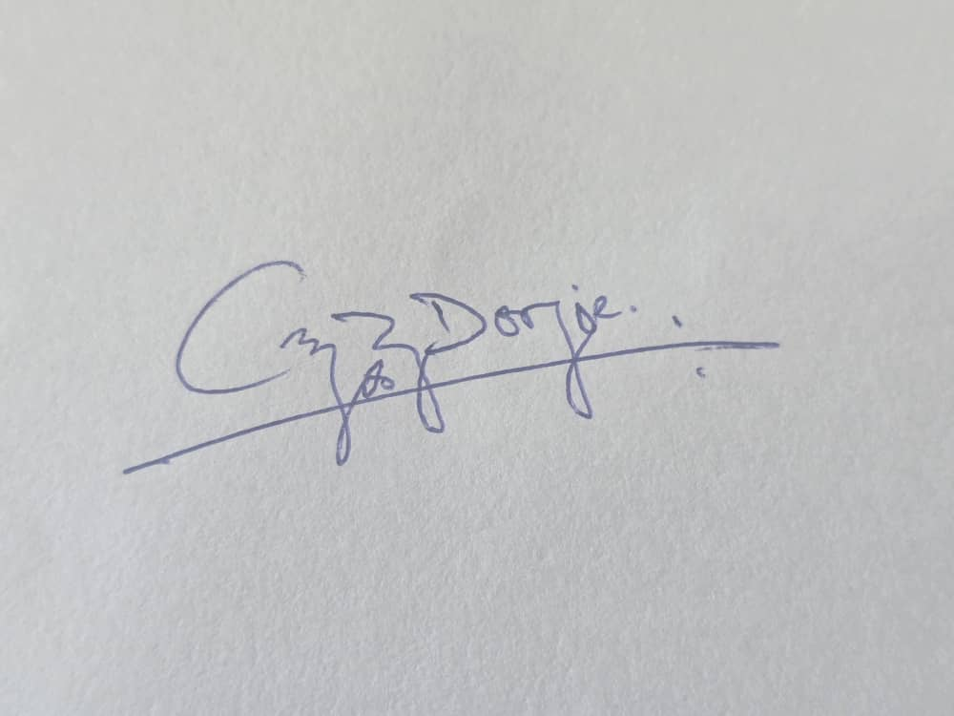

 |  |  |  |  |  |  |  |  | Verified By: |  |  | Mr. Choki Dorji

 |  |  |  |  |  |  |  |  | Module Tutor: |  |  | Ms. Sonam Pemo

