Data
Cox Electric Breakeven Analysis |  |  |  | VC=LC+MC
Units Sold | $10,000.00 | Total Revenue | $6,500.00 | TC(q)=FC+(VC∗q)
Revenue per Unit | $0.65 | Total Variable cost | $150.00 | TR(q)=R∗q
 |  | Profit | $(3,650.00) | P=TR(q)−TC(q)
Fixed Costs | $10,000.00
 |  | Units Sold | $15,748.03
Material Cost per Unit | $0.15 | Total Revenue | $10,236.22
 |  | Total Variable cost | $236.22
Labor Cost per Unit | $0.10 | Profit | $-

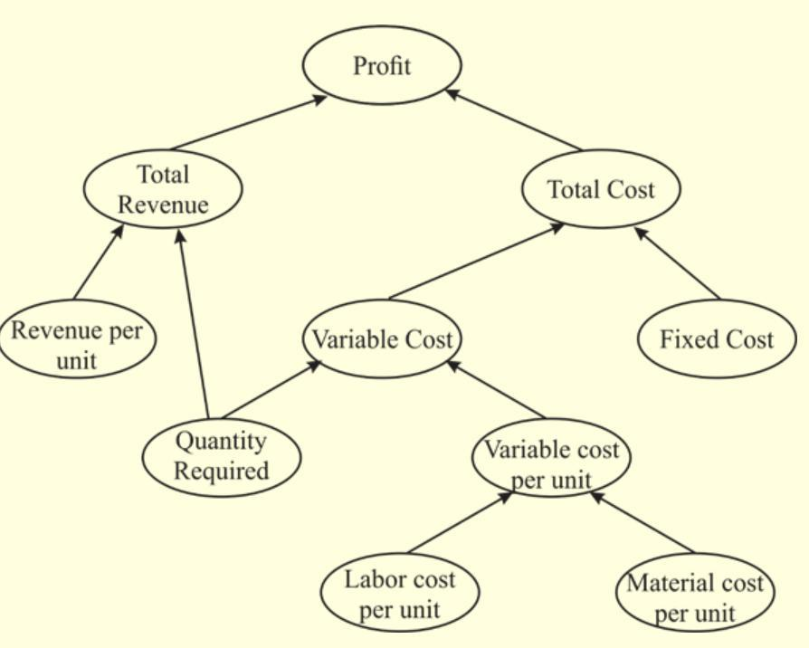
Break Even (Units sold) | $25,000.00

