Source_Intensity
Wavelength (nm) | Source Intensity (W/m^2 nm)
550 | 0 | Mode | 650
551 | 0 | shape | 1.9
552 | 0 | scale | 74.09097598
553 | 0 | gamma | 600
554 | 0
 | Source Intensity (W/m^2 nm)
550 | 0
551 | 0
552 | 0
553 | 0
554 | 0
555 | 0
556 | 0
557 | 0
558 | 0
559 | 0
560 | 0
561 | 0
562 | 0
563 | 0
564 | 0
565 | 0
566 | 0
567 | 0
568 | 0
569 | 0
570 | 0
571 | 0
572 | 0
573 | 0
574 | 0
575 | 0
576 | 0
577 | 0
578 | 0
579 | 0
580 | 0
581 | 0
582 | 0
583 | 0
584 | 0
585 | 0
586 | 0
587 | 0
588 | 0
589 | 0
590 | 0
591 | 0
592 | 0
593 | 0
594 | 0
595 | 0
596 | 0
597 | 0
598 | 0
599 | 0
...
555 | 0
556 | 0
557 | 0
558 | 0
559 | 0
560 | 0
561 | 0
562 | 0
563 | 0
564 | 0
565 | 0
566 | 0
567 | 0
568 | 0
569 | 0
570 | 0
571 | 0
572 | 0
573 | 0
574 | 0
575 | 0
576 | 0
577 | 0
578 | 0 |  |  | DNS Reflectometer Data from: https://www.devicesandservices.com/15R-RGB%20Spec%20Sheet.pdf
579 | 0
580 | 0
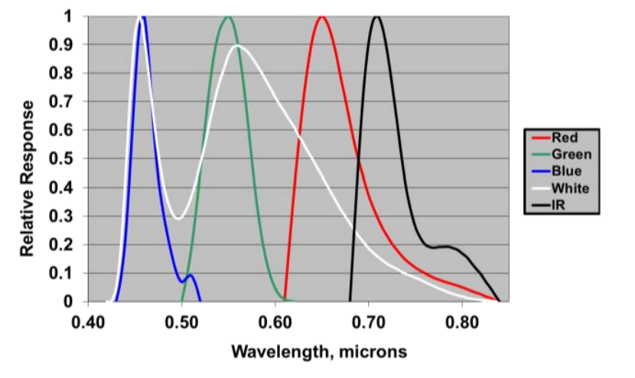
581 | 0
582 | 0
583 | 0
584 | 0
585 | 0
586 | 0
587 | 0
588 | 0
589 | 0
590 | 0
591 | 0
592 | 0
593 | 0
594 | 0
595 | 0
596 | 0
597 | 0
598 | 0
599 | 0
600 | 0
601 | 0.047481425809
602 | 0.088535673154
603 | 0.12737182082
604 | 0.16474207304
605 | 0.20096878046
606 | 0.23622157813
607 | 0.2705985942
608 | 0.30415911161
609 | 0.33693925227
610 | 0.36896044031
611 | 0.40023436713
612 | 0.43076609451
613 | 0.46055609293
614 | 0.48960163561
615 | 0.51789778406
616 | 0.54543810448
617 | 0.57221520096
618 | 0.59822112021
619 | 0.62344766406
620 | 0.6478866341
621 | 0.67153002539
622 | 0.69437018138
623 | 0.71639991839
624 | 0.73761262623
625 | 0.75800234961
626 | 0.7775638538
627 | 0.79629267743
628 | 0.81418517437
629 | 0.83123854657
630 | 0.8474508689
631 | 0.86282110739
632 | 0.87734913135
633 | 0.89103572047
634 | 0.90388256715
635 | 0.91589227484
636 | 0.92706835261
637 | 0.93741520639
638 | 0.94693812727
639 | 0.95564327702
640 | 0.96353767117
641 | 0.97062915981
642 | 0.9769264064
643 | 0.98243886467
644 | 0.98717675395
645 | 0.99115103283
646 | 0.99437337166
647 | 0.99685612365
648 | 0.99861229502
649 | 0.99965551416
650 | 1
651 | 0.99966052961
652 | 0.99865240531
653 | 0.99699142124
654 | 0.99469382959
655 | 0.99177630651
656 | 0.98825591796
657 | 0.98415008537
658 | 0.97947655136
659 | 0.97425334556
660 | 0.96849875065
661 | 0.96223126855
662 | 0.95546958709
663 | 0.94823254699
664 | 0.94053910933
665 | 0.93240832362
666 | 0.92385929638
667 | 0.91491116047
668 | 0.90558304509
669 | 0.89589404651
670 | 0.88586319969
671 | 0.87550945067
672 | 0.86485162993
673 | 0.85390842656
674 | 0.84269836357
675 | 0.83123977397
676 | 0.81955077805
677 | 0.80764926156
678 | 0.79555285503
679 | 0.7832789141
680 | 0.77084450094
681 | 0.75826636682
682 | 0.74556093562
683 | 0.73274428864
684 | 0.71983215031
685 | 0.70683987513
686 | 0.69378243559
687 | 0.6806744113
688 | 0.66752997904
689 | 0.65436290394
690 | 0.64118653173
691 | 0.62801378193
692 | 0.61485714212
693 | 0.60172866314
694 | 0.58863995525
695 | 0.57560218528
696 | 0.56262607461
697 | 0.54972189812
698 | 0.5368994839
699 | 0.52416821385
700 | 0.51153702507
701 | 0.49901441196
702 | 0.48660842914
703 | 0.47432669496
704 | 0.46217639578
705 | 0.45016429082
706 | 0.43829671762
707 | 0.42657959804
708 | 0.41501844488
709 | 0.40361836889
710 | 0.39238408628
711 | 0.38131992671
712 | 0.37042984158
713 | 0.35971741277
714 | 0.34918586165
715 | 0.33883805844
716 | 0.32867653175
717 | 0.3187034785
718 | 0.30892077386
719 | 0.29932998154
720 | 0.28993236411
721 | 0.28072889348
722 | 0.27172026148
723 | 0.26290689049
724 | 0.25428894414
725 | 0.24586633794
726 | 0.23763875004
727 | 0.22960563184
728 | 0.22176621862
729 | 0.21411954006
730 | 0.20666443072
731 | 0.19939954034
732 | 0.19232334407
733 | 0.18543415259
734 | 0.17873012196
735 | 0.17220926344
736 | 0.16586945302
737 | 0.15970844083
738 | 0.1537238603
739 | 0.14791323712
740 | 0.14227399801
741 | 0.13680347919
742 | 0.13149893468
743 | 0.12635754434
744 | 0.12137642162
745 | 0.11655262112
746 | 0.11188314586
747 | 0.10736495429
748 | 0.10299496702
749 | 0.098770073374
750 | 0.094687137554
751 | 0.09074300465
752 | 0.086934506326
753 | 0.083258466271
754 | 0.079711705381
755 | 0.076291046688
756 | 0.072993320035
757 | 0.0698153665
758 | 0.066754042573
759 | 0.063806224089
760 | 0.060968809926
761 | 0.058238725466
762 | 0.055612925827
763 | 0.053088398878
764 | 0.050662168025
765 | 0.048331294799
766 | 0.046092881228
767 | 0.043944072012
768 | 0.041882056504
769 | 0.039904070511
770 | 0.038007397901
771 | 0.036189372051
772 | 0.034447377112
773 | 0.032778849132
774 | 0.031181277005
775 | 0.029652203288
776 | 0.02818922487
777 | 0.026789993507
778 | 0.025452216232
779 | 0.024173655639
780 | 0.022952130058
781 | 0.021785513619
782 | 0.020671736207
783 | 0.019608783332
784 | 0.0185946959
785 | 0.017627569901
786 | 0.016705556017
787 | 0.01582685916
788 | 0.014989737938
789 | 0.014192504058
790 | 0.013433521669
791 | 0.012711206659
792 | 0.012024025891
793 | 0.01137049641
794 | 0.010749184594
795 | 0.010158705281
796 | 0.0095977208581
797 | 0.0090649403271
798 | 0.0085591183407
799 | 0.0080790542219
800 | 0.0076235909635
801 | 0.0071916142146
802 | 0.0067820512548
803 | 0.0063938699601
804 | 0.0060260777625
805 | 0.0056777206071
806 | 0.0053478819067
807 | 0.0050356814983
808 | 0.0047402746031
809 | 0.0044608507905
810 | 0.0041966329495
811 | 0.0039468762692
812 | 0.0037108672279
813 | 0.0034879225948
814 | 0.0032773884438
815 | 0.0030786391815
816 | 0.0028910765896
817 | 0.0027141288836
818 | 0.0025472497878
819 | 0.0023899176285
820 | 0.0022416344441
821 | 0.0021019251151
822 | 0.0019703365124
823 | 0.0018464366658
824 | 0.0017298139522
825 | 0.0016200763036
826 | 0.0015168504365
827 | 0.001419781101
828 | 0.0013285303509
829 | 0.0012427768342
830 | 0.0011622151051
831 | 0.0010865549553
832 | 0.0010155207672
833 | 0.00094885088643
834 | 0.00088629701495
835 | 0.00082762362428
836 | 0.00077260738816
837 | 0.00072103663485
838 | 0.00067271081849
839 | 0.00062744000936
840 | 0.0005850444026
841 | 0.00054535384508
842 | 0.00050820738004
843 | 0.00047345280913
844 | 0.00044094627137
845 | 0.00041055183878
846 | 0.00038214112809
847 | 0.00035559292827
848 | 0.00033079284326
849 | 0.00030763294976
850 | 0.0002860114693

