Sheet1
 | Testcases | Expected result | output
Test case1 | Connection to Homepage | 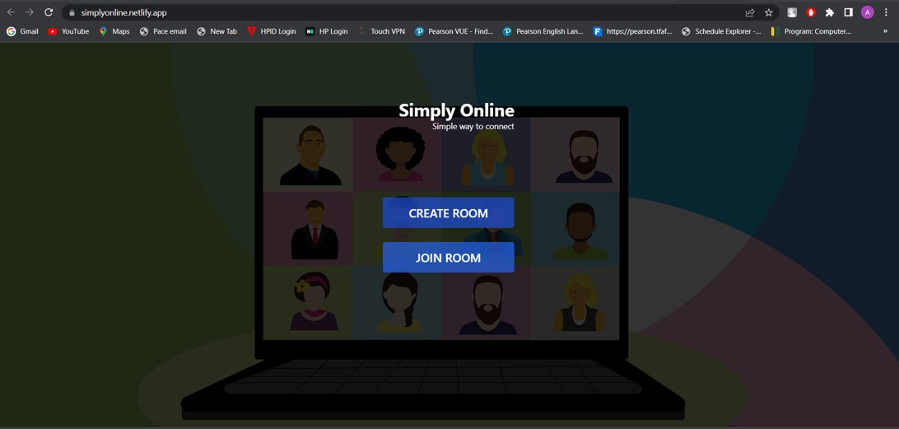 As a user we are able connect to homepage.
Test case2 | Create Room | 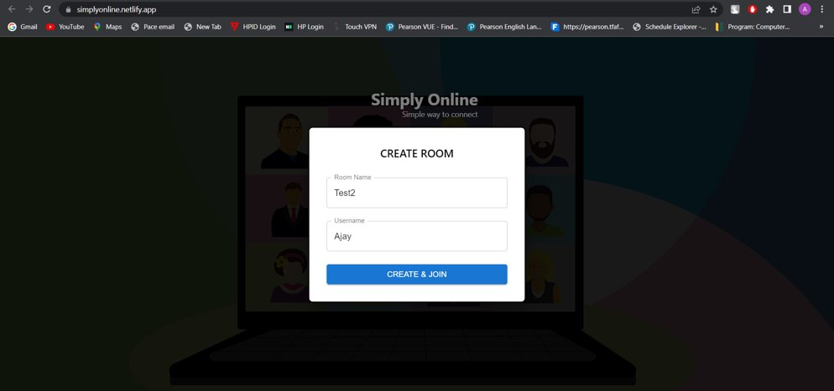 As a user we are able create room
Test case 3 | Join Room | As a user we are able to join room | 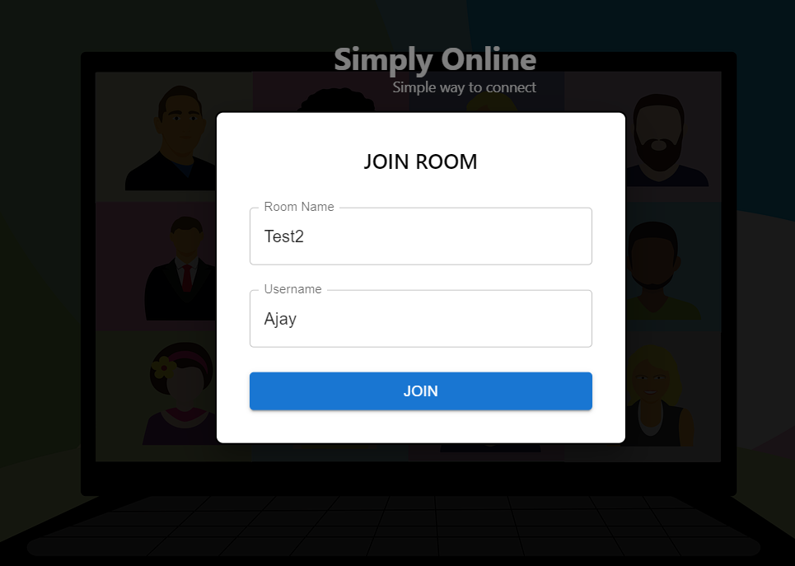
Test case 4 | Join Stream | Join button to join the stream | 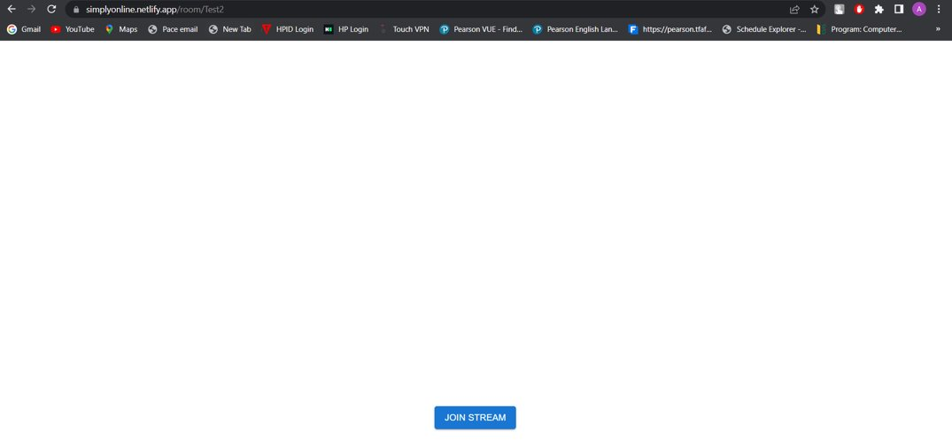
Test case 5 | Join the call enable audio and video | Able to connect the audio and video call | 