Sheet1
HouseIn Quotation Sheet
Project Name:Clothes Drying Rack |  |  |  | Date:Sep,13th.2022
Contact:Leo Pan |  |  |  | https://wfhousein.com/
Product photo | Products specs | Packing method | Packing Specs | Unit Price | Loading Qty/40HQ | MOQ
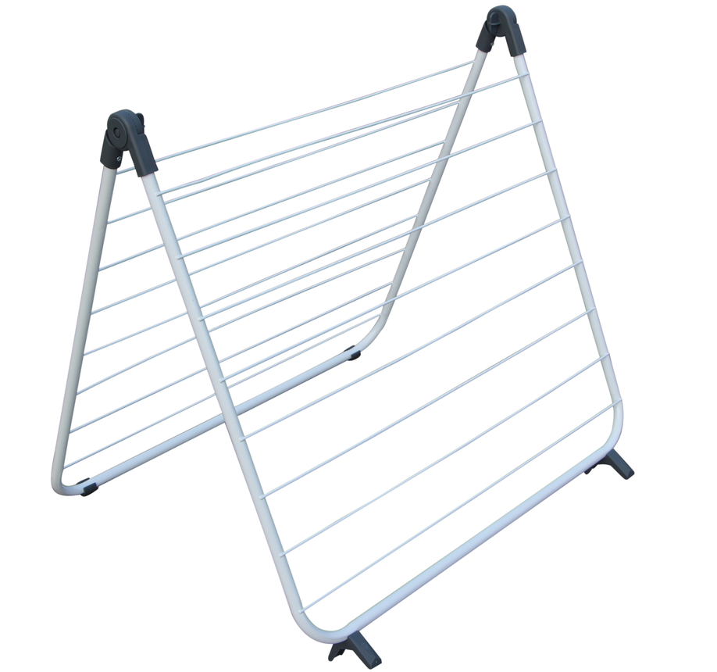 | Open Size: 66x47x60(122x4x66); Folded Size: 66x4x63; Surface treatment: Powder coating. Color: Spray white color, blue or black plastic. | 1pc/shrinkwrap+color label, 1pc/1 mail order box. Pass ISTA 1A drop test | Mail order box size:65 x 5 x 66.5cm. G.W: about 1.6kgs Pass ISTA 1A drop test | USD 3.57 FOB SHENZHEN | 3144pcs | 3144pcs

