Sheet1
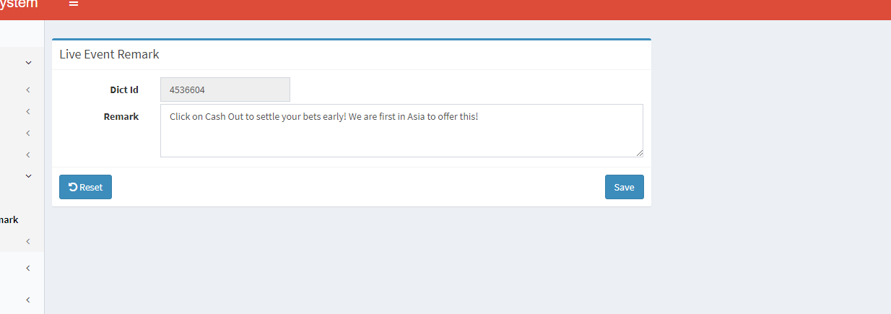
1 | Unable set all items below, especially Live Event, Close and Schedule

2 | When enter odds in either Match, H/C and Total, all textbox filled with the same value that I entered



3 | Search engine have a little issue, sometime unable to search events when switching between status, eg: | Solve by added response while searching

 | .. When choose inactive, click search then 4 events came out. After changed one of the events status to ACTIVE then click search again, should have left 3 events, however didn’t show the rest event
 | after clicked on search.

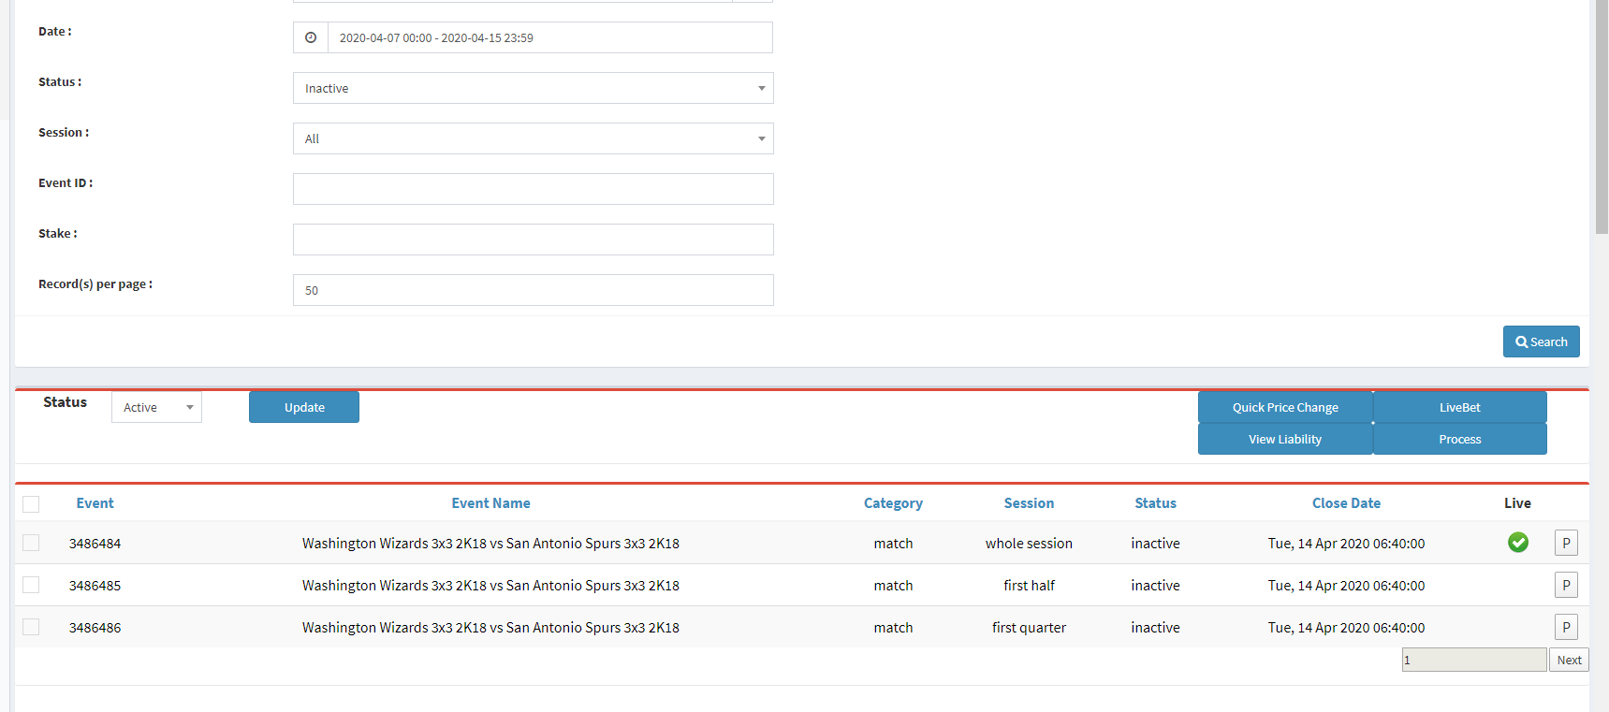

 | .. Clicked search again, and now all the events are gone, checked on the old ysb, it should have 3 events left according to the filters
 | .. But after a short while if u click search again, the missing events will come out again.

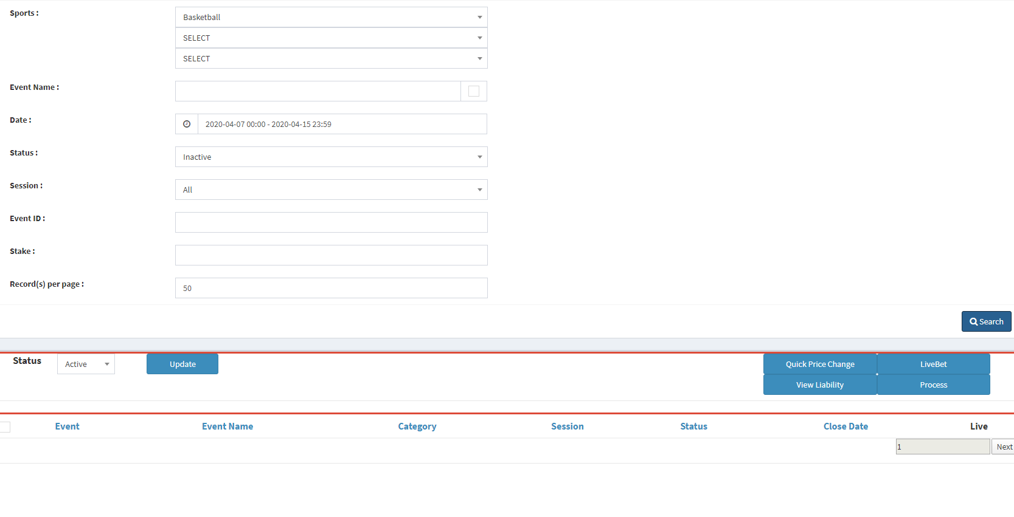

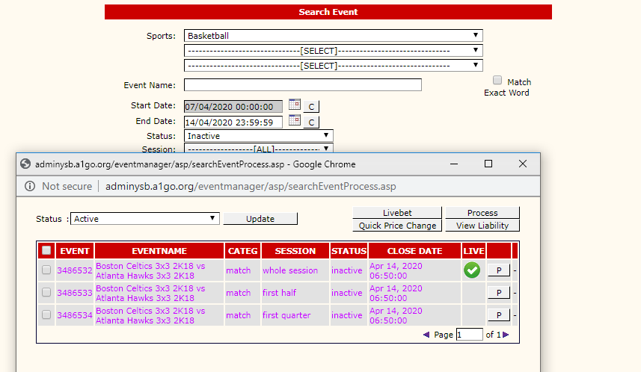

4 | Please widen the area | Done

