Admin Manager
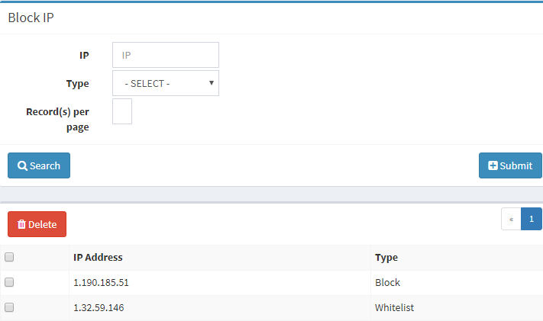
1 | Admin Users | Done

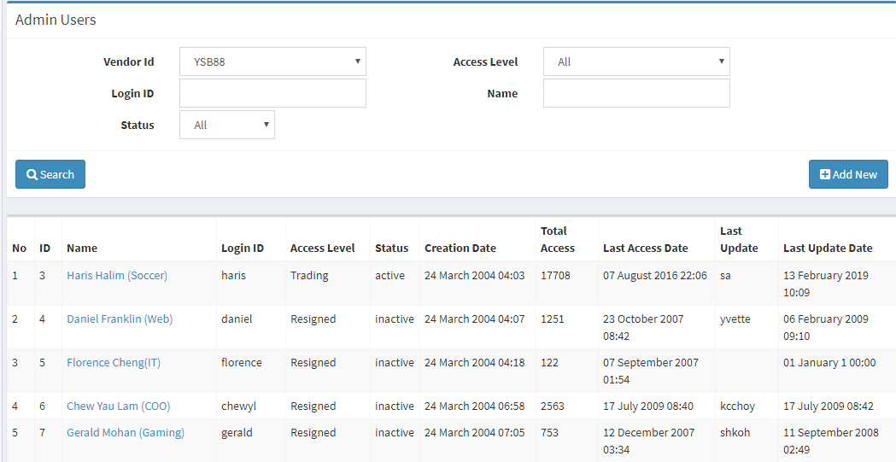

2 | Language | Done

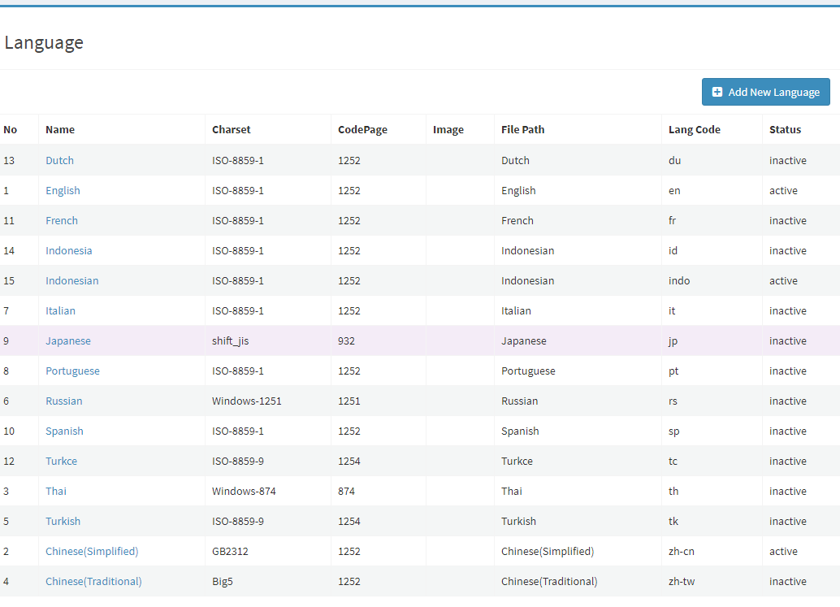

3 | Maintainance Department | Done

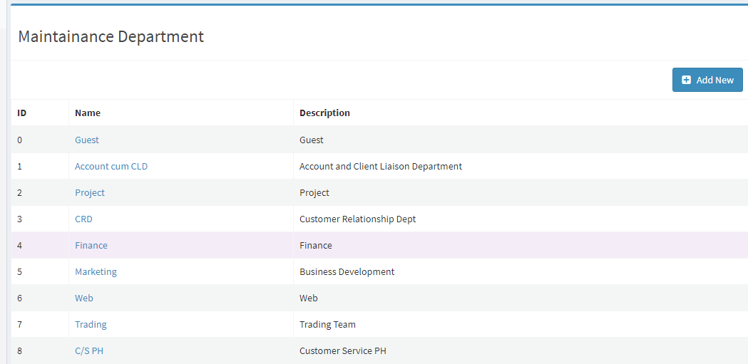

4 | Vendor Details | Done

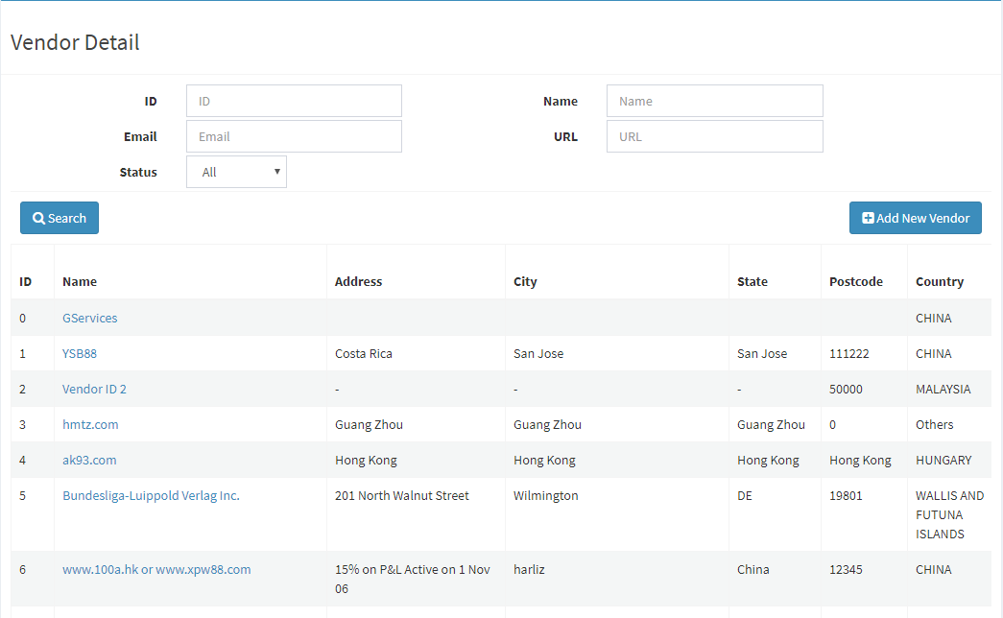

5 | Maintain Sub Vendor | Done

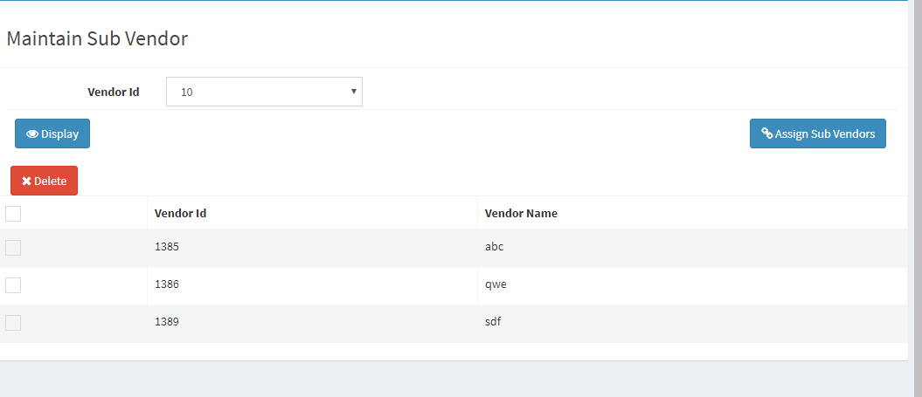

6 | Vendor Sports | Done

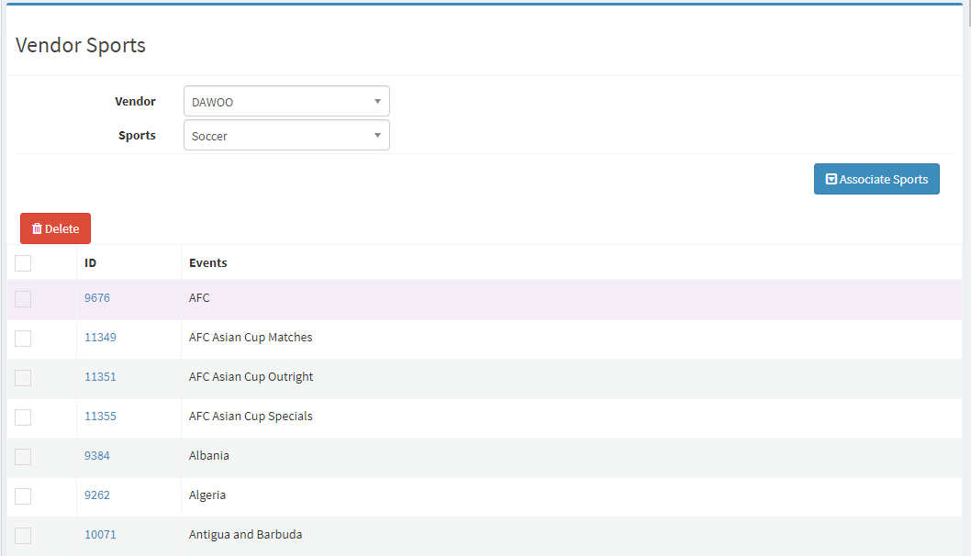

7 | Country | Done

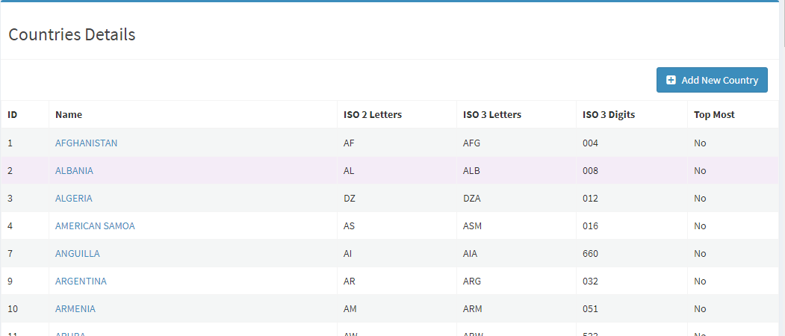

8 | Generate All Events | Done

9 | Generate All Sports | Done

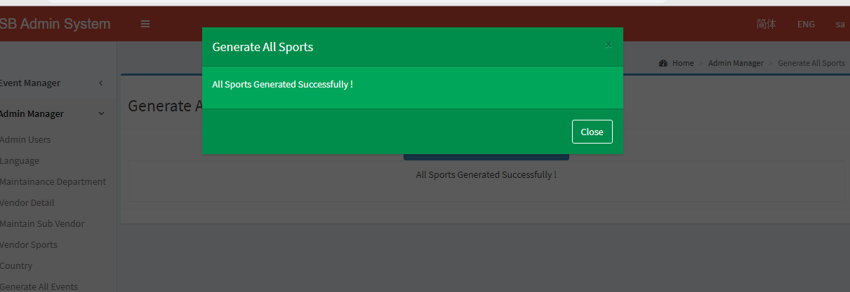

10 | Click Here to Clear Cached Events | Done

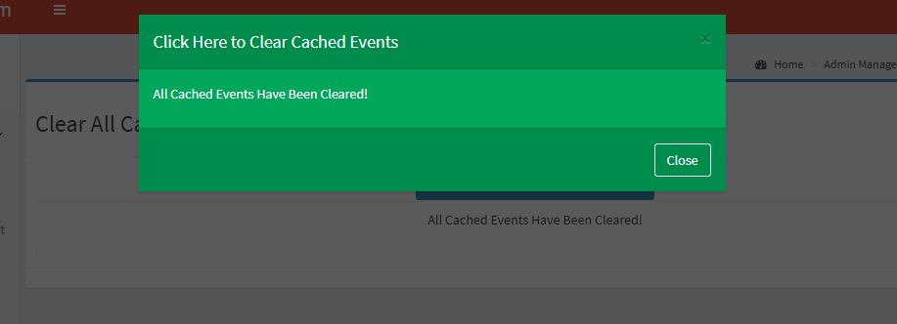

11 | Vendors Hierarchy | Done

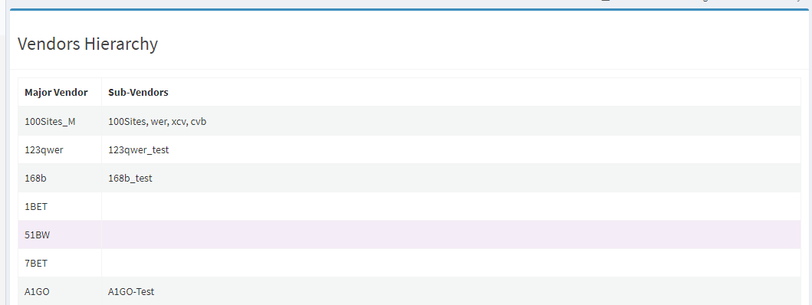

12 | 3rd Party Access | Done

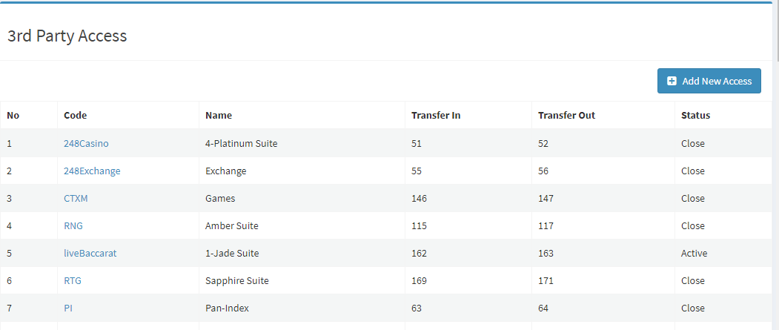

13 | Client Category | Error
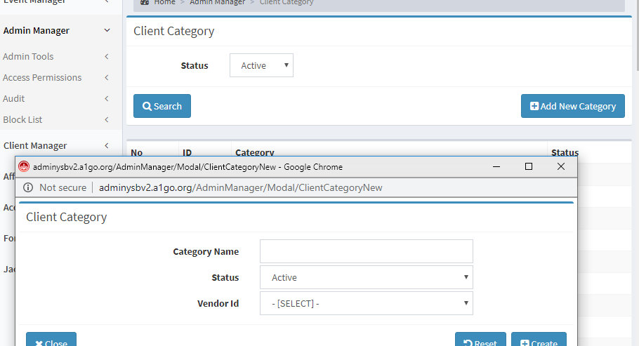

14 | Bet Mode | Done

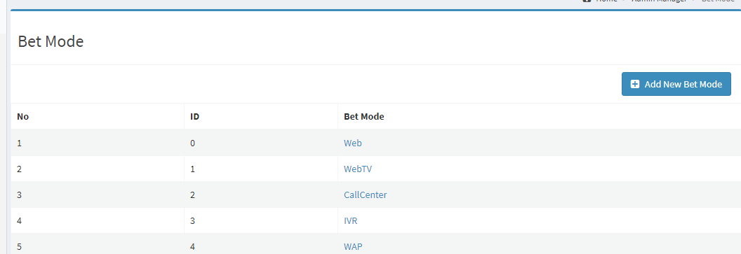

15 | Notice | Done

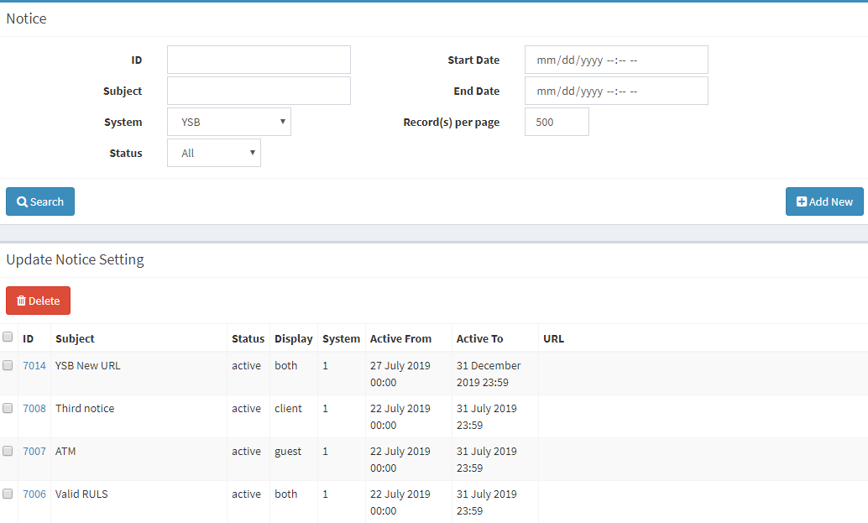

16 | Daily Analysis | Done

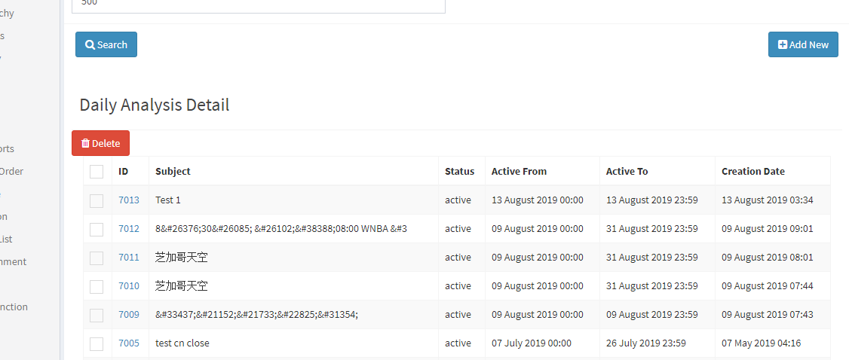

17 | Vendor Hot Sports | Done

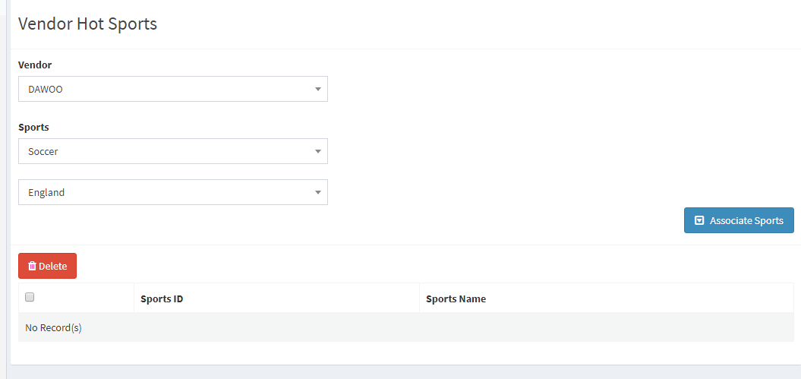
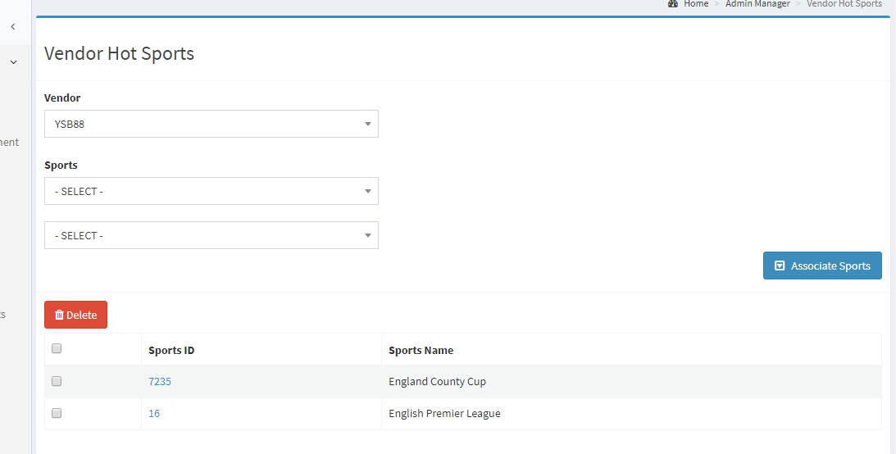

18 | Vendor Sports Order | Done

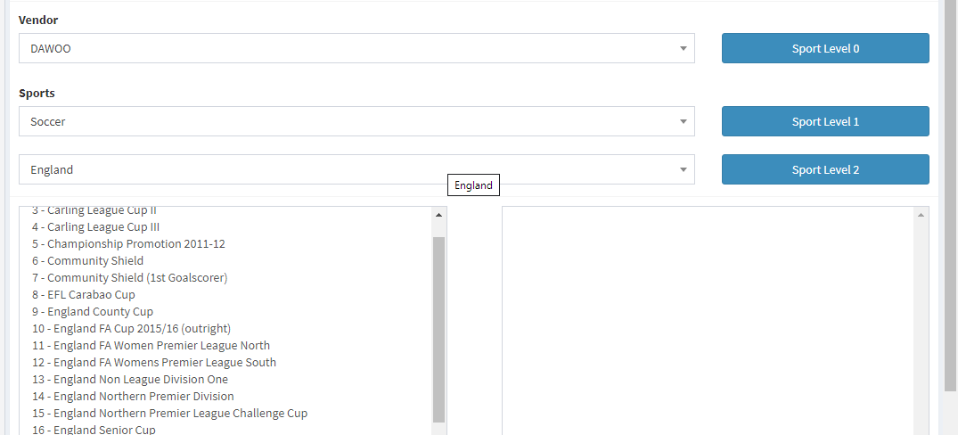

19 | System Module | Done

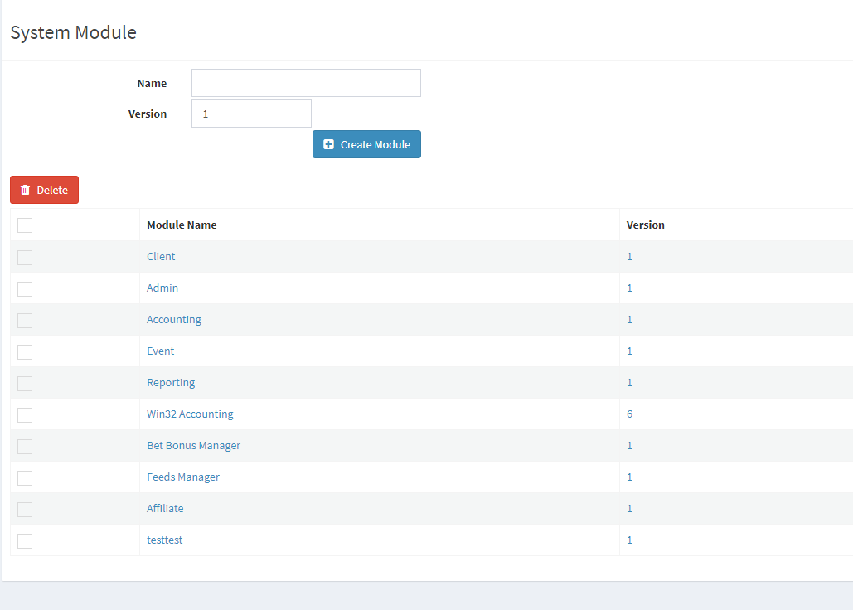

20 | Module Function | Done

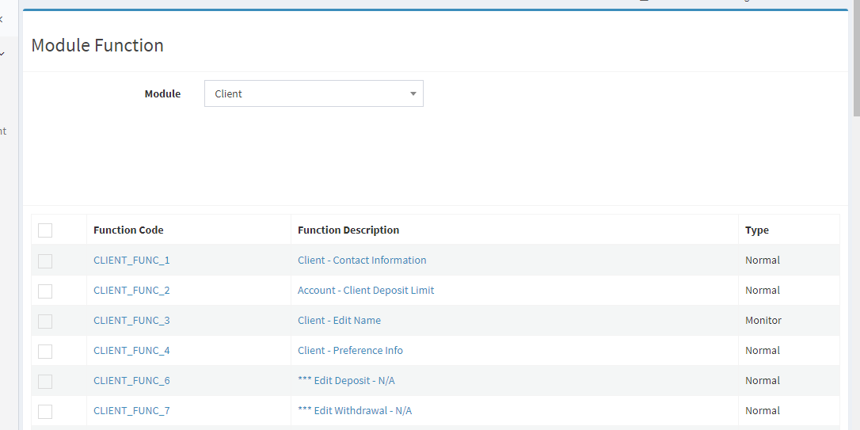

21 | Function User List | Done

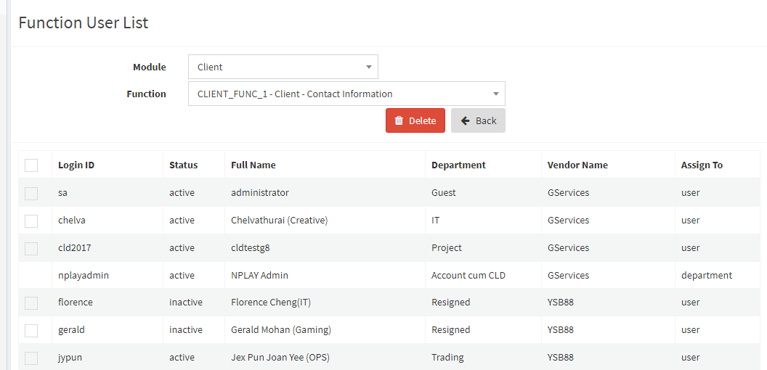

22 | Function Assignment | Done

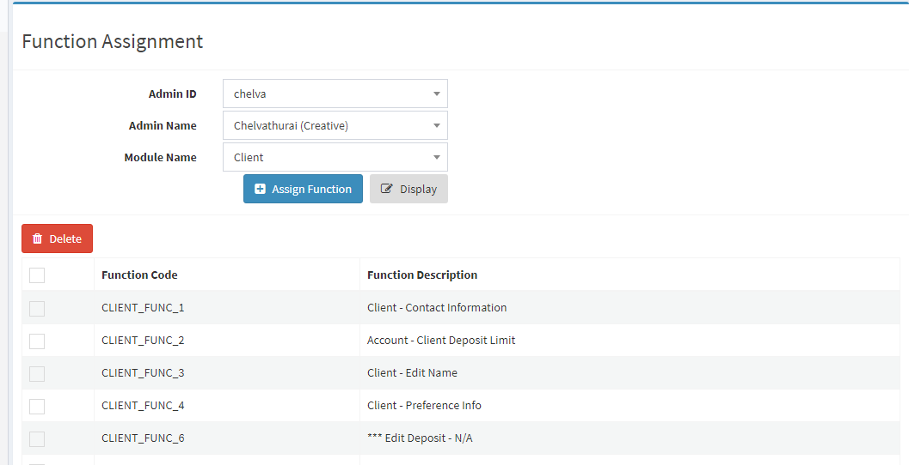

23 | User Function | Done

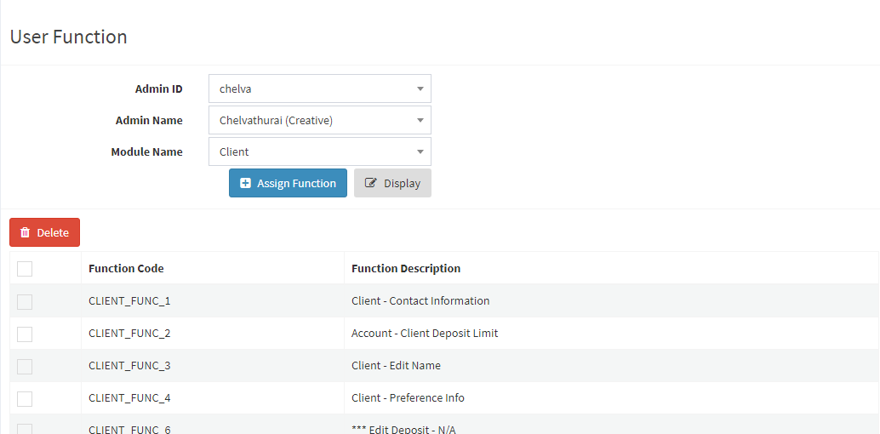

24 | Department Function | Done

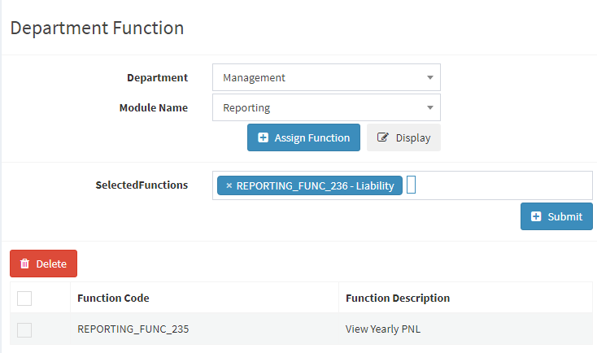

25 | Audit Function | Done

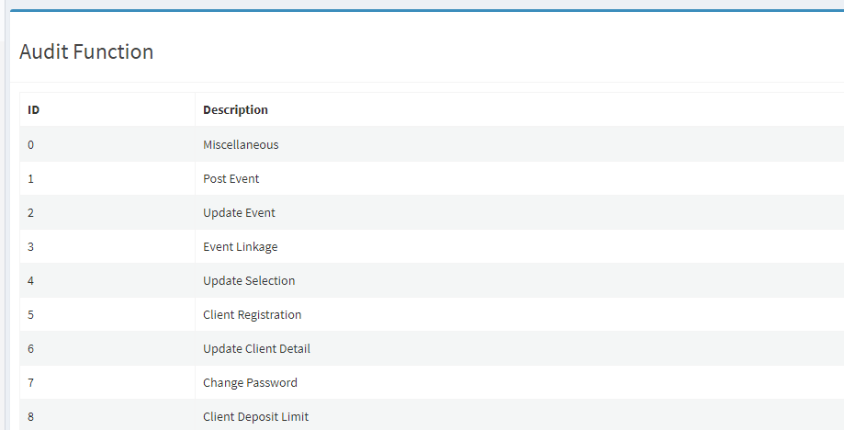

26 | Audit Trail | Done

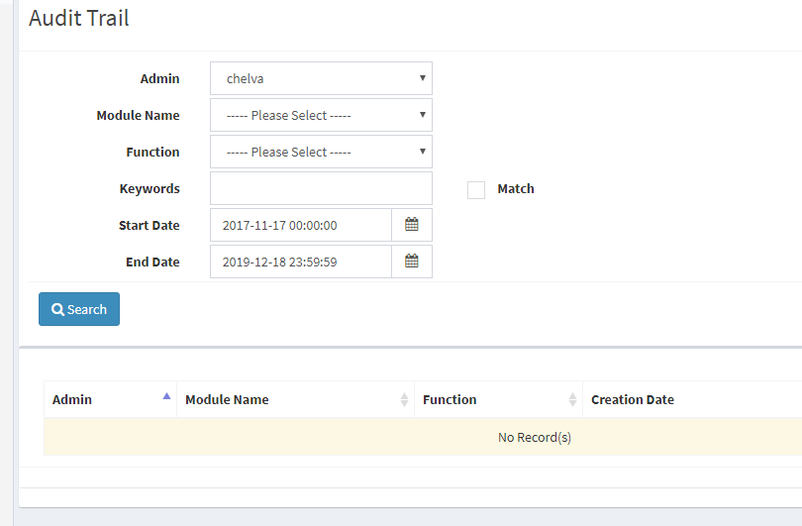

27 | Block Country | Done

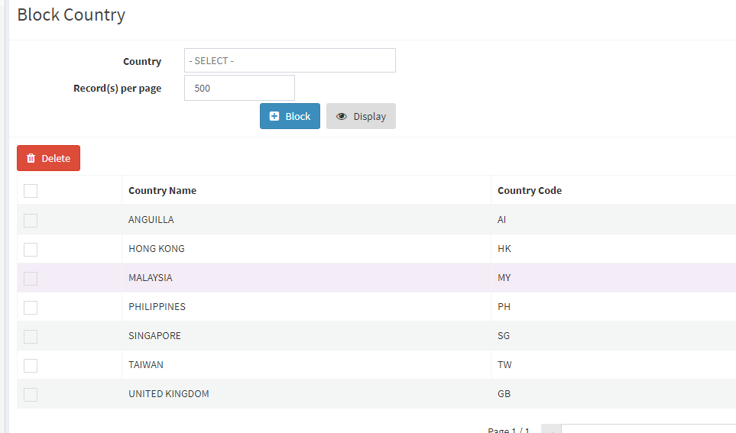

28 | Block Region | Done

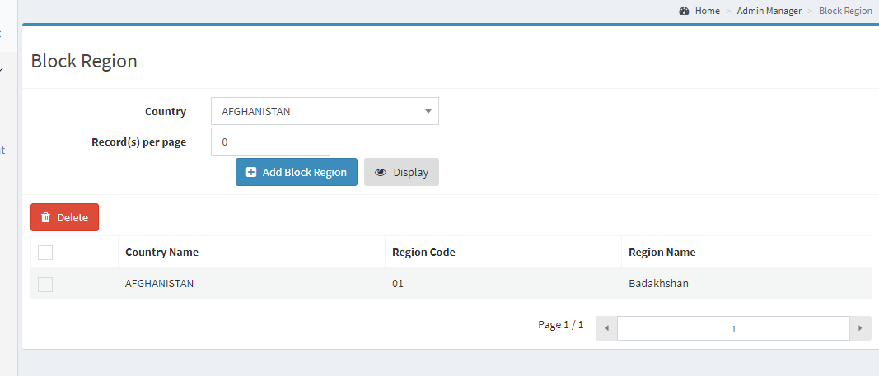

29 | Block City | Done

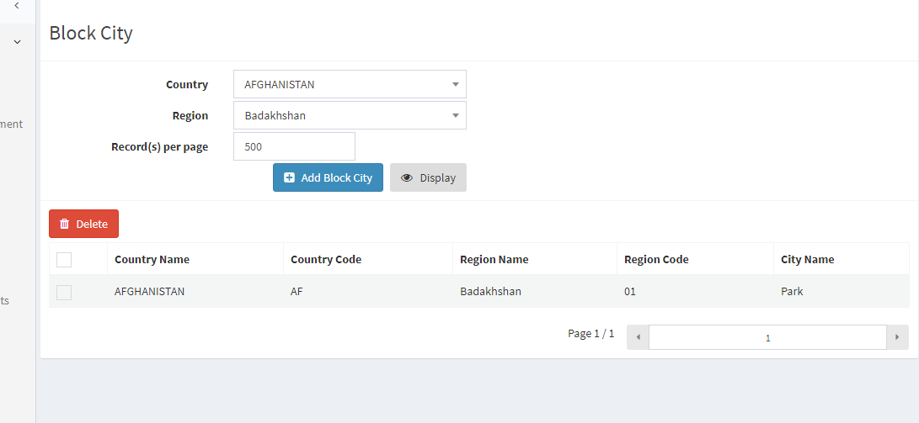

30 | Block IP | Done

Affiliate Manager
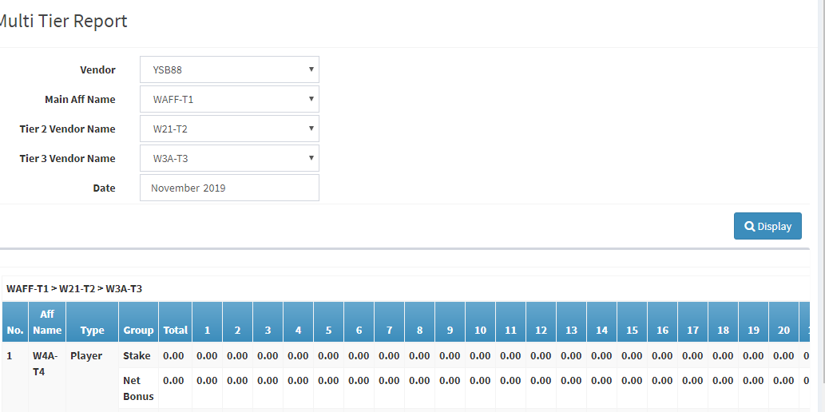
No | Description | Status
1 | Affiliate New

a | After selected P&L package, then select Vendor. After selected Vendor, the P&L package is deselected.

b | click "Create" button, but cant find the record in Affiliate Search.

2 | Affiliate Search

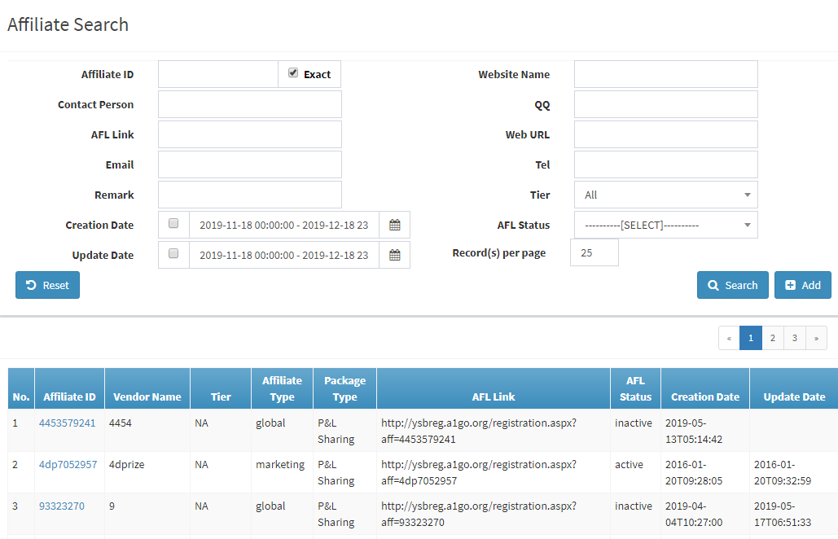

a | click "Search" | Done
b | click "Tier" | Ok
c | click "Affiliate ID" - Open Affiliate Updated | Ok
d | Affiliate Updated
d1 | click "Close" | ok
d2 | click "Update" | Ok
d3 | click "Reset password" | Ok
d4 | Click "Rebate Preset" | Error occurs
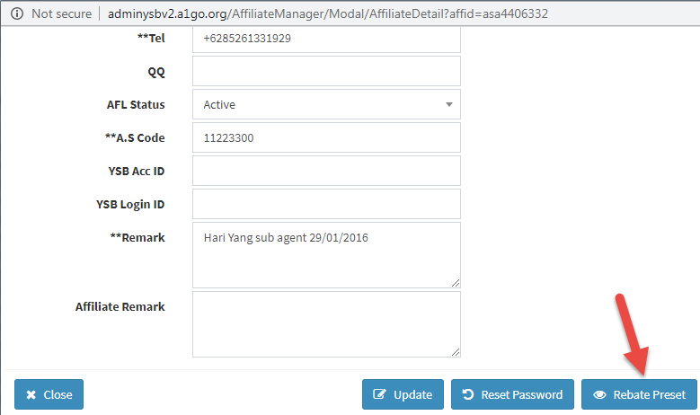

2 | Affiliate Player Search | Done

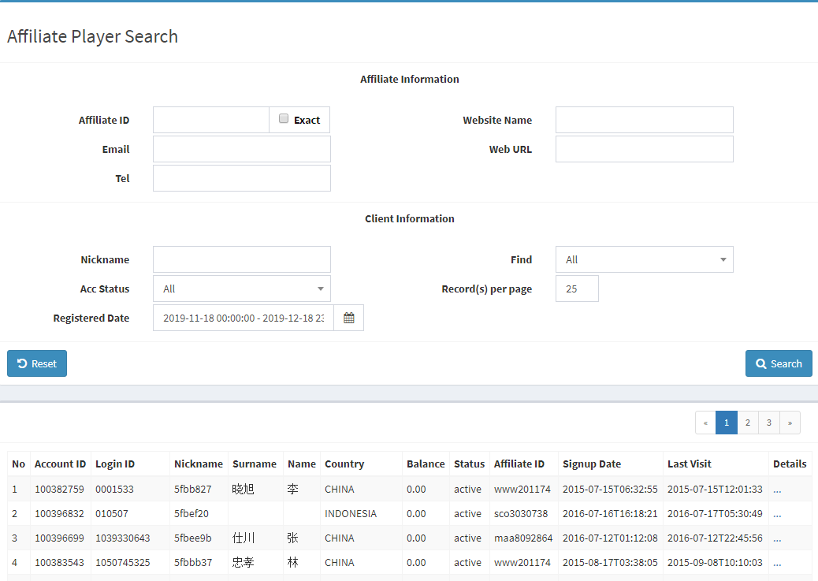

3 | Commission Setting | Done

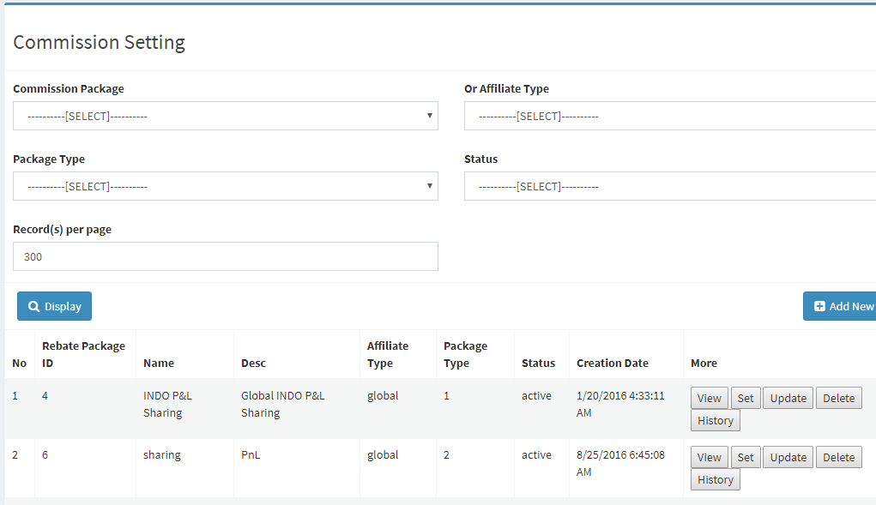

4 | Bonus Adjustment | Done

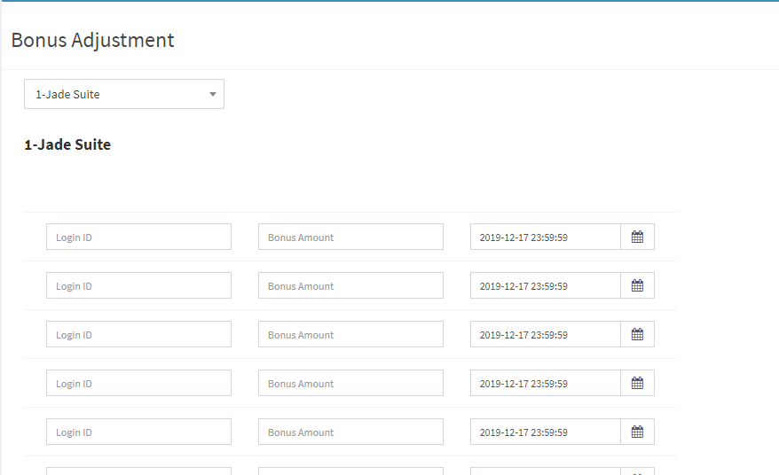

5 | Affiliate Adjustment | Done

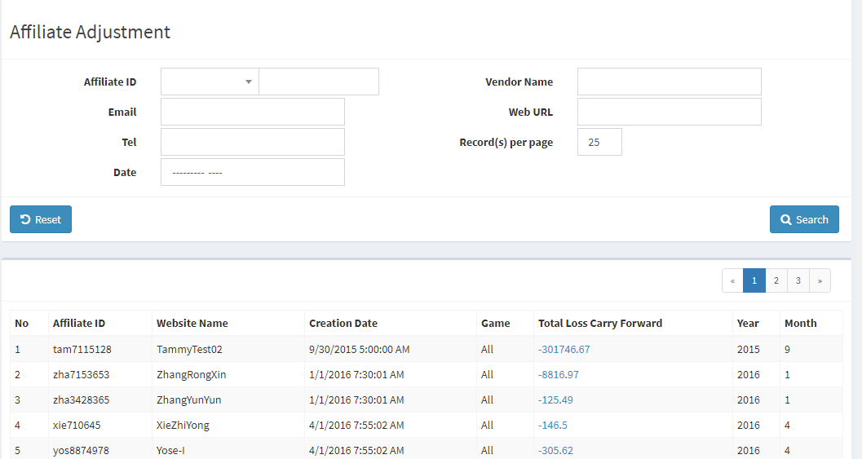

6 | Player Data Management | Done

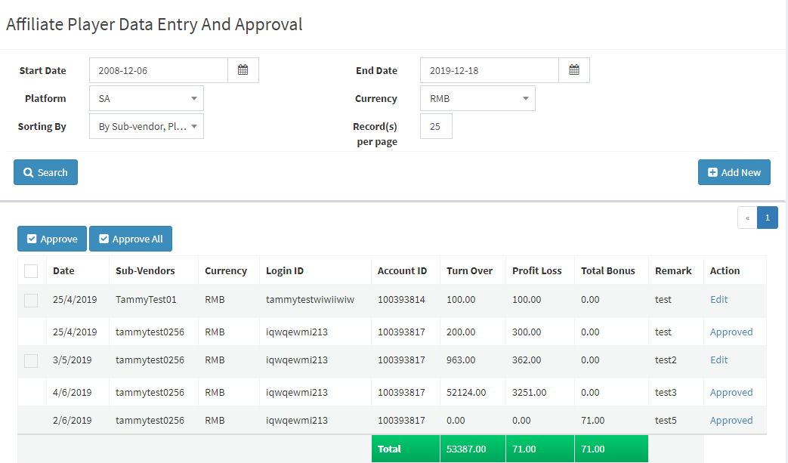

7 | Player Data Adjustment | Done

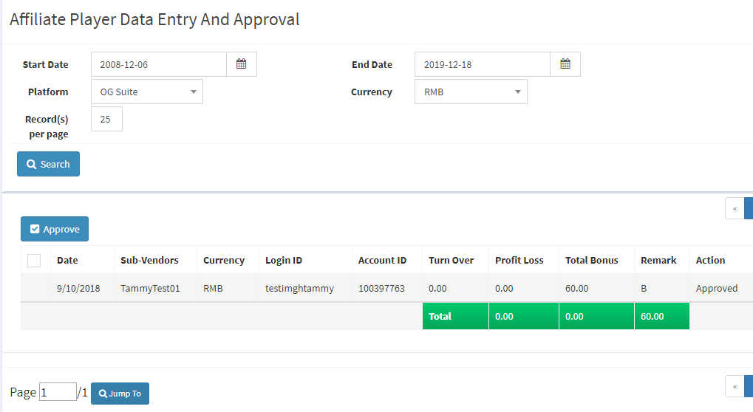

8 | Generate Daily Player Summary | Done

9 | Generate Commission Report | Done

10 | Monthly Report (Summary ) | Done

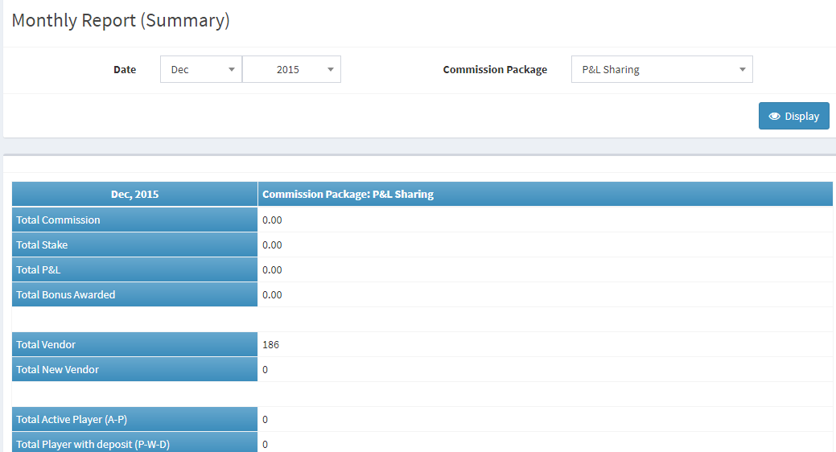

11 | Commission Report (Summary) | Done

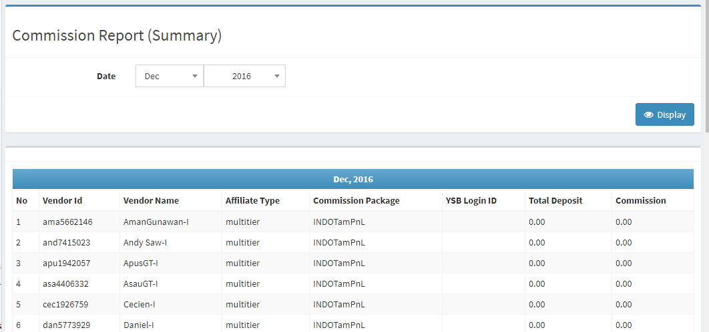

12 | Commission Report(M) | Done

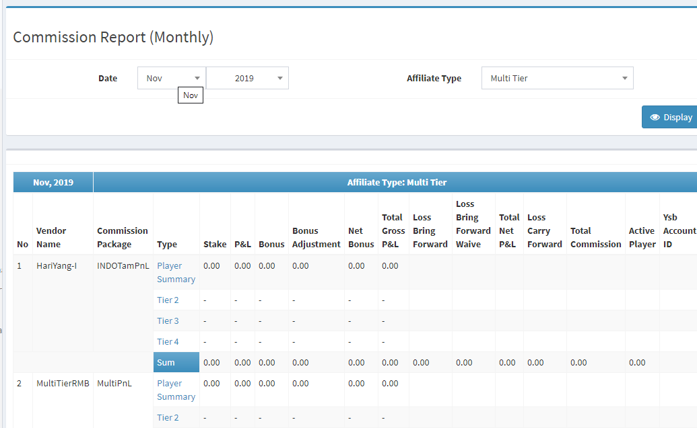

13 | Activity Report
a | missing Total Net Bonus grouping
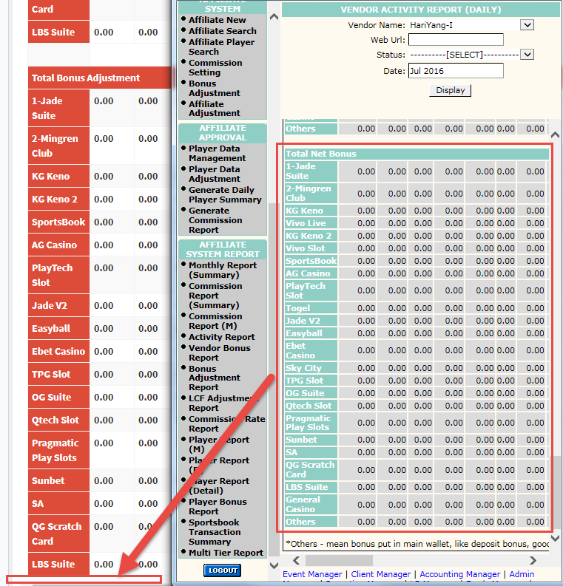

14 | Vendor Bonus Report | Done

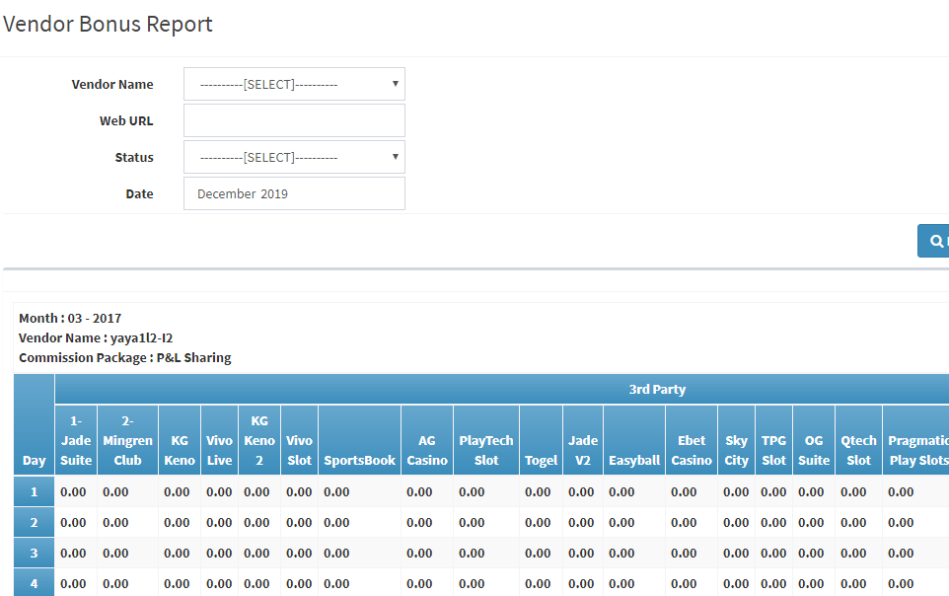

15 | Bonus Adjustment Report | Done

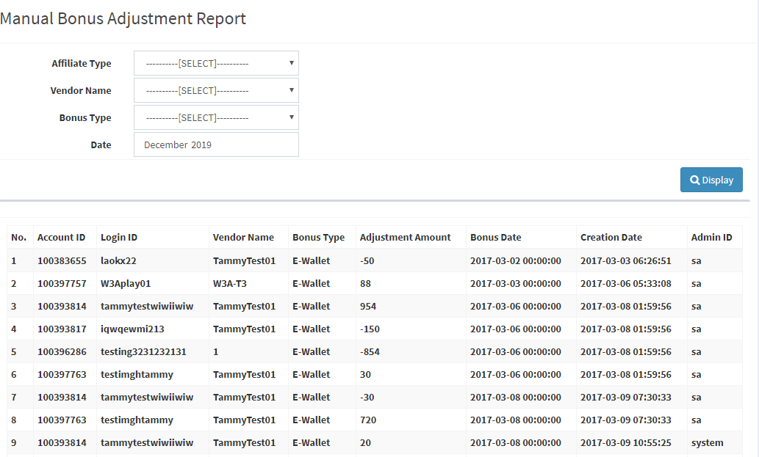

16 | LCF Adjustment Report | Reported

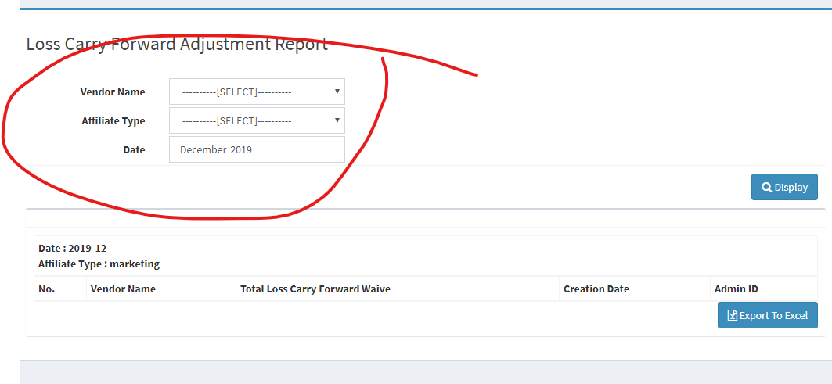

17 | Commission Rate Report | Done

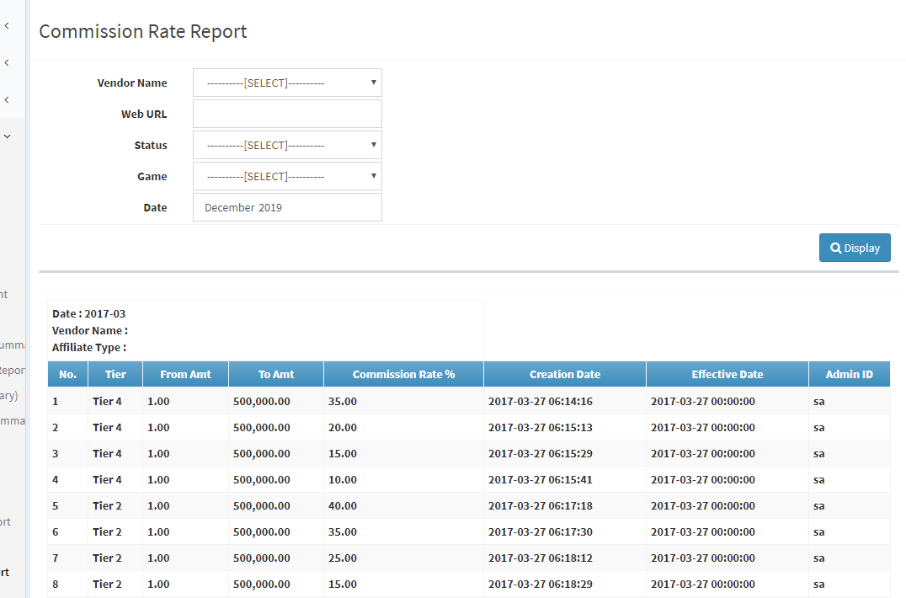

18 | Player Report (M) | Done

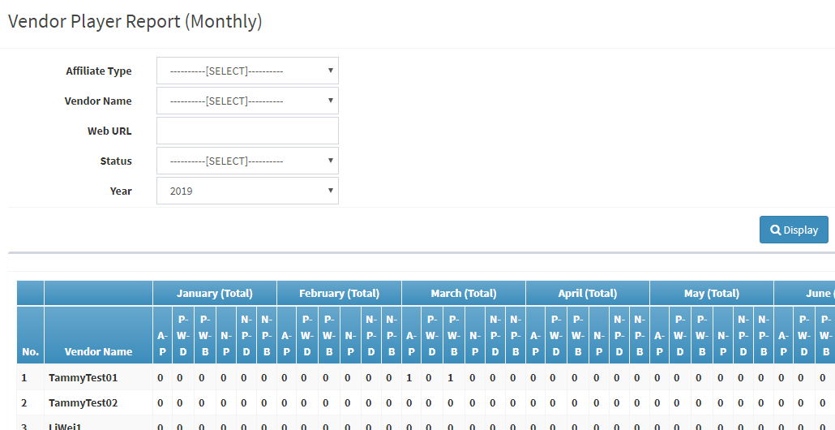

19 | Player Report (D) | Done

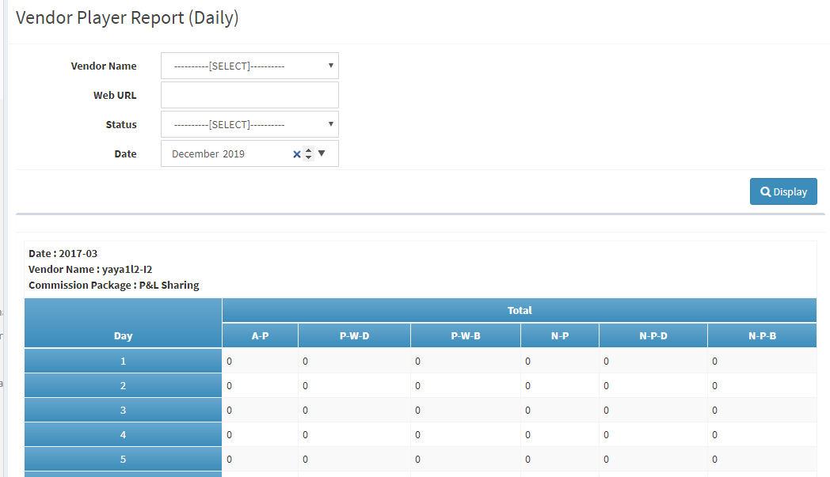

20 | Player Report (Details) | Reported

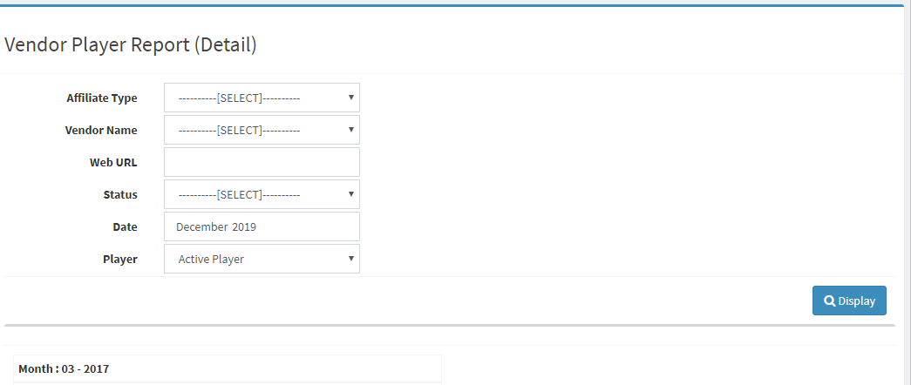

21 | Vendor Player Bonus Report | Reported

22 | Sportbook Transaction Summary Report | Done



23 | Multi Tier Report | Done

Event Manager
1 | Sports - Posting --> Create Event |  |  | Done

 | All layers response correctly



2 | Sports - Posting --> Create Match Bet Event |  |  | Issue Reported

 | Issue 1: Offset name missing

 | Issue 2: Bet type didn’t response to the correct sports for example bowls should have any bet type to choose



 | Issue 3: Unable to select Live Event.
 | Issue 4: Unable to select Live Session.
 | Issue 5: Unable to select Combo, dropdown is not appearing.
 | Issue 6: Unable to select Close and Schedule, time picker is not appearing.
 | Issue 7: Unable to select Live Offset, dropdown is not appearing.
 | Issue 8: Unable to show the Odd format e.g Decimal

 | Issue 9: When enter an odd, it directly apply in all odds text box.

 | Left | Able to select Left Event. | Done
 | Right | Able to select Right Event. | Done
 | VS/AT | Able to switch betwwen VS and AT. | Done
 | Switch | Able to switch Left Right events. | Done
 | Search | Able to search Left Right events. | Done
 | Erase | Able to erase selected events. | Done
 | Add | Able to add new events and events will be listed in the dropdown. | Done
 | Edit | Able to edit selected events | Done
 | Match Exact Word | Ticked and Left Right events will only the exact words entered. | Done

 | Session | Able to tick session, types of session will appear according to the selected sports | Done
 | Bet Type | Able to tick Bet Type, types of bet type will appear according to the selected sports | Check issue 1
 | Offset dropdown | Able to select Offset | Check issue 2

 | Status | Able to select active, inactive, close. | Done
 | Live Event | Able to select Live Event. | Check issue 3
 | Live Session | Able to select Live Session. | Check issue 4
 | Combo | Able to select Combo. | Check issue 5
 | Close | Able to select event close date and time. | Check issue 6
 | Schedule | Able to select time and date to open live events. | Check issue 6
 | BM Rem | Able to enter BM Rem | Done
 | Ev Rem | Able to enter Ev Rem | Done
 | Live offset | Able to select Live Offset | Check issue 7
 | Odd format | Able to see the selected Odd Format | Check issue 8

 | Margin Table | User able to enter Match, H/C and Total. | Check issue 9
 |  | User able to enter Left/Left/Over.
 |  | User able to enter Right/Right/Under.
 |  | User able to enter Draw/Handicap/Total.
 |  | Margin able to calculate correctly.
 |  | User able to enter Client Limit.
 |  | User able to enter Game Limit.

 | Match Margin | User able to enter Match Margin. | Done
 | Totals Chart | User able to select Totals Chat, dropdown. | Done
 | Handicap Chart | User able to select Handicap Chart, dropdown. | Done
 | Post Event | Click on post event, event will be posted, and successful and not successful message will be show | Done







3 | Sports - Find |  |  | Done

 | Filters
 | Sport | Able to select all three layers. | Done
 | Event Name | Able to enter event name. | Done
 |  | When tick the box on the right, system should only show the event with the exact name. | Done
 | Date | Able to select date and time from time date picker. | Done
 | Status | Able to select Inactive, Active, Close, Processed and Invalid. | Done
 | Session | Able to select different session e.g, Main, 1st half and so on. | Done
 | Event ID | Able to enter event ID. | Done
 | Stake | Able to enter stake. | Done
 | Record(s) per page | Able to choose how many records should be show per page. | Done
 | Search Button | Able to search event according to the filters. | Done
 | Result | only corresponding results show up. | Done



 | Result
 | Status | Able to select events status to either active or inactive. | Done
 | Update button | Able to change events status to either active or inactive. | Done
 | Quick Price Change | Able to direct to the Quick Price Change page. | Done
 | Live Bet | Able to post selected event(s) to live. | Done
 | ViewLiability | Able to direct to the View Liablity page. | Done
 | Process | Able to direct to the Match Bet Event Processing page. | Done
 | Button P | Able to direct to the event process page. | Done
 | Live | Able to direct to the multipanel Live bet page. | Done

4 | Sports - Process Info

 | Process Status | Able to select Process, Unprocess, Void and System Close. | Done
 | Admin User | Allow user to enter Admin User. | Done
 | Event ID | Allow user to enter Event ID. | Done
 | Event Name | Allow user to enter Event Name. | Done
 | Date | Allow user to choose by using date picker. | Done
 | Record(s) per page | Allow to show how many record per page. | Done
 | Result | Result show depend on the filters. | Done



5 | Setup - Sports Settings Maintenance |  |  | Bugs

 | Issue 1: Should Show ID Instead of Status

 | Settings | Click on it, a list of dropdown will be show. | Done
 | Sport | Able to select all three layers. | Done



 | First Sport layer Add New

 | Sport Category | Able to select Fixed odd or Lotto. | Done
 | Bet Type | Able to select different bet type. | Done
 | Status | Able to select Active or Inactive. | Done
 | Name | Allow user to enter Sports Name. | Done
 | Hot Event | Tick if it is a Hot Event. | Done
 | Create | New item created. | Done



 | Second Sport Layer Add New

 | Status | Able to choose the status | Done
 | Name | Allow user to enter Country name | Done
 | Hot Event | Tick if it is a Hot Event | Done
 | Create | New item created | Done

 | Third Sport Layer Add New

 | Bet Type | Able to select different bet type | Done
 | Status | Able to select Active or Close | Done
 | Name | Allow users to enter League Name | Done
 | Description | Allow user to enter League Description | Done
 | Image Name | Allow user to enter Image Name | Done
 | Sport Type | Allow to select different sport type. | Done
 | Hot Event | Tick if it is a Hot Event | Done
 | Create | New item created. | Done



 | Edit button on the Filter section

 | Sport ID | Able to show SportID | Check Issue 1
 | Service Category | Able to select Match or Outright | Done
 | Status | Able to select Status | Done
 | Name | Able to Enter Country name | Done
 | Region | Able to select Region | Done
 | Translate | Able to translate to chinese | Done
 | Update | Click on Update, Item will be updated. | Done



6 | Setup - Combo Limit Setup |  |  | Done

 | Save | Able to Update new changes | Done
 | Client Limit | Allow users to enter Client Limit | Done



7 | Live Bet - Odds Chart |  |  | Bugs

 | Issue 1 : Click save and a success message will show then click on Add, then press back, the success message still show up

 | Should only show once


 | Chart | Depends on which Odds Chart u select, it will shows depends on the odds chart
 | Type | Type of Odds chart
 | Odds | Allow user to enter odds
 | Other Odds | Allow user to enter other odds
 | Save | Click on Save, New record saved
 | Close | Click on Close, no new record added



 | Odds Chart | Able to select different Odds Chart
 | Search | Click on Search, selected Odds Chart will show out
 | Delete | Able to delete selected Odds type
 | Save | Able to save when there is any changes on The Odd
 | Add | Able to add New odds.
 | The Odd | Allow user to enter value.



7 | Website - Hot Event Ordering

 | View | Click on View, a list of result will show up | Done
 | Del | Able to delete selected result | Done
 | Order T/B | Able to switch to Top or Bottom | Done
 | Order | Up one row or Down one row | Done



 | Sports | Able to select all three layers sports

 | Event Name | Allow user to enter Event Name
 | Start Date | Allow user to pick the Start Date
 | End Date | Allow user to pick the End Date
 | Status | Allow user to choose Status.
 | Session | Allove user to choose the Session.
 | Event ID | Allow user to enter Event ID
 | Record(s) Per Page | Allow to show how many records per page
 | Find Button | Corresponding result will be show
 | Add button | Allow to add new Event.

