Sheet1
TABLES
book
category | book |  | category |  | author |  | photo
author | book_id | PK | category_id | PK | author_id | PK | photo_id | PK
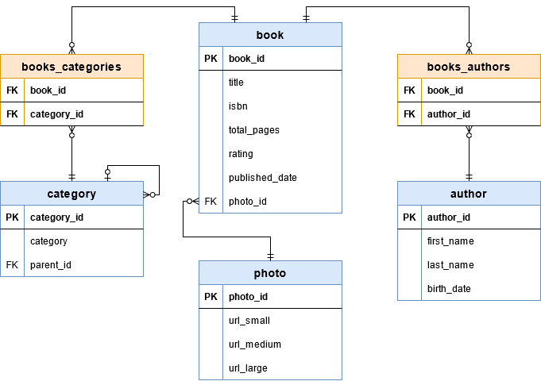
photo | title |  | category |  | first_name |  | url_small
 | isbn |  | parent_id | FK | last_name |  | url_medium
 | total_pages |  |  |  | birth_date |  | url_large
 | rating
 | published_date
 | photo_id | FK

RELATIONSHIPS | books_category |  | books_author
 | book_id | FK | book_id | FK
 | category_id | FK | author_id | FK

 |  |  | https://medium.com/huawei-developers/database-relationships-in-spring-data-jpa-8d7181f50f60
Many-to-Many relationship between books and categories
Many-to-Many relationship between book and the author
photo table attached to the books One-to-One

