01 - Inputs
Inputs
Calculations

General inputs and calculations |  |  | Sample dimensions |  |  | Membrane correction

Soil Gs | 2.8 |  |  |  |  |  |  | Actual Diameter | #N/A | mm
Liquid SG | 1 |  |  |  |  |  |  | Actual Membrane Thickness | 0.2 | mm
Membrane thickness | 0.2 |  |  |  |  |  |  | Mutiple Correction by | #N/A
 |  |  | Initial height | 144 | mm
 |  |  | Initial diameter | 70.1 | mm | Axial Strain | St Correction | Correction for this test
 |  |  | Initial volume | 555.76143776 | cc | 0 | 0 | #N/A
Final sample GWC |  |  | Initial e | 1.265 |  | 5 | 0.7 | #N/A |  | kPa/strain | #VALUE!
Mass tin | 174.26 | g |  |  |  | 10 | 1.2 | #N/A
Tin and wet sample | 1034.04 | g |  |  |  | 15 | 1.6 | #N/A
Tin and dry sample | 861.40 | g | Start consolidation height | 144 | mm | 20 | 2 | #N/A
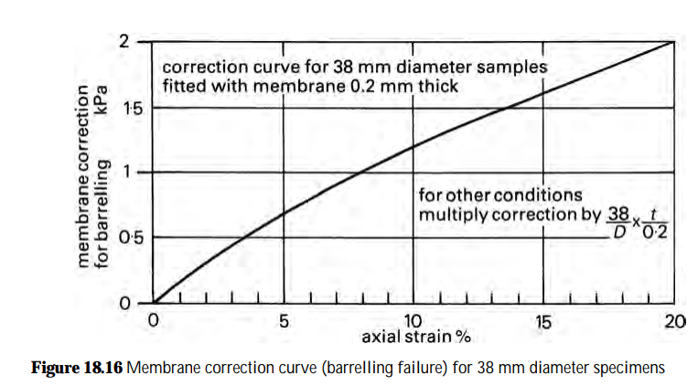
Mass solids | 687.14 | g | Start consolidation volume | #N/A | cc
Mass water | 172.64 | g | Start consolidation void ratio | #N/A
GWC | 25.1% |  | Start shearing area | #N/A | cm2
Void ratio e | 0.703
Volume solids | 245.4 | cc
Volume voids | 172.6 | cc | Start shearing height | #N/A | mm
 |  |  | Start shearing volume | 421.8 | cc
 |  |  | Start shearing area | #N/A | cm2
 |  |  | Start shearing void ratio | 0.719
Initial sample height | 144 | mm | Start shearing diameter | #N/A | mm
Initial sample diameter
1 | 70.5 | mm
2 | 70.50 | mm
3 | 70.5 | mm
 |  |  | End shearing height | #N/A | mm
 |  |  | End shearing volume | 418.0 | cc
Initial LVDT | 0.000 | mm | End shearing void ratio | 0.703
End of saturation LVDT | 0.000 | mm

Drainage | drained
Shearing | compression
Anisotropy | isotropic | 0.56
Consolidation (10-1000) | 357
Availability | public
Density | loose
Plasticity | unknown
PSD | sand

04a - Plots - DR
 | UNIVERSITY OF WESTERN AUSTRALIA
 | SOILS LABORATORY

 | Av. internal gauges | slope
 | 0
FQML - Sample B CID100
Reconstituted sample, Moist tamped
Consolidation: σ'v = 100 & σ'h = 100 kPa (K = 1.0), Drained, Loading rate = 0.015mm/min
 | Axial | Vol
#N/A | #N/A
0 | #N/A
2.00% | 0.00%
4.00% | 1.00%
6.00% | 2.00%
8.00% | 3.00%
10.00% | 4.00%
12.00% | 5.00%
14.00% | 6.00%
 | Sig1 | Sig3
 |  |  | p
#N/A | #N/A |  | 0
q
p'
 | Internal gauge # 1 | Internal gauge # 2 | Average Strain
 | 0 | 0 | 0

 | Av. internal gauges | Slope
 | 0
 | Av. internal gauges | Slope
 | 0
- Sample prepared by air-drying a thick slurry; slurry prepared with de-ionised water

 | Radial strain #1 | Radial strain #2
 | 0 | 0
 | Average radial strain | Slope
 | 0 | 0

Page 1 of 2

05 - Data
 |  |  |  |  | UNIVERSITY OF WESTERN AUSTRALIA
 |  |  |  |  | SOILS LABORATORY

FQML - Sample B CID100
Reconstituted sample, Moist tamped
 | Av. internal gauges | slope
 | 0
 | Internal gauge # 1 | Internal gauge # 2 | Average Strain
 | 0 | 0 | 0

Test details

 | As prepared | End of saturation | End of consolidation | End of shearing
Sample height (mm) | 144.0 | 144.0 | #N/A | #N/A
Sample diameter (mm) | 70.1 | #N/A | #N/A | #N/A
Dry density (t/m3) | 1.24 | 2.80 | 1.63 | 2.80
Void ratio e | 1.265 | 0.000 | 0.719 | 0.000
Mean effective stress p' | - | 30 | #DIV/0! | 0.0
Deviator stress q (kPa) | - | 0.0 | #N/A | 0.0
Geostatic stress ratio K0 | - | 0.00 | #DIV/0! | -
*Based on right cylinder area correction

 | Av. internal gauges | Slope
 | 0
 | Av. internal gauges | Slope
 | 0
Methods
- Sample prepared bymist tamping using the undercompaction method

- Saturated with deaired de-ionised water
- Back pressure saturated to a cell pressure of 1030 kPa and a back pressure of 1000 kPa
- Minimum B-value of 0.97 achieved
- Sheared at a rate of 0.015mm/min

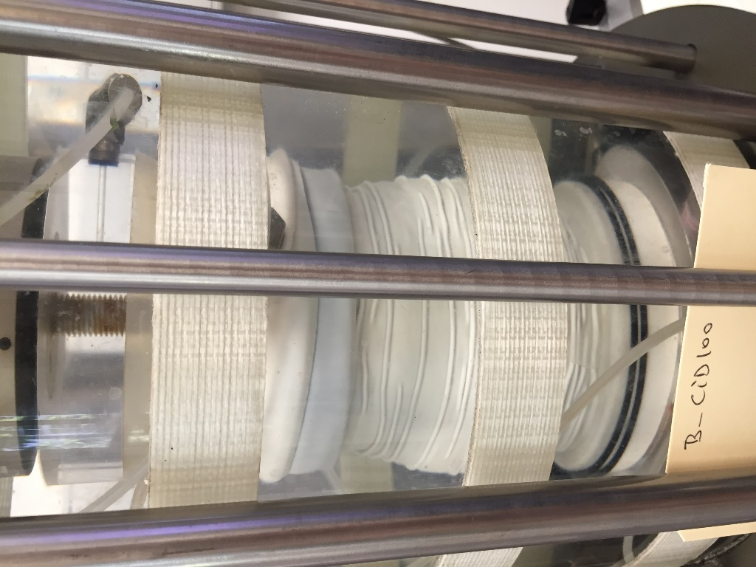
Photographs
 |  | End of shearing
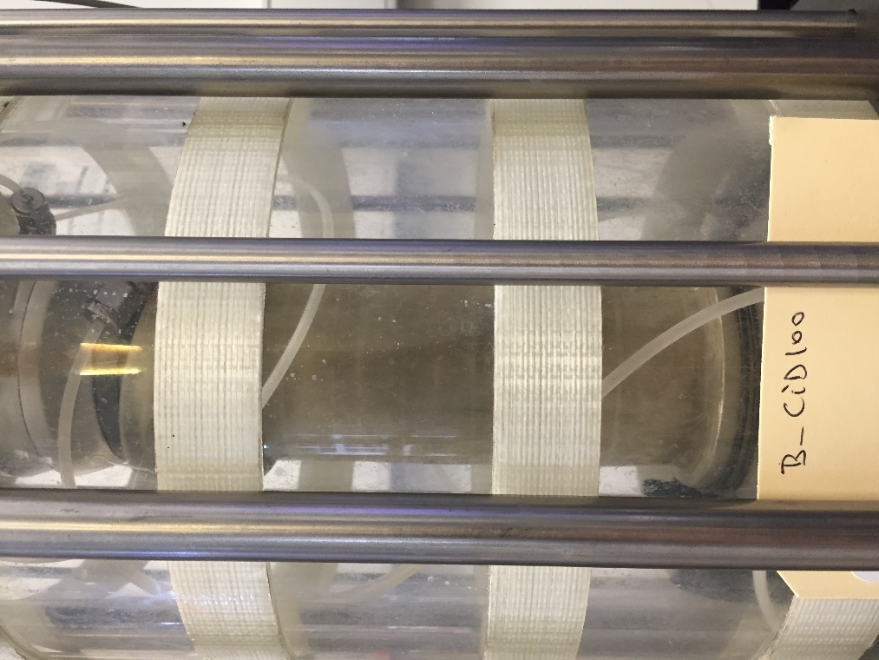

 | Radial strain #1 | Radial strain #2
 | 0 | 0
 | Average radial strain | Slope
 | 0 | 0

Page 2 of 2

