DL320 Gen12
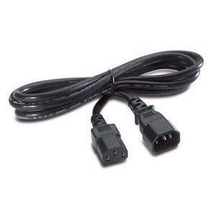
 | HPE ProLiant DL320 Gen12, A compact 1U, single-socket server designed for efficient, right-sized compute in edge and cloud environments, including IaaS and cloud-native workloads. Powered by Intel® Xeon® 6 processors with up to 144 cores, it delivers up to 4 TB memory, PCIe Gen5 performance, and rich I/O flexibility. Supporting up to 20 EDSFF drives and GPU acceleration (up to four single-wide or two double-wide GPUs), it offers high performance with lower energy consumption than dual-socket systems. Ideal for virtualized and containerized workloads requiring strong performance in a dense, energy-efficient form factor.

Qty | Code on Sage | DESCRIPTION | SCC Price

Server Base - Single CPU 1U Rack Server
1 | P71437-B21 | HPE ProLiant Compute DL320 Gen12 SFF Configure-to-order Server |  | This is a base component server that does not include a CPU, memory, drives, network adapters, or power supplies. It comes equipped only with management software (iLO Advanced ). Components required to make the server operational can be selected and configured separately below to make it a workable server.
Total Price |  |  | R85,000.00

Qty | Code on Sage | DESCRIPTION | SCC Price

Processors - Single CPU For the DL20
1 | P74503-B21 | Intel Xeon 6505P 2.2GHz 12-core 150W Processor for HPE | R 16,634.50
1 | P74506-B21 | Intel Xeon 6515P 2.3GHz 16-core 150W Processor for HPE | R 23,280.00
1 | P74505-B21 | Intel Xeon 6511P 2.3GHz 16-core 150W Processor for HPE | R 26,264.50
1 | P74507-B21 | Intel Xeon 6517P 3.2GHz 16-core 190W Processor for HPE | R 35,378.00
1 | P74568-B21 | Intel Xeon 6520P 2.4GHz 24-core 210W Processor for HPE | R 40,193.00
1 | P71117-B21 | Intel Xeon 6710E 2.4GHz 64-core 205W Processor for HPE | R 57,762.50

Qty | Code on Sage | DESCRIPTION | SCC Price

Memory - Maximum of x 16 Memory For the DL320
1 | P69726-F21 | HPE 16GB (1x16GB) Single Rank x8 DDR5-6400 CAS-52-52-52 EC8 Registered Smart FIO Memory Kit | R28,194.00 | Recommendation: For optimal performance and compatibility, select the same type of memory modules and install them in even numbers. A Maximum of memory that can be selected is 16.
1 | P69727-B21 | HPE 32GB (1x32GB) Dual Rank x8 DDR5-6400 CAS-52-52-52 EC8 Registered Smart FIO Memory Kit | R52,715.40
1 | P69729-B21 | HPE 96GB (1x96GB) Dual Rank x4 DDR5-6400 CAS-52-52-52 EC8 Registered Smart Memory Kit | R178,343.20
1 | P69728-B21 | HPE 64GB (1x64GB) Dual Rank x4 DDR5-6400 CAS-52-52-52 EC8 Registered Smart Memory Kit | R104,645.20

Qty | Code on Sage | DESCRIPTION | SCC Price

Drives - Maximum of x 8 SSDs For the DL320
1 | P40430-B21 | HPE 300GB SAS 12G Mission Critical 10K SFF BC 3-year Warranty Multi Vendor HDD | R6,198.00 | The following are the available drive options that can be selected for the above base.
1 | P53561-B21 | HPE 600GB SAS 12G Mission Critical 10K SFF BC 3-year Warranty Multi Vendor HDD | R6,781.50
1 | P28586-B21 | HPE 1.2TB SAS 12G Mission Critical 10K SFF BC 3-year Warranty Multi Vendor HDD | R8,442.50
1 | P53562-B21 | HPE 1.8TB SAS 12G Mission Critical 10K SFF BC 3-year Warranty 512e Multi Vendor HDD | R12,205.00
1 | P28352-B21 | HPE 2.4TB SAS 12G Mission Critical 10K SFF BC 3-year Warranty 512e Multi Vendor HDD | R12,644.00
1 | P40502-B21 | HPE 480GB SATA 6G Mixed Use SFF BC Multi Vendor SSD | R81,760.00

Qty | Code on Sage | DESCRIPTION | SCC Price

Network Card - Network Cards For the DL320
1 | P51178-B21 | Broadcom BCM5719 Ethernet 1Gb 4-port BASE-T Adapter for HPE | R4,595.50
1 | P26259-B21 | Broadcom BCM57412 Ethernet 10Gb 2-port SFP+ Adapter for HPE | R8,906.50 | These are the different types of Network cards that can be selected for this server. A Maximum of 2 x Network cards can be selected.
1 | P26253-B21 | Broadcom BCM57416 Ethernet 10Gb 2-port BASE-T Adapter for HPE | R10,470.00
1 | P26262-B21 | Broadcom BCM57414 Ethernet 10/25Gb 2-port SFP28 Adapter for HPE | R11,218.50
1 | P26264-B21 | Broadcom BCM57504 Ethernet 10/25Gb 4-port SFP28 Adapter for HPE | R24,616.00

Qty | Code on Sage | DESCRIPTION | SCC Price

Power Supply - Maximum of x 2 Power Supplies For the DL320 |  |  |  | Different types of Power Supplies for the server base above. Recommended two for redundancy.
1 | P73190-B21 | HPE 800W M-CRPS Platinum Hot Plug Power Supply Kit | R8,480.00
1 | P67240-B21 | HPE 1000W M-CRPS Titanium Hot Plug Power Supply Kit | R13,028.00
1 | P67244-B21 | HPE 1500W M-CRPS Titanium Hot Plug Power Supply Kit | R14,070.50
1 | P67252-B21 | HPE 2400W M-CRPS Titanium Hot Plug Power Supply Kit | R23,773.00

Qty | Code on Sage | DESCRIPTION | SCC Price
 |  |  |  | We have two Power Cords. One for Universal and One for South African Kattle plugs
Power Cord for the Server
1 | AF567A | HPE C13 - SABS-164 ZA 250V 10Amp 2.5m Power Cord | R1,232.00
1 | AF573A | HPE C13 - C14 WW 250V 10Amp Flint Gray 2.0m Jumper Cord | R720.00

 |  | HPE C13 - SABS-164 ZA 250V 10Amp 2.5m Power Cord
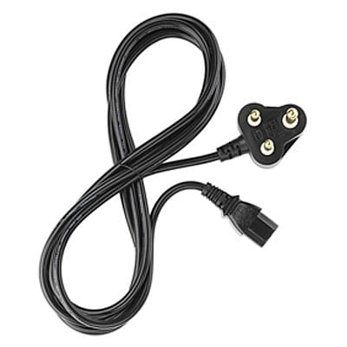

 |  | HPE C13 - C14 WW 250V 10Amp Flint Gray 2.0m Jumper Cord

Networking Aruba CX-Series
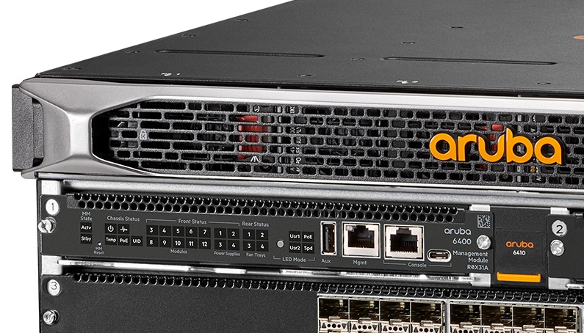

 | Below are the various types of switches and cables available. The switch options include 1Gb Base-T, 10Gb Base-T, and 10Gb SFP+ configurations

Code on Sage | DESCRIPTION | SCC Price

Aruba Neworking CX600 Switches |  | SCC Price
R8N85B | HPE Aruba Networking CX 6000 48p 10M/100M/1G Class4 PoE 4p SFP 1G 370W Switch | R42,050.00
R8N87B | HPE Aruba Networking CX 6000 24p 10M/100M/1G Class4 PoE 4p SFP 1G 370W Switch | R27,544.00
R8N89B | HPE Aruba Networking CX 6000 12p 10M/100M/1G Class4 PoE 2p SFP 1G 139W Switch | R13,151.50

Aruba Neworking CX6100 Switches |  | SCC Price
JL679A | HPE Aruba Networking CX 6100 12G Class4 PoE 2G/2SFP+ 139W Switch | R21,025.00
JL678A | HPE Aruba Networking CX 6100 24G 4SFP+ Switch | R34,062.50
JL676A | HPE Aruba Networking CX 6100 48G 4SFP+ Switch | R50,037.50

Aruba Neworking 2930F Switches |  | SCC Price
JL693A | HPE Aruba Networking 2930F 12G PoE+ 2G/2SFP+ Switch | R29,874.50
JL253A | HPE Aruba Networking 2930F 24G 4SFP+ Switch | R49,762.50
JL254A | HPE Aruba Networking 2930F 48G 4SFP+ Switch | R73,194.50

Networking Cables |  | SCC Price
J4858D | HPE Aruba Networking 1G SFP LC SX 500m OM2 MMF Transceiver | R4,728.00
R9F87A | HPE Aruba Networking 1G SFP RJ45 T 100m Cat5e Transceiver | R3,932.00
J8177E | HPE Aruba Networking 1G SFP RJ45 100m Cat5e Transceiver | R3,932.00
J9150D | HPE Aruba Networking 10G SFP+ LC SR 300m OM3 MMF Transceiver | R16,761.50
J9281D | HPE Aruba Networking 10G SFP+ to SFP+ 1m Direct Attach Copper Cable | R2,179.50
J9283D | HPE Aruba Networking 10G SFP+ to SFP+ 3m Direct Attach Copper Cable | R2,984.50
S2P30A | HPE Aruba Networking 10G SR SFP+ LC 400m OM4 MMF C-Class Transceiver | R8,158.00
487655-B21 | HPE BladeSystem c-Class 10GbE SFP+ to SFP+ 3m Direct Attach Copper Cable | R2,700.50
537963-B21 | HPE BladeSystem c-Class 10GbE SFP+ to SFP+ 5m Direct Attach Copper Cable | R3,098.50
R9F85A | HPE Aruba Networking 10GBASE-T SFP+ RJ45 30m Cat6A Transceiver | R16,877.50
JL563C | HPE Aruba Networking 10GBASE-T SFP+ RJ45 30m Cat6A Transceiver | R16,477.00

